Sheet1
 |  |  | 10x10_incumbent_reward | 15x15_incumbent_reward | 20x20_incumbent_reward | 30x20_incumbent_reward | ramdon | best improvement | Greedy | L2D | schedulenet | GNN-RL (Park IJPR2021)

Learning and Testing on synthetic dataset | 10x10 | 500 | 4.565% |  |  |  | 6.476% | 3.534% |  | 22.31% | - | -
 |  | 1000 | 3.678% |  |  |  | 5.425% | 3.144%
 |  | 2000 | 2.850% |  |  |  | 4.642% | 3.129%
 | 15x15 | 500 |  | 9.698% |  |  | 12.646% | 6.853% |  | 26.70% | - | -
 |  | 1000 |  | 8.567% |  |  | 11.616% | 6.160%
 |  | 2000 |  | 5.569% |  |  | 10.414% | 5.860%
Generalizaiton on Taillard Instances | 15x15 | 500 | 10.274% |  |  |  | 13.689% | 7.506% | 11.369% | 26.01% | 15.30% | 17.10%
 |  | 1000 | 8.481% |  |  |  | 12.393% | 6.292% | 11.369%
 |  | 2000 | 7.985% |  |  |  | 10.504% | 5.333% | 11.369%
 | 20x15 | 500 | 13.603% |  |  |  | 14.166% | 9.558% |  | 30.22% | 19.40% | 20.20%
 |  | 1000 | 11.623% |  |  |  | 13.077% | 9.080%
 |  | 2000 | 9.778% |  |  |  | 11.610% | 8.021%
 | 20x20 | 500 | 13.409% |  |  |  | 15.981% | 9.504% |  | 31.65% | 17.20% | 22.80%
 |  | 1000 | 12.505% |  |  |  | 14.761% | 8.152%
 |  | 2000 | 11.342% |  |  |  | 14.279% | 7.955%
 | 30x15 | 500 | 15.969% |  |  |  | 16.159% | 15.016% |  | 33.11% | 18.00% | 18.90%
 |  | 1000 | 14.066% |  |  |  | 14.202% | 12.244%
 |  | 2000 | 12.376% |  |  |  | 12.236% | 13.045%
 | 30x20 | 500 | 19.023% |  |  |  | 21.20% | 15.56% |  | 33.66% | 18.70% | 25.40%
 |  | 1000 | 16.768% |  |  |  | 18.52% | 13.54%
 |  | 2000 | 15.311% |  |  |  | 16.96% | 13.65%
 | 50x15 | 500 | 10.543% |  |  |  | 10.444% | 9.599% |  | 22.47% | 13.80% | 15.90%
 |  | 1000 | 8.434% |  |  |  | 8.466% | 8.799%
 |  | 2000 | 6.491% |  |  |  | 6.355% | 8.912%
 | 50x20 | 500 | 13.984% |  |  |  | 13.348% | 11.002% |  | 26.55% | 13.50% | 17.40%
 |  | 1000 | 12.167% |  |  |  | 11.608% | 9.980%
 |  | 2000 | 10.287% |  |  |  | 9.420% | 8.620%
 | 100x20 | 500 | 7.420% |  |  |  | 6.968% | 6.299% |  | 13.66% | 6.60% | 7.00%
 |  | 1000 | 5.940% |  |  |  | 5.450% | 4.878%
 |  | 2000 | 4.247% |  |  |  | 3.675% | 4.366%
 |  |  |  |  |  |  |  |  |  | 27.17% | 15.31% | 18.09%
 |  |  |  |  |  |  |  |  | 500 | 13.028%
 |  |  |  |  |  |  |  |  | 1000 | 11.248%
 |  |  |  |  |  |  |  |  | 2000 | 9.727%

 |  |  | 10x10_incumbent_reward | 15x15_incumbent_reward | 20x20_incumbent_reward | 20x20_incumbent_reward | ramdon | best improvement | Greedy | L2D | schedulenet | park journal

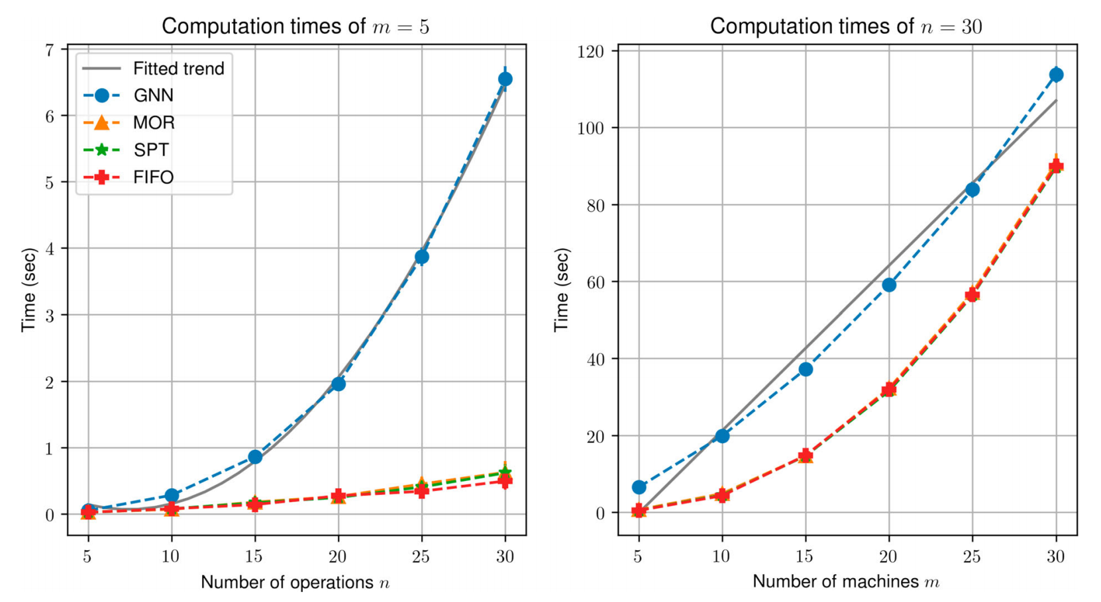
 | 10x10 syn | 500 | 0.715 |  |  |  | 0.785 | 23.031 |  | 0.177 | - | -
 |  | 1000 | 1.447 |  |  |  | 1.589 | 45.990
 |  | 2000 | 2.890 |  |  |  | 3.197 | 91.035
 | 15x15 syn | 500 |  | 1.231 |  |  | 1.113 | 43.624 |  | 0.177 | - | -
 |  | 1000 |  | 2.451 |  |  | 2.233 | 90.371
 |  | 2000 |  | 4.799 |  |  | 4.685 | 186.663
 | Tai 15x15 | 500 | 2.863 |  |  |  | 2.870 | 45.614 |  | 0.447 | - | -
 |  | 1000 | 5.707 |  |  |  | 5.691 | 94.371
 |  | 2000 | 11.634 |  |  |  | 11.371 | 181.213
 | Tai 20x15 | 500 | 3.592 |  |  |  | 3.496 | 56.951 |  | 0.624 | - | -
 |  | 1000 | 7.112 |  |  |  | 7.071 | 108.173
 |  | 2000 | 14.270 |  |  |  | 14.200 | 220.995
 | Tai 20x20 | 500 | 4.588 |  |  |  | 4.437 | 85.806 |  | 0.937 | - | -
 |  | 1000 | 9.063 |  |  |  | 8.969 | 166.829
 |  | 2000 | 18.142 |  |  |  | 18.091 | 335.193
 | Tai 30x15 | 500 | 5.015 |  |  |  | 5.264 | 77.707 |  | 1.114 | - | -
 |  | 1000 | 10.021 |  |  |  | 10.575 | 151.923
 |  | 2000 | 20.047 |  |  |  | 21.843 | 311.461
 | Tai 30x20 | 500 | 6.353 |  |  |  | 6.953 | 119.970 |  | 1.799 | - | -
 |  | 1000 | 12.683 |  |  |  | 14.014 | 239.208
 |  | 2000 | 25.422 |  |  |  | 28.247 | 459.277
 | Tai 50x15 | 500 | 8.334 |  |  |  | 8.853 | 112.211 |  | 2.696 | - | -
 |  | 1000 | 16.022 |  |  |  | 17.696 | 217.464
 |  | 2000 | 32.123 |  |  |  | 35.612 | 605.226
 | Tai 50x20 | 500 | 10.831 |  |  |  | 18.082 | 280.249 |  | 4.883 | - | -
 |  | 1000 | 21.684 |  |  |  | 38.163 | 567.214
 |  | 2000 | 43.018 |  |  |  | 79.569 | 1013.222
 | Tai 100x20 | 500 | 28.783 |  |  |  | 28.082 | 356.411 |  | 28.328 | - | -
 |  | 1000 | 57.616 |  |  |  | 87.552 | 940.480
 |  | 2000 | 114.196 |  |  |  | 170.736 | 1807.984

