Sheet1
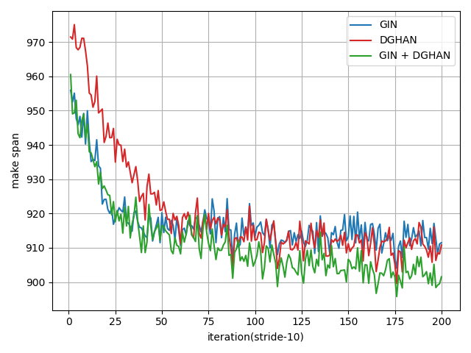
Methods | Taillard |  |  |  |  |  |  |  |  |  |  |  |  |  |  |  | ABZ |  |  |  | FT
 | 15x15 |  | 20x15 |  | 20x20 |  | 30x15 |  | 30x20 |  | 50x15 |  | 50x20 |  | 100x20 |  | 10x10 |  | 20x15 |  | 6x6 |  | 10x10 |  | 20x5
 | Gap (%) | Time (s) | Gap (%) | Time (s) | Gap (%) | Time (s) | Gap (%) | Time (s) | Gap (%) | Time (s) | Gap (%) | Time (s) | Gap (%) | Time (s) | Gap (%) | Time (s) | Gap (%) | Time (s) | Gap (%) | Time (s) | Gap (%) | Time (s) | Gap (%) | Time (s) | Gap (%) | Time (s)
L2D | 26.00% | 0.45 | 33.00% | 0.62 | 33.00% | 0.94 | 33.00% | 1.11 | 33.60% | 1.80 | 22.40% | 2.70 | 26.50% | 4.88 | 13.60% | 28.33
RL-GNN | 20.13% | - | 24.90% | - | 29.24% | - | 24.70% | - | 31.97% | - | 15.92% | - | 21.30% | - | 9.24% | - | 10.12% | - | 29.02% | - |  | - |  | - |  | -
ScheduleNet | 15.30% | - | 19.39% | - | 17.23% | - | 19.08% | - | 23.72% | - | 13.86% | - | 13.53% | - | 6.66% | - | 6.15% | - | 20.55% | - |  | - |  | - |  | -
CP-SAT
L2S (T=500)
L2S (T=2000)
L2S (T=5000)
Methods | LA |  |  |  |  |  |  |  |  |  |  |  |  |  |  |  | SWV |  |  |  |  |  | ORB |  | YN
 | 10x5 |  | 15x5 |  | 20x5 |  | 10x10 |  | 15x10 |  | 20x10 |  | 30x10 |  | 15x15 |  | 20x10 |  | 20x15 |  | 50x10 |  | 10x10 |  | 20x20
 | Gap (%) | Time (s) | Gap (%) | Time (s) | Gap (%) | Time (s) | Gap (%) | Time (s) | Gap (%) | Time (s) | Gap (%) | Time (s) | Gap (%) | Time (s) | Gap (%) | Time (s) | Gap (%) | Time (s) | Gap (%) | Time (s) | Gap (%) | Time (s) | Gap (%) | Time (s) | Gap (%) | Time (s)
L2D
RL-GNN | 16.06% | - | 1.09% | - | 2.13% | - | 17.06% | - | 21.97% | - | 27.26% | - | 6.27% | - | 21.40% | - | 28.42% | - | 29.39% | - | 16.80% | - | 21.83% | - | 24.80% | -
ScheduleNet | 12.12% | - | 2.65% | - | 3.64% | - | 11.95% | - | 14.60% | - | 15.72% | - | 3.10% | - | 16.07% | - | 34.39% | - | 30.51% | - | 25.33% | - | 19.98% | - | 18.44% | -
CP-SAT
L2S (T=500)
L2S (T=2000)
L2S (T=5000)

Methods |  | Greedy |  | Best Improvement |  | First Improvement |  | L2D |  | CP-SAT |  | Ours
 |  | Gap (%) | Time (s) | Gap (%) | Time (s) | Gap (%) | Time (s) | Gap (%) | Time (s) | Gap (%) | Time (s) | Gap (%) | Time (s)
Syn 10x10 | 500 |  |  |  |  |  |  | 22.31% | 0.2
 | 2000
 | 5000
Syn 15x10 | 500
 | 2000
 | 5000
Syn 15x15 | 500 |  |  |  |  |  |  | 26.70% | 0.4
 | 2000
 | 5000
Syn 20x10 | 500
 | 2000
 | 5000
Syn 20x15 | 500
 | 2000
 | 5000

Models |  | GIN |  | DGHAN |  | GIN + DGHAN
 |  | Gap (%) | Time (s) | Gap (%) | Time (s) | Gap (%) | Time (s)
Syn 10x10 | 500
 | 2000
 | 5000

