Sheet1
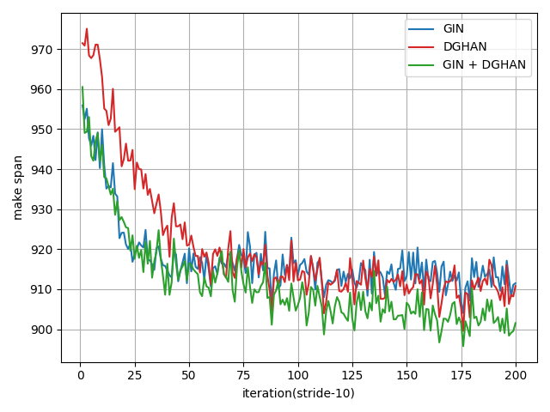
Methods | Taillard |  |  |  |  |  |  |  |  |  |  |  |  |  |  |  | ABZ |  |  |  | FT
 | 15×15 |  | 20x15 |  | 20x20 |  | 30x15 |  | 30x20 |  | 50x15 |  | 50x20 |  | 100x20 |  | 10x10 |  | 20x15 |  | 6x6 |  | 10x10 |  | 20x5
 | Gap | Time | Gap | Time | Gap | Time | Gap | Time | Gap | Time | Gap | Time | Gap | Time | Gap | Time | Gap | Time | Gap | Time | Gap | Time | Gap | Time | Gap | Time
L2D | 26.0% | 0.4 | 30.0% | 0.6 | 31.6% | 0.9 | 33.0% | 1.1 | 33.6% | 1.8 | 22.4% | 2.7 | 26.5% | 4.9 | 13.6% | 28.3
RL-GNN | 20.1% | - | 24.9% | - | 29.2% | - | 24.7% | - | 32.0% | - | 15.9% | - | 21.3% | - | 9.2% | - | 10.1% | - | 29.0% | - |  | - |  | - |  | -
ScheduleNet | 15.3% | - | 19.4% | - | 17.2% | - | 19.1% | - | 23.7% | - | 13.9% | - | 13.5% | - | 6.7% | - | 6.1% | - | 20.5% | - |  | - |  | - |  | -
CP-SAT
L2S (T=500)
L2S (T=1000)
L2S (T=2000)
L2S (T=5000)
Methods | LA |  |  |  |  |  |  |  |  |  |  |  |  |  |  |  | SWV |  |  |  |  |  | ORB |  | YN
 | 10x5 |  | 15x5 |  | 20x5 |  | 10x10 |  | 15x10 |  | 20x10 |  | 30x10 |  | 15x15 |  | 20x10 |  | 20x15 |  | 50x10 |  | 10x10 |  | 20x20
 | Gap | Time | Gap | Time | Gap | Time | Gap | Time | Gap | Time | Gap | Time | Gap | Time | Gap | Time | Gap | Time | Gap | Time | Gap | Time | Gap | Time | Gap | Time
L2D
RL-GNN | 16.1% | - | 1.1% | - | 2.1% | - | 17.1% | - | 22.0% | - | 27.3% | - | 6.3% | - | 21.4% | - | 28.4% | - | 29.4% | - | 16.8% | - | 21.8% | - | 24.8% | -
ScheduleNet | 12.1% | - | 2.7% | - | 3.6% | - | 11.9% | - | 14.6% | - | 15.7% | - | 3.1% | - | 16.1% | - | 34.4% | - | 30.5% | - | 25.3% | - | 20.0% | - | 18.4% | -
CP-SAT
L2S (T=500)
L2S (T=1000)
L2S (T=2000)
L2S (T=5000)

Methods | 10x10 |  | 15x10 |  | 15x15 |  | 20x10 |  | 20x15 |  | 100x20 |  | 200x50
 | Gap | Time | Gap | Time | Gap | Time | Gap | Time | Gap | Time | Gap | Time | Gap | Time
L2D | 22.3% | 0.2 |  |  | 26.7% | 0.4
CP-SAT
Greedy
Best
First
L2S

Methods |  | L2D | CP-SAT | Greedy | Best | First | L2S
10x10 | Gap | 22.3%
 | Time | 0.2
15x10 | Gap
 | Time
15x15 | Gap | 26.7%
 | Time | 0.4
20x10 | Gap
 | Time
20x15 | Gap
 | Time
100x20 | Gap
 | Time
200x50 | Gap
 | Time

Models |  | GIN |  | DGHAN |  | GIN + DGHAN
 |  | Gap (%) | Time (s) | Gap (%) | Time (s) | Gap (%) | Time (s)
Syn 10x10 | 500
 | 1000
 | 2000
 | 5000

