Sheet1
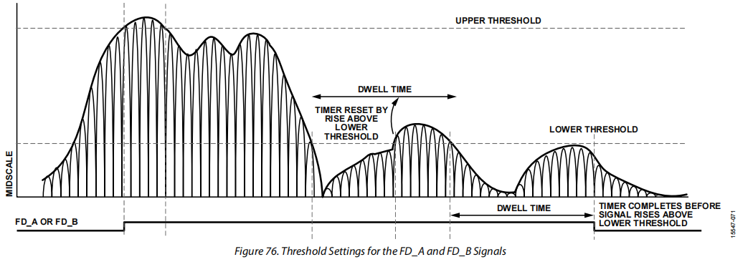
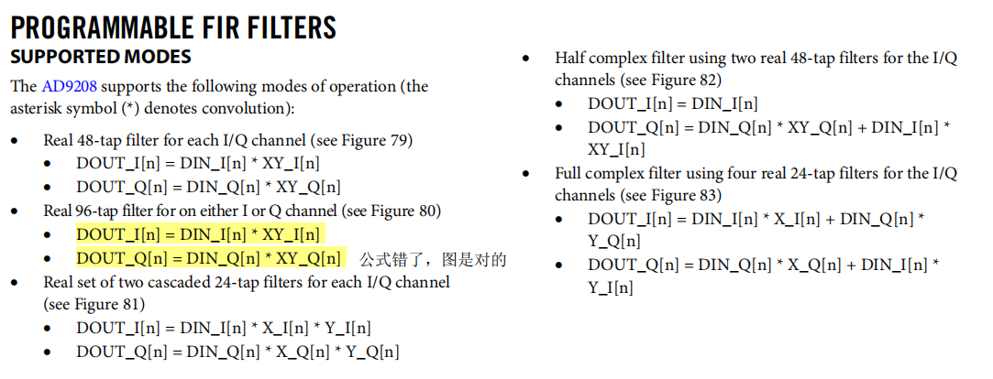
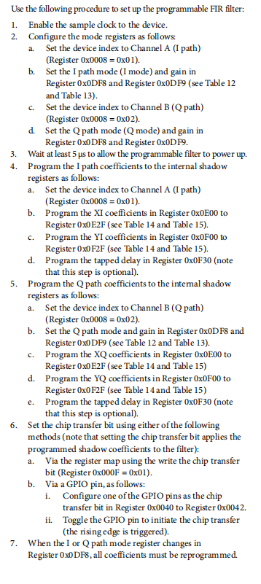
测试项目 | 测试步骤 | 通用寄存器配置 | 寄存器配置 | 仪器选择 | 测试结果
PROGRAMMABLE FIR FILTERS
i路24阶实数滤波输出，q路直接输出 | ①配置DDC为FULL_BAND模式 ②配置cfg_pfilter_mode_i为3'b001，pfilter_x_gain_i为2，pfilter_y_gain_i为0；cfg_pfilter_mode_q为3'b000， pfilter_x_gain_q为2，pfilter_y_gain_q为0； | (adc application)0x0200 000000 (chip transfer reset)0x0F 00000000 | (x/y_gain_i)0xDF9 00000001 (x/y_gain_q)0xDFB 00000000 (cfg_pfilter_mode_i)0xDF8 00000001 (cfg_pfilter_mode_q)0xDF8 00000000 | 输入使用信号发生器发单音进行扫频，输出通过204B传到FPGA，FPGA的数采将数据传到电脑上。
i路48阶实数滤波输出，q路直接输出 | ①配置DDC为FULL_BAND模式 ②配置cfg_pfilter_mode_i为3'b010，pfilter_x_gain_i为0，pfilter_y_gain_i为0；cfg_pfilter_mode_q为3'b000， pfilter_x_gain_q为0，pfilter_y_gain_q为0； |  | (x/y_gain_i)0xDF9 00000000 (x/y_gain_q)0xDFB 00000000 (cfg_pfilter_mode_i)0xDF8 00000010 (cfg_pfilter_mode_q)0xDF8 00000000
i路96阶实数滤波输出，q路直接输出 | ①配置DDC为FULL_BAND模式 ②配置cfg_pfilter_mode_i为3'b111，pfilter_x_gain_i为0，pfilter_y_gain_i为0；cfg_pfilter_mode_q为3'b000， pfilter_x_gain_q为0，pfilter_y_gain_q为0； |  | (x/y_gain_i)0xDF9 00000000 (x/y_gain_q)0xDFB 00000000 (cfg_pfilter_mode_i)0xDF8 00000111 (cfg_pfilter_mode_q)0xDF8 00000000
i路24阶级联滤波输出，q路直接输出 | ①配置DDC为FULL_BAND模式 ②配置cfg_pfilter_mode_i为3'b100，pfilter_x_gain_i为0，pfilter_y_gain_i为0；cfg_pfilter_mode_q为3'b000， pfilter_x_gain_q为0，pfilter_y_gain_q为0； |  | (x/y_gain_i)0xDF9 00000000 (x/y_gain_q)0xDFB 00000000 (cfg_pfilter_mode_i)0xDF8 00000100 (cfg_pfilter_mode_q)0xDF8 00000000
i路全复数滤波输出，q路全复数滤波输出 | ①配置DDC为FULL_BAND模式 ②配置cfg_pfilter_mode_i为3'b101，pfilter_x_gain_i为0，pfilter_y_gain_i为0；cfg_pfilter_mode_q为3'b101， pfilter_x_gain_q为0，pfilter_y_gain_q为0； |  | (x/y_gain_i)0xDF9 00000000 (x/y_gain_q)0xDFB 00000000 (cfg_pfilter_mode_i)0xDF8 00000101 (cfg_pfilter_mode_q)0xDF8 00000101
i路半复数滤波输出，q路48阶实数滤波输出 | ①配置DDC为FULL_BAND模式 ②配置cfg_pfilter_mode_i为3'b110，pfilter_x_gain_i为0，pfilter_y_gain_i为0；cfg_pfilter_mode_q为3'b010， pfilter_x_gain_q为0，pfilter_y_gain_q为0； |  | (x/y_gain_i)0xDF9 00000000 (x/y_gain_q)0xDFB 00000000 (cfg_pfilter_mode_i)0xDF8 00000110 (cfg_pfilter_mode_q)0xDF8 00000010
i路48阶实数滤波输出，q路48阶实数滤波输出 | ①配置DDC为FULL_BAND模式 ②配置cfg_pfilter_mode_i为3'b010，pfilter_x_gain_i为0，pfilter_y_gain_i为0；cfg_pfilter_mode_q为3'b010， pfilter_x_gain_q为0，pfilter_y_gain_q为0； |  | (x/y_gain_i)0xDF9 00000000 (x/y_gain_q)0xDFB 00000000 (cfg_pfilter_mode_i)0xDF8 00000010 (cfg_pfilter_mode_q)0xDF8 00000010
i路24阶级联滤波输出，q路24阶级联滤波输出 | ①配置DDC为FULL_BAND模式 ②配置cfg_pfilter_mode_i为3'b100，pfilter_x_gain_i为0，pfilter_y_gain_i为0；cfg_pfilter_mode_q为3'b100， pfilter_x_gain_q为0，pfilter_y_gain_q为0； |  | (x/y_gain_i)0xDF9 00000000 (x/y_gain_q)0xDFB 00000000 (cfg_pfilter_mode_i)0xDF8 00000100 (cfg_pfilter_mode_q)0xDF8 00000100

