道具命名编号
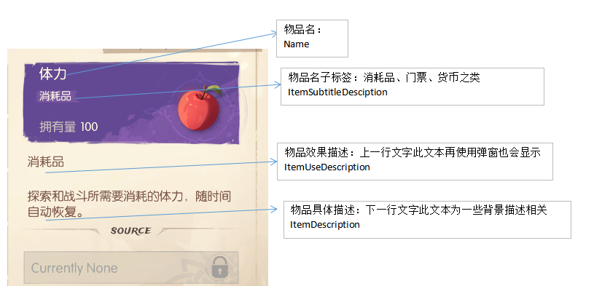
物品表-普通物品(0, 1 0000 00)
 | 魂果
 | 神器进阶材料 | 10000-20000

装备表-装备（1 0000 00， 2 0000 00）
材料表-材料（2 0000 00， 3 0000 00）

填写规则

物品类型表_$
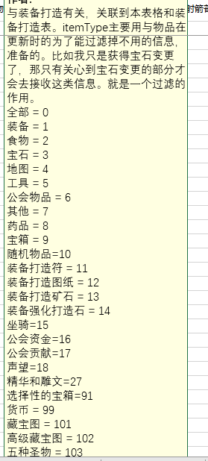
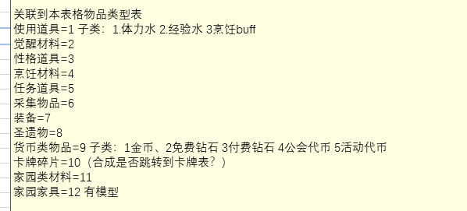
输出文件:package_itemtype_table.py
是否导表 | ID编号|ID | 类型名称|Name | 程序Const名|ConstName | 子类型名|ItemSubTypeNameMemo | 类型备注|memo | 参数示意|memo1
End | Int | Str | Str | Ignore | Ignore | Ignore
 | 0 | 大众物品 | ALL | / | 无 | 无
 | 1 | 使用后修改货币属性类型 |  | 1金币 2免费钻石 3付费钻石 4体力 5连续战斗次数 6经验，账号等级经验 7探索点 8卡牌经验 9普通抽卡卷 10高级抽卡卷 11声望点 12竞技场挑战卷 13资质-力量 14资质-智慧 15资质-敏捷 16资质-魅力 17资质-勇气 18资质-幸运 19资质-正义 20资质-邪恶 21资质-随性 22竞技场代币 | 1和9需要对应 ，此处为程序写死添加找对应程序
 | 2 | 使用跳转类型 |  | 1抽卡界面 2商城界面 3竞技场界面
 | 3 | 材料道具
 | 4 | 收藏道具
 | 5 | 碎片
 | 6 | 装备 |  | 1 随机属性装备 2 固定属性装备
 | 7 | 圣遗物
 | 8 | 宝箱类 |  | 1是固定奖励宝箱 2是随机掉落宝箱 |  | ItemArg1后面加一列 BoxArg1 Str 如果宝箱子类型是1就填AwardId 子类型是2填DropId
 | 9 | 货币 |  | 1金币 2免费钻石 3付费钻石 4体力 5连续战斗次数 6经验，账号等级经验 7探索点 8卡牌经验 9普通抽卡卷 10高级抽卡卷 11声望点 12竞技场挑战卷 13资质-力量 14资质-智慧 15资质-敏捷 16资质-魅力 17资质-勇气 18资质-幸运 19资质-正义 20资质-邪恶 21资质-随性 22竞技场代币
 | 10 | 卡牌碎片
 | 11 | 家园材料
 | 12 | 家园家具
 | 13 | 全局buff

 | 99 | 卡牌 |  | / | 获得后将获得对应卡牌，获得的卡牌参数填写在ItemArg1中，填写对应的卡牌ID。 | ItemArg1=10010，表示获得鹿人1个

