description & reference
Reference for this dataset: Chudomelová, Zelený & Li (2017)

This dataset of herb understory in thermophilous oakwood was collected by Marketa Chudomelova, David Zeleny and Helena Prokesova, during the vegetation season 2012.

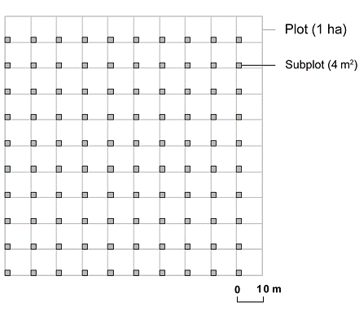
Methods of sampling (From Chudomelova, Zeleny & Li 2017): We established a square plot of 100 × 100 m with 100 subplots of 2 × 2 m. The subplots were organized in a regular grid with 10-m lags between adjacent subplots. At each 2 × 2 m subplot, we recorded a list of vascular plant species along with visual estimates of species cover using the nine-degree Braun-Blanquet scale (Westhoff & van der Maarel 1978). Woody seedlings and saplings were later excluded from the analyses. In the center of each subplot, we took a hemispherical photograph of the canopy at the height of 1.3 m (using Nikon Coolpix 4500 camera with FC-E8 fishey lens). We also measured the slope inclination (using Silva ClinoMaster), aspect (using compass) and relative elevation of each subplot using the Field-Map device (IFER, Ltd., Jílové u Prahy, Czech Republic) with accuracy up to 0.2 m. At four locations within each subplot, we measured the soil depth using 30 cm long iron probe, and collected a mixed soil sample from the top 5 cm.

Description of the locality Nemcicky (Czech Republic)(from Chudomelova, Zeleny & Li, 2017)
Location | 16°50′22″ E, 48°56′39″ N
Mean annual temperature (1961-1990) | 8-9°C
Mean annual precipitation (1961-1990) | 400-500 mm
Altitude | 300 m a.s.l.
Slope | 16°
Aspect | SSW
Bedrock | loess
Soil type | luvisols
Mean herb layer cover | 25%
Tree layer cover | ~ 40%
Number of herbaceous species per site | 76
Mean herbaceous species richness per a 4 m2 plot | 17
Community heterogeneity | 2.86
Community type | Euphorbio-Quercetum with transitions to Quercetum pubescenti-roboris

References:
Ellenberg, H., Weber, H.E., Düll, R., Wirth, V., Werner, W. & Paulissen, D. 1992. Zeigerwerte von Pflanzen in Mitteleuropa. 2nd ed. Scripta Geobotanica 18: 1–248.
Chudomelová M., Zelený D. & Li C.-F. (2017): Contrasting patterns of fine-scale herb layer species composition in temperate forests. Acta Oecologica, 80: 24–31. https://doi.org/10.1016/j.actao.2017.02.003
McCune B. & Keon D. 2002. Equations for potential annual direct incident radiation and heat load. Journal of Vegetation Science 13: 603–606.

