I1
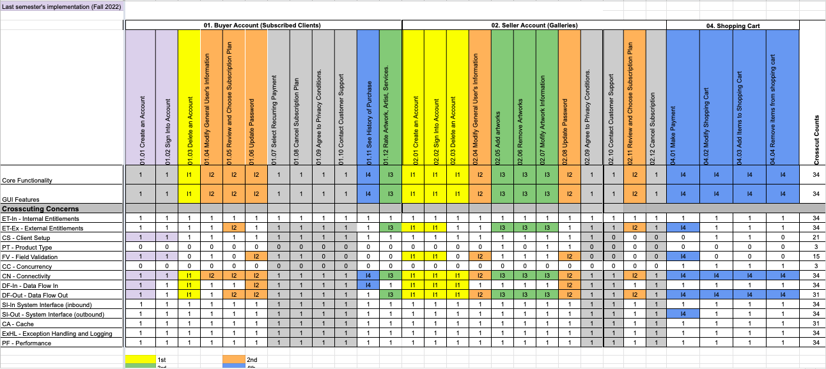
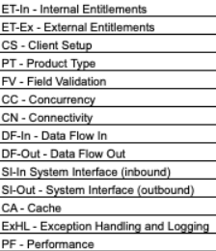
Task # | Module Name | RCT.ID | Core Feature | Task Description | Start Date | End Date | Status | Task Owner
1 | 01. Buyer Account | 1.03 | Delete an Account | Implement core functionality & DF-Out & DF-In | 2023-03-01 | 2023-03-02 | 100% | Shanshan Li
2 | 01. Buyer Account | 1.03 | Delete an Account | Implement CN | 2023-03-01 | 2023-03-02 | 100% | Shanshan Li
3 | 01. Buyer Account | 1.03 | Delete an Account | Implement GUI requirements | 2023-03-01 | 2023-03-02 | 100% | Shanshan Li
4 | 01. Buyer Account | 1.03 | Delete an Account | Develop Test Cases for Delete Account functionality | 2023-03-02 | 2023-03-03 | 100% | Louise Ngo
5 | 01. Buyer Account | 1.03 | Delete an Account | Test Delete Account functionality | 2023-03-02 | 2023-03-03 | 100% | Louise Ngo
11 | 02. Seller Account | 2.01 | Create an Account | Implement core functionality & DF-Out, ET-Ex | 2023-02-23 | 2023-02-24 | 100% | Shanshan Li
12 | 02. Seller Account | 2.01 | Create an Account | Implement FV & CN | 2023-02-23 | 2023-02-24 | 100% | Shanshan Li
13 | 02. Seller Account | 2.01 | Create an Account | Implement GUI requirements | 2023-02-23 | 2023-02-24 | 100% | Shanshan Li
14 | 02. Seller Account | 2.01 | Create an Account | Develop Test Cases for Create Account functionality | 2023-02-24 | 2023-02-25 | 100% | Louise Ngo
15 | 02. Seller Account | 2.01 | Create an Account | Test Create Account functionality | 2023-02-24 | 2023-02-25 | 100% | Louise Ngo
16 | 02. Seller Account | 2.02 | Sign Into Account | Implement core functionality & DF-In, DF-Out, ET-Ex | 2023-02-26 | 2023-02-27 | 100% | Shanshan Li
17 | 02. Seller Account | 2.02 | Sign Into Account | Implement FV & CN | 2023-02-26 | 2023-02-27 | 100% | Shanshan Li
18 | 02. Seller Account | 2.02 | Sign Into Account | Implement GUI requirements | 2023-02-26 | 2023-02-27 | 100% | Shanshan Li
19 | 02. Seller Account | 2.02 | Sign Into Account | Develop Test Cases for Sign Into Account functionality | 2023-02-27 | 2023-02-28 | 100% | Louise Ngo
20 | 02. Seller Account | 2.02 | Sign Into Account | Test Sign Into Account functionality | 2023-02-27 | 2023-02-28 | 100% | Louise Ngo
21 | 02. Seller Account | 2.03 | Delete an Account | Implement core functionality & DF-Out & DF-In | 2023-03-03 | 2023-03-04 | 100% | Shanshan Li
22 | 02. Seller Account | 2.03 | Delete an Account | Implement CN | 2023-03-03 | 2023-03-04 | 100% | Shanshan Li
23 | 02. Seller Account | 2.03 | Delete an Account | Implement GUI requirements | 2023-03-03 | 2023-03-04 | 100% | Shanshan Li
24 | 02. Seller Account | 2.03 | Delete an Account | Develop Test Cases for Delete Account functionality | 2023-03-04 | 2023-03-05 | 100% | Louise Ngo
25 | 02. Seller Account | 2.03 | Delete an Account | Test Delete Account functionality | 2023-03-04 | 2023-03-05 | 100% | Louise Ngo

I2
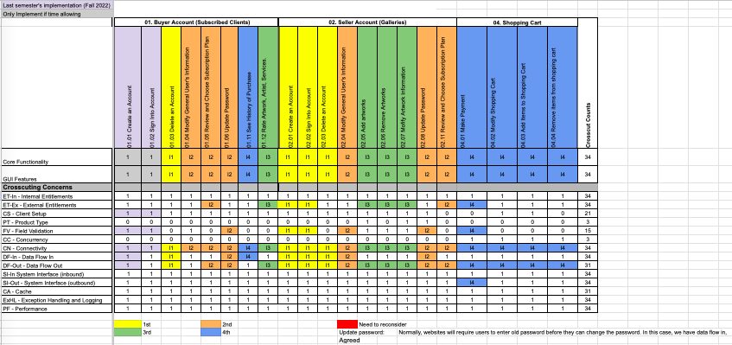
Task # | Module Name | RCT.ID | Core Feature | Task Description | Start Date | End Date | Status | Task Owner
1 | 01. Buyer Account | 1.04 | Modify General User's Information | Implement core functionality | 2023-03-11 | 2023-03-15 | 100% | Shanshan Li | LEGEND
2 | 01. Buyer Account | 1.04 | Modify General User's Information | Implement CN | 2023-03-11 | 2023-03-15 | 100% | Shanshan Li
3 | 01. Buyer Account | 1.04 | Modify General User's Information | Implement GUI requirements | 2023-03-11 | 2023-03-15 | 100% | Shanshan Li
4 | 01. Buyer Account | 1.04 | Modify General User's Information | Conduct Exploratory Testing | 2023-03-15 | 2023-03-18 | 100% | Zo DiSanto
5 | 01. Buyer Account | 1.04 | Modify General User's Information | Develop Test Cases for Modify General User's Information functionality | 2023-03-15 | 2023-03-18 | 100% | Louise Ngo
6 | 01. Buyer Account | 1.04 | Modify General User's Information | Test Modify General User's Information functionality | 2023-03-15 | 2023-03-18 | 100% | Louise Ngo
7 | 01. Buyer Account | 1.05 | Review and Choose Subscription Plan | Implement core functionality & ET-Ex, DF-Out | 2023-03-26 | 2023-03-28 | 100% | Kishore Kanchan
8 | 01. Buyer Account | 1.05 | Review and Choose Subscription Plan | Implement CN | 2023-03-26 | 2023-03-28 | 100% | Kishore Kanchan
9 | 01. Buyer Account | 1.05 | Review and Choose Subscription Plan | Implement GUI requirements | 2023-03-26 | 2023-03-28 | 100% | Kishore Kanchan
10 | 01. Buyer Account | 1.05 | Review and Choose Subscription Plan | Conduct Exploratory Testing | 2023-03-29 | 2023-03-31 | 100% | Melika Zandikarimi
11 | 01. Buyer Account | 1.05 | Review and Choose Subscription Plan | Develop Test Cases for Review and Choose Sunscription Plan functionality | 2023-03-29 | 2023-03-31 | 100% | Louise Ngo
12 | 01. Buyer Account | 1.05 | Review and Choose Subscription Plan | Test Review and Choose Sunscription Plan functionality | 2023-03-29 | 2023-03-31 | 100% | Louise Ngo
13 | 01. Buyer Account | 1.06 | Update Password | Implement core functionality & DF-In, DF-Out | 2023-03-18 | 2023-03-22 | 100% | Shanshan Li
14 | 01. Buyer Account | 1.06 | Update Password | Implement FV & CN | 2023-03-18 | 2023-03-22 | 100% | Shanshan Li
15 | 01. Buyer Account | 1.06 | Update Password | Implement GUI requirements | 2023-03-18 | 2023-03-22 | 100% | Shanshan Li
16 | 01. Buyer Account | 1.06 | Update Password | Conduct Exploratory Testing | 2023-03-22 | 2023-03-25 | 100% | Rufan Mirganiyev
17 | 01. Buyer Account | 1.06 | Update Password | Develop Test Cases for Update Password functionality | 2023-03-22 | 2023-03-25 | 100% | Louise Ngo
18 | 01. Buyer Account | 1.06 | Update Password | Test Update Password functionality | 2023-03-22 | 2023-03-25 | 100% | Louise Ngo
19 | 02. Seller Account | 2.04 | Modify General User's Information | Implement core functionality & DF-In, DF-Out | 2023-03-11 | 2023-03-15 | 100% | Shanshan Li
20 | 02. Seller Account | 2.04 | Modify General User's Information | Implement FV & CN | 2023-03-11 | 2023-03-15 | 100% | Shanshan Li
21 | 02. Seller Account | 2.04 | Modify General User's Information | Implement GUI requirements | 2023-03-11 | 2023-03-15 | 100% | Shanshan Li
22 | 02. Seller Account | 2.04 | Modify General User's Information | Conduct Exploratory Testing | 2023-03-15 | 2023-03-18 | 100% | Jianan Jiang
23 | 02. Seller Account | 2.04 | Modify General User's Information | Develop Test Cases for Modify General User's Information functionality | 2023-03-15 | 2023-03-18 | 100% | Louise Ngo
24 | 02. Seller Account | 2.04 | Modify General User's Information | Test Modify General User's Information functionality | 2023-03-15 | 2023-03-18 | 100% | Louise Ngo
25 | 02. Seller Account | 2.08 | Update Password | Implement core functionality & DF-In, DF-Out | 2023-03-18 | 2023-03-22 | 100% | Shanshan Li
26 | 02. Seller Account | 2.08 | Update Password | Implement FV & CN | 2023-03-18 | 2023-03-22 | 100% | Shanshan Li
27 | 02. Seller Account | 2.08 | Update Password | Implement GUI requirements | 2023-03-18 | 2023-03-22 | 100% | Shanshan Li
28 | 02. Seller Account | 2.08 | Update Password | Conduct Exploratory Testing | 2023-03-22 | 2023-03-25 | 100% | Zo DiSanto
29 | 02. Seller Account | 2.08 | Update Password | Develop Test Cases forUpdate Password functionality | 2023-03-22 | 2023-03-25 | 100% | Louise Ngo
30 | 02. Seller Account | 2.08 | Update Password | Test Update Password functionality | 2023-03-22 | 2023-03-25 | 100% | Louise Ngo
31 | 02. Seller Account | 2.11 | Review and Choose Subscription Plan | Implement core functionality & DF-Out, ET-Ex | 2023-03-25 | 2023-03-28 | 100% | Kishore Kanchan
32 | 02. Seller Account | 2.11 | Review and Choose Subscription Plan | Implement CN | 2023-03-25 | 2023-03-28 | 100% | Kishore Kanchan
33 | 02. Seller Account | 2.11 | Review and Choose Subscription Plan | Implement GUI requirements | 2023-03-25 | 2023-03-28 | 100% | Kishore Kanchan
34 | 02. Seller Account | 2.11 | Review and Choose Subscription Plan | Conduct Exploratory Testing | 2023-03-29 | 2023-03-31 | 100% | Melika Zandikarimi
35 | 02. Seller Account | 2.11 | Review and Choose Subscription Plan | Develop Test Cases for Review and Choose Sunscription Plan functionality | 2023-03-29 | 2023-03-31 | 100% | Louise Ngo
36 | 02. Seller Account | 2.11 | Review and Choose Subscription Plan | Test Review and Choose Sunscription Plan functionality | 2023-03-29 | 2023-03-31 | 100% | Louise Ngo

I4
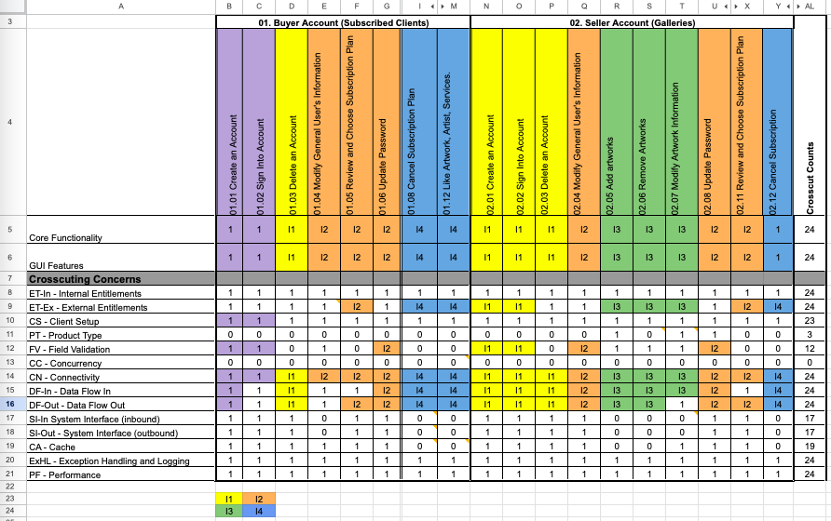
Task # | Module Name | RCT.ID | Core Feature | Task Description | Start Date | End Date | Status | Task Owner
1 | 01. Buyer Account | 1.08 | Cancel Subscription Plan | Implement Core Functionality & ET-Ex, DF-In, DF-Out | 2023-04-22 | 2023-04-24 | 100% | Kishore Kanchan
2 | 01. Buyer Account | 1.08 | Cancel Subscription Plan | Implement CN | 2023-04-22 | 2023-04-24 | 100% | Kishore Kanchan
3 | 01. Buyer Account | 1.08 | Cancel Subscription Plan | Implement GUI requirements | 2023-04-22 | 2023-04-24 | 100% | Kishore Kanchan
4 | 01. Buyer Account | 1.08 | Cancel Subscription Plan | Conduct Exploratory Testing | 2023-04-24 | 2023-04-25 | 100% | Zo DiSanto, Jianan Jiang, Rufan Mirganiyev, Melika Zandikarimi
5 | 01. Buyer Account | 1.08 | Cancel Subscription Plan | Develop Test Cases for Cancel Subscription Plan functionality | 2023-04-26 | 2023-04-28 | 100% | Louise Ngo
6 | 01. Buyer Account | 1.08 | Cancel Subscription Plan | Test Cancel Subscription Plan functionality | 2023-04-26 | 2023-04-28 | 100% | Louise Ngo
7 | 01. Buyer Account | 1.12 | Like Artwork, Artist, Services | Implement Core Functionality & ET-Ex, DF-In, DF-Out | 2023-05-01 | 2023-05-03 | 100% | Shanshan Li
8 | 01. Buyer Account | 1.12 | Like Artwork, Artist, Services | Implement CN | 2023-05-01 | 2023-05-03 | 100% | Shanshan Li
9 | 01. Buyer Account | 1.12 | Like Artwork, Artist, Services | Implement GUI requirements | 2023-05-01 | 2023-05-03 | 100% | Shanshan Li
10 | 01. Buyer Account | 1.12 | Like Artwork, Artist, Services | Conduct Exploratory Testing | 2023-05-03 | 2023-05-04 | 100% | Zo DiSanto, Jianan Jiang, Rufan Mirganiyev, Melika Zandikarimi
11 | 01. Buyer Account | 1.12 | Like Artwork, Artist, Services | Develop Test Cases for Like Artwork, Artist, Services functionality | 2023-05-04 | 2023-05-06 | 100% | Louise Ngo
12 | 01. Buyer Account | 1.12 | Like Artwork, Artist, Services | Test Like Artwork, Artist, Services functionality | 2023-05-04 | 2023-05-06 | 100% | Louise Ngo
13 | 02. Seller Account | 2.12 | Cancel Subscription Plan | Implement Core Functionality & ET-Ex, DF-In, DF-Out | 2023-05-06 | 2023-05-08 | 100% | Kishore Kanchan
14 | 02. Seller Account | 2.12 | Cancel Subscription Plan | Implement CN | 2023-05-06 | 2023-05-08 | 100% | Kishore Kanchan
15 | 02. Seller Account | 2.12 | Cancel Subscription Plan | Implement GUI requirements | 2023-05-06 | 2023-05-08 | 100% | Kishore Kanchan
16 | 02. Seller Account | 2.12 | Cancel Subscription Plan | Conduct Exploratory Testing | 2023-05-09 | 2023-05-10 | 100% | Zo DiSanto, Jianan Jiang, Rufan Mirganiyev, Melika Zandikarimi
17 | 02. Seller Account | 2.12 | Cancel Subscription Plan | Develop Test Cases for Cancel Subscription Plan functionality | 2023-05-10 | 2023-05-12 | 100% | Louise Ngo
18 | 02. Seller Account | 2.12 | Cancel Subscription Plan | Test Cancel Subscription Plan functionality | 2023-05-10 | 2023-05-12 | 100% | Louise Ngo

