I1
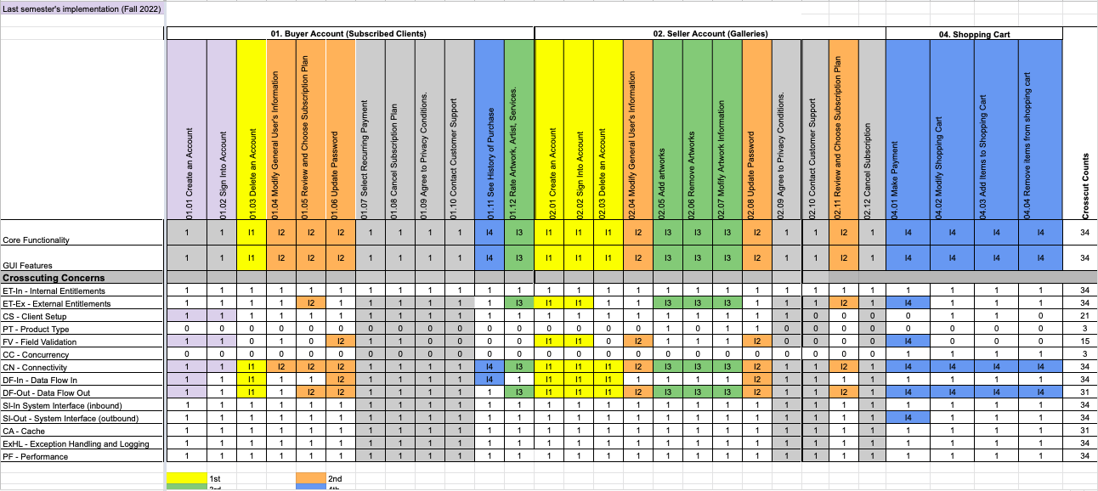
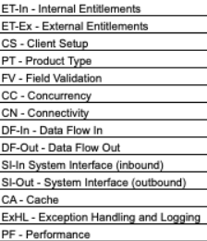
Task # | Module Name | RCT.ID | Core Feature | Task Description | Start Date | End Date | Status | Task Owner
1 | 01. Buyer Account | 1.03 | Delete an Account | Implement core functionality & DF-Out & DF-In | 2023-03-01 | 2023-03-02 | 100% | Shanshan Li
2 | 01. Buyer Account | 1.03 | Delete an Account | Implement CN | 2023-03-01 | 2023-03-02 | 100% | Shanshan Li
3 | 01. Buyer Account | 1.03 | Delete an Account | Implement GUI requirements | 2023-03-01 | 2023-03-02 | 100% | Shanshan Li
4 | 01. Buyer Account | 1.03 | Delete an Account | Develop Test Cases for Delete Account functionality | 2023-03-02 | 2023-03-03 | 100% | Louise Ngo
5 | 01. Buyer Account | 1.03 | Delete an Account | Test Delete Account functionality | 2023-03-02 | 2023-03-03 | 100% | Louise Ngo
11 | 02. Seller Account | 2.01 | Create an Account | Implement core functionality & DF-Out, ET-Ex | 2023-02-23 | 2023-02-24 | 100% | Shanshan Li
12 | 02. Seller Account | 2.01 | Create an Account | Implement FV & CN | 2023-02-23 | 2023-02-24 | 100% | Shanshan Li
13 | 02. Seller Account | 2.01 | Create an Account | Implement GUI requirements | 2023-02-23 | 2023-02-24 | 100% | Shanshan Li
14 | 02. Seller Account | 2.01 | Create an Account | Develop Test Cases for Create Account functionality | 2023-02-24 | 2023-02-25 | 100% | Louise Ngo
15 | 02. Seller Account | 2.01 | Create an Account | Test Create Account functionality | 2023-02-24 | 2023-02-25 | 100% | Louise Ngo
16 | 02. Seller Account | 2.02 | Sign Into Account | Implement core functionality & DF-In, DF-Out, ET-Ex | 2023-02-26 | 2023-02-27 | 100% | Shanshan Li
17 | 02. Seller Account | 2.02 | Sign Into Account | Implement FV & CN | 2023-02-26 | 2023-02-27 | 100% | Shanshan Li
18 | 02. Seller Account | 2.02 | Sign Into Account | Implement GUI requirements | 2023-02-26 | 2023-02-27 | 100% | Shanshan Li
19 | 02. Seller Account | 2.02 | Sign Into Account | Develop Test Cases for Sign Into Account functionality | 2023-02-27 | 2023-02-28 | 100% | Louise Ngo
20 | 02. Seller Account | 2.02 | Sign Into Account | Test Sign Into Account functionality | 2023-02-27 | 2023-02-28 | 100% | Louise Ngo
21 | 02. Seller Account | 2.03 | Delete an Account | Implement core functionality & DF-Out & DF-In | 2023-03-03 | 2023-03-04 | 100% | Shanshan Li
22 | 02. Seller Account | 2.03 | Delete an Account | Implement CN | 2023-03-03 | 2023-03-04 | 100% | Shanshan Li
23 | 02. Seller Account | 2.03 | Delete an Account | Implement GUI requirements | 2023-03-03 | 2023-03-04 | 100% | Shanshan Li
24 | 02. Seller Account | 2.03 | Delete an Account | Develop Test Cases for Delete Account functionality | 2023-03-04 | 2023-03-05 | 100% | Louise Ngo
25 | 02. Seller Account | 2.03 | Delete an Account | Test Delete Account functionality | 2023-03-04 | 2023-03-05 | 100% | Louise Ngo

I2
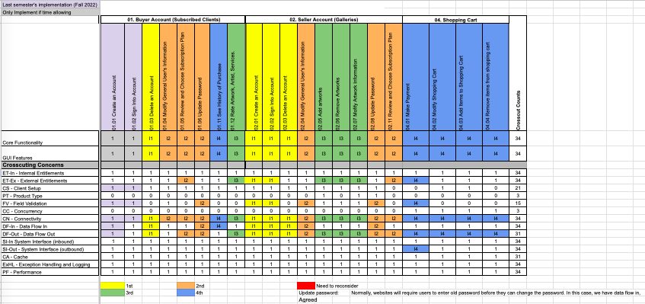
Task # | Module Name | RCT.ID | Core Feature | Task Description | Start Date | End Date | Status | Task Owner
1 | 01. Buyer Account | 1.04 | Modify General User's Information | Implement core functionality | 2023-03-11 | 2023-03-15 | 100% | Shanshan Li | LEGEND
2 | 01. Buyer Account | 1.04 | Modify General User's Information | Implement CN | 2023-03-11 | 2023-03-15 | 100% | Shanshan Li
3 | 01. Buyer Account | 1.04 | Modify General User's Information | Implement GUI requirements | 2023-03-11 | 2023-03-15 | 100% | Shanshan Li
4 | 01. Buyer Account | 1.04 | Modify General User's Information | Conduct Exploratory Testing | 2023-03-15 | 2023-03-18 | 100% | Zo DiSanto
5 | 01. Buyer Account | 1.04 | Modify General User's Information | Develop Test Cases for Modify General User's Information functionality | 2023-03-15 | 2023-03-18 | 100% | Louise Ngo
6 | 01. Buyer Account | 1.04 | Modify General User's Information | Test Modify General User's Information functionality | 2023-03-15 | 2023-03-18 | 100% | Louise Ngo
7 | 01. Buyer Account | 1.05 | Review and Choose Subscription Plan | Implement core functionality & ET-Ex, DF-Out | 2023-03-26 | 2023-03-28 | 100% | Kishore Kanchan
8 | 01. Buyer Account | 1.05 | Review and Choose Subscription Plan | Implement CN | 2023-03-26 | 2023-03-28 | 100% | Kishore Kanchan
9 | 01. Buyer Account | 1.05 | Review and Choose Subscription Plan | Implement GUI requirements | 2023-03-26 | 2023-03-28 | 100% | Kishore Kanchan
10 | 01. Buyer Account | 1.05 | Review and Choose Subscription Plan | Conduct Exploratory Testing | 2023-03-29 | 2023-03-31 | 100% | Melika Zandikarimi
11 | 01. Buyer Account | 1.05 | Review and Choose Subscription Plan | Develop Test Cases for Review and Choose Sunscription Plan functionality | 2023-03-29 | 2023-03-31 | 100% | Louise Ngo
12 | 01. Buyer Account | 1.05 | Review and Choose Subscription Plan | Test Review and Choose Sunscription Plan functionality | 2023-03-29 | 2023-03-31 | 100% | Louise Ngo
13 | 01. Buyer Account | 1.06 | Update Password | Implement core functionality & DF-In, DF-Out | 2023-03-18 | 2023-03-22 | 100% | Shanshan Li
14 | 01. Buyer Account | 1.06 | Update Password | Implement FV & CN | 2023-03-18 | 2023-03-22 | 100% | Shanshan Li
15 | 01. Buyer Account | 1.06 | Update Password | Implement GUI requirements | 2023-03-18 | 2023-03-22 | 100% | Shanshan Li
16 | 01. Buyer Account | 1.06 | Update Password | Conduct Exploratory Testing | 2023-03-22 | 2023-03-25 | 100% | Rufan Mirganiyev
17 | 01. Buyer Account | 1.06 | Update Password | Develop Test Cases for Update Password functionality | 2023-03-22 | 2023-03-25 | 100% | Louise Ngo
18 | 01. Buyer Account | 1.06 | Update Password | Test Update Password functionality | 2023-03-22 | 2023-03-25 | 100% | Louise Ngo
19 | 02. Seller Account | 2.04 | Modify General User's Information | Implement core functionality & DF-In, DF-Out | 2023-03-11 | 2023-03-15 | 100% | Shanshan Li
20 | 02. Seller Account | 2.04 | Modify General User's Information | Implement FV & CN | 2023-03-11 | 2023-03-15 | 100% | Shanshan Li
21 | 02. Seller Account | 2.04 | Modify General User's Information | Implement GUI requirements | 2023-03-11 | 2023-03-15 | 100% | Shanshan Li
22 | 02. Seller Account | 2.04 | Modify General User's Information | Conduct Exploratory Testing | 2023-03-15 | 2023-03-18 | 100% | Jianan Jiang
23 | 02. Seller Account | 2.04 | Modify General User's Information | Develop Test Cases for Modify General User's Information functionality | 2023-03-15 | 2023-03-18 | 100% | Louise Ngo
24 | 02. Seller Account | 2.04 | Modify General User's Information | Test Modify General User's Information functionality | 2023-03-15 | 2023-03-18 | 100% | Louise Ngo
25 | 02. Seller Account | 2.08 | Update Password | Implement core functionality & DF-In, DF-Out | 2023-03-18 | 2023-03-22 | 100% | Shanshan Li
26 | 02. Seller Account | 2.08 | Update Password | Implement FV & CN | 2023-03-18 | 2023-03-22 | 100% | Shanshan Li
27 | 02. Seller Account | 2.08 | Update Password | Implement GUI requirements | 2023-03-18 | 2023-03-22 | 100% | Shanshan Li
28 | 02. Seller Account | 2.08 | Update Password | Conduct Exploratory Testing | 2023-03-22 | 2023-03-25 | 100% | Zo DiSanto
29 | 02. Seller Account | 2.08 | Update Password | Develop Test Cases forUpdate Password functionality | 2023-03-22 | 2023-03-25 | 100% | Louise Ngo
30 | 02. Seller Account | 2.08 | Update Password | Test Update Password functionality | 2023-03-22 | 2023-03-25 | 100% | Louise Ngo
31 | 02. Seller Account | 2.11 | Review and Choose Subscription Plan | Implement core functionality & DF-Out, ET-Ex | 2023-03-25 | 2023-03-28 | 100% | Kishore Kanchan
32 | 02. Seller Account | 2.11 | Review and Choose Subscription Plan | Implement CN | 2023-03-25 | 2023-03-28 | 100% | Kishore Kanchan
33 | 02. Seller Account | 2.11 | Review and Choose Subscription Plan | Implement GUI requirements | 2023-03-25 | 2023-03-28 | 100% | Kishore Kanchan
34 | 02. Seller Account | 2.11 | Review and Choose Subscription Plan | Conduct Exploratory Testing | 2023-03-29 | 2023-03-31 | 100% | Melika Zandikarimi
35 | 02. Seller Account | 2.11 | Review and Choose Subscription Plan | Develop Test Cases for Review and Choose Sunscription Plan functionality | 2023-03-29 | 2023-03-31 | 100% | Louise Ngo
36 | 02. Seller Account | 2.11 | Review and Choose Subscription Plan | Test Review and Choose Sunscription Plan functionality | 2023-03-29 | 2023-03-31 | 100% | Louise Ngo

I4
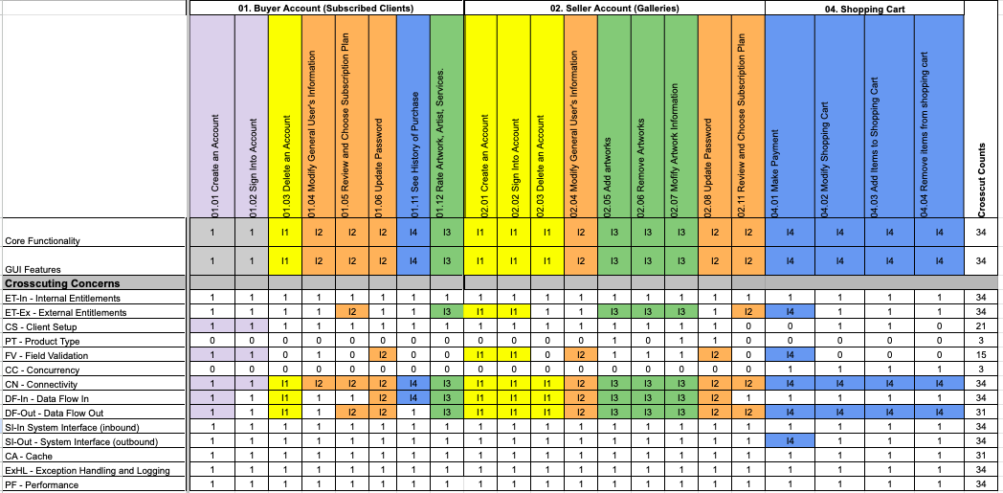
Task # | Module Name | RCT.ID | Core Feature | Task Description | Start Date | End Date | Status | Task Owner | Reconsider
1 | 01. Buyer Account | 1.11 | See History of Purchases | Implement Core Functionality & DF-In |  |  |  | Shanshan Li | LEGEND
2 | 01. Buyer Account | 1.11 | See History of Purchases | Implement CN |  |  |  | Shanshan Li
3 | 01. Buyer Account | 1.11 | See History of Purchases | Implement GUI requirements |  |  |  | Shanshan Li
4 | 01. Buyer Account | 1.11 | See History of Purchases | Conduct Exploratory Testing |  |  |  | Zo DiSanto
5 | 01. Buyer Account | 1.11 | See History of Purchases | Develop Test Cases for Modify General User's Information functionality |  |  |  | Louise Ngo
6 | 01. Buyer Account | 1.11 | See History of Purchases | Test Modify General User's Information functionality |  |  |  | Louise Ngo
7 | 04. Shopping Cart | 4.01 | Make a Payment | Implement Core Functionality & ET-Ex, DF-Out, SI-Out |  |  |  | Shanshan Li
8 | 04. Shopping Cart | 4.01 | Make a Payment | Implement FV & CN |  |  |  | Shanshan Li
9 | 04. Shopping Cart | 4.01 | Make a Payment | Implement GUI requirements |  |  |  | Shanshan Li
10 | 04. Shopping Cart | 4.01 | Make a Payment | Conduct Exploratory Testing |  |  |  | Jianan Jiang
11 | 04. Shopping Cart | 4.01 | Make a Payment | Develop Test Cases for Modify General User's Information functionality |  |  |  | Louise Ngo
12 | 04. Shopping Cart | 4.01 | Make a Payment | Test Modify General User's Information functionality |  |  |  | Louise Ngo
13 | 04. Shopping Cart | 4.02 | Modify Shopping Cart | Implement Core Functionality & DF-Out | 2023-04-22 | 2023-04-24 |  | Shanshan Li
14 | 04. Shopping Cart | 4.02 | Modify Shopping Cart | Implement CN | 2023-04-22 | 2023-04-24 |  | Shanshan Li
15 | 04. Shopping Cart | 4.02 | Modify Shopping Cart | Implement GUI requirements | 2023-04-22 | 2023-04-24 |  | Shanshan Li
16 | 04. Shopping Cart | 4.02 | Modify Shopping Cart | Conduct Exploratory Testing | 2023-04-24 | 2023-04-25 |  | Rufan Mirganiyev
17 | 04. Shopping Cart | 4.02 | Modify Shopping Cart | Develop Test Cases for Modify General User's Information functionality | 2023-04-26 | 2023-04-28 |  | Louise Ngo
18 | 04. Shopping Cart | 4.02 | Modify Shopping Cart | Test Modify General User's Information functionality | 2023-04-26 | 2023-04-28 |  | Louise Ngo
19 | 04. Shopping Cart | 4.03 | Add Items to Shopping Cart | Implement Core Functionality & DF-Out | 2023-05-01 | 2023-05-03 |  | Kishore Kanchan
20 | 04. Shopping Cart | 4.03 | Add Items to Shopping Cart | Implement CN | 2023-05-01 | 2023-05-03 |  | Kishore Kanchan
21 | 04. Shopping Cart | 4.03 | Add Items to Shopping Cart | Implement GUI requirements | 2023-05-01 | 2023-05-03 |  | Kishore Kanchan
22 | 04. Shopping Cart | 4.03 | Add Items to Shopping Cart | Conduct Exploratory Testing | 2023-05-03 | 2023-05-04 |  | Melika Zandikarimi
23 | 04. Shopping Cart | 4.03 | Add Items to Shopping Cart | Develop Test Cases for Modify General User's Information functionality | 2023-05-04 | 2023-05-06 |  | Louise Ngo
24 | 04. Shopping Cart | 4.03 | Add Items to Shopping Cart | Test Modify General User's Information functionality | 2023-05-04 | 2023-05-06 |  | Louise Ngo
25 | 04. Shopping Cart | 4.04 | Remove Items to Shopping Cart | Implement Core Functionality & DF-Out | 2023-05-06 | 2023-05-08 |  | Kishore Kanchan
26 | 04. Shopping Cart | 4.04 | Remove Items to Shopping Cart | Implement CN | 2023-05-06 | 2023-05-08 |  | Kishore Kanchan
27 | 04. Shopping Cart | 4.04 | Remove Items to Shopping Cart | Implement GUI requirements | 2023-05-06 | 2023-05-08 |  | Kishore Kanchan
28 | 04. Shopping Cart | 4.04 | Remove Items to Shopping Cart | Conduct Exploratory Testing | 2023-05-09 | 2023-05-10 |  | Melika Zandikarimi
29 | 04. Shopping Cart | 4.04 | Remove Items to Shopping Cart | Develop Test Cases for Modify General User's Information functionality | 2023-05-10 | 2023-05-12 |  | Louise Ngo
30 | 04. Shopping Cart | 4.04 | Remove Items to Shopping Cart | Test Modify General User's Information functionality | 2023-05-10 | 2023-05-12 |  | Louise Ngo

