Application Screen
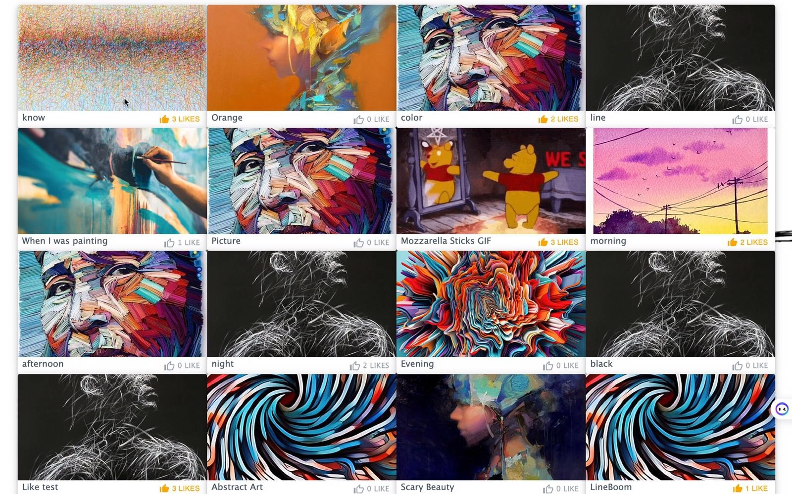

Use case
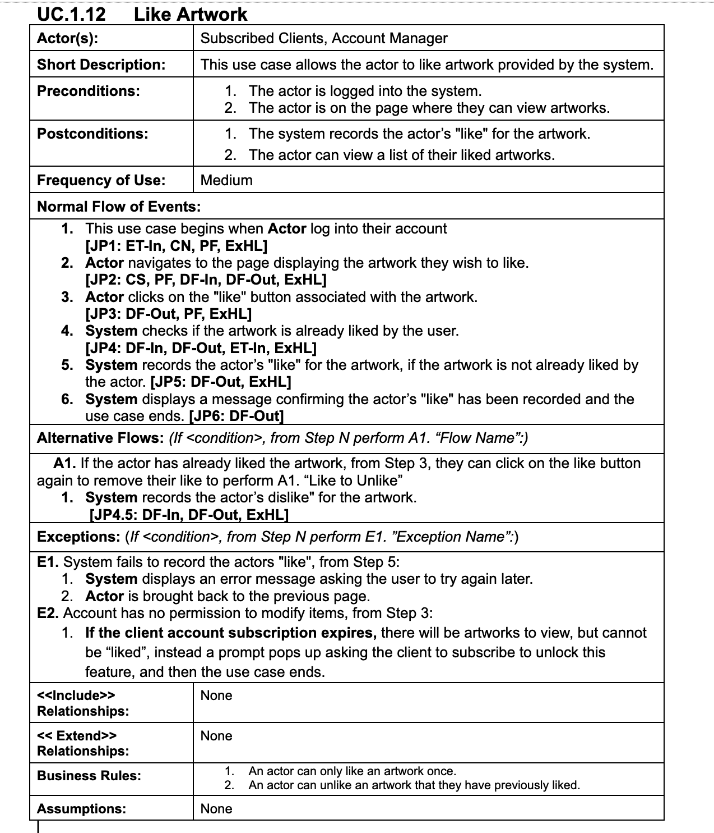

Test Case 4
TC Title: | TC4. Like artwork - Core Functionality & Data Flow In

TC Objective: | This test case validates core functionality and the data flow into the feature - If the account has paid for a subscription plan, it will has the permission to execute this feature. If not, then it cannot. Hence the data flow from 01.05 and 01.08 into this feature.

Data Flow Diagram |  | 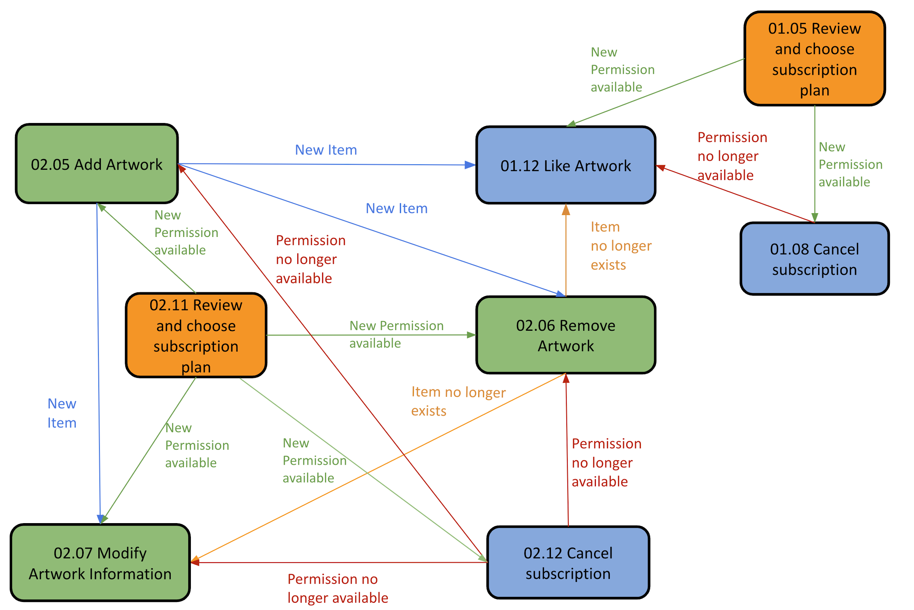

TC Description
 | Step | Step Description | Expected Results | Notes
 | 1 | Sign in as a Unsubscribed Client
 | 2 | In homepage, pick a random artworks and click the Like symbol | Like symbol(s) is present but click in raise Error Massage "No permission" | Client without a subcription plan has NO permission to execute feature 01.12
 | 3 | Go to Account Settings, then click Subscriptions Choose a subscription plan and pay for it | Success Message
 | 4 | Go back to homepage, pick a random artworks and click the Like symbol | Like symbol(s) is present Click the symbol leads to incrementing the number of like (next, to the right of the symbol ) of the chosen artwork | Client with a subcription plan has permission to execute feature 01.12 DF-In 01.05 -> 01.12
 | 5 | Go to Account Settings, then click Subscriptions | Subscription plan is present, with one of them has a Cancel button available
 | 6 | Click Cancel button | Success message
 | 7 | Go back to homepage, pick a random artworks and click the Like symbol | Like symbol(s) is present but click in raise Error Massage "No permission" | Client without a subcription plan has NO permission to execute feature 01.12 DF-In 01.08 -> 01.12

