Application Screen
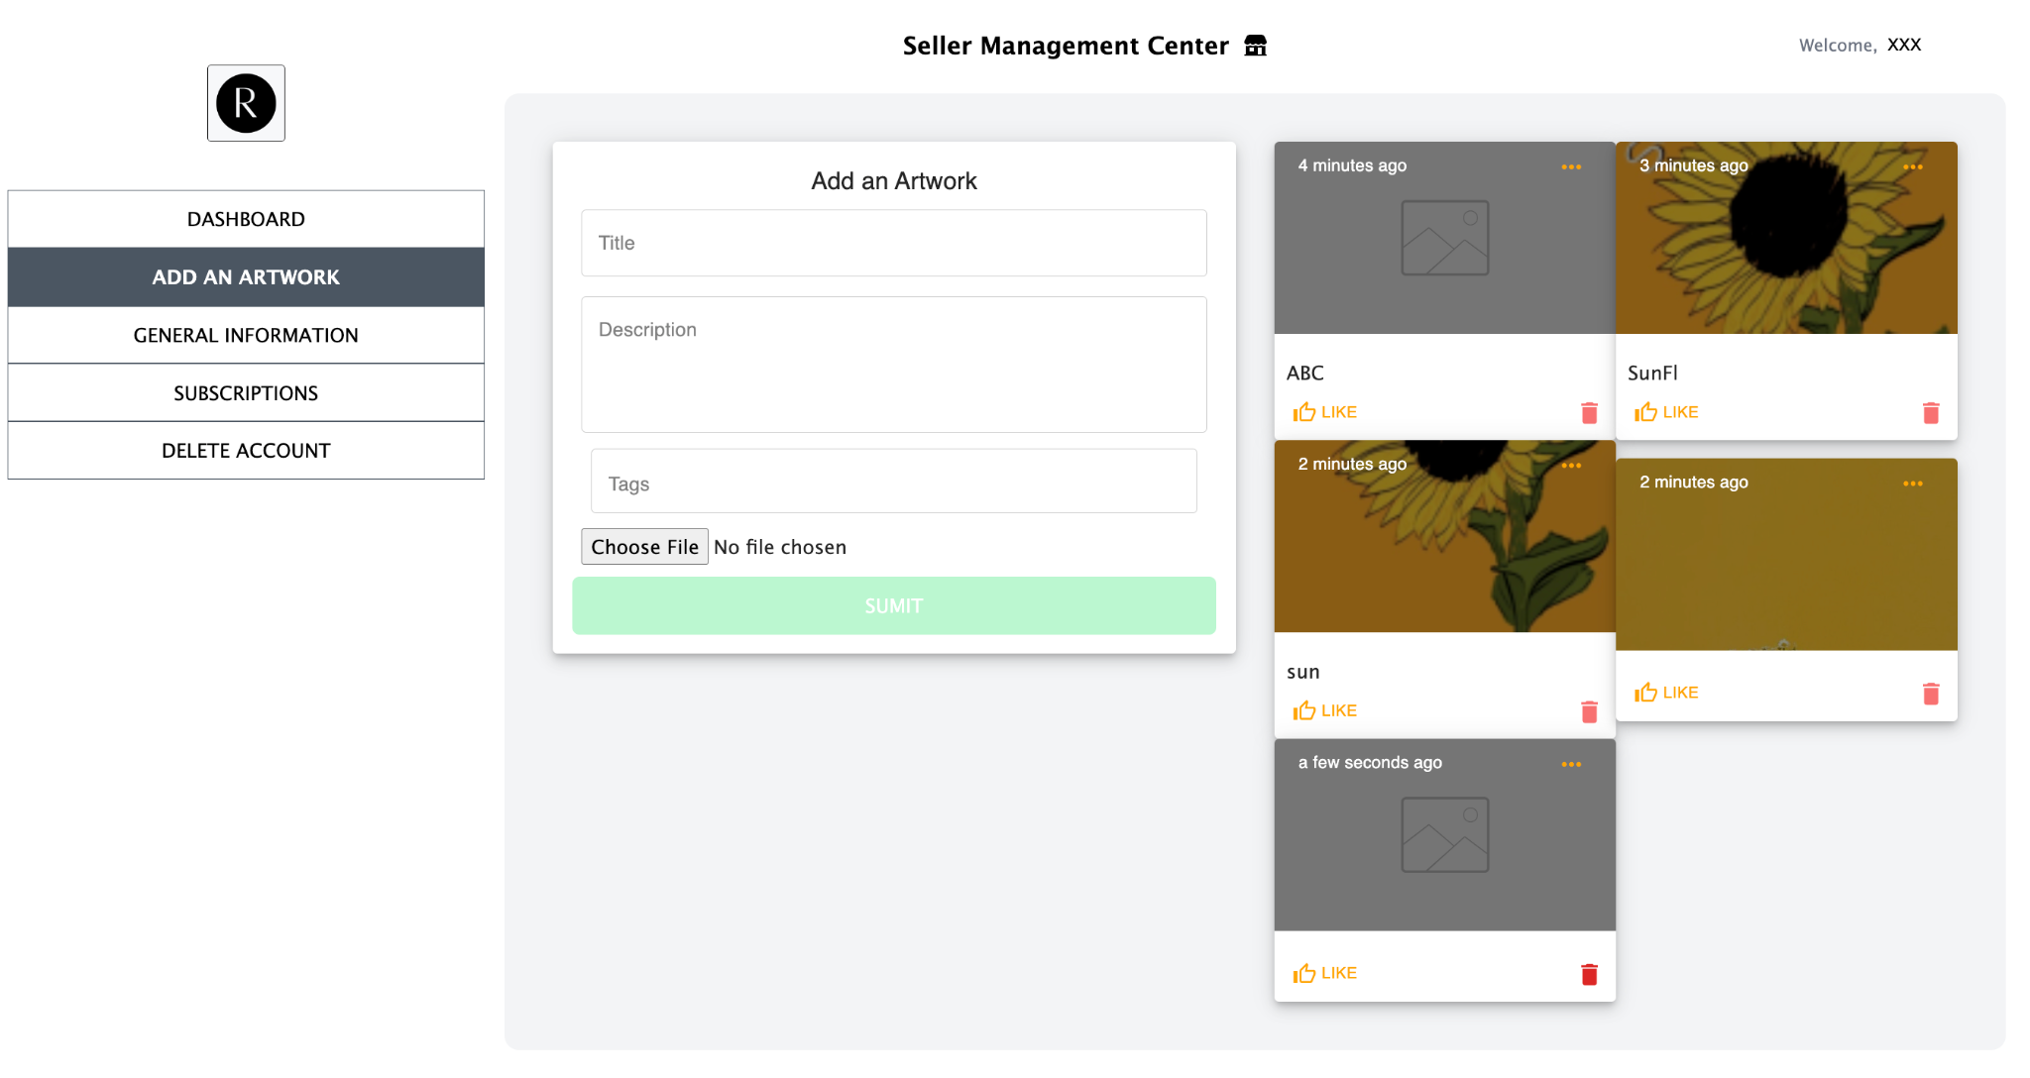

Use Case
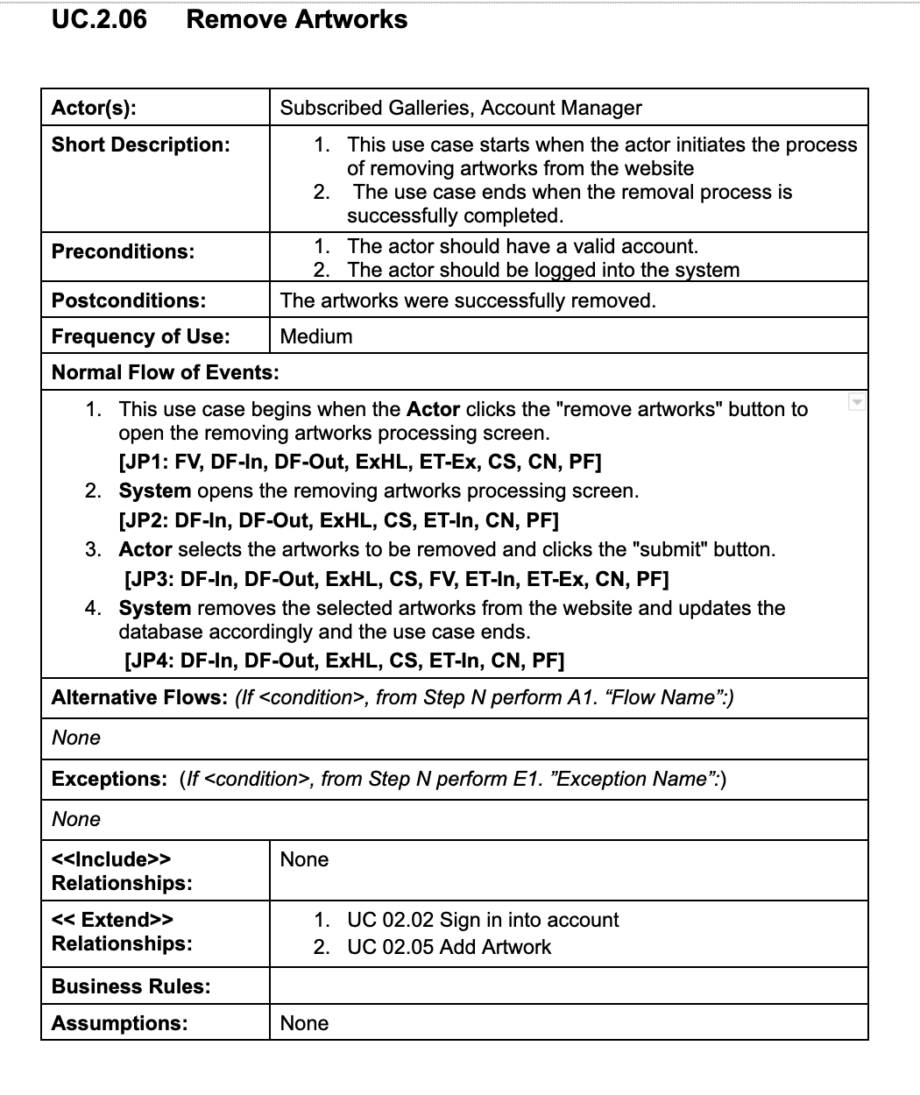

Test Case 4
TC Title: | TC4. Remove Artwork - Core Functionality & Data Flow In

TC Objective: | This test case validates core functionality and the data flow into the feature - On one hand, If the account has paid for a subscription plan, it will has the permission to execute this feature. If not, then it cannot. Hence the data flow from 02.11 into this feature. On the other hand, if the account used to has a subscription plan, but no longer has, then it will not allowed to execute this feature, hence the data flow from 02.12 into this feature. Besides, the feature is only available when an artwork exists, hence the data flow in from 02.05

Data Flow Diagram | 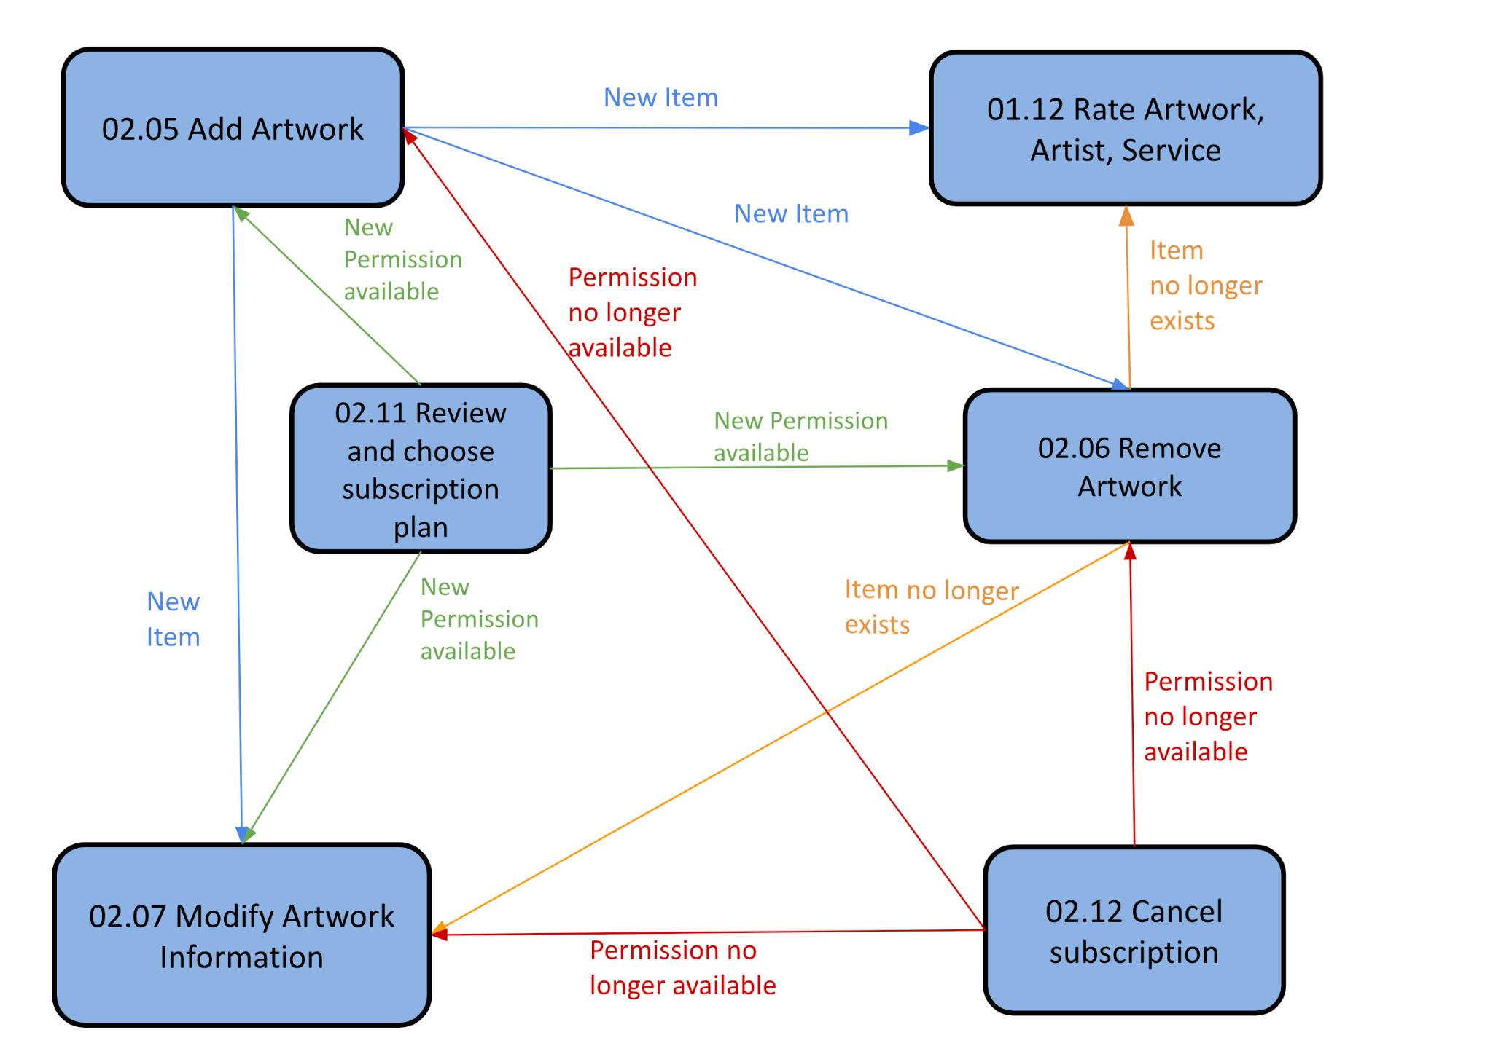

TC Description
 | Step | Step Description | Expected Results | Notes
 | 1 | Sign in as a unsubscribed gallery
 | 2 | Choose an Artwork and Click the trashbin symbol | Symbol is present but click in raise Error Massage "No permission" | Gallery without a subcription plan has no permission to execute feature 02.06
 | 3 | Go to review and choose subscription plan and pay for a subscription Plan | Success Message
 | 4 | Choose an Artwork from step 2 and Click the trashbin symbol | Symbol is present Click in raise No Error Massage, Artwork get removed from system | Gallery with a subcription plan has permission to execute feature 02.06 DF-In 02.11 -> 02.06
 | 5 | Find ADD AN ARTWORK button in Seller Management Center Banner Click button | Button is present Click button leads to Add An Artwork page where user can enter information for new artwork
 | 6 | Enter information for the new artwork | New artwork added to system
 | 7 | Find ADD AN ARTWORK button in Seller Management Center Banner Click button | Button is present Click button leads to Add An Artwork page where user can enter information for new artwork
 | 8 | Enter information for the new artwork | New artwork added to system
 | 9 | Choose an Artwork from step 6 and Click the trashbin symbol | Symbol is present Click in raise No Error Massage, Artwork get removed from system | Artwork from Add an Artwork feature will be available for removing DF-In 02.05 -> 02.06
 | 10 | Go to Cancel subscription plan and click cancel | Success Message
 | 11 | Choose an Artwork from step 8 and Click the trashbin symbol | Symbol is present but click in raise Error Massage "No permission" | Gallery without a subcription plan has no permission to execute feature 02.06 DF-In 02.12 -> 02.06

