Sheet2
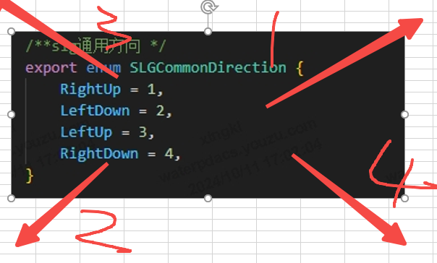

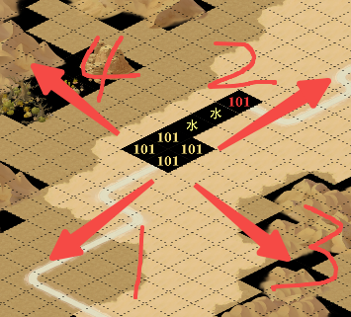
 | 集结点坐标 按y轴从上到下，如果y轴相同从左到右

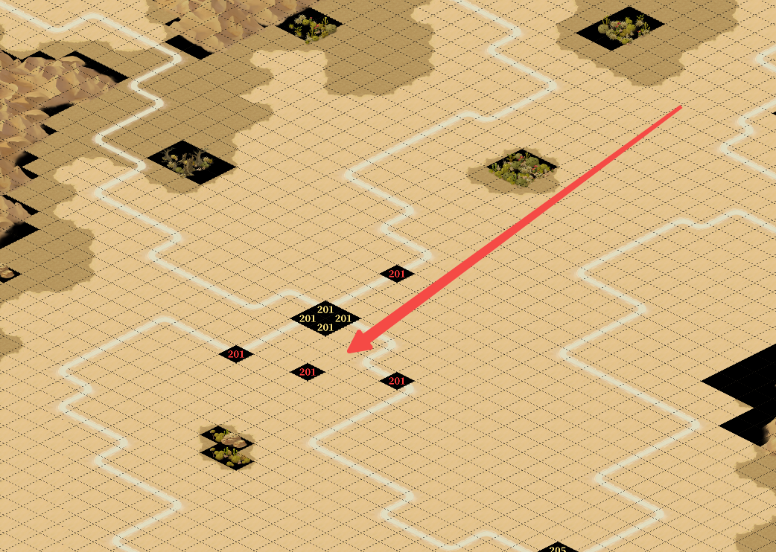

 |  |  |  | boss_0101 |  | boss_0102 | boss_0103
等级 | 阵营1 | 阵营2 | 阵营3 | boss_0201 |  | boss_0202 | boss_0203
1 | 1 | 2 | 3 | boss_0301 |  | boss_0302 | boss_0303
2 | 4 | 5 | 6
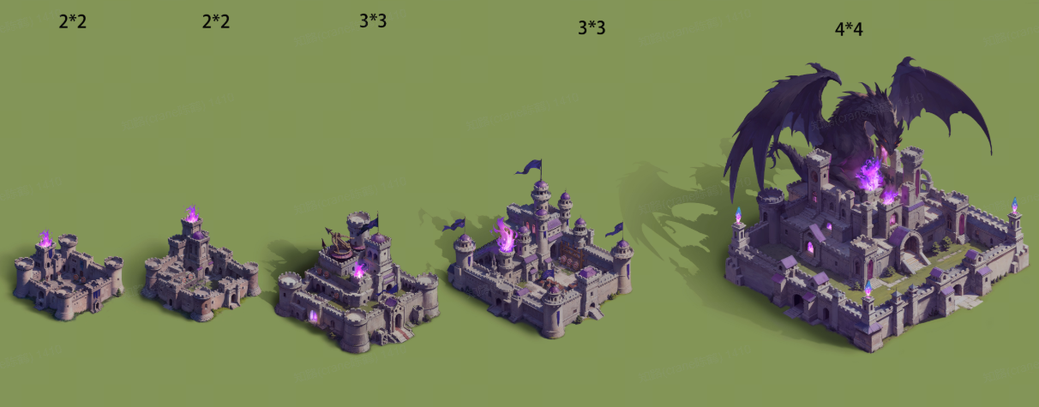
3 | 7 | 8 | 9
4 | 10 | 11 | 12
5 | 13 | 14 | 15
6 | 16 | 17 | 18
7 | 19 | 20 | 21
8 | 22 | 23 | 24
9 | 25 | 26 | 27 |  | 1*1 2*2 2*2
10 | 28 | 29 | 30
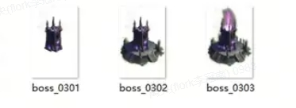
11 | 31 | 32 | 33
12 | 34 | 35 | 36
13 | 37 | 38 | 39
14 | 40 | 41 | 42
15 | 43 | 44 | 45
1 | 46 | 47 | 48
2 | 49 | 50 | 51
3 | 52 | 53 | 54
4 | 55 | 56 | 57
5 | 58 | 59 | 60
6 | 61 | 62 | 63
7 | 64 | 65 | 66
8 | 67 | 68 | 69
9 | 70 | 71 | 72
10 | 73 | 74 | 75
11 | 76 | 77 | 78
12 | 79 | 80 | 81
13 | 82 | 83 | 84
14 | 85 | 86 | 87
15 | 88 | 89 | 90
1 | 91 | 92 | 93 |  |  |  |  | city_0401 city_0402 city_0501 city_0502 city_0601
2 | 94 | 95 | 96
3 | 97 | 98 | 99
4 | 100 | 101 | 102
5 | 103 | 104 | 105
6 | 106 | 107 | 108
7 | 109 | 110 | 111
8 | 112 | 113 | 114
9 | 115 | 116 | 117
10 | 118 | 119 | 120
11 | 121 | 122 | 123
12 | 124 | 125 | 126
13 | 127 | 128 | 129
14 | 130 | 131 | 132
15 | 133 | 134 | 135
1 | 136 | 137 | 138
2 | 139 | 140 | 141
3 | 142 | 143 | 144
4 | 145 | 146 | 147
5 | 148 | 149 | 150
6 | 151 | 152 | 153
7 | 154 | 155 | 156
8 | 157 | 158 | 159
9 | 160 | 161 | 162
10 | 163 | 164 | 165
11 | 166 | 167 | 168
12 | 169 | 170 | 171
13 | 172 | 173 | 174
14 | 175 | 176 | 177
15 | 178 | 179 | 180

