Sheet1
Aquifer | Water_use | Description | Trend_table_by_site | Notes_Observations | Drinking_tbl_1 | tbl1_notes_obs | Drinking_tbl_2 | tbl2_notes_obs | Drinking_tbl_3 | tbl3_notes_obs | Piper_Plot | piper_notes_obs
Elk City | 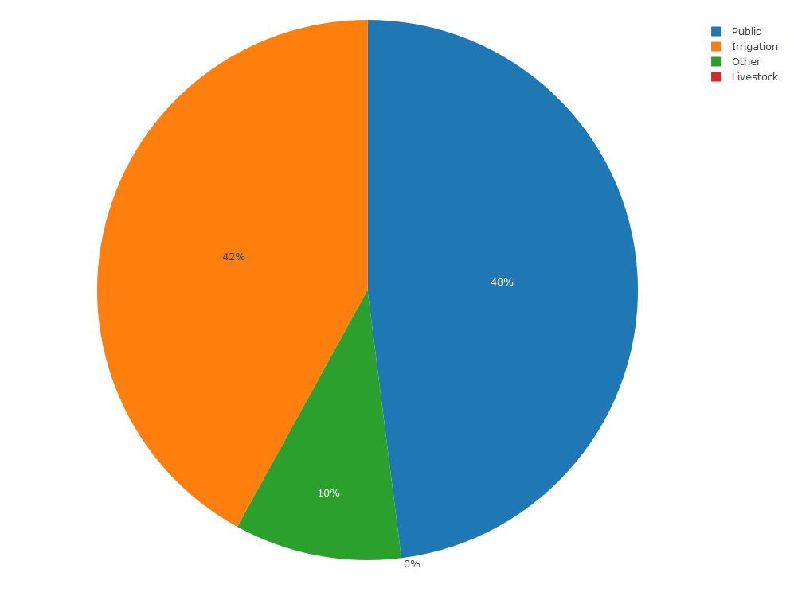 | The Elk City Aquifer underlies parts of Beckham, Custer, Roger Mills, and Washita Counties in western Oklahoma and covers 519 square miles. The mean annual water use was 2,314 acre ft from 1967-2018, corresponding to roughly 2.1 million gallons per day (Wagner et al. 2021). The majority of water pulled from the aquifer is used for public water and irrigation (see below). |  | Over the last 10 years, there has been a statistically significant increase in water level in continuous water level recorder site 20880, with an increase of approximately 0.6 ft/yr | 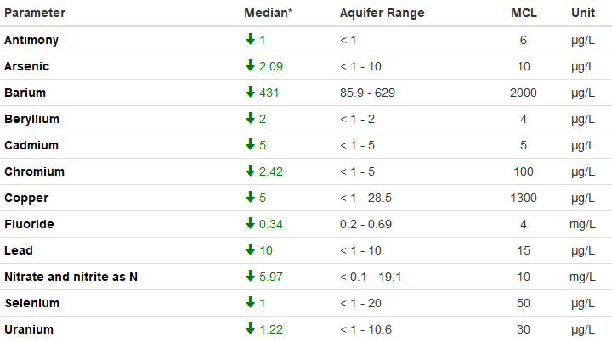 | No median aquifer concentrations of EPA primary contaminants exceed their MCL's, but some individual wells meet or exceed MCL's for arsenic, cadmium, and nitrate/nitrite. | 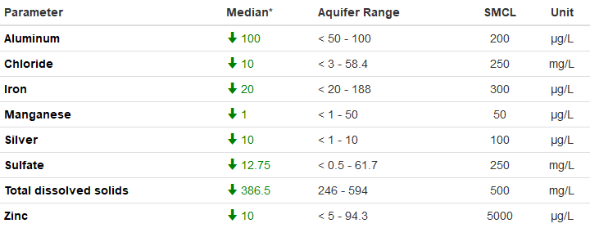 | No median aquifer concentrations of EPA secondary contaminants exceed their MCL's, but some individual wells meet or exceed MCL's for total dissolved solids (TDS) and mananese. | 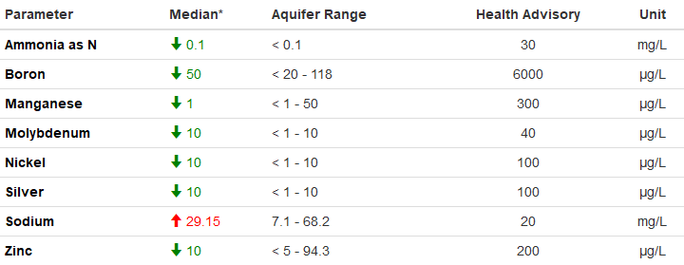 | Median sodium concentrations for the Elk City Aquifer exceed EPA health advisory concentrations. No other contaminants meet or exceed health advisory concentrations. | 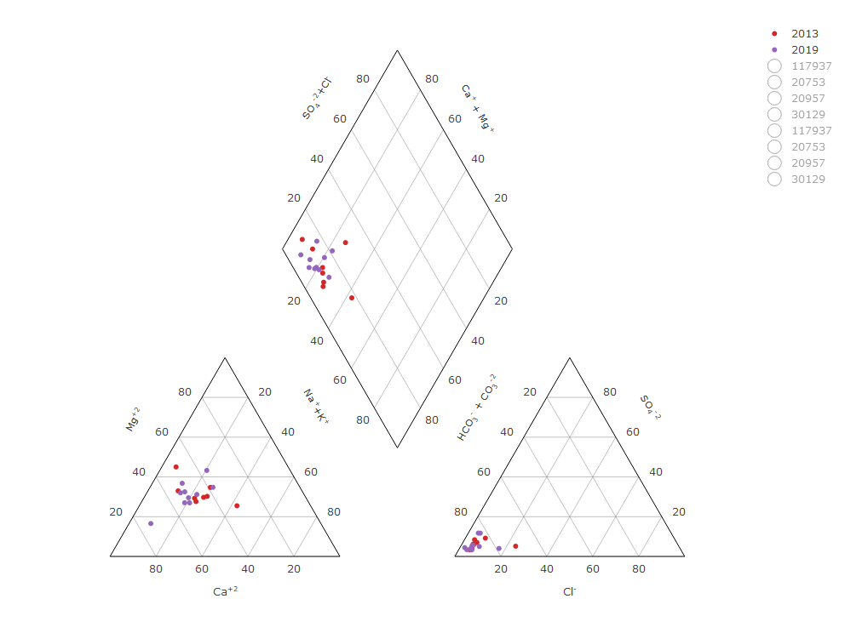 | Most samples in both 2013 and 2019 indicate a calcium magnesium bicarbonate water type, with almost equal amounts of calcium and magnesium.

