Merging
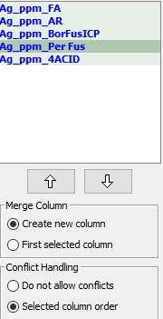
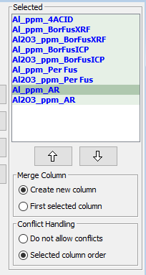
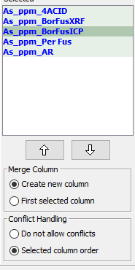
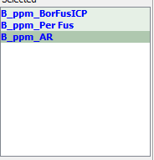
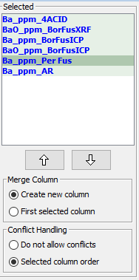
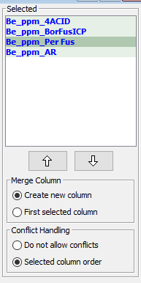
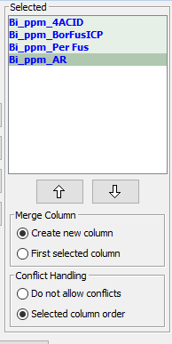
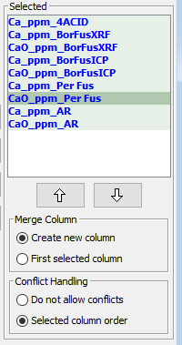
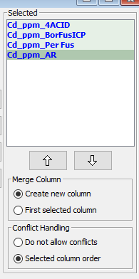
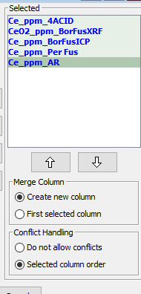
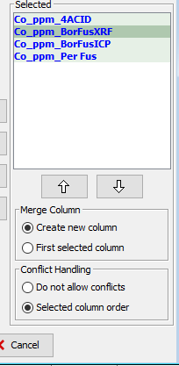
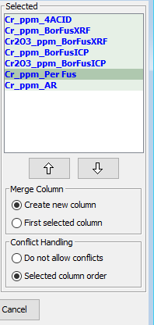
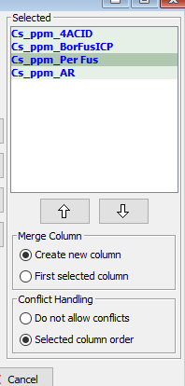
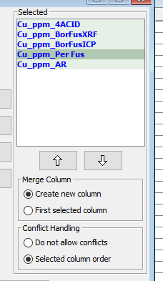
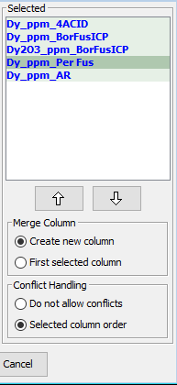
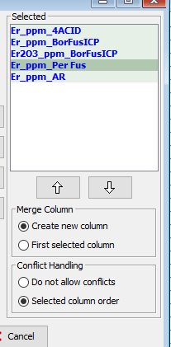
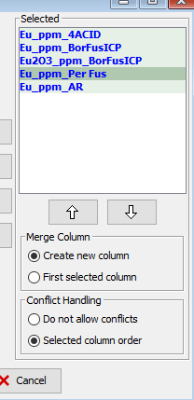
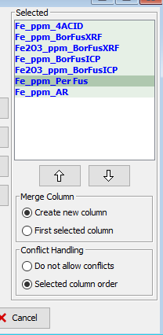
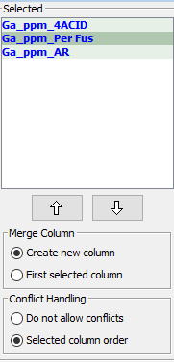
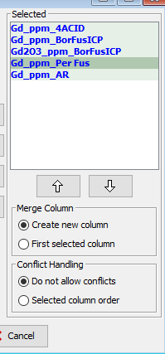
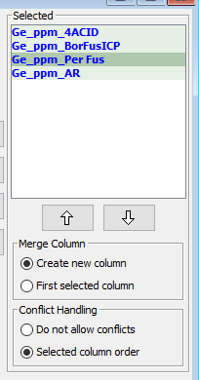
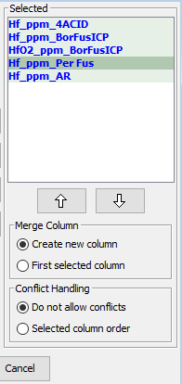
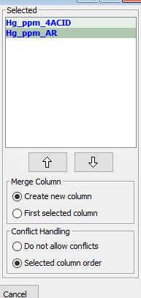
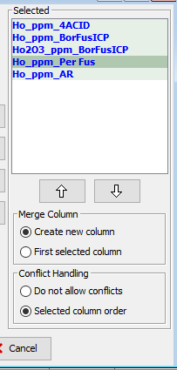
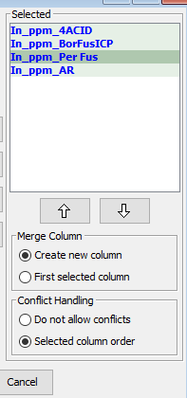
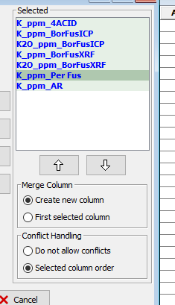
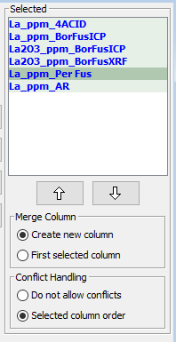
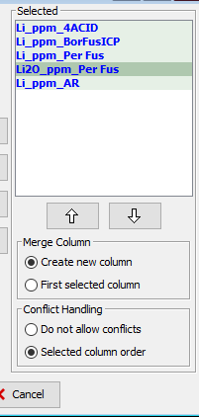
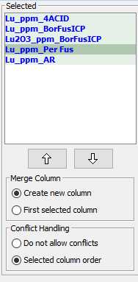
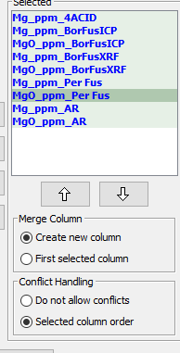
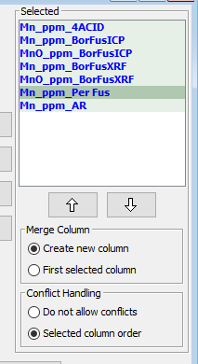
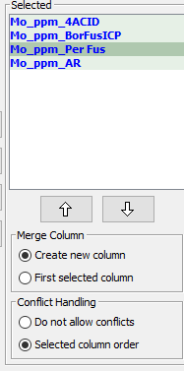
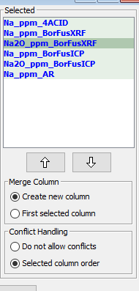
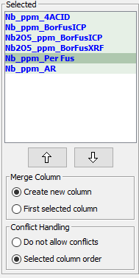
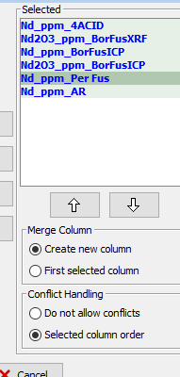
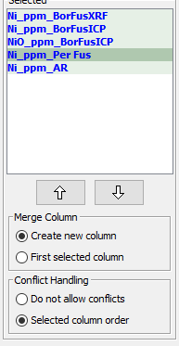
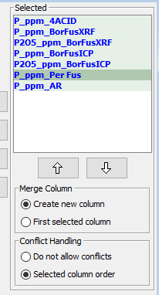
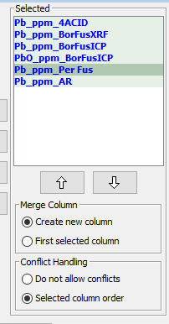
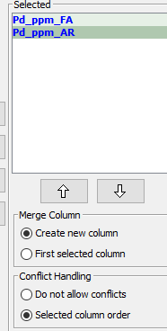

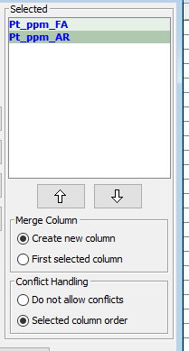
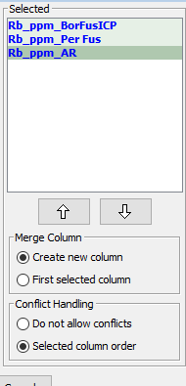
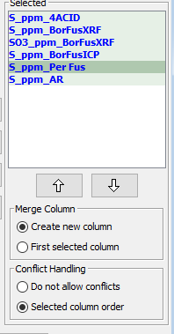
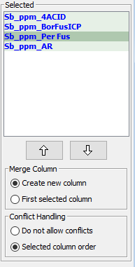
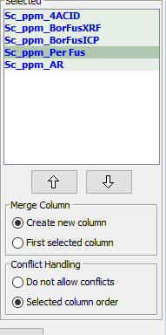
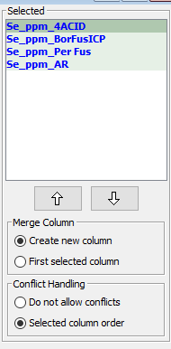
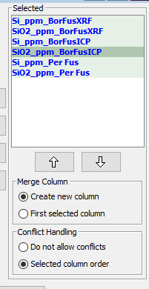
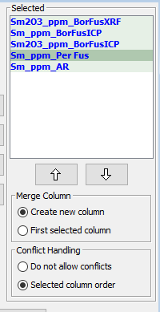
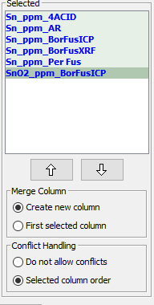
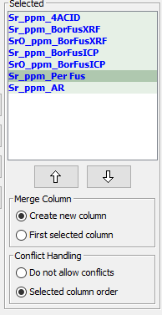
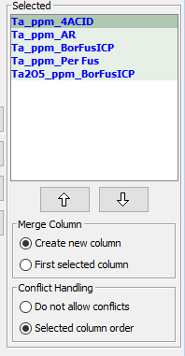












occurrences | ALL ASSAY METHODS OREAS | Ag | Al | As | B | Ba | Be | Bi | Ca | Cd | Ce | Co | Cr | Cs | Cu | Dy | Er | Eu | Fe | Ga | Gd | Ge | Hf | Hg | Ho | In | K | La | Li | Lu | Mg | Mn | Mo | Na | Nb | Nd | Ni | P | Pb | Pd | Pr | Pt | Rb | S | Sb | Sc | Se | Si | Sm | Sn | Sr | Ta | Tb | Te | Th | Ti | Tl | Tm | U | V | W | Y | Yb | Zn | Zr | Au | Cl | Ir | Re | Rh | Ru
13060 | '4-Acid Digestion' |  |  |  |  |  |  |  |  |  |  |  |  |  |  |  |  |  |  |  |  |  |  |  |  |  |  |  |  |  |  |  |  |  |  |  |  |  |  |  |  |  |  |  |  |  |  |  |  |  |  |  |  |  |  |  |  |  |  |  |  |  |  |  | (not included in original sheet) | (not included in original sheet) | (not included in original sheet) | (not included in original sheet) | (not included in original sheet) | (not included in original sheet) | (not included in original sheet)
94 | '3-Acid Digestion (no HF)'
66 | 'Acid Digestion (no HF)'
387 | 'Pb Fire Assay'
45 | 'NiS Fire Assay'
5 | 'Pb Fire Assay (Grav)'
4 | 'Pb/NiS Fire Assay'
1 | 'Pb Fire Assay (full corrections)'
1328 | 'Borate Fusion XRF'
41 | 'Oxidising Fusion XRF'
9 | 'Pressed Powder Pellet XRF'
3005 | 'Borate / Peroxide Fusion ICP'
2202 | 'Peroxide Fusion ICP'
9097 | 'Aqua Regia Digestion'
539 | 'Aqua Regia Digestion (sample weights 0.15-50g)'
93 | 'Aqua Regia Digestion (sample weights 10-50g)'
192 | 'Infrared Combustion'
104 | 'Thermogravimetry'
43 | 'Cyanide Leach'
38 | 'Gas / Liquid Pycnometry'
24 | 'Sulphuric Acid 5% Leach'
21 | 'PhotonAssay'
14 | 'Classical Wet Chemistry'
10 | 'Sulphuric Acid 10% Leach' | ANALYSIS METHOD PRIORITY ORDER | ANALYSIS METHOD PRIORITY ORDER | ANALYSIS METHOD PRIORITY ORDER | ANALYSIS METHOD PRIORITY ORDER | ANALYSIS METHOD PRIORITY ORDER | ANALYSIS METHOD PRIORITY ORDER | ANALYSIS METHOD PRIORITY ORDER | ANALYSIS METHOD PRIORITY ORDER | ANALYSIS METHOD PRIORITY ORDER | ANALYSIS METHOD PRIORITY ORDER | ANALYSIS METHOD PRIORITY ORDER | ANALYSIS METHOD PRIORITY ORDER | ANALYSIS METHOD PRIORITY ORDER | ANALYSIS METHOD PRIORITY ORDER | ANALYSIS METHOD PRIORITY ORDER | ANALYSIS METHOD PRIORITY ORDER | ANALYSIS METHOD PRIORITY ORDER | ANALYSIS METHOD PRIORITY ORDER | ANALYSIS METHOD PRIORITY ORDER | ANALYSIS METHOD PRIORITY ORDER | ANALYSIS METHOD PRIORITY ORDER | ANALYSIS METHOD PRIORITY ORDER | ANALYSIS METHOD PRIORITY ORDER | ANALYSIS METHOD PRIORITY ORDER | ANALYSIS METHOD PRIORITY ORDER | ANALYSIS METHOD PRIORITY ORDER | ANALYSIS METHOD PRIORITY ORDER | ANALYSIS METHOD PRIORITY ORDER | ANALYSIS METHOD PRIORITY ORDER | ANALYSIS METHOD PRIORITY ORDER | ANALYSIS METHOD PRIORITY ORDER | ANALYSIS METHOD PRIORITY ORDER | ANALYSIS METHOD PRIORITY ORDER | ANALYSIS METHOD PRIORITY ORDER | ANALYSIS METHOD PRIORITY ORDER | ANALYSIS METHOD PRIORITY ORDER | ANALYSIS METHOD PRIORITY ORDER | ANALYSIS METHOD PRIORITY ORDER | ANALYSIS METHOD PRIORITY ORDER | ANALYSIS METHOD PRIORITY ORDER | ANALYSIS METHOD PRIORITY ORDER | ANALYSIS METHOD PRIORITY ORDER | ANALYSIS METHOD PRIORITY ORDER | ANALYSIS METHOD PRIORITY ORDER | ANALYSIS METHOD PRIORITY ORDER | ANALYSIS METHOD PRIORITY ORDER | ANALYSIS METHOD PRIORITY ORDER | ANALYSIS METHOD PRIORITY ORDER | ANALYSIS METHOD PRIORITY ORDER | ANALYSIS METHOD PRIORITY ORDER | ANALYSIS METHOD PRIORITY ORDER | ANALYSIS METHOD PRIORITY ORDER | ANALYSIS METHOD PRIORITY ORDER | ANALYSIS METHOD PRIORITY ORDER | ANALYSIS METHOD PRIORITY ORDER | ANALYSIS METHOD PRIORITY ORDER | ANALYSIS METHOD PRIORITY ORDER | ANALYSIS METHOD PRIORITY ORDER | ANALYSIS METHOD PRIORITY ORDER | ANALYSIS METHOD PRIORITY ORDER | ANALYSIS METHOD PRIORITY ORDER | ANALYSIS METHOD PRIORITY ORDER | ANALYSIS METHOD PRIORITY ORDER | ANALYSIS METHOD PRIORITY ORDER | ANALYSIS METHOD PRIORITY ORDER | ANALYSIS METHOD PRIORITY ORDER | ANALYSIS METHOD PRIORITY ORDER | ANALYSIS METHOD PRIORITY ORDER | ANALYSIS METHOD PRIORITY ORDER | ANALYSIS METHOD PRIORITY ORDER
7 | 'Acid Digestion Titration' | 'Pb Fire Assay' | '4-Acid Digestion' | '4-Acid Digestion' | 'Borate / Peroxide Fusion ICP' | '4-Acid Digestion' | '4-Acid Digestion' | '4-Acid Digestion' | '4-Acid Digestion' | '4-Acid Digestion' | '4-Acid Digestion' | '4-Acid Digestion' | '4-Acid Digestion' | '4-Acid Digestion' | '4-Acid Digestion' | '4-Acid Digestion' | '4-Acid Digestion' | '4-Acid Digestion' | '4-Acid Digestion' | '4-Acid Digestion' | '4-Acid Digestion' | '4-Acid Digestion' | '4-Acid Digestion' | '4-Acid Digestion' | '4-Acid Digestion' | '4-Acid Digestion' | '4-Acid Digestion' | '4-Acid Digestion' | '4-Acid Digestion' | '4-Acid Digestion' | '4-Acid Digestion' | '4-Acid Digestion' | '4-Acid Digestion' | '4-Acid Digestion' | '4-Acid Digestion' | '4-Acid Digestion' | 'Borate Fusion XRF' | '4-Acid Digestion' | '4-Acid Digestion' | 'Pb Fire Assay' | '4-Acid Digestion' | 'Pb Fire Assay' | 'Borate / Peroxide Fusion ICP' | '4-Acid Digestion' | '4-Acid Digestion' | '4-Acid Digestion' | '4-Acid Digestion' | 'Borate Fusion XRF' | 'Borate Fusion XRF' | '4-Acid Digestion' | '4-Acid Digestion' | '4-Acid Digestion' | '4-Acid Digestion' | 'Peroxide Fusion ICP' | '4-Acid Digestion' | '4-Acid Digestion' | '4-Acid Digestion' | '4-Acid Digestion' | '4-Acid Digestion' | 'Borate Fusion XRF' | '4-Acid Digestion' | '4-Acid Digestion' | '4-Acid Digestion' | '4-Acid Digestion' | 4 acid? |  |  | fire assay? | fire assay? | fire assay?
2 | 'Satmagan 135' | 'NiS Fire Assay' | '3-Acid Digestion (no HF)' | '3-Acid Digestion (no HF)' | 'Peroxide Fusion ICP' | '3-Acid Digestion (no HF)' | '3-Acid Digestion (no HF)' | '3-Acid Digestion (no HF)' | '3-Acid Digestion (no HF)' | '3-Acid Digestion (no HF)' | '3-Acid Digestion (no HF)' | '3-Acid Digestion (no HF)' | '3-Acid Digestion (no HF)' | '3-Acid Digestion (no HF)' | '3-Acid Digestion (no HF)' | '3-Acid Digestion (no HF)' | '3-Acid Digestion (no HF)' | '3-Acid Digestion (no HF)' | '3-Acid Digestion (no HF)' | '3-Acid Digestion (no HF)' | '3-Acid Digestion (no HF)' | '3-Acid Digestion (no HF)' | '3-Acid Digestion (no HF)' | '3-Acid Digestion (no HF)' | '3-Acid Digestion (no HF)' | '3-Acid Digestion (no HF)' | '3-Acid Digestion (no HF)' | '3-Acid Digestion (no HF)' | '3-Acid Digestion (no HF)' | '3-Acid Digestion (no HF)' | '3-Acid Digestion (no HF)' | '3-Acid Digestion (no HF)' | '3-Acid Digestion (no HF)' | '3-Acid Digestion (no HF)' | '3-Acid Digestion (no HF)' | '3-Acid Digestion (no HF)' | 'Oxidising Fusion XRF' | '3-Acid Digestion (no HF)' | '3-Acid Digestion (no HF)' | 'NiS Fire Assay' | '3-Acid Digestion (no HF)' | 'NiS Fire Assay' | 'Peroxide Fusion ICP' | '3-Acid Digestion (no HF)' | '3-Acid Digestion (no HF)' | '3-Acid Digestion (no HF)' | '3-Acid Digestion (no HF)' | 'Oxidising Fusion XRF' | 'Oxidising Fusion XRF' | '3-Acid Digestion (no HF)' | '3-Acid Digestion (no HF)' | '3-Acid Digestion (no HF)' | '3-Acid Digestion (no HF)' | 'Borate / Peroxide Fusion ICP' | '3-Acid Digestion (no HF)' | '3-Acid Digestion (no HF)' | '3-Acid Digestion (no HF)' | '3-Acid Digestion (no HF)' | '3-Acid Digestion (no HF)' | 'Oxidising Fusion XRF' | '3-Acid Digestion (no HF)' | '3-Acid Digestion (no HF)' | '3-Acid Digestion (no HF)' | '3-Acid Digestion (no HF)' | icp
2 | 'Davis Tube Recovery' | 'Pb Fire Assay (Grav)' | 'Acid Digestion (no HF)' | 'Acid Digestion (no HF)' | 'Aqua Regia Digestion' | 'Acid Digestion (no HF)' | 'Acid Digestion (no HF)' | 'Acid Digestion (no HF)' | 'Acid Digestion (no HF)' | 'Acid Digestion (no HF)' | 'Acid Digestion (no HF)' | 'Acid Digestion (no HF)' | 'Acid Digestion (no HF)' | 'Acid Digestion (no HF)' | 'Acid Digestion (no HF)' | 'Acid Digestion (no HF)' | 'Acid Digestion (no HF)' | 'Acid Digestion (no HF)' | 'Acid Digestion (no HF)' | 'Acid Digestion (no HF)' | 'Acid Digestion (no HF)' | 'Acid Digestion (no HF)' | 'Acid Digestion (no HF)' | 'Acid Digestion (no HF)' | 'Acid Digestion (no HF)' | 'Acid Digestion (no HF)' | 'Acid Digestion (no HF)' | 'Acid Digestion (no HF)' | 'Acid Digestion (no HF)' | 'Acid Digestion (no HF)' | 'Acid Digestion (no HF)' | 'Acid Digestion (no HF)' | 'Acid Digestion (no HF)' | 'Acid Digestion (no HF)' | 'Acid Digestion (no HF)' | 'Acid Digestion (no HF)' | 'Pressed Powder Pellet XRF' | 'Acid Digestion (no HF)' | 'Acid Digestion (no HF)' | 'Pb Fire Assay (Grav)' | 'Acid Digestion (no HF)' | 'Pb Fire Assay (Grav)' | 'Aqua Regia Digestion' | 'Acid Digestion (no HF)' | 'Acid Digestion (no HF)' | 'Acid Digestion (no HF)' | 'Acid Digestion (no HF)' | 'Pressed Powder Pellet XRF' | 'Pressed Powder Pellet XRF' | 'Acid Digestion (no HF)' | 'Acid Digestion (no HF)' | 'Acid Digestion (no HF)' | 'Acid Digestion (no HF)' | 'Aqua Regia Digestion' | 'Acid Digestion (no HF)' | 'Acid Digestion (no HF)' | 'Acid Digestion (no HF)' | 'Acid Digestion (no HF)' | 'Acid Digestion (no HF)' | 'Pressed Powder Pellet XRF' | 'Acid Digestion (no HF)' | 'Acid Digestion (no HF)' | 'Acid Digestion (no HF)' | 'Acid Digestion (no HF)'
1 | 'Miscellaneous Assay Methods' | 'Pb/NiS Fire Assay' | 'Borate Fusion XRF' | 'Borate Fusion XRF' | 'Aqua Regia Digestion (sample weights 0.15-50g)' | 'Borate Fusion XRF' | 'Borate / Peroxide Fusion ICP' | 'Borate / Peroxide Fusion ICP' | 'Borate Fusion XRF' | 'Borate / Peroxide Fusion ICP' | 'Borate Fusion XRF' | 'Borate Fusion XRF' | 'Borate Fusion XRF' | 'Borate / Peroxide Fusion ICP' | 'Borate Fusion XRF' | 'Borate / Peroxide Fusion ICP' | 'Borate / Peroxide Fusion ICP' | 'Borate / Peroxide Fusion ICP' | 'Borate Fusion XRF' | 'Peroxide Fusion ICP' | 'Borate / Peroxide Fusion ICP' | 'Borate / Peroxide Fusion ICP' | 'Borate / Peroxide Fusion ICP' | 'Aqua Regia Digestion' | 'Borate / Peroxide Fusion ICP' | 'Borate / Peroxide Fusion ICP' | 'Borate / Peroxide Fusion ICP' | 'Borate / Peroxide Fusion ICP' | 'Borate / Peroxide Fusion ICP' | 'Borate / Peroxide Fusion ICP' | 'Borate / Peroxide Fusion ICP' | 'Borate / Peroxide Fusion ICP' | 'Borate / Peroxide Fusion ICP' | 'Borate Fusion XRF' | 'Borate / Peroxide Fusion ICP' | 'Borate Fusion XRF' | 'Borate / Peroxide Fusion ICP' | 'Borate Fusion XRF' | 'Borate Fusion XRF' | 'Pb/NiS Fire Assay' | 'Borate Fusion XRF' | 'Pb/NiS Fire Assay' | 'Aqua Regia Digestion (sample weights 0.15-50g)' | 'Borate Fusion XRF' | 'Borate / Peroxide Fusion ICP' | 'Borate Fusion XRF' | 'Borate / Peroxide Fusion ICP' | 'Borate / Peroxide Fusion ICP' | 'Borate / Peroxide Fusion ICP' | 'Aqua Regia Digestion' | 'Borate Fusion XRF' | 'Aqua Regia Digestion' | 'Borate / Peroxide Fusion ICP' | 'Aqua Regia Digestion (sample weights 0.15-50g)' | 'Borate Fusion XRF' | 'Borate Fusion XRF' | 'Borate / Peroxide Fusion ICP' | 'Borate / Peroxide Fusion ICP' | 'Borate Fusion XRF' | 'Borate / Peroxide Fusion ICP' | 'Borate Fusion XRF' | 'Borate Fusion XRF' | 'Borate / Peroxide Fusion ICP' | 'Borate Fusion XRF' | maybe aqua regia?
 |  | 'Pb Fire Assay (full corrections)' | 'Oxidising Fusion XRF' | 'Oxidising Fusion XRF' | 'Aqua Regia Digestion (sample weights 10-50g)' | 'Oxidising Fusion XRF' | 'Peroxide Fusion ICP' | 'Peroxide Fusion ICP' | 'Oxidising Fusion XRF' | 'Peroxide Fusion ICP' | 'Oxidising Fusion XRF' | 'Oxidising Fusion XRF' | 'Oxidising Fusion XRF' | 'Peroxide Fusion ICP' | 'Oxidising Fusion XRF' | 'Peroxide Fusion ICP' | 'Peroxide Fusion ICP' | 'Peroxide Fusion ICP' | 'Oxidising Fusion XRF' | 'Borate / Peroxide Fusion ICP' | 'Peroxide Fusion ICP' | 'Peroxide Fusion ICP' | 'Peroxide Fusion ICP' | 'Aqua Regia Digestion (sample weights 0.15-50g)' | 'Peroxide Fusion ICP' | 'Peroxide Fusion ICP' | 'Borate Fusion XRF' | 'Borate Fusion XRF' | 'Peroxide Fusion ICP' | 'Peroxide Fusion ICP' | 'Borate Fusion XRF' | 'Borate Fusion XRF' | 'Peroxide Fusion ICP' | 'Oxidising Fusion XRF' | 'Borate Fusion XRF' | 'Oxidising Fusion XRF' | 'Peroxide Fusion ICP' | 'Oxidising Fusion XRF' | 'Oxidising Fusion XRF' | 'Pb Fire Assay (full corrections)' | 'Oxidising Fusion XRF' | 'Pb Fire Assay (full corrections)' | 'Aqua Regia Digestion (sample weights 10-50g)' | 'Oxidising Fusion XRF' | 'Peroxide Fusion ICP' | 'Oxidising Fusion XRF' | 'Peroxide Fusion ICP' | 'Peroxide Fusion ICP' | 'Peroxide Fusion ICP' | 'Aqua Regia Digestion (sample weights 0.15-50g)' | 'Oxidising Fusion XRF' | 'Aqua Regia Digestion (sample weights 0.15-50g)' | 'Peroxide Fusion ICP' | 'Aqua Regia Digestion (sample weights 10-50g)' | 'Oxidising Fusion XRF' | 'Oxidising Fusion XRF' | 'Peroxide Fusion ICP' | 'Peroxide Fusion ICP' | 'Oxidising Fusion XRF' | 'Peroxide Fusion ICP' | 'Oxidising Fusion XRF' | 'Oxidising Fusion XRF' | 'Peroxide Fusion ICP' | 'Oxidising Fusion XRF'
 |  | 'Aqua Regia Digestion' | 'Pressed Powder Pellet XRF' | 'Pressed Powder Pellet XRF' |  | 'Pressed Powder Pellet XRF' | 'Aqua Regia Digestion' | 'Aqua Regia Digestion' | 'Pressed Powder Pellet XRF' | 'Aqua Regia Digestion' | 'Pressed Powder Pellet XRF' | 'Pressed Powder Pellet XRF' | 'Pressed Powder Pellet XRF' | 'Aqua Regia Digestion' | 'Pressed Powder Pellet XRF' | 'Aqua Regia Digestion' | 'Aqua Regia Digestion' | 'Aqua Regia Digestion' | 'Pressed Powder Pellet XRF' | 'Aqua Regia Digestion' | 'Aqua Regia Digestion' | 'Aqua Regia Digestion' | 'Aqua Regia Digestion' | 'Aqua Regia Digestion (sample weights 10-50g)' | 'Aqua Regia Digestion' | 'Aqua Regia Digestion' | 'Oxidising Fusion XRF' | 'Oxidising Fusion XRF' | 'Aqua Regia Digestion' | 'Aqua Regia Digestion' | 'Oxidising Fusion XRF' | 'Oxidising Fusion XRF' | 'Aqua Regia Digestion' | 'Pressed Powder Pellet XRF' | 'Oxidising Fusion XRF' | 'Pressed Powder Pellet XRF' | 'Aqua Regia Digestion' | 'Pressed Powder Pellet XRF' | 'Pressed Powder Pellet XRF' | 'Aqua Regia Digestion' | 'Pressed Powder Pellet XRF' | 'Aqua Regia Digestion' |  | 'Pressed Powder Pellet XRF' | 'Aqua Regia Digestion' | 'Pressed Powder Pellet XRF' | 'Aqua Regia Digestion' |  | 'Aqua Regia Digestion' | 'Aqua Regia Digestion (sample weights 10-50g)' | 'Pressed Powder Pellet XRF' | 'Aqua Regia Digestion (sample weights 10-50g)' | 'Aqua Regia Digestion' |  | 'Pressed Powder Pellet XRF' | 'Pressed Powder Pellet XRF' | 'Aqua Regia Digestion' | 'Aqua Regia Digestion' | 'Pressed Powder Pellet XRF' | 'Aqua Regia Digestion' | 'Pressed Powder Pellet XRF' | 'Pressed Powder Pellet XRF' | 'Aqua Regia Digestion' | 'Pressed Powder Pellet XRF'
 |  | 'Aqua Regia Digestion (sample weights 0.15-50g)' | 'Borate / Peroxide Fusion ICP' | 'Borate / Peroxide Fusion ICP' |  | 'Borate / Peroxide Fusion ICP' | 'Aqua Regia Digestion (sample weights 0.15-50g)' | 'Aqua Regia Digestion (sample weights 0.15-50g)' | 'Borate / Peroxide Fusion ICP' | 'Aqua Regia Digestion (sample weights 0.15-50g)' | 'Borate / Peroxide Fusion ICP' | 'Borate / Peroxide Fusion ICP' | 'Borate / Peroxide Fusion ICP' | 'Aqua Regia Digestion (sample weights 0.15-50g)' | 'Borate / Peroxide Fusion ICP' | 'Aqua Regia Digestion (sample weights 0.15-50g)' | 'Aqua Regia Digestion (sample weights 0.15-50g)' | 'Aqua Regia Digestion (sample weights 0.15-50g)' | 'Borate / Peroxide Fusion ICP' | 'Aqua Regia Digestion (sample weights 0.15-50g)' | 'Aqua Regia Digestion (sample weights 0.15-50g)' | 'Aqua Regia Digestion (sample weights 0.15-50g)' | 'Aqua Regia Digestion (sample weights 0.15-50g)' |  | 'Aqua Regia Digestion (sample weights 0.15-50g)' | 'Aqua Regia Digestion (sample weights 0.15-50g)' | 'Pressed Powder Pellet XRF' | 'Pressed Powder Pellet XRF' | 'Aqua Regia Digestion (sample weights 0.15-50g)' | 'Aqua Regia Digestion (sample weights 0.15-50g)' | 'Pressed Powder Pellet XRF' | 'Pressed Powder Pellet XRF' | 'Aqua Regia Digestion (sample weights 0.15-50g)' | 'Borate / Peroxide Fusion ICP' | 'Pressed Powder Pellet XRF' | 'Borate / Peroxide Fusion ICP' | 'Aqua Regia Digestion (sample weights 0.15-50g)' | 'Borate / Peroxide Fusion ICP' | 'Borate / Peroxide Fusion ICP' | 'Aqua Regia Digestion (sample weights 0.15-50g)' | 'Borate / Peroxide Fusion ICP' | 'Aqua Regia Digestion (sample weights 0.15-50g)' |  | 'Borate / Peroxide Fusion ICP' | 'Aqua Regia Digestion (sample weights 0.15-50g)' | 'Borate / Peroxide Fusion ICP' | 'Aqua Regia Digestion (sample weights 0.15-50g)' |  | 'Aqua Regia Digestion (sample weights 0.15-50g)' | 'Borate / Peroxide Fusion ICP' | 'Borate / Peroxide Fusion ICP' | 'Borate / Peroxide Fusion ICP' | 'Aqua Regia Digestion (sample weights 0.15-50g)' |  | 'Borate / Peroxide Fusion ICP' | 'Borate / Peroxide Fusion ICP' | 'Aqua Regia Digestion (sample weights 0.15-50g)' | 'Aqua Regia Digestion (sample weights 0.15-50g)' | 'Borate / Peroxide Fusion ICP' | 'Aqua Regia Digestion (sample weights 0.15-50g)' | 'Borate / Peroxide Fusion ICP' | 'Borate / Peroxide Fusion ICP' | 'Aqua Regia Digestion (sample weights 0.15-50g)' | 'Borate / Peroxide Fusion ICP'
 |  | 'Aqua Regia Digestion (sample weights 10-50g)' | 'Peroxide Fusion ICP' | 'Peroxide Fusion ICP' | '4-Acid Digestion' | 'Peroxide Fusion ICP' | 'Aqua Regia Digestion (sample weights 10-50g)' | 'Aqua Regia Digestion (sample weights 10-50g)' | 'Peroxide Fusion ICP' | 'Aqua Regia Digestion (sample weights 10-50g)' | 'Peroxide Fusion ICP' | 'Peroxide Fusion ICP' | 'Peroxide Fusion ICP' | 'Aqua Regia Digestion (sample weights 10-50g)' | 'Peroxide Fusion ICP' | 'Aqua Regia Digestion (sample weights 10-50g)' | 'Aqua Regia Digestion (sample weights 10-50g)' | 'Aqua Regia Digestion (sample weights 10-50g)' | 'Peroxide Fusion ICP' | 'Aqua Regia Digestion (sample weights 10-50g)' | 'Aqua Regia Digestion (sample weights 10-50g)' | 'Aqua Regia Digestion (sample weights 10-50g)' | 'Aqua Regia Digestion (sample weights 10-50g)' |  | 'Aqua Regia Digestion (sample weights 10-50g)' | 'Aqua Regia Digestion (sample weights 10-50g)' | 'Peroxide Fusion ICP' | 'Peroxide Fusion ICP' | 'Aqua Regia Digestion (sample weights 10-50g)' | 'Aqua Regia Digestion (sample weights 10-50g)' | 'Peroxide Fusion ICP' | 'Peroxide Fusion ICP' | 'Aqua Regia Digestion (sample weights 10-50g)' | 'Peroxide Fusion ICP' | 'Peroxide Fusion ICP' | 'Peroxide Fusion ICP' | 'Aqua Regia Digestion (sample weights 10-50g)' | 'Peroxide Fusion ICP' | 'Peroxide Fusion ICP' | 'Aqua Regia Digestion (sample weights 10-50g)' | 'Peroxide Fusion ICP' | 'Aqua Regia Digestion (sample weights 10-50g)' | '4-Acid Digestion' | 'Peroxide Fusion ICP' | 'Aqua Regia Digestion (sample weights 10-50g)' | 'Peroxide Fusion ICP' | 'Aqua Regia Digestion (sample weights 10-50g)' | '4-Acid Digestion' | 'Aqua Regia Digestion (sample weights 10-50g)' | 'Borate Fusion XRF' | 'Peroxide Fusion ICP' | 'Peroxide Fusion ICP' | 'Aqua Regia Digestion (sample weights 10-50g)' | '4-Acid Digestion' | 'Peroxide Fusion ICP' | 'Peroxide Fusion ICP' | 'Aqua Regia Digestion (sample weights 10-50g)' | 'Aqua Regia Digestion (sample weights 10-50g)' | 'Peroxide Fusion ICP' | 'Aqua Regia Digestion (sample weights 10-50g)' | 'Peroxide Fusion ICP' | 'Peroxide Fusion ICP' | 'Aqua Regia Digestion (sample weights 10-50g)' | 'Peroxide Fusion ICP'
 |  | 'Borate / Peroxide Fusion ICP' | 'Aqua Regia Digestion' | 'Aqua Regia Digestion' | '3-Acid Digestion (no HF)' | 'Aqua Regia Digestion' |  |  | 'Aqua Regia Digestion' |  | 'Aqua Regia Digestion' |  | 'Aqua Regia Digestion' |  | 'Aqua Regia Digestion' |  |  |  | 'Aqua Regia Digestion' |  |  |  |  | 'Pb Fire Assay' |  |  | 'Aqua Regia Digestion' | 'Aqua Regia Digestion' |  |  | 'Aqua Regia Digestion' | 'Aqua Regia Digestion' |  | 'Aqua Regia Digestion' | 'Aqua Regia Digestion' | 'Aqua Regia Digestion' |  | 'Aqua Regia Digestion' | 'Aqua Regia Digestion' |  | 'Aqua Regia Digestion' |  | '3-Acid Digestion (no HF)' | 'Aqua Regia Digestion' |  | 'Aqua Regia Digestion' |  | '3-Acid Digestion (no HF)' |  | 'Oxidising Fusion XRF' | 'Aqua Regia Digestion' |  |  | '3-Acid Digestion (no HF)' | 'Aqua Regia Digestion' | 'Aqua Regia Digestion' |  |  | 'Aqua Regia Digestion' |  | 'Aqua Regia Digestion' | 'Aqua Regia Digestion' |  | 'Aqua Regia Digestion'
 |  | 'Peroxide Fusion ICP' | 'Aqua Regia Digestion (sample weights 0.15-50g)' | 'Aqua Regia Digestion (sample weights 0.15-50g)' | 'Acid Digestion (no HF)' | 'Aqua Regia Digestion (sample weights 0.15-50g)' |  |  | 'Aqua Regia Digestion (sample weights 0.15-50g)' |  | 'Aqua Regia Digestion (sample weights 0.15-50g)' |  | 'Aqua Regia Digestion (sample weights 0.15-50g)' |  | 'Aqua Regia Digestion (sample weights 0.15-50g)' |  |  |  | 'Aqua Regia Digestion (sample weights 0.15-50g)' |  |  |  |  | 'NiS Fire Assay' |  |  | 'Aqua Regia Digestion (sample weights 0.15-50g)' | 'Aqua Regia Digestion (sample weights 0.15-50g)' |  |  | 'Aqua Regia Digestion (sample weights 0.15-50g)' | 'Aqua Regia Digestion (sample weights 0.15-50g)' |  | 'Aqua Regia Digestion (sample weights 0.15-50g)' | 'Aqua Regia Digestion (sample weights 0.15-50g)' | 'Aqua Regia Digestion (sample weights 0.15-50g)' |  | 'Aqua Regia Digestion (sample weights 0.15-50g)' | 'Aqua Regia Digestion (sample weights 0.15-50g)' |  | 'Aqua Regia Digestion (sample weights 0.15-50g)' |  | 'Acid Digestion (no HF)' | 'Aqua Regia Digestion (sample weights 0.15-50g)' |  | 'Aqua Regia Digestion (sample weights 0.15-50g)' |  | 'Acid Digestion (no HF)' |  | 'Pressed Powder Pellet XRF' | 'Aqua Regia Digestion (sample weights 0.15-50g)' |  |  | 'Acid Digestion (no HF)' | 'Aqua Regia Digestion (sample weights 0.15-50g)' | 'Aqua Regia Digestion (sample weights 0.15-50g)' |  |  | 'Aqua Regia Digestion (sample weights 0.15-50g)' |  | 'Aqua Regia Digestion (sample weights 0.15-50g)' | 'Aqua Regia Digestion (sample weights 0.15-50g)' |  | 'Aqua Regia Digestion (sample weights 0.15-50g)'
 |  | '4-Acid Digestion' | 'Aqua Regia Digestion (sample weights 10-50g)' | 'Aqua Regia Digestion (sample weights 10-50g)' | 'Pb Fire Assay' | 'Aqua Regia Digestion (sample weights 10-50g)' | 'Pb Fire Assay' | 'Pb Fire Assay' | 'Aqua Regia Digestion (sample weights 10-50g)' | 'Pb Fire Assay' | 'Aqua Regia Digestion (sample weights 10-50g)' | 'Pb Fire Assay' | 'Aqua Regia Digestion (sample weights 10-50g)' | 'Pb Fire Assay' | 'Aqua Regia Digestion (sample weights 10-50g)' | 'Pb Fire Assay' | 'Pb Fire Assay' | 'Pb Fire Assay' | 'Aqua Regia Digestion (sample weights 10-50g)' | 'Pb Fire Assay' | 'Pb Fire Assay' | 'Pb Fire Assay' | 'Pb Fire Assay' | 'Pb Fire Assay (Grav)' | 'Pb Fire Assay' | 'Pb Fire Assay' | 'Aqua Regia Digestion (sample weights 10-50g)' | 'Aqua Regia Digestion (sample weights 10-50g)' | 'Pb Fire Assay' | 'Pb Fire Assay' | 'Aqua Regia Digestion (sample weights 10-50g)' | 'Aqua Regia Digestion (sample weights 10-50g)' | 'Pb Fire Assay' | 'Aqua Regia Digestion (sample weights 10-50g)' | 'Aqua Regia Digestion (sample weights 10-50g)' | 'Aqua Regia Digestion (sample weights 10-50g)' | '4-Acid Digestion' | 'Aqua Regia Digestion (sample weights 10-50g)' | 'Aqua Regia Digestion (sample weights 10-50g)' | 'Borate Fusion XRF' | 'Aqua Regia Digestion (sample weights 10-50g)' | 'Borate Fusion XRF' | 'Pb Fire Assay' | 'Aqua Regia Digestion (sample weights 10-50g)' | 'Pb Fire Assay' | 'Aqua Regia Digestion (sample weights 10-50g)' | 'Pb Fire Assay' | 'Pb Fire Assay' | '4-Acid Digestion' | 'Peroxide Fusion ICP' | 'Aqua Regia Digestion (sample weights 10-50g)' | 'Pb Fire Assay' | 'Pb Fire Assay' | 'Pb Fire Assay' | 'Aqua Regia Digestion (sample weights 10-50g)' | 'Aqua Regia Digestion (sample weights 10-50g)' | 'Pb Fire Assay' | 'Pb Fire Assay' | 'Aqua Regia Digestion (sample weights 10-50g)' | '4-Acid Digestion' | 'Aqua Regia Digestion (sample weights 10-50g)' | 'Aqua Regia Digestion (sample weights 10-50g)' | 'Pb Fire Assay' | 'Aqua Regia Digestion (sample weights 10-50g)'
 |  | '3-Acid Digestion (no HF)' |  |  | 'NiS Fire Assay' |  | 'NiS Fire Assay' | 'NiS Fire Assay' |  | 'NiS Fire Assay' |  | 'NiS Fire Assay' |  | 'NiS Fire Assay' |  | 'NiS Fire Assay' | 'NiS Fire Assay' | 'NiS Fire Assay' |  | 'NiS Fire Assay' | 'NiS Fire Assay' | 'NiS Fire Assay' | 'NiS Fire Assay' | 'Pb/NiS Fire Assay' | 'NiS Fire Assay' | 'NiS Fire Assay' |  |  | 'NiS Fire Assay' | 'NiS Fire Assay' |  |  | 'NiS Fire Assay' |  |  |  | '3-Acid Digestion (no HF)' |  |  | 'Oxidising Fusion XRF' |  | 'Oxidising Fusion XRF' | 'NiS Fire Assay' |  | 'NiS Fire Assay' |  | 'NiS Fire Assay' | 'NiS Fire Assay' | '3-Acid Digestion (no HF)' |  |  | 'NiS Fire Assay' | 'NiS Fire Assay' | 'NiS Fire Assay' |  |  | 'NiS Fire Assay' | 'NiS Fire Assay' |  | '3-Acid Digestion (no HF)' |  |  | 'NiS Fire Assay'
 |  | 'Acid Digestion (no HF)' |  |  | 'Pb Fire Assay (Grav)' |  | 'Pb Fire Assay (Grav)' | 'Pb Fire Assay (Grav)' |  | 'Pb Fire Assay (Grav)' |  | 'Pb Fire Assay (Grav)' |  | 'Pb Fire Assay (Grav)' |  | 'Pb Fire Assay (Grav)' | 'Pb Fire Assay (Grav)' | 'Pb Fire Assay (Grav)' |  | 'Pb Fire Assay (Grav)' | 'Pb Fire Assay (Grav)' | 'Pb Fire Assay (Grav)' | 'Pb Fire Assay (Grav)' | 'Pb Fire Assay (full corrections)' | 'Pb Fire Assay (Grav)' | 'Pb Fire Assay (Grav)' |  |  | 'Pb Fire Assay (Grav)' | 'Pb Fire Assay (Grav)' |  |  | 'Pb Fire Assay (Grav)' |  |  |  | 'Acid Digestion (no HF)' |  |  | 'Pressed Powder Pellet XRF' |  | 'Pressed Powder Pellet XRF' | 'Pb Fire Assay (Grav)' |  | 'Pb Fire Assay (Grav)' |  | 'Pb Fire Assay (Grav)' | 'Pb Fire Assay (Grav)' | 'Acid Digestion (no HF)' |  |  | 'Pb Fire Assay (Grav)' | 'Pb Fire Assay (Grav)' | 'Pb Fire Assay (Grav)' |  |  | 'Pb Fire Assay (Grav)' | 'Pb Fire Assay (Grav)' |  | 'Acid Digestion (no HF)' |  |  | 'Pb Fire Assay (Grav)'
 |  |  | 'Pb Fire Assay' | 'Pb Fire Assay' | 'Pb/NiS Fire Assay' | 'Pb Fire Assay' | 'Pb/NiS Fire Assay' | 'Pb/NiS Fire Assay' | 'Pb Fire Assay' | 'Pb/NiS Fire Assay' | 'Pb Fire Assay' | 'Pb/NiS Fire Assay' | 'Pb Fire Assay' | 'Pb/NiS Fire Assay' | 'Pb Fire Assay' | 'Pb/NiS Fire Assay' | 'Pb/NiS Fire Assay' | 'Pb/NiS Fire Assay' | 'Pb Fire Assay' | 'Pb/NiS Fire Assay' | 'Pb/NiS Fire Assay' | 'Pb/NiS Fire Assay' | 'Pb/NiS Fire Assay' | 'Borate Fusion XRF' | 'Pb/NiS Fire Assay' | 'Pb/NiS Fire Assay' | 'Pb Fire Assay' | 'Pb Fire Assay' | 'Pb/NiS Fire Assay' | 'Pb/NiS Fire Assay' | 'Pb Fire Assay' | 'Pb Fire Assay' | 'Pb/NiS Fire Assay' | 'Pb Fire Assay' | 'Pb Fire Assay' | 'Pb Fire Assay' | 'Pb Fire Assay' | 'Pb Fire Assay' | 'Pb Fire Assay' | 'Borate / Peroxide Fusion ICP' | 'Pb Fire Assay' | 'Borate / Peroxide Fusion ICP' | 'Pb/NiS Fire Assay' | 'Pb Fire Assay' | 'Pb/NiS Fire Assay' | 'Pb Fire Assay' | 'Pb/NiS Fire Assay' | 'Pb/NiS Fire Assay' | 'Pb Fire Assay' | 'Pb Fire Assay' | 'Pb Fire Assay' | 'Pb/NiS Fire Assay' | 'Pb/NiS Fire Assay' | 'Pb/NiS Fire Assay' | 'Pb Fire Assay' | 'Pb Fire Assay' | 'Pb/NiS Fire Assay' | 'Pb/NiS Fire Assay' | 'Pb Fire Assay' | 'Pb Fire Assay' | 'Pb Fire Assay' | 'Pb Fire Assay' | 'Pb/NiS Fire Assay' | 'Pb Fire Assay'
 |  |  | 'NiS Fire Assay' | 'NiS Fire Assay' | 'Pb Fire Assay (full corrections)' | 'NiS Fire Assay' | 'Pb Fire Assay (full corrections)' | 'Pb Fire Assay (full corrections)' | 'NiS Fire Assay' | 'Pb Fire Assay (full corrections)' | 'NiS Fire Assay' | 'Pb Fire Assay (full corrections)' | 'NiS Fire Assay' | 'Pb Fire Assay (full corrections)' | 'NiS Fire Assay' | 'Pb Fire Assay (full corrections)' | 'Pb Fire Assay (full corrections)' | 'Pb Fire Assay (full corrections)' | 'NiS Fire Assay' | 'Pb Fire Assay (full corrections)' | 'Pb Fire Assay (full corrections)' | 'Pb Fire Assay (full corrections)' | 'Pb Fire Assay (full corrections)' | 'Oxidising Fusion XRF' | 'Pb Fire Assay (full corrections)' | 'Pb Fire Assay (full corrections)' | 'NiS Fire Assay' | 'NiS Fire Assay' | 'Pb Fire Assay (full corrections)' | 'Pb Fire Assay (full corrections)' | 'NiS Fire Assay' | 'NiS Fire Assay' | 'Pb Fire Assay (full corrections)' | 'NiS Fire Assay' | 'NiS Fire Assay' | 'NiS Fire Assay' | 'NiS Fire Assay' | 'NiS Fire Assay' | 'NiS Fire Assay' | 'Peroxide Fusion ICP' | 'NiS Fire Assay' | 'Peroxide Fusion ICP' | 'Pb Fire Assay (full corrections)' | 'NiS Fire Assay' | 'Pb Fire Assay (full corrections)' | 'NiS Fire Assay' | 'Pb Fire Assay (full corrections)' | 'Pb Fire Assay (full corrections)' | 'NiS Fire Assay' | 'NiS Fire Assay' | 'NiS Fire Assay' | 'Pb Fire Assay (full corrections)' | 'Pb Fire Assay (full corrections)' | 'Pb Fire Assay (full corrections)' | 'NiS Fire Assay' | 'NiS Fire Assay' | 'Pb Fire Assay (full corrections)' | 'Pb Fire Assay (full corrections)' | 'NiS Fire Assay' | 'NiS Fire Assay' | 'NiS Fire Assay' | 'NiS Fire Assay' | 'Pb Fire Assay (full corrections)' | 'NiS Fire Assay'
 |  | 'Borate Fusion XRF' | 'Pb Fire Assay (Grav)' | 'Pb Fire Assay (Grav)' | 'Borate Fusion XRF' | 'Pb Fire Assay (Grav)' | 'Borate Fusion XRF' | 'Borate Fusion XRF' | 'Pb Fire Assay (Grav)' | 'Borate Fusion XRF' | 'Pb Fire Assay (Grav)' | 'Aqua Regia Digestion' | 'Pb Fire Assay (Grav)' | 'Borate Fusion XRF' | 'Pb Fire Assay (Grav)' | 'Borate Fusion XRF' | 'Borate Fusion XRF' | 'Borate Fusion XRF' | 'Pb Fire Assay (Grav)' | 'Borate Fusion XRF' | 'Borate Fusion XRF' | 'Borate Fusion XRF' | 'Borate Fusion XRF' | 'Pressed Powder Pellet XRF' | 'Borate Fusion XRF' | 'Borate Fusion XRF' | 'Pb Fire Assay (Grav)' | 'Pb Fire Assay (Grav)' | 'Borate Fusion XRF' | 'Borate Fusion XRF' | 'Pb Fire Assay (Grav)' | 'Pb Fire Assay (Grav)' | 'Borate Fusion XRF' | 'Pb Fire Assay (Grav)' | 'Pb Fire Assay (Grav)' | 'Pb Fire Assay (Grav)' | 'Pb Fire Assay (Grav)' | 'Pb Fire Assay (Grav)' | 'Pb Fire Assay (Grav)' | '4-Acid Digestion' | 'Pb Fire Assay (Grav)' | '4-Acid Digestion' | 'Borate Fusion XRF' | 'Pb Fire Assay (Grav)' | 'Borate Fusion XRF' | 'Pb Fire Assay (Grav)' | 'Borate Fusion XRF' | 'Aqua Regia Digestion' | 'Pb Fire Assay (Grav)' | 'Pb Fire Assay (Grav)' | 'Pb Fire Assay (Grav)' | 'Borate Fusion XRF' | 'Borate Fusion XRF' | 'Borate Fusion XRF' | 'Pb Fire Assay (Grav)' | 'Pb Fire Assay (Grav)' | 'Borate Fusion XRF' | 'Borate Fusion XRF' | 'Pb Fire Assay (Grav)' | 'Pb Fire Assay (Grav)' | 'Pb Fire Assay (Grav)' | 'Pb Fire Assay (Grav)' | 'Borate Fusion XRF' | 'Pb Fire Assay (Grav)'
 |  | 'Oxidising Fusion XRF' | 'Pb/NiS Fire Assay' | 'Pb/NiS Fire Assay' | 'Oxidising Fusion XRF' | 'Pb/NiS Fire Assay' | 'Oxidising Fusion XRF' | 'Oxidising Fusion XRF' | 'Pb/NiS Fire Assay' | 'Oxidising Fusion XRF' | 'Pb/NiS Fire Assay' | 'Aqua Regia Digestion (sample weights 0.15-50g)' | 'Pb/NiS Fire Assay' | 'Oxidising Fusion XRF' | 'Pb/NiS Fire Assay' | 'Oxidising Fusion XRF' | 'Oxidising Fusion XRF' | 'Oxidising Fusion XRF' | 'Pb/NiS Fire Assay' | 'Oxidising Fusion XRF' | 'Oxidising Fusion XRF' | 'Oxidising Fusion XRF' | 'Oxidising Fusion XRF' | 'Borate / Peroxide Fusion ICP' | 'Oxidising Fusion XRF' | 'Oxidising Fusion XRF' | 'Pb/NiS Fire Assay' | 'Pb/NiS Fire Assay' | 'Oxidising Fusion XRF' | 'Oxidising Fusion XRF' | 'Pb/NiS Fire Assay' | 'Pb/NiS Fire Assay' | 'Oxidising Fusion XRF' | 'Pb/NiS Fire Assay' | 'Pb/NiS Fire Assay' | 'Pb/NiS Fire Assay' | 'Pb/NiS Fire Assay' | 'Pb/NiS Fire Assay' | 'Pb/NiS Fire Assay' | '3-Acid Digestion (no HF)' | 'Pb/NiS Fire Assay' | '3-Acid Digestion (no HF)' | 'Oxidising Fusion XRF' | 'Pb/NiS Fire Assay' | 'Oxidising Fusion XRF' | 'Pb/NiS Fire Assay' | 'Oxidising Fusion XRF' | 'Aqua Regia Digestion (sample weights 0.15-50g)' | 'Pb/NiS Fire Assay' | 'Pb/NiS Fire Assay' | 'Pb/NiS Fire Assay' | 'Oxidising Fusion XRF' | 'Oxidising Fusion XRF' | 'Oxidising Fusion XRF' | 'Pb/NiS Fire Assay' | 'Pb/NiS Fire Assay' | 'Oxidising Fusion XRF' | 'Oxidising Fusion XRF' | 'Pb/NiS Fire Assay' | 'Pb/NiS Fire Assay' | 'Pb/NiS Fire Assay' | 'Pb/NiS Fire Assay' | 'Oxidising Fusion XRF' | 'Pb/NiS Fire Assay'
 |  | 'Pressed Powder Pellet XRF' | 'Pb Fire Assay (full corrections)' | 'Pb Fire Assay (full corrections)' | 'Pressed Powder Pellet XRF' | 'Pb Fire Assay (full corrections)' | 'Pressed Powder Pellet XRF' | 'Pressed Powder Pellet XRF' | 'Pb Fire Assay (full corrections)' | 'Pressed Powder Pellet XRF' | 'Pb Fire Assay (full corrections)' | 'Aqua Regia Digestion (sample weights 10-50g)' | 'Pb Fire Assay (full corrections)' | 'Pressed Powder Pellet XRF' | 'Pb Fire Assay (full corrections)' | 'Pressed Powder Pellet XRF' | 'Pressed Powder Pellet XRF' | 'Pressed Powder Pellet XRF' | 'Pb Fire Assay (full corrections)' | 'Pressed Powder Pellet XRF' | 'Pressed Powder Pellet XRF' | 'Pressed Powder Pellet XRF' | 'Pressed Powder Pellet XRF' | 'Peroxide Fusion ICP' | 'Pressed Powder Pellet XRF' | 'Pressed Powder Pellet XRF' | 'Pb Fire Assay (full corrections)' | 'Pb Fire Assay (full corrections)' | 'Pressed Powder Pellet XRF' | 'Pressed Powder Pellet XRF' | 'Pb Fire Assay (full corrections)' | 'Pb Fire Assay (full corrections)' | 'Pressed Powder Pellet XRF' | 'Pb Fire Assay (full corrections)' | 'Pb Fire Assay (full corrections)' | 'Pb Fire Assay (full corrections)' | 'Pb Fire Assay (full corrections)' | 'Pb Fire Assay (full corrections)' | 'Pb Fire Assay (full corrections)' | 'Acid Digestion (no HF)' | 'Pb Fire Assay (full corrections)' | 'Acid Digestion (no HF)' | 'Pressed Powder Pellet XRF' | 'Pb Fire Assay (full corrections)' | 'Pressed Powder Pellet XRF' | 'Pb Fire Assay (full corrections)' | 'Pressed Powder Pellet XRF' | 'Aqua Regia Digestion (sample weights 10-50g)' | 'Pb Fire Assay (full corrections)' | 'Pb Fire Assay (full corrections)' | 'Pb Fire Assay (full corrections)' | 'Pressed Powder Pellet XRF' | 'Pressed Powder Pellet XRF' | 'Pressed Powder Pellet XRF' | 'Pb Fire Assay (full corrections)' | 'Pb Fire Assay (full corrections)' | 'Pressed Powder Pellet XRF' | 'Pressed Powder Pellet XRF' | 'Pb Fire Assay (full corrections)' | 'Pb Fire Assay (full corrections)' | 'Pb Fire Assay (full corrections)' | 'Pb Fire Assay (full corrections)' | 'Pressed Powder Pellet XRF' | 'Pb Fire Assay (full corrections)'
 |  | 'Infrared Combustion' | 'Infrared Combustion' | 'Infrared Combustion' | 'Infrared Combustion' | 'Infrared Combustion' | 'Infrared Combustion' | 'Infrared Combustion' | 'Infrared Combustion' | 'Infrared Combustion' | 'Infrared Combustion' | 'Infrared Combustion' | 'Infrared Combustion' | 'Infrared Combustion' | 'Infrared Combustion' | 'Infrared Combustion' | 'Infrared Combustion' | 'Infrared Combustion' | 'Infrared Combustion' | 'Infrared Combustion' | 'Infrared Combustion' | 'Infrared Combustion' | 'Infrared Combustion' | 'Infrared Combustion' | 'Infrared Combustion' | 'Infrared Combustion' | 'Infrared Combustion' | 'Infrared Combustion' | 'Infrared Combustion' | 'Infrared Combustion' | 'Infrared Combustion' | 'Infrared Combustion' | 'Infrared Combustion' | 'Infrared Combustion' | 'Infrared Combustion' | 'Infrared Combustion' | 'Infrared Combustion' | 'Infrared Combustion' | 'Infrared Combustion' | 'Infrared Combustion' | 'Infrared Combustion' | 'Infrared Combustion' | 'Infrared Combustion' | 'Infrared Combustion' | 'Infrared Combustion' | 'Infrared Combustion' | 'Infrared Combustion' | 'Infrared Combustion' | 'Infrared Combustion' | 'Infrared Combustion' | 'Infrared Combustion' | 'Infrared Combustion' | 'Infrared Combustion' | 'Infrared Combustion' | 'Infrared Combustion' | 'Infrared Combustion' | 'Infrared Combustion' | 'Infrared Combustion' | 'Infrared Combustion' | 'Infrared Combustion' | 'Infrared Combustion' | 'Infrared Combustion' | 'Infrared Combustion' | 'Infrared Combustion'
 |  | 'Thermogravimetry' | 'Thermogravimetry' | 'Thermogravimetry' | 'Thermogravimetry' | 'Thermogravimetry' | 'Thermogravimetry' | 'Thermogravimetry' | 'Thermogravimetry' | 'Thermogravimetry' | 'Thermogravimetry' | 'Thermogravimetry' | 'Thermogravimetry' | 'Thermogravimetry' | 'Thermogravimetry' | 'Thermogravimetry' | 'Thermogravimetry' | 'Thermogravimetry' | 'Thermogravimetry' | 'Thermogravimetry' | 'Thermogravimetry' | 'Thermogravimetry' | 'Thermogravimetry' | 'Thermogravimetry' | 'Thermogravimetry' | 'Thermogravimetry' | 'Thermogravimetry' | 'Thermogravimetry' | 'Thermogravimetry' | 'Thermogravimetry' | 'Thermogravimetry' | 'Thermogravimetry' | 'Thermogravimetry' | 'Thermogravimetry' | 'Thermogravimetry' | 'Thermogravimetry' | 'Thermogravimetry' | 'Thermogravimetry' | 'Thermogravimetry' | 'Thermogravimetry' | 'Thermogravimetry' | 'Thermogravimetry' | 'Thermogravimetry' | 'Thermogravimetry' | 'Thermogravimetry' | 'Thermogravimetry' | 'Thermogravimetry' | 'Thermogravimetry' | 'Thermogravimetry' | 'Thermogravimetry' | 'Thermogravimetry' | 'Thermogravimetry' | 'Thermogravimetry' | 'Thermogravimetry' | 'Thermogravimetry' | 'Thermogravimetry' | 'Thermogravimetry' | 'Thermogravimetry' | 'Thermogravimetry' | 'Thermogravimetry' | 'Thermogravimetry' | 'Thermogravimetry' | 'Thermogravimetry' | 'Thermogravimetry'
 |  | 'Cyanide Leach' | 'Cyanide Leach' | 'Cyanide Leach' | 'Cyanide Leach' | 'Cyanide Leach' | 'Cyanide Leach' | 'Cyanide Leach' | 'Cyanide Leach' | 'Cyanide Leach' | 'Cyanide Leach' | 'Cyanide Leach' | 'Cyanide Leach' | 'Cyanide Leach' | 'Cyanide Leach' | 'Cyanide Leach' | 'Cyanide Leach' | 'Cyanide Leach' | 'Cyanide Leach' | 'Cyanide Leach' | 'Cyanide Leach' | 'Cyanide Leach' | 'Cyanide Leach' | 'Cyanide Leach' | 'Cyanide Leach' | 'Cyanide Leach' | 'Cyanide Leach' | 'Cyanide Leach' | 'Cyanide Leach' | 'Cyanide Leach' | 'Cyanide Leach' | 'Cyanide Leach' | 'Cyanide Leach' | 'Cyanide Leach' | 'Cyanide Leach' | 'Cyanide Leach' | 'Cyanide Leach' | 'Cyanide Leach' | 'Cyanide Leach' | 'Cyanide Leach' | 'Cyanide Leach' | 'Cyanide Leach' | 'Cyanide Leach' | 'Cyanide Leach' | 'Cyanide Leach' | 'Cyanide Leach' | 'Cyanide Leach' | 'Cyanide Leach' | 'Cyanide Leach' | 'Cyanide Leach' | 'Cyanide Leach' | 'Cyanide Leach' | 'Cyanide Leach' | 'Cyanide Leach' | 'Cyanide Leach' | 'Cyanide Leach' | 'Cyanide Leach' | 'Cyanide Leach' | 'Cyanide Leach' | 'Cyanide Leach' | 'Cyanide Leach' | 'Cyanide Leach' | 'Cyanide Leach' | 'Cyanide Leach'
 |  | 'Gas / Liquid Pycnometry' | 'Gas / Liquid Pycnometry' | 'Gas / Liquid Pycnometry' | 'Gas / Liquid Pycnometry' | 'Gas / Liquid Pycnometry' | 'Gas / Liquid Pycnometry' | 'Gas / Liquid Pycnometry' | 'Gas / Liquid Pycnometry' | 'Gas / Liquid Pycnometry' | 'Gas / Liquid Pycnometry' | 'Gas / Liquid Pycnometry' | 'Gas / Liquid Pycnometry' | 'Gas / Liquid Pycnometry' | 'Gas / Liquid Pycnometry' | 'Gas / Liquid Pycnometry' | 'Gas / Liquid Pycnometry' | 'Gas / Liquid Pycnometry' | 'Gas / Liquid Pycnometry' | 'Gas / Liquid Pycnometry' | 'Gas / Liquid Pycnometry' | 'Gas / Liquid Pycnometry' | 'Gas / Liquid Pycnometry' | 'Gas / Liquid Pycnometry' | 'Gas / Liquid Pycnometry' | 'Gas / Liquid Pycnometry' | 'Gas / Liquid Pycnometry' | 'Gas / Liquid Pycnometry' | 'Gas / Liquid Pycnometry' | 'Gas / Liquid Pycnometry' | 'Gas / Liquid Pycnometry' | 'Gas / Liquid Pycnometry' | 'Gas / Liquid Pycnometry' | 'Gas / Liquid Pycnometry' | 'Gas / Liquid Pycnometry' | 'Gas / Liquid Pycnometry' | 'Gas / Liquid Pycnometry' | 'Gas / Liquid Pycnometry' | 'Gas / Liquid Pycnometry' | 'Gas / Liquid Pycnometry' | 'Gas / Liquid Pycnometry' | 'Gas / Liquid Pycnometry' | 'Gas / Liquid Pycnometry' | 'Gas / Liquid Pycnometry' | 'Gas / Liquid Pycnometry' | 'Gas / Liquid Pycnometry' | 'Gas / Liquid Pycnometry' | 'Gas / Liquid Pycnometry' | 'Gas / Liquid Pycnometry' | 'Gas / Liquid Pycnometry' | 'Gas / Liquid Pycnometry' | 'Gas / Liquid Pycnometry' | 'Gas / Liquid Pycnometry' | 'Gas / Liquid Pycnometry' | 'Gas / Liquid Pycnometry' | 'Gas / Liquid Pycnometry' | 'Gas / Liquid Pycnometry' | 'Gas / Liquid Pycnometry' | 'Gas / Liquid Pycnometry' | 'Gas / Liquid Pycnometry' | 'Gas / Liquid Pycnometry' | 'Gas / Liquid Pycnometry' | 'Gas / Liquid Pycnometry' | 'Gas / Liquid Pycnometry'
 |  | 'Sulphuric Acid 5% Leach' | 'Sulphuric Acid 5% Leach' | 'Sulphuric Acid 5% Leach' | 'Sulphuric Acid 5% Leach' | 'Sulphuric Acid 5% Leach' | 'Sulphuric Acid 5% Leach' | 'Sulphuric Acid 5% Leach' | 'Sulphuric Acid 5% Leach' | 'Sulphuric Acid 5% Leach' | 'Sulphuric Acid 5% Leach' | 'Sulphuric Acid 5% Leach' | 'Sulphuric Acid 5% Leach' | 'Sulphuric Acid 5% Leach' | 'Sulphuric Acid 5% Leach' | 'Sulphuric Acid 5% Leach' | 'Sulphuric Acid 5% Leach' | 'Sulphuric Acid 5% Leach' | 'Sulphuric Acid 5% Leach' | 'Sulphuric Acid 5% Leach' | 'Sulphuric Acid 5% Leach' | 'Sulphuric Acid 5% Leach' | 'Sulphuric Acid 5% Leach' | 'Sulphuric Acid 5% Leach' | 'Sulphuric Acid 5% Leach' | 'Sulphuric Acid 5% Leach' | 'Sulphuric Acid 5% Leach' | 'Sulphuric Acid 5% Leach' | 'Sulphuric Acid 5% Leach' | 'Sulphuric Acid 5% Leach' | 'Sulphuric Acid 5% Leach' | 'Sulphuric Acid 5% Leach' | 'Sulphuric Acid 5% Leach' | 'Sulphuric Acid 5% Leach' | 'Sulphuric Acid 5% Leach' | 'Sulphuric Acid 5% Leach' | 'Sulphuric Acid 5% Leach' | 'Sulphuric Acid 5% Leach' | 'Sulphuric Acid 5% Leach' | 'Sulphuric Acid 5% Leach' | 'Sulphuric Acid 5% Leach' | 'Sulphuric Acid 5% Leach' | 'Sulphuric Acid 5% Leach' | 'Sulphuric Acid 5% Leach' | 'Sulphuric Acid 5% Leach' | 'Sulphuric Acid 5% Leach' | 'Sulphuric Acid 5% Leach' | 'Sulphuric Acid 5% Leach' | 'Sulphuric Acid 5% Leach' | 'Sulphuric Acid 5% Leach' | 'Sulphuric Acid 5% Leach' | 'Sulphuric Acid 5% Leach' | 'Sulphuric Acid 5% Leach' | 'Sulphuric Acid 5% Leach' | 'Sulphuric Acid 5% Leach' | 'Sulphuric Acid 5% Leach' | 'Sulphuric Acid 5% Leach' | 'Sulphuric Acid 5% Leach' | 'Sulphuric Acid 5% Leach' | 'Sulphuric Acid 5% Leach' | 'Sulphuric Acid 5% Leach' | 'Sulphuric Acid 5% Leach' | 'Sulphuric Acid 5% Leach' | 'Sulphuric Acid 5% Leach'
 |  | 'PhotonAssay' | 'PhotonAssay' | 'PhotonAssay' | 'PhotonAssay' | 'PhotonAssay' | 'PhotonAssay' | 'PhotonAssay' | 'PhotonAssay' | 'PhotonAssay' | 'PhotonAssay' | 'PhotonAssay' | 'PhotonAssay' | 'PhotonAssay' | 'PhotonAssay' | 'PhotonAssay' | 'PhotonAssay' | 'PhotonAssay' | 'PhotonAssay' | 'PhotonAssay' | 'PhotonAssay' | 'PhotonAssay' | 'PhotonAssay' | 'PhotonAssay' | 'PhotonAssay' | 'PhotonAssay' | 'PhotonAssay' | 'PhotonAssay' | 'PhotonAssay' | 'PhotonAssay' | 'PhotonAssay' | 'PhotonAssay' | 'PhotonAssay' | 'PhotonAssay' | 'PhotonAssay' | 'PhotonAssay' | 'PhotonAssay' | 'PhotonAssay' | 'PhotonAssay' | 'PhotonAssay' | 'PhotonAssay' | 'PhotonAssay' | 'PhotonAssay' | 'PhotonAssay' | 'PhotonAssay' | 'PhotonAssay' | 'PhotonAssay' | 'PhotonAssay' | 'PhotonAssay' | 'PhotonAssay' | 'PhotonAssay' | 'PhotonAssay' | 'PhotonAssay' | 'PhotonAssay' | 'PhotonAssay' | 'PhotonAssay' | 'PhotonAssay' | 'PhotonAssay' | 'PhotonAssay' | 'PhotonAssay' | 'PhotonAssay' | 'PhotonAssay' | 'PhotonAssay' | 'PhotonAssay'
 |  | 'Classical Wet Chemistry' | 'Classical Wet Chemistry' | 'Classical Wet Chemistry' | 'Classical Wet Chemistry' | 'Classical Wet Chemistry' | 'Classical Wet Chemistry' | 'Classical Wet Chemistry' | 'Classical Wet Chemistry' | 'Classical Wet Chemistry' | 'Classical Wet Chemistry' | 'Classical Wet Chemistry' | 'Classical Wet Chemistry' | 'Classical Wet Chemistry' | 'Classical Wet Chemistry' | 'Classical Wet Chemistry' | 'Classical Wet Chemistry' | 'Classical Wet Chemistry' | 'Classical Wet Chemistry' | 'Classical Wet Chemistry' | 'Classical Wet Chemistry' | 'Classical Wet Chemistry' | 'Classical Wet Chemistry' | 'Classical Wet Chemistry' | 'Classical Wet Chemistry' | 'Classical Wet Chemistry' | 'Classical Wet Chemistry' | 'Classical Wet Chemistry' | 'Classical Wet Chemistry' | 'Classical Wet Chemistry' | 'Classical Wet Chemistry' | 'Classical Wet Chemistry' | 'Classical Wet Chemistry' | 'Classical Wet Chemistry' | 'Classical Wet Chemistry' | 'Classical Wet Chemistry' | 'Classical Wet Chemistry' | 'Classical Wet Chemistry' | 'Classical Wet Chemistry' | 'Classical Wet Chemistry' | 'Classical Wet Chemistry' | 'Classical Wet Chemistry' | 'Classical Wet Chemistry' | 'Classical Wet Chemistry' | 'Classical Wet Chemistry' | 'Classical Wet Chemistry' | 'Classical Wet Chemistry' | 'Classical Wet Chemistry' | 'Classical Wet Chemistry' | 'Classical Wet Chemistry' | 'Classical Wet Chemistry' | 'Classical Wet Chemistry' | 'Classical Wet Chemistry' | 'Classical Wet Chemistry' | 'Classical Wet Chemistry' | 'Classical Wet Chemistry' | 'Classical Wet Chemistry' | 'Classical Wet Chemistry' | 'Classical Wet Chemistry' | 'Classical Wet Chemistry' | 'Classical Wet Chemistry' | 'Classical Wet Chemistry' | 'Classical Wet Chemistry' | 'Classical Wet Chemistry'
 |  | 'Sulphuric Acid 10% Leach' | 'Sulphuric Acid 10% Leach' | 'Sulphuric Acid 10% Leach' | 'Sulphuric Acid 10% Leach' | 'Sulphuric Acid 10% Leach' | 'Sulphuric Acid 10% Leach' | 'Sulphuric Acid 10% Leach' | 'Sulphuric Acid 10% Leach' | 'Sulphuric Acid 10% Leach' | 'Sulphuric Acid 10% Leach' | 'Sulphuric Acid 10% Leach' | 'Sulphuric Acid 10% Leach' | 'Sulphuric Acid 10% Leach' | 'Sulphuric Acid 10% Leach' | 'Sulphuric Acid 10% Leach' | 'Sulphuric Acid 10% Leach' | 'Sulphuric Acid 10% Leach' | 'Sulphuric Acid 10% Leach' | 'Sulphuric Acid 10% Leach' | 'Sulphuric Acid 10% Leach' | 'Sulphuric Acid 10% Leach' | 'Sulphuric Acid 10% Leach' | 'Sulphuric Acid 10% Leach' | 'Sulphuric Acid 10% Leach' | 'Sulphuric Acid 10% Leach' | 'Sulphuric Acid 10% Leach' | 'Sulphuric Acid 10% Leach' | 'Sulphuric Acid 10% Leach' | 'Sulphuric Acid 10% Leach' | 'Sulphuric Acid 10% Leach' | 'Sulphuric Acid 10% Leach' | 'Sulphuric Acid 10% Leach' | 'Sulphuric Acid 10% Leach' | 'Sulphuric Acid 10% Leach' | 'Sulphuric Acid 10% Leach' | 'Sulphuric Acid 10% Leach' | 'Sulphuric Acid 10% Leach' | 'Sulphuric Acid 10% Leach' | 'Sulphuric Acid 10% Leach' | 'Sulphuric Acid 10% Leach' | 'Sulphuric Acid 10% Leach' | 'Sulphuric Acid 10% Leach' | 'Sulphuric Acid 10% Leach' | 'Sulphuric Acid 10% Leach' | 'Sulphuric Acid 10% Leach' | 'Sulphuric Acid 10% Leach' | 'Sulphuric Acid 10% Leach' | 'Sulphuric Acid 10% Leach' | 'Sulphuric Acid 10% Leach' | 'Sulphuric Acid 10% Leach' | 'Sulphuric Acid 10% Leach' | 'Sulphuric Acid 10% Leach' | 'Sulphuric Acid 10% Leach' | 'Sulphuric Acid 10% Leach' | 'Sulphuric Acid 10% Leach' | 'Sulphuric Acid 10% Leach' | 'Sulphuric Acid 10% Leach' | 'Sulphuric Acid 10% Leach' | 'Sulphuric Acid 10% Leach' | 'Sulphuric Acid 10% Leach' | 'Sulphuric Acid 10% Leach' | 'Sulphuric Acid 10% Leach' | 'Sulphuric Acid 10% Leach'
 |  | 'Acid Digestion Titration' | 'Acid Digestion Titration' | 'Acid Digestion Titration' | 'Acid Digestion Titration' | 'Acid Digestion Titration' | 'Acid Digestion Titration' | 'Acid Digestion Titration' | 'Acid Digestion Titration' | 'Acid Digestion Titration' | 'Acid Digestion Titration' | 'Acid Digestion Titration' | 'Acid Digestion Titration' | 'Acid Digestion Titration' | 'Acid Digestion Titration' | 'Acid Digestion Titration' | 'Acid Digestion Titration' | 'Acid Digestion Titration' | 'Acid Digestion Titration' | 'Acid Digestion Titration' | 'Acid Digestion Titration' | 'Acid Digestion Titration' | 'Acid Digestion Titration' | 'Acid Digestion Titration' | 'Acid Digestion Titration' | 'Acid Digestion Titration' | 'Acid Digestion Titration' | 'Acid Digestion Titration' | 'Acid Digestion Titration' | 'Acid Digestion Titration' | 'Acid Digestion Titration' | 'Acid Digestion Titration' | 'Acid Digestion Titration' | 'Acid Digestion Titration' | 'Acid Digestion Titration' | 'Acid Digestion Titration' | 'Acid Digestion Titration' | 'Acid Digestion Titration' | 'Acid Digestion Titration' | 'Acid Digestion Titration' | 'Acid Digestion Titration' | 'Acid Digestion Titration' | 'Acid Digestion Titration' | 'Acid Digestion Titration' | 'Acid Digestion Titration' | 'Acid Digestion Titration' | 'Acid Digestion Titration' | 'Acid Digestion Titration' | 'Acid Digestion Titration' | 'Acid Digestion Titration' | 'Acid Digestion Titration' | 'Acid Digestion Titration' | 'Acid Digestion Titration' | 'Acid Digestion Titration' | 'Acid Digestion Titration' | 'Acid Digestion Titration' | 'Acid Digestion Titration' | 'Acid Digestion Titration' | 'Acid Digestion Titration' | 'Acid Digestion Titration' | 'Acid Digestion Titration' | 'Acid Digestion Titration' | 'Acid Digestion Titration' | 'Acid Digestion Titration'
 |  | 'Satmagan 135' | 'Satmagan 135' | 'Satmagan 135' | 'Satmagan 135' | 'Satmagan 135' | 'Satmagan 135' | 'Satmagan 135' | 'Satmagan 135' | 'Satmagan 135' | 'Satmagan 135' | 'Satmagan 135' | 'Satmagan 135' | 'Satmagan 135' | 'Satmagan 135' | 'Satmagan 135' | 'Satmagan 135' | 'Satmagan 135' | 'Satmagan 135' | 'Satmagan 135' | 'Satmagan 135' | 'Satmagan 135' | 'Satmagan 135' | 'Satmagan 135' | 'Satmagan 135' | 'Satmagan 135' | 'Satmagan 135' | 'Satmagan 135' | 'Satmagan 135' | 'Satmagan 135' | 'Satmagan 135' | 'Satmagan 135' | 'Satmagan 135' | 'Satmagan 135' | 'Satmagan 135' | 'Satmagan 135' | 'Satmagan 135' | 'Satmagan 135' | 'Satmagan 135' | 'Satmagan 135' | 'Satmagan 135' | 'Satmagan 135' | 'Satmagan 135' | 'Satmagan 135' | 'Satmagan 135' | 'Satmagan 135' | 'Satmagan 135' | 'Satmagan 135' | 'Satmagan 135' | 'Satmagan 135' | 'Satmagan 135' | 'Satmagan 135' | 'Satmagan 135' | 'Satmagan 135' | 'Satmagan 135' | 'Satmagan 135' | 'Satmagan 135' | 'Satmagan 135' | 'Satmagan 135' | 'Satmagan 135' | 'Satmagan 135' | 'Satmagan 135' | 'Satmagan 135' | 'Satmagan 135'
 |  | 'Davis Tube Recovery' | 'Davis Tube Recovery' | 'Davis Tube Recovery' | 'Davis Tube Recovery' | 'Davis Tube Recovery' | 'Davis Tube Recovery' | 'Davis Tube Recovery' | 'Davis Tube Recovery' | 'Davis Tube Recovery' | 'Davis Tube Recovery' | 'Davis Tube Recovery' | 'Davis Tube Recovery' | 'Davis Tube Recovery' | 'Davis Tube Recovery' | 'Davis Tube Recovery' | 'Davis Tube Recovery' | 'Davis Tube Recovery' | 'Davis Tube Recovery' | 'Davis Tube Recovery' | 'Davis Tube Recovery' | 'Davis Tube Recovery' | 'Davis Tube Recovery' | 'Davis Tube Recovery' | 'Davis Tube Recovery' | 'Davis Tube Recovery' | 'Davis Tube Recovery' | 'Davis Tube Recovery' | 'Davis Tube Recovery' | 'Davis Tube Recovery' | 'Davis Tube Recovery' | 'Davis Tube Recovery' | 'Davis Tube Recovery' | 'Davis Tube Recovery' | 'Davis Tube Recovery' | 'Davis Tube Recovery' | 'Davis Tube Recovery' | 'Davis Tube Recovery' | 'Davis Tube Recovery' | 'Davis Tube Recovery' | 'Davis Tube Recovery' | 'Davis Tube Recovery' | 'Davis Tube Recovery' | 'Davis Tube Recovery' | 'Davis Tube Recovery' | 'Davis Tube Recovery' | 'Davis Tube Recovery' | 'Davis Tube Recovery' | 'Davis Tube Recovery' | 'Davis Tube Recovery' | 'Davis Tube Recovery' | 'Davis Tube Recovery' | 'Davis Tube Recovery' | 'Davis Tube Recovery' | 'Davis Tube Recovery' | 'Davis Tube Recovery' | 'Davis Tube Recovery' | 'Davis Tube Recovery' | 'Davis Tube Recovery' | 'Davis Tube Recovery' | 'Davis Tube Recovery' | 'Davis Tube Recovery' | 'Davis Tube Recovery' | 'Davis Tube Recovery'
 |  | 'Miscellaneous Assay Methods' | 'Miscellaneous Assay Methods' | 'Miscellaneous Assay Methods' | 'Miscellaneous Assay Methods' | 'Miscellaneous Assay Methods' | 'Miscellaneous Assay Methods' | 'Miscellaneous Assay Methods' | 'Miscellaneous Assay Methods' | 'Miscellaneous Assay Methods' | 'Miscellaneous Assay Methods' | 'Miscellaneous Assay Methods' | 'Miscellaneous Assay Methods' | 'Miscellaneous Assay Methods' | 'Miscellaneous Assay Methods' | 'Miscellaneous Assay Methods' | 'Miscellaneous Assay Methods' | 'Miscellaneous Assay Methods' | 'Miscellaneous Assay Methods' | 'Miscellaneous Assay Methods' | 'Miscellaneous Assay Methods' | 'Miscellaneous Assay Methods' | 'Miscellaneous Assay Methods' | 'Miscellaneous Assay Methods' | 'Miscellaneous Assay Methods' | 'Miscellaneous Assay Methods' | 'Miscellaneous Assay Methods' | 'Miscellaneous Assay Methods' | 'Miscellaneous Assay Methods' | 'Miscellaneous Assay Methods' | 'Miscellaneous Assay Methods' | 'Miscellaneous Assay Methods' | 'Miscellaneous Assay Methods' | 'Miscellaneous Assay Methods' | 'Miscellaneous Assay Methods' | 'Miscellaneous Assay Methods' | 'Miscellaneous Assay Methods' | 'Miscellaneous Assay Methods' | 'Miscellaneous Assay Methods' | 'Miscellaneous Assay Methods' | 'Miscellaneous Assay Methods' | 'Miscellaneous Assay Methods' | 'Miscellaneous Assay Methods' | 'Miscellaneous Assay Methods' | 'Miscellaneous Assay Methods' | 'Miscellaneous Assay Methods' | 'Miscellaneous Assay Methods' | 'Miscellaneous Assay Methods' | 'Miscellaneous Assay Methods' | 'Miscellaneous Assay Methods' | 'Miscellaneous Assay Methods' | 'Miscellaneous Assay Methods' | 'Miscellaneous Assay Methods' | 'Miscellaneous Assay Methods' | 'Miscellaneous Assay Methods' | 'Miscellaneous Assay Methods' | 'Miscellaneous Assay Methods' | 'Miscellaneous Assay Methods' | 'Miscellaneous Assay Methods' | 'Miscellaneous Assay Methods' | 'Miscellaneous Assay Methods' | 'Miscellaneous Assay Methods' | 'Miscellaneous Assay Methods' | 'Miscellaneous Assay Methods'

