Tabelle1
Regressionswert Infrarotsensor |  | http://www.mouser.com/ds/2/321/gp2y0a21yk_e-3493.pdf
y Achse |  | x Achse
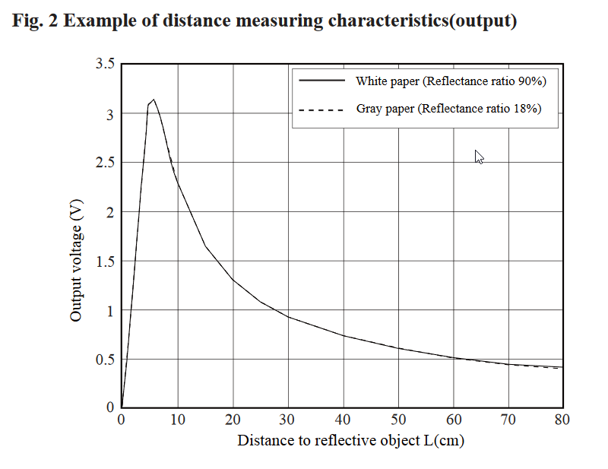
 | 0.0048828125
Output Voltage (V) | 10 Bit ADC / 5V Ref | Distance (cm)
3.1 | 635 | 5.3
2.5 | 512 | 9
2.3 | 471 | 10
2 | 410 | 12
1.5 | 307 | 17
1.3 | 266 | 20
1.1 | 225 | 24
1 | 205 | 27
0.9 | 184 | 30
0.7 | 143 | 40
0.6 | 123 | 50
0.52 | 106 | 60
0.4 | 82 | 70
0.39 | 80 | 80

