Prices
Call prices across spot with different vols | Call prices across spot with different maturities

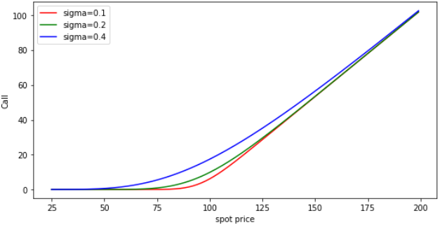
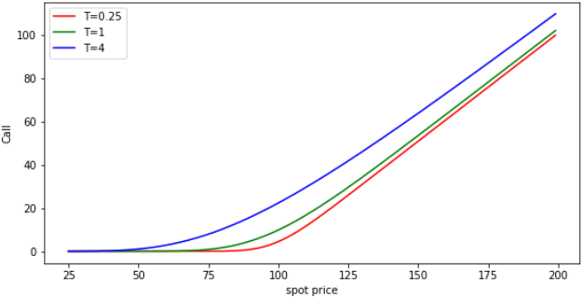
(Plot goes here.) | (Plot goes here.)

Put prices across spot with different vols | Put prices across spot with different maturities

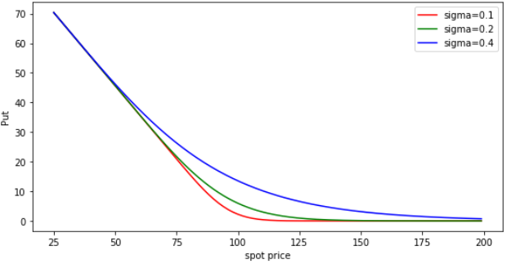
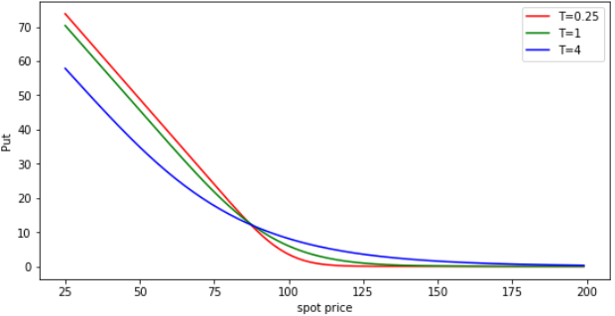
(Plot goes here.) | (Plot goes here.)

Deltas
Call deltas across spot with different vols | Call deltas across spot with different maturities

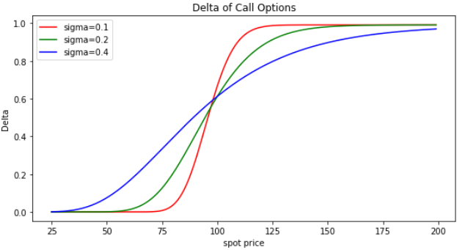
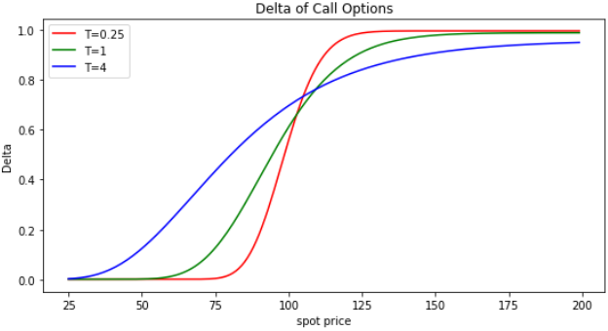
(Plot goes here.) | (Plot goes here.)

Put deltas across spot with different vols | Put deltas across spot with different maturities
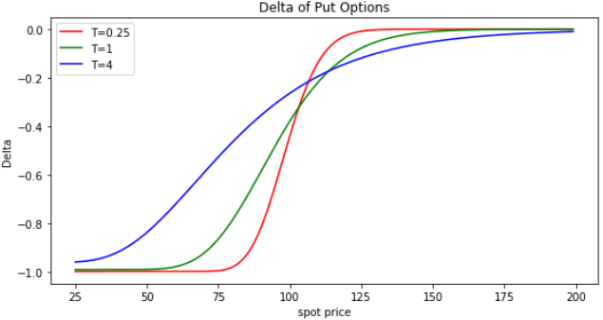
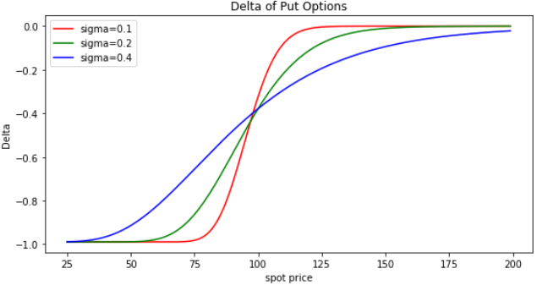
(Plot goes here.) | (Plot goes here.)

Gammas
Gammas across spot with different vols | Gammas across spot with different maturities

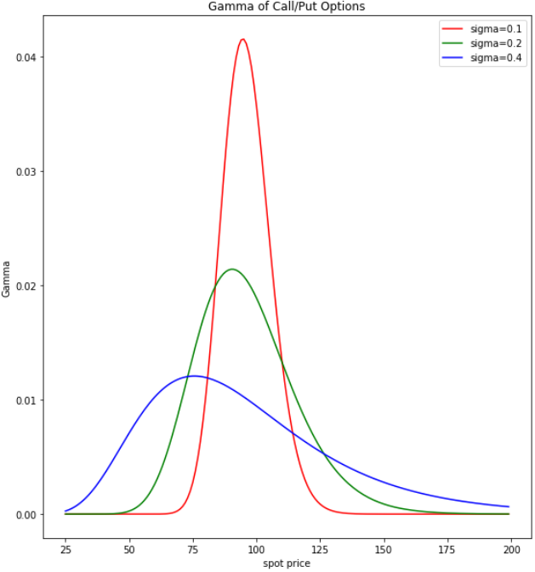
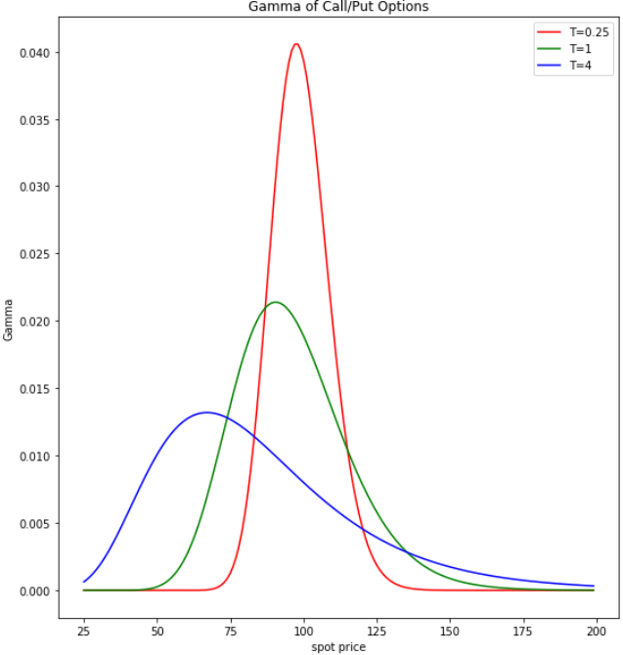
(Plot goes here.) | (Plot goes here.)

