Sheet
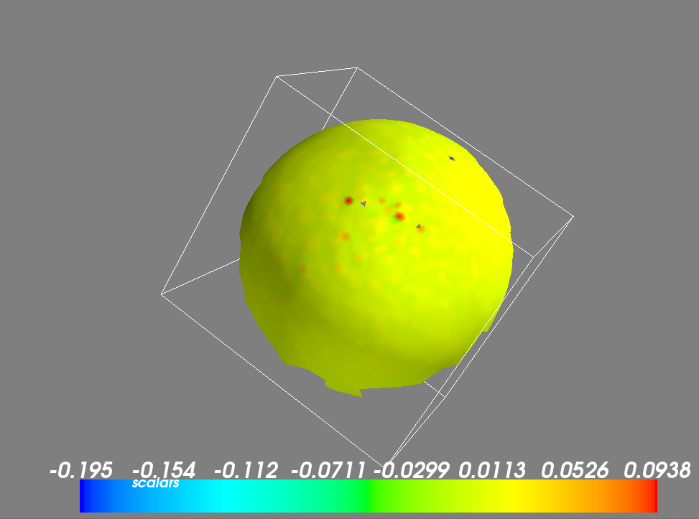
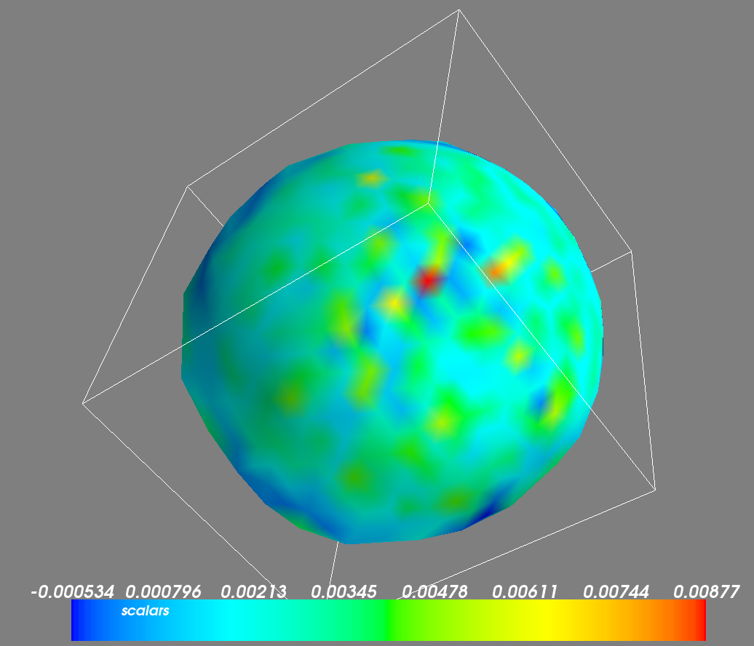
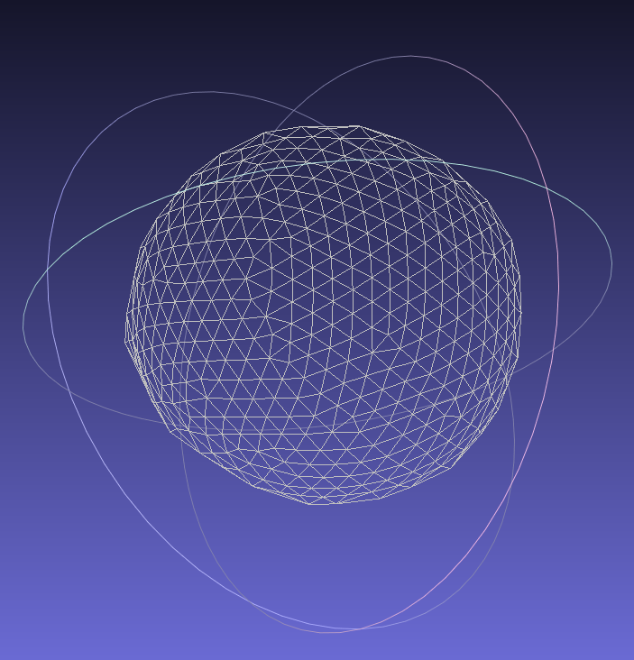
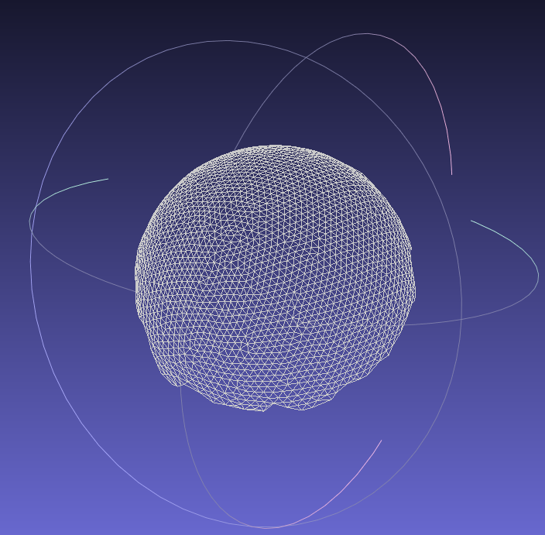
File | Number of vertices | Focus plane distance | Focus plane deviation | Fitted radius | Prior radius | Radius difference | Fitting error | Relative fitting error | Radial deviation (total) | Average curvature | Standard deviation
res/newscans//Sphere_distfromfocus_m60_focuc_100.000001.obj | 243 | 100 | -60 | 38.759858942 | 39.5 | -0.74014105772 | 152.00323036 | 0.62552769696 | 5.6790942714 | 0.01034801009 | 0.060652841154
res/newscans//Sphere_distfromfocus_m40_focuc_100.000001.obj | 466 | 100 | -40 | 39.390979807 | 39.5 | -0.10902019318 | 157.69080584 | 0.3383922872 | 6.5157542256 | 0.0083753038871 | 0.030395220497
res/newscans//Sphere_distfromfocus_0_focuc_100.000001.obj | 1930 | 100 | 0 | 39.332596502 | 39.5 | -0.16740349779 | 104.17073128 | 0.053974472166 | 0.86454102425 | 0.0031931703156 | 0.0077651726749
res/newscans//Sphere_distfromfocus_p20_focuc_100.000001.obj | 2552 | 100 | 20 | 39.299899663 | 39.5 | -0.20010033739 | 147.22486952 | 0.057689995895 | 3.8070179633 | 0.0039261627497 | 0.016003716784
res/newscans//Sphere_distfromfocus_p40_focuc_100.000001.obj | 710 | 100 | 40 | 39.074850436 | 39.5 | -0.42514956427 | 104.87257018 | 0.14770784532 | 2.2791799052 | 0.0041603566984 | 0.02894643511
res/newscans//Sphere_distfromfocus_m60_focuc_210.000001.obj | 191 | 210 | -60 | 38.097396953 | 39.5 | -1.4026030473 | 54.53419433 | 0.28551934204 | 2.209388099 | 0.0028760119772 | 0.0022533697085
res/newscans//Sphere_distfromfocus_m40_focuc_210.000001.obj | 241 | 210 | -40 | 38.677263893 | 39.5 | -0.82273610706 | 66.424584375 | 0.27562068205 | 6.6522187516 | 0.0026136093176 | 0.0018263095755
res/newscans//Sphere_distfromfocus_m20_focuc_210.000001.obj | 291 | 210 | -20 | 38.614121661 | 39.5 | -0.88587833862 | 56.898006776 | 0.19552579648 | 4.8505205754 | 0.0025730698915 | 0.001552951147
res/newscans//Sphere_distfromfocus_0_focuc_210.000001.obj | 381 | 210 | 0 | 39.259060534 | 39.5 | -0.24093946588 | 64.145340427 | 0.16836047356 | 4.3669988111 | 0.0024128389742 | 0.0012876869474
res/newscans//Sphere_distfromfocus_p20_focuc_210.000001.obj | 468 | 210 | 20 | 39.144488285 | 39.5 | -0.35551171531 | 59.470991225 | 0.12707476757 | 2.6115146269 | 0.0024787668666 | 0.0011605684238
res/newscans//Sphere_distfromfocus_p40_focuc_210.000001.obj | 560 | 210 | 40 | 38.98292568 | 39.5 | -0.51707431991 | 72.779178003 | 0.12996281786 | 3.3394692114 | 0.0027525360738 | 0.0024974861961

 |  |  |  | 100 |  |  |  | 210
 |  |  |  | Relative fitting error | Curvature std |  |  | Relative fitting error | Curvature std
 |  |  | -60 | 0.62552769696 | 0.060652841154 |  | -60 | 0.28551934204 | 0.0022533697085
 |  |  | -40 | 0.3383922872 | 0.030395220497 |  | -40 | 0.27562068205 | 0.0018263095755
 |  |  | 0 | 0.053974472166 | 0.0077651726749 |  | -20 | 0.19552579648 | 0.001552951147
 |  |  | 20 | 0.057689995895 | 0.016003716784 |  | 0 | 0.16836047356 | 0.0012876869474
 |  |  | 40 | 0.14770784532 | 0.02894643511 |  | 20 | 0.12707476757 | 0.0011605684238
 |  |  |  |  |  |  | 40 | 0.12996281786 | 0.0024974861961

