Stands
 |  |  |  |  | Price List Effective From: |  | 2019-11-09
 |  |  |  |  | Delivery/ Installation: |  | Not Included

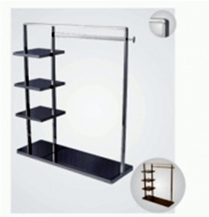 |  |  |  | 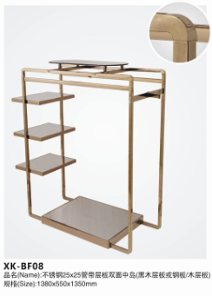

Product #: | BF04 |  |  | Product #: | BF08
Finish: | Mirror Steel | Finish: | Rose Steel | Finish: | Mirror Steel | Finish: | Rose Steel
Unit Price: | Rs. 18500 | Unit Price: | Rs. 21000 | Unit Price: | Rs. 22800 | Unit Price: | Rs. 28350

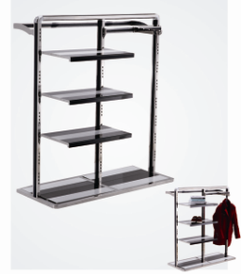 |  |  |  | 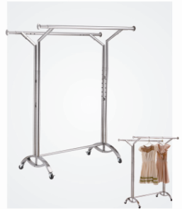

Product #: | BF14 |  |  | Product #: | DF13
Finish: | Mirror Steel | Finish: | Rose Steel | Finish: | Mirror Steel | Finish: | Rose Steel
Unit Price: | Rs. 25600 | Unit Price: | Rs. 29450 | Unit Price: | Rs. 10900 | Unit Price: | Rs. 12800

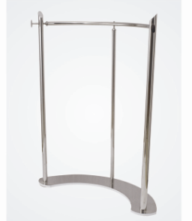 |  |  |  | 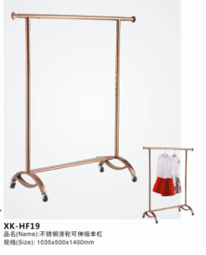

Product #: | HF16 |  |  | Product #: | HF19
Finish: | Mirror Steel | Finish: | Rose Steel | Finish: | Mirror Steel | Finish: | Rose Steel
Unit Price: | Rs. 12000 | Unit Price: | Rs. 13300 | Unit Price: | Rs. 7400 | Unit Price: | Rs. 8700

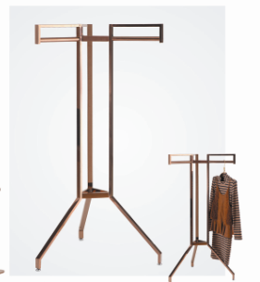 |  |  |  | 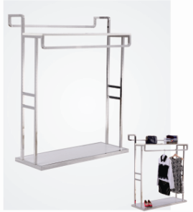

Product #: | HF31 |  |  | Product #: | JF01
Finish: | Mirror Steel | Finish: | Rose Steel | Finish: | Mirror Steel | Finish: | Rose Steel
Unit Price: | Rs. 7400 | Unit Price: | Rs. 8700 | Unit Price: | Rs. 15800 | Unit Price: | Rs. 17500

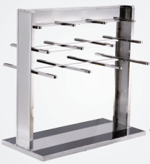 |  | 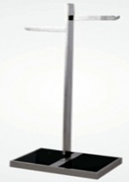 |  | 800 x 500 x 700 mm |  | 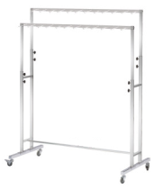

Product #: | KF07 (Trousers) | Product #: | TF01 | Product #: | Wire Container | Product #: | H-2007
Finish: | Mirror Steel | Finish: | Mirror Steel | Finish: | Chrome | Finish: | Chrome
Unit Price: | Rs. 33000 | Unit Price: | Rs. 6800 | Unit Price: | Rs. 6500 | Unit Price: | Rs. 9500

FLOOR STANDS
 |  |  |  |  | Price List Effective From: |  | 2018-04-24
 |  |  |  |  | Delivery/ Installation: |  | Not Included

 |  |  |  |  |  | 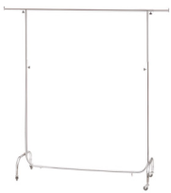

Product #: | H-2015 | Product #: | H-2030 | Product #: | H-2033 | Product #: | H-2055
Finish: | Chrome | Finish: | Chrome | Finish: | Chrome | Finish: | Chrome
Unit Price: | Rs. 9500 | Unit Price: | Rs. 10000 | Unit Price: | Rs. 13500 | Unit Price: | Rs. 7500

 |  | 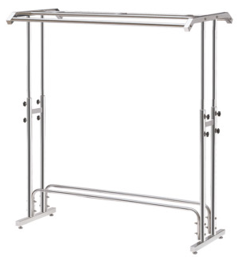

Product #: | H-3019 | Product #: | H-3027
Finish: | Stainless Steel | Finish: | Stainless Steel
Unit Price: | Rs. 9500 | Unit Price: | Rs. 10500

Checkout & Handling
HANDLING EQUIPMENT
 |  |  |  |  | Price List Effective From: |  | 2019-11-09
 |  |  |  |  | Delivery/ Installation: |  | Not Included

Product #: | Shopping Cart |  |  |  |  | Product #: | Kid's Trolley
Capacity: | 75 L | Capacity: | 100 L | Capacity: | 125 L | Capacity: | 26 L
Dimension: | 840 x 515 x 965mm | Dimension: | 870 x 520 x 960mm | Dimension: | 940 x 570 x 1050mm | Dimension: | 680 x 460 x 900mm
Unit Price: | Rs. 7700 | Unit Price: | Rs. 8500 | Unit Price: | Rs. 10800 | Unit Price: | Rs. 5000

 |  |  |  | 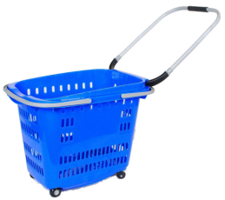 |  | 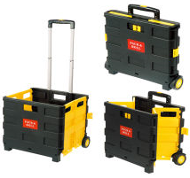

Product #: | RB-H01 |  |  | Product #: | RB-020 | Product #: | FP-3
Capacity: | 40 L | Capacity: | 50 L | Capacity: | 50 L | Capacity: | 56 L
Dimension: | 460 x 350 x 470mm | Dimension: | 470 x 420 x 480mm | Dimension: | 560 x 420 x 450mm | Dimension: | 420 x 405 x 380mm
Unit Price: | Rs. 2200 | Unit Price: | Rs. 2500 | Unit Price: | Rs. 2200 | Unit Price: | Rs. 3000

 |  |  |  | 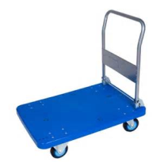

Product #: | R-11 | Product #: | K-2 | Product #: | Warehouse Cart
Capacity: | 60 L | Capacity: | 60 L | Capacity: | 300 KG
Dimension: | 380 x 320 x 600mm | Dimension: | 450 x 470 x 870mm | Dimension: | 900 x 600 x 900mm
Unit Price: | Rs. 3800 | Unit Price: | Rs. 3800 | Unit Price: | 9000

Product #: | SB-022 | Product #: | SB-006 | Product #: | SB-604A | Product #: | SB-JH18
Capacity: | 18 L | Capacity: | 28 L | Capacity: | 28 L | Capacity: | 18 L
Dimension: | 430 x 300 x 230mm | Dimension: | 470 x 335 x 265mm | Dimension: | 500 x 350 x 255mm | Dimension: | 415 x 265 x 200mm
Unit Price: | Rs. 490 | Unit Price: | Rs. 775 | Unit Price: | Rs. 850 | Unit Price: | Rs. 1000

