Ducting
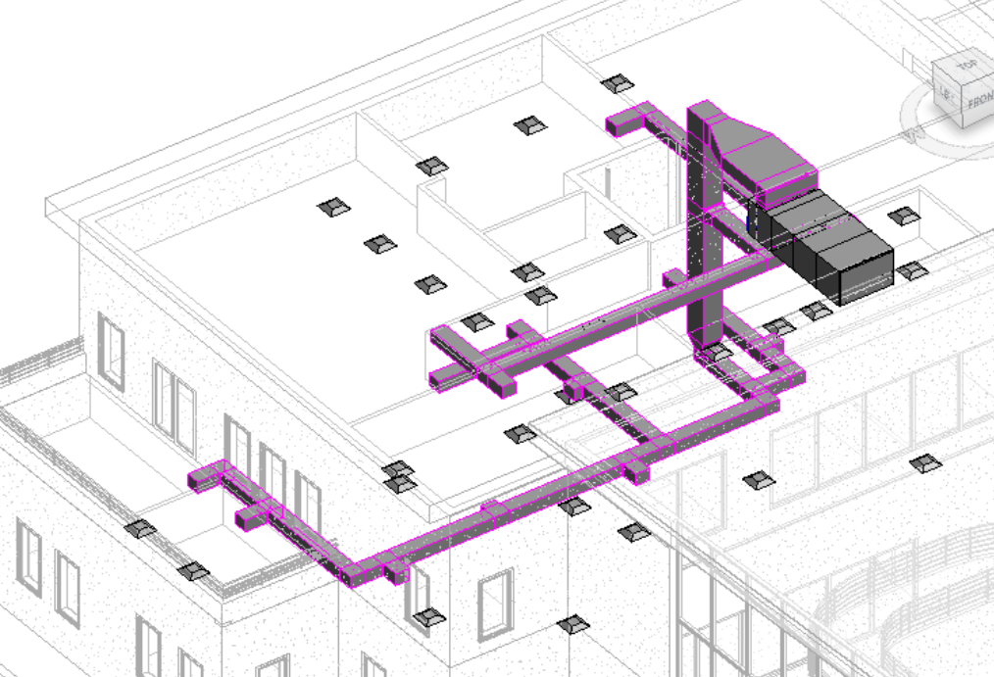
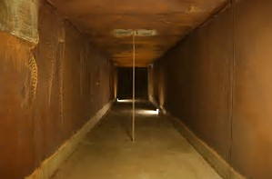

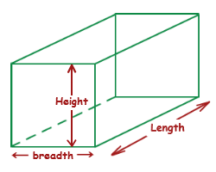

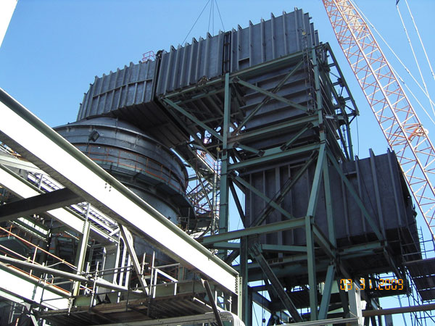
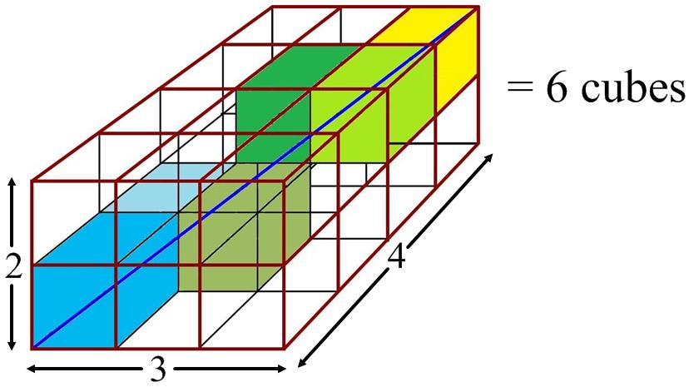

Cuboid1
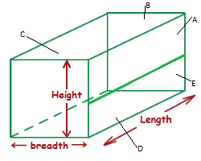
 | Cuboid1
A

B

C

D

E

Cuboid2
Tree
Not Inspected
 | Cuboid1 | Cuboid2 | Cuboid3 | Cuboid4 | Cuboid5

Cuboid1
Cuboid2

Inspected
Cuboid3
Cuboid4

Cuboid5
Cuboid6

…
…
….
Corrective Action
… | Cuboid6 | … | …. | Cuboid20 | Cuboid21
…
Cuboid20

Cuboid21

Macro, Sub &Micro
Micro's

1

Sub-Blocks

2
Macro

Cuboid
3

4

5

Micro & Sub
Width 5
Sub-Blocks
Not Inspected

Height 6
1.1 | 1.2 | 1.3 | 1.4 | 1.5 |  |  | 1.1 |  |  |  |  |  |  | 1.2 |  |  |  |  |  |  | 1.3 | Macro
2.1 | 2.2 | 2.3 | 2.4 | 2.5 |  |  |  |  |  |  |  |  |  |  |  |  |  |  |  |  |  |  | Dictionary of subs
3.1 | 3.2 | 3.3 | 3.4 | 3.5 |  |  |  |  |  |  |  |  |  |  |  |  |  |  |  |  |  |  | Block
4.1 | 4.2 | 4.3 | 4.4 | 4.5 |  |  |  |  |  |  |  |  |  |  |  |  |  |  |  |  |  |  |  | enBlockType |  | enStateType |  | enDisplayType
5.1 | 5.2 | 5.3 | 5.4 | 5.5 |  |  |  |  |  |  |  |  |  |  |  |  |  |  |  |  |  |  |  |  | Macro |  | Unknown |  | Name
6.1 | 6.2 | 6.3 | 6.4 | 6.5 |  |  |  |  |  |  |  |  |  |  |  |  |  |  |  |  |  | Sub |  |  | Sub |  | Inspected |  | Value
Inspected
 |  |  |  |  |  |  |  |  |  |  |  |  |  |  |  |  |  |  |  |  |  |  | Dictionary of Blocks |  | Micro |  | CorrectiveAction
 |  |  |  |  |  |  |  |  |  |  |  |  |  |  |  |  |  |  |  |  |  |  | Block |  |  |  | Repair
Micro-blocks
 |  |  |  |  |  |  |  |  |  |  |  |  |  |  |  |  |  |  |  |  |  |  |  |  |  |  | QA
 |  |  |  |  |  |  |  |  |  |  |  |  |  |  |  |  |  |  |  |  |  |  |  |  |  |  | Closed
 |  |  |  |  |  |  |  |  |  |  |  |  |  |  |  |  |  |  |  |  |  | Block
 |  |  |  |  |  |  |  |  |  |  |  |  |  |  |  |  |  |  |  |  |  |  | enBlockType Type = Micro
 | 1.1 |  |  |  |  | 1.2 |  |  |  |  | 1.3 |  |  |  |  |  |  |  |  |  |  |  | AddressName
1.1 | 1.2 | 1.3 | 1.4 | 1.5 | 1.1 | 1.2 | 1.3 | 1.4 | 1.5 | 1.1 | 1.2 | 1.3 | 1.4 | 1.5 | 1.1 | 1.2 | 1.3 | 1.4 | 1.5 | 1.5 |  |  | AddressCol
2.1 | 2.2 | 2.3 | 2.4 | 2.5 | 2.1 | 2.2 | 2.3 | 2.4 | 2.5 | 2.1 | 2.2 | 2.3 | 2.4 | 2.5 | 2.1 | 2.2 | 2.3 | 2.4 | 2.5 |  |  |  | AddresRow
3.1 | 3.2 | 3.3 | 3.4 | 3.5 | 3.1 | 3.2 | 3.3 | 3.4 | 3.5 | 3.1 | 3.2 | 3.3 | 3.4 | 3.5 | 3.1 | 3.2 | 3.3 | 3.4 | 3.5 |  |  |  | enStateType = Unknown
4.1 | 4.2 | 4.3 | 4.4 | 4.5 | 4.1 | 4.2 | 4.3 | 4.4 | 4.5 | 4.1 | 4.2 | 4.3 | 4.4 | 4.5 | 4.1 | 4.2 | 4.3 | 4.4 | 4.5 |  |  |  | enDisplayType = Name
5.1 | 5.2 | 5.3 | 5.4 | 5.5 | 5.1 | 5.2 | 5.3 | 5.4 | 5.5 | 5.1 | 5.2 | 5.3 | 5.4 | 5.5 | 5.1 | 5.2 | 5.3 | 5.4 | 5.5 |  |  |  | double Value
6.1 | 6.2 | 6.3 | 6.4 | 6.5 | 6.1 | 6.2 | 6.3 | 6.4 | 6.5 | 6.1 | 6.2 | 6.3 | 6.4 | 6.5 | 6.1 | 6.2 | 6.3 | 6.4 | 6.5 |  |  |  | int ValueDecimal = 1
2.1 |  |  |  |  | 2.2 |  |  |  |  | 2.3 |  |  |  |  | 2.4 |  |  |  |  | 2.5 |  |  | Block Parent

Corrective Action
3.1 |  |  |  |  | 3.2 |  |  |  |  | 3.3 |  |  |  |  | 3.4 |  |  |  |  | 3.5

Macro Block

Classdiagram
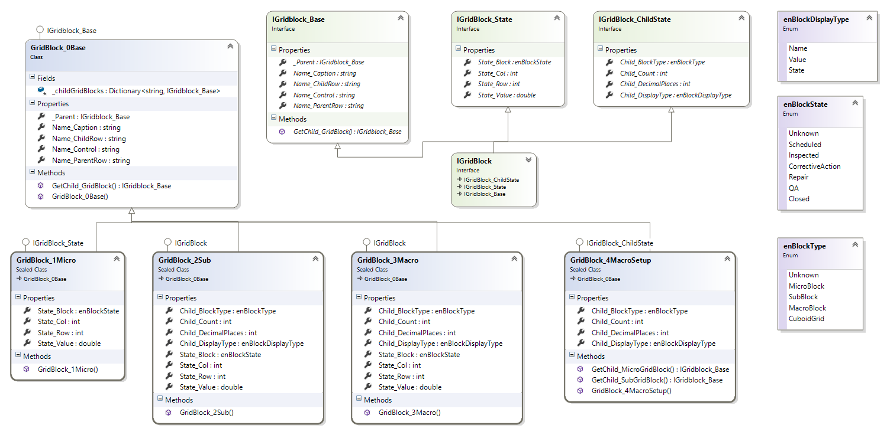

Screenshot1
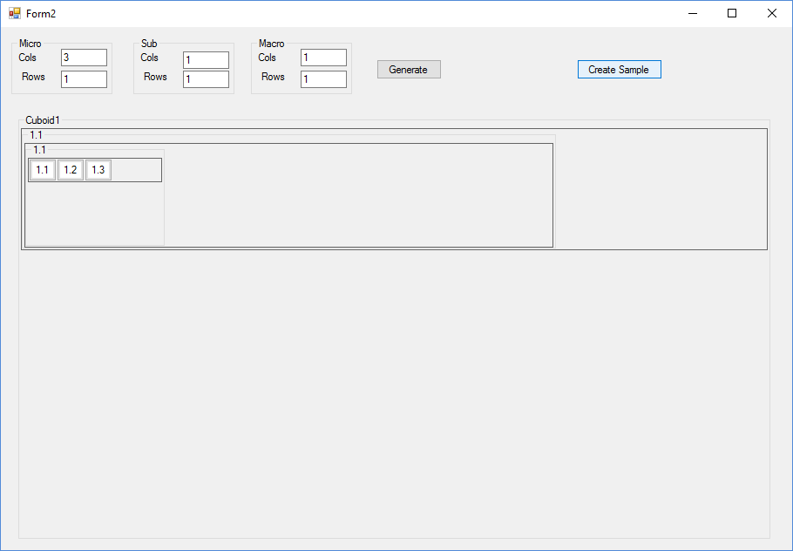

private void GenerateGrids()
{
// Macro
var macroCols = textMacroCols.Text.zTo_Int();
var macroRows = textMacroRows.Text.zTo_Int();

// Sub-Grids
var subCols = textSubCols.Text.zTo_Int();
var subRows = textSubRows.Text.zTo_Int();

// Micro
var microCols = textMicroCols.Text.zTo_Int();
var microRows = textMicroRows.Text.zTo_Int();

var cuboid = new GridBlock_4MacroSetup(this, onGridCreate, onGridRowCreate, macroCols, macroRows, subCols, subRows, microCols, microRows);
// Cuboid1
Cuboid1.Controls.Add(rowPanels["Cuboid1Row1"]);
Grid_RowSetup("Cuboid1Row1", 50, grids["Cuboid1Macro1_1"]);

}

ScreenShot2
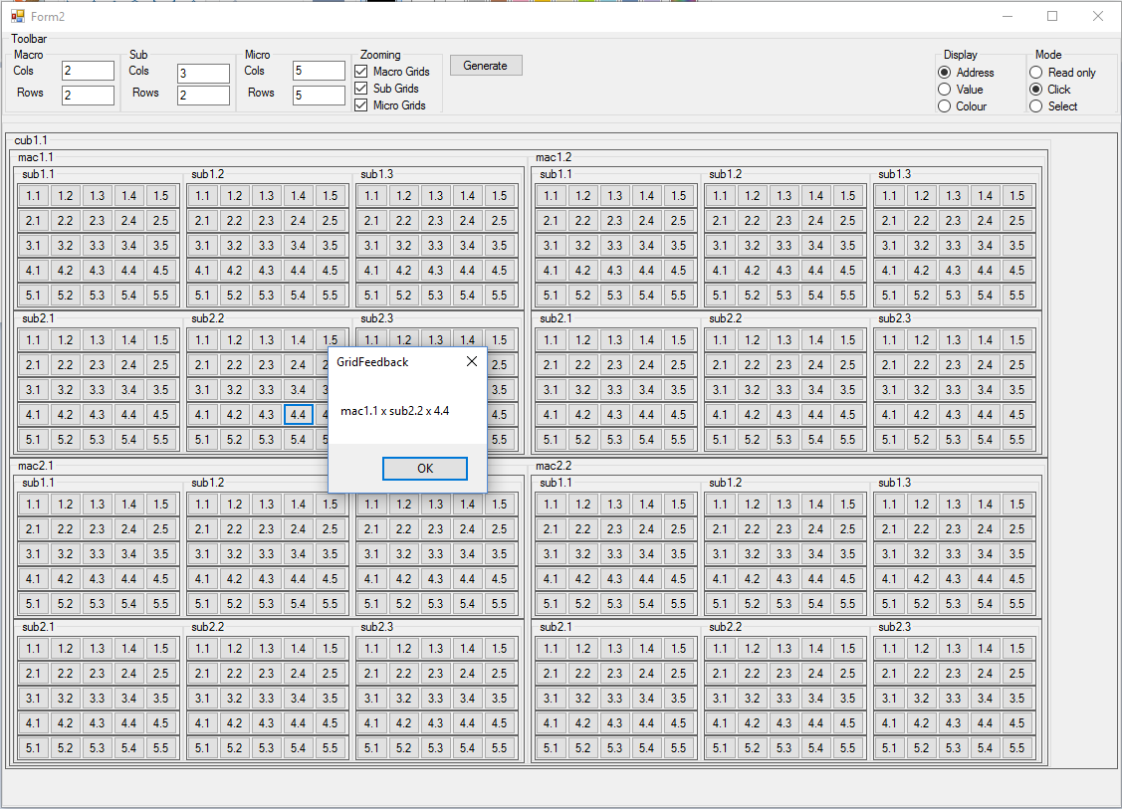

Test_Frontend
Rows
 |  | r1
 |  | r1/cub1_1
 |  | r1/cub1_1/r1
4 level Grid
(1x1, 1x1, 1x1)
 |  | r1/cub1_1/r1/mac1_1
Grids
 |  | r1/cub1_1/r1/mac1_1/r1
 |  | r1/cub1_1/r1/mac1_1/r1/sub1_1
 |  | r1/cub1_1/r1/mac1_1/r1/sub1_1/r1
 |  | r1/cub1_1/r1/mac1_1/r1/sub1_1/r1/mic1_1

Phase 1: Two level grid (1x1,1x1, 5x5)
 | r1
 | r1/cub1_1
 | r1/cub1_1/r1
 | r1/cub1_1/r1/mac1_1
 | r1/cub1_1/r1/mac1_1/r1
 | r1/cub1_1/r1/mac1_1/r1/sub1_1
 | r1/cub1_1/r1/mac1_1/r1/sub1_1/r1
 | r1/cub1_1/r1/mac1_1/r1/sub1_1/r1/mic1_1
 | r1/cub1_1/r1/mac1_1/r1/sub1_1/r1/mic1_2
 | r1/cub1_1/r1/mac1_1/r1/sub1_1/r1/mic1_3
 | r1/cub1_1/r1/mac1_1/r1/sub1_1/r1/mic1_4
 | r1/cub1_1/r1/mac1_1/r1/sub1_1/r1/mic1_5
 | r1/cub1_1/r1/mac1_1/r1/sub1_1/r2
 | r1/cub1_1/r1/mac1_1/r1/sub1_1/r2/mic2_1
 | r1/cub1_1/r1/mac1_1/r1/sub1_1/r2/mic2_2
 | r1/cub1_1/r1/mac1_1/r1/sub1_1/r2/mic1_3
 | r1/cub1_1/r1/mac1_1/r1/sub1_1/r2/mic1_4
Rows
 | r1/cub1_1/r1/mac1_1/r1/sub1_1/r2/mic1_5
 | r1/cub1_1/r1/mac1_1/r1/sub1_1/r3
 | r1/cub1_1/r1/mac1_1/r1/sub1_1/r3/mic1_1
 | r1/cub1_1/r1/mac1_1/r1/sub1_1/r3/mic1_2
 | r1/cub1_1/r1/mac1_1/r1/sub1_1/r3/mic1_3
 | r1/cub1_1/r1/mac1_1/r1/sub1_1/r3/mic1_4
 | r1/cub1_1/r1/mac1_1/r1/sub1_1/r3/mic1_5
 | r1/cub1_1/r1/mac1_1/r1/sub1_1/r4
 | r1/cub1_1/r1/mac1_1/r1/sub1_1/r4/mic1_1
 | r1/cub1_1/r1/mac1_1/r1/sub1_1/r4/mic1_2
 | r1/cub1_1/r1/mac1_1/r1/sub1_1/r4/mic1_3
 | r1/cub1_1/r1/mac1_1/r1/sub1_1/r4/mic1_4
 | r1/cub1_1/r1/mac1_1/r1/sub1_1/r4/mic1_5
 | r1/cub1_1/r1/mac1_1/r1/sub1_1/r5
 | r1/cub1_1/r1/mac1_1/r1/sub1_1/r5/mic1_1
 | r1/cub1_1/r1/mac1_1/r1/sub1_1/r5/mic1_2
 | r1/cub1_1/r1/mac1_1/r1/sub1_1/r5/mic1_3
 | r1/cub1_1/r1/mac1_1/r1/sub1_1/r5/mic1_4
 | r1/cub1_1/r1/mac1_1/r1/sub1_1/r5/mic1_5

Phase 3: Three level grid (3x3x3)
 | r1/cub1_1/r1/mac1_1/r1
 | r1/cub1_1/r1/mac1_1/r1/sub1_1
 | r1/cub1_1/r1/mac1_1/r1/sub1_1/r1
 | r1/cub1_1/r1/mac1_1/r1/sub1_1/r1/mic1_1
 | r1/cub1_1/r1/mac1_1/r1/sub1_1/r1/mic1_2
 | r1/cub1_1/r1/mac1_1/r1/sub1_1/r1/mic1_3
 | r1/cub1_1/r1/mac1_1/r1/sub1_1/r2
 | r1/cub1_1/r1/mac1_1/r1/sub1_1/r2/mic1_1
 | r1/cub1_1/r1/mac1_1/r1/sub1_1/r2/mic1_2
 | r1/cub1_1/r1/mac1_1/r1/sub1_1/r2/mic1_3
 | r1/cub1_1/r1/mac1_1/r1/sub1_1/r3
 | r1/cub1_1/r1/mac1_1/r1/sub1_1/r3/mic1_1
 | r1/cub1_1/r1/mac1_1/r1/sub1_1/r3/mic1_2
 | r1/cub1_1/r1/mac1_1/r1/sub1_1/r3/mic1_3
Sub Grids
 | r1/cub1_1/r1/mac1_1/r1
 | r1/cub1_1/r1/mac1_1/r2/sub1_2
 | r1/cub1_1/r1/mac1_1/r2/sub1_2/r1
 | r1/cub1_1/r1/mac1_1/r2/sub1_2/r1/mic1_1
 | r1/cub1_1/r1/mac1_1/r2/sub1_2/r1/mic1_2
 | r1/cub1_1/r1/mac1_1/r2/sub1_2/r1/mic1_3
 | r1/cub1_1/r1/mac1_1/r2/sub1_1/r2
 | r1/cub1_1/r1/mac1_1/r2/sub1_2/r2/mic1_1
 | r1/cub1_1/r1/mac1_1/r2/sub1_2/r2/mic1_2
 | r1/cub1_1/r1/mac1_1/r2/sub1_2/r2/mic1_3
 | r1/cub1_1/r1/mac1_1/r2/sub1_2/r3
 | r1/cub1_1/r1/mac1_1/r2/sub1_2/r3/mic1_1
 | r1/cub1_1/r1/mac1_1/r2/sub1_2/r3/mic1_2
 | r1/cub1_1/r1/mac1_1/r2/sub1_2/r3/mic1_3
 | r1/cub1_1/r1/mac1_1/r1
 | r1/cub1_1/r1/mac1_1/r3/sub3_1
 | r1/cub1_1/r1/mac1_1/r3/sub3_1/r1
 | r1/cub1_1/r1/mac1_1/r3/sub1_3/r1/mic1_1
 | r1/cub1_1/r1/mac1_1/r3/sub1_3/r1/mic1_2
 | r1/cub1_1/r1/mac1_1/r3/sub1_3/r1/mic1_3
 | r1/cub1_1/r1/mac1_1/r3/sub1_1/r2
 | r1/cub1_1/r1/mac1_1/r3/sub1_3/r2/mic1_1
 | r1/cub1_1/r1/mac1_1/r3/sub1_3/r2/mic1_2
 | r1/cub1_1/r1/mac1_1/r3/sub1_3/r2/mic1_3
 | r1/cub1_1/r1/mac1_1/r3/sub1_3/r3
 | r1/cub1_1/r1/mac1_1/r3/sub1_3/r3/mic1_1
 | r1/cub1_1/r1/mac1_1/r3/sub1_3/r3/mic1_2
 | r1/cub1_1/r1/mac1_1/r3/sub1_3/r3/mic1_3

Feature_GridNumbering
Width 5
 |  |  |  |  |  |  |  |  |  |  |  |  |  |  |  |  |  |  |  |  |  |  | enBlockType |  | enStateType |  | enDisplayType
 |  |  |  |  |  |  |  |  |  |  |  |  |  |  |  |  |  |  |  |  |  |  |  | Macro |  | Unknown |  | Name
1.1 | 1.2 | 1.3 | 1.4 | 1.5 |  |  | 1.1 |  |  |  |  |  |  | 1.2 |  |  |  |  |  |  | 1.3 |  |  | Sub |  | Inspected |  | Value
Height 6
2.1 | 2.2 | 2.3 | 2.4 | 2.5 |  |  |  |  |  |  |  |  |  |  |  |  |  |  |  |  |  |  |  | Micro |  | CorrectiveAction
3.1 | 3.2 | 3.3 | 3.4 | 3.5 |  |  |  |  |  |  |  |  |  |  |  |  |  |  |  |  |  |  |  |  |  | Repair
4.1 | 4.2 | 4.3 | 4.4 | 4.5 |  |  |  |  |  |  |  |  |  |  |  |  |  |  |  |  |  |  |  |  |  | QA
5.1 | 5.2 | 5.3 | 5.4 | 5.5 |  |  |  |  |  |  |  |  |  |  |  |  |  |  |  |  |  |  |  |  |  | Closed
6.1 | 6.2 | 6.3 | 6.4 | 6.5
 |  |  |  |  |  |  |  |  |  |  |  |  |  |  |  |  |  |  |  |  |  | AddressDefOrder = enAddressDefOrder.RowCol |  |  | enAddressDefOrder
 | 1.1 |  |  |  |  | 1.2 |  |  |  |  | 1.3 |  |  |  | 1.4 |  |  |  |  |  |  | AddressDefRow = enAddressDefType.Numeric |  |  |  | RowCol
1.1 | 1.2 | 1.3 | 1.4 | 1.5 | 1.1 | 1.2 | 1.3 | 1.4 | 1.5 | 1.1 | 1.2 | 1.3 | 1.4 | 1.5 | 1.1 | 1.2 | 1.3 | 1.4 | 1.5 | 1.5 |  | AddressDefCol = enAddressDefType.Numeric |  |  |  | ColRow
2.1 | 2.2 | 2.3 | 2.4 | 2.5 | 2.1 | 2.2 | 2.3 | 2.4 | 2.5 | 2.1 | 2.2 | 2.3 | 2.4 | 2.5 | 2.1 | 2.2 | 2.3 | 2.4 | 2.5
3.1 | 3.2 | 3.3 | 3.4 | 3.5 | 3.1 | 3.2 | 3.3 | 3.4 | 3.5 | 3.1 | 3.2 | 3.3 | 3.4 | 3.5 | 3.1 | 3.2 | 3.3 | 3.4 | 3.5 |  |  |  |  |  | enAddressDefType
4.1 | 4.2 | 4.3 | 4.4 | 4.5 | 4.1 | 4.2 | 4.3 | 4.4 | 4.5 | 4.1 | 4.2 | 4.3 | 4.4 | 4.5 | 4.1 | 4.2 | 4.3 | 4.4 | 4.5 |  |  |  |  |  |  | Alfa
5.1 | 5.2 | 5.3 | 5.4 | 5.5 | 5.1 | 5.2 | 5.3 | 5.4 | 5.5 | 5.1 | 5.2 | 5.3 | 5.4 | 5.5 | 5.1 | 5.2 | 5.3 | 5.4 | 5.5 |  |  |  |  |  |  | Numeric
6.1 | 6.2 | 6.3 | 6.4 | 6.5 | 6.1 | 6.2 | 6.3 | 6.4 | 6.5 | 6.1 | 6.2 | 6.3 | 6.4 | 6.5 | 6.1 | 6.2 | 6.3 | 6.4 | 6.5

Width 5

Height 6
1.1 | 2.1 | 3.1 | 4.1 | 5.1 |  |  | 1.1 |  |  |  |  |  | 2.1 |  |  |  |  |  | 3.1
1.2 | 2.2 | 3.2 | 4.2 | 5.2
1.3 | 2.3 | 3.3 | 4.3 | 5.3 |  |  |  |  |  |  |  |  |  |  |  |  |  |  |  |  |  | AddressDefOrder = enAddressDefOrder.ColRow
1.4 | 2.4 | 3.4 | 4.4 | 5.4 |  |  |  |  |  |  |  |  |  |  |  |  |  |  |  |  |  | AddressDefRow = enAddressDefType.Numeric
1.5 | 2.5 | 3.5 | 4.5 | 5.5 |  |  |  |  |  |  |  |  |  |  |  |  |  |  |  |  |  | AddressDefCol = enAddressDefType.Numeric
1.5 | 2.6 | 3.6 | 4.6 | 5.6

 | 1.1 |  |  |  |  | 2.1 |  |  |  |  | 3.1
1.1 | 2.1 | 3.1 | 4.1 | 5.1 | 1.1 | 2.1 | 3.1 | 4.1 | 5.1 | 1.1 | 2.1 | 3.1 | 4.1 | 5.1
1.2 | 2.2 | 3.2 | 4.2 | 5.2 | 1.2 | 2.2 | 3.2 | 4.2 | 5.2 | 1.2 | 2.2 | 3.2 | 4.2 | 5.2
1.3 | 2.3 | 3.3 | 4.3 | 5.3 | 1.3 | 2.3 | 3.3 | 4.3 | 5.3 | 1.3 | 2.3 | 3.3 | 4.3 | 5.3
1.4 | 2.4 | 3.4 | 4.4 | 5.4 | 1.4 | 2.4 | 3.4 | 4.4 | 5.4 | 1.4 | 2.4 | 3.4 | 4.4 | 5.4
1.5 | 2.5 | 3.5 | 4.5 | 5.5 | 1.5 | 2.5 | 3.5 | 4.5 | 5.5 | 1.5 | 2.5 | 3.5 | 4.5 | 5.5
1.5 | 2.6 | 3.6 | 4.6 | 5.6 | 1.5 | 2.6 | 3.6 | 4.6 | 5.6 | 1.5 | 2.6 | 3.6 | 4.6 | 5.6

Width 5

Height 6
A1 | B1 | C1 | D1 | E1 |  |  | A1 |  |  |  |  |  | B1 |  |  |  |  |  | C1
A2 | B2 | C2 | D2 | E2
A3 | B3 | C3 | D3 | E3 |  |  |  |  |  |  |  |  |  |  |  |  |  |  |  |  |  | AddressDefOrder = enAddressDefOrder.ColRow
A4 | B4 | C4 | D4 | E4 |  |  |  |  |  |  |  |  |  |  |  |  |  |  |  |  |  | AddressDefRow = enAddressDefType.Numeric
A5 | B5 | C5 | D5 | E5 |  |  |  |  |  |  |  |  |  |  |  |  |  |  |  |  |  | AddressDefCol = enAddressDefType.Alfa
A6 | B6 | C6 | D6 | E6

 | 1.1 |  |  |  |  | 2.1 |  |  |  |  | 3.1
A1 | B1 | C1 | D1 | E1 | A1 | B1 | C1 | D1 | E1 | A1 | B1 | C1 | D1 | E1
A2 | B2 | C2 | D2 | E2 | A2 | B2 | C2 | D2 | E2 | A2 | B2 | C2 | D2 | E2
A3 | B3 | C3 | D3 | E3 | A3 | B3 | C3 | D3 | E3 | A3 | B3 | C3 | D3 | E3
A4 | B4 | C4 | D4 | E4 | A4 | B4 | C4 | D4 | E4 | A4 | B4 | C4 | D4 | E4
A5 | B5 | C5 | D5 | E5 | A5 | B5 | C5 | D5 | E5 | A5 | B5 | C5 | D5 | E5
A6 | B6 | C6 | D6 | E6 | A6 | B6 | C6 | D6 | E6 | A6 | B6 | C6 | D6 | E6

