Hoja1
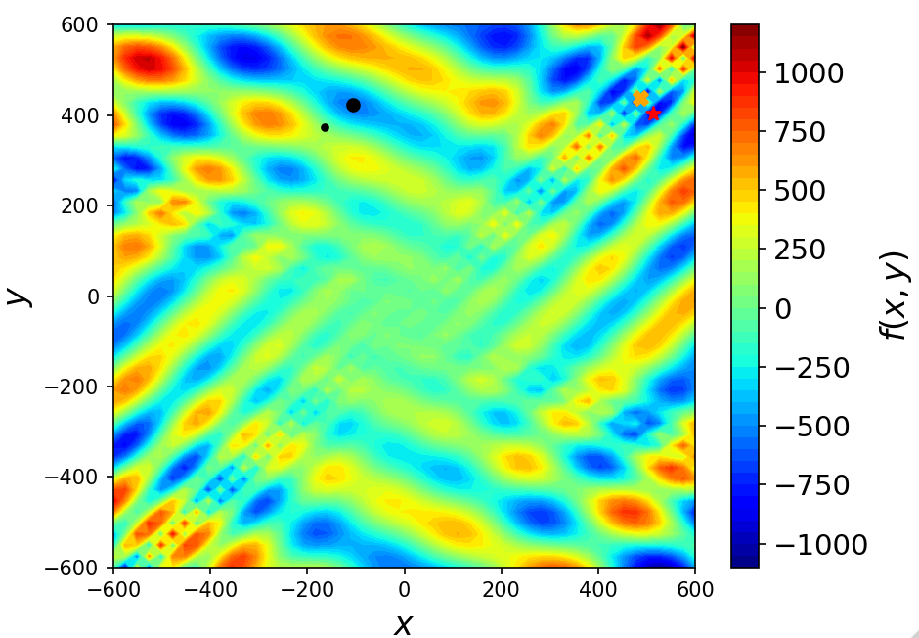
x | 512 | x* | 512
y | 404.23182776 | y* | 404.2319
f(x,y) | -959.64066272 | f(x*,y*) | -959.6407

$$f\left(x,y\right)=−\left(y+47\right)⋅\sin\left(\sqrt{\left|y+0.5x+47\right| }\right)−x⋅\sin\left(\sqrt{\left|x−(y+47)\right|}\right)$$

$$−512≤x≤512$$

$$−512≤y≤512$$

