异常价格链接
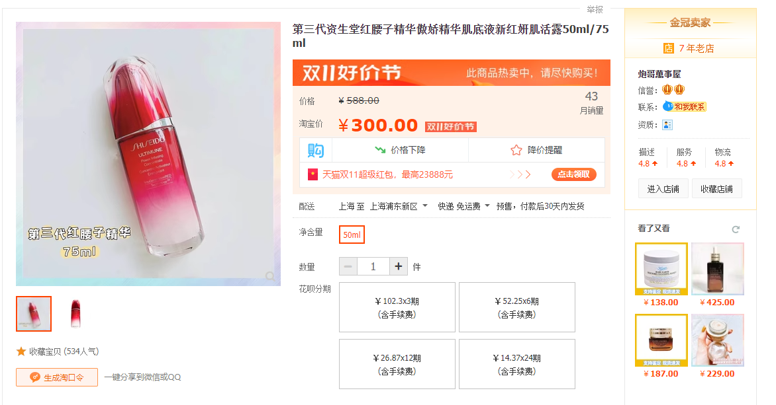
改价链接 |  |  | 原始价格较高链接
https://item.taobao.com/item.htm?id=703949680373&ft=t |  |  | https://detail.tmall.hk/hk/item.htm?id=696171694021&skuId=5112106103078
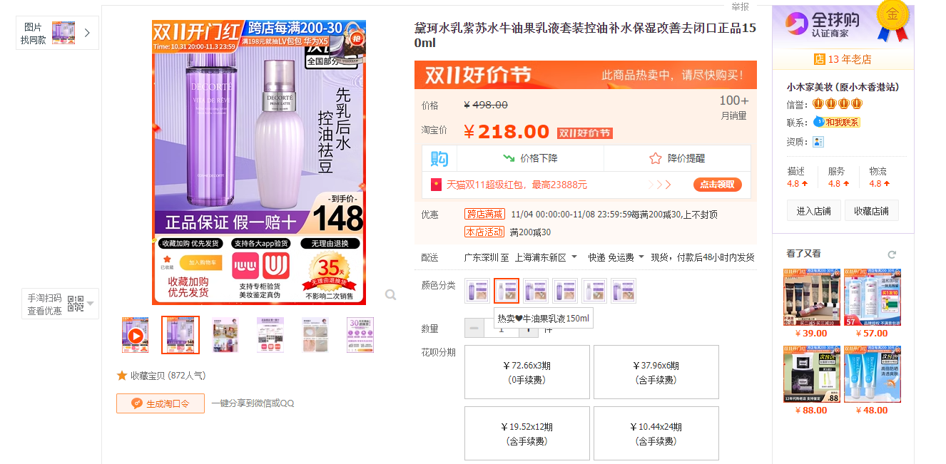
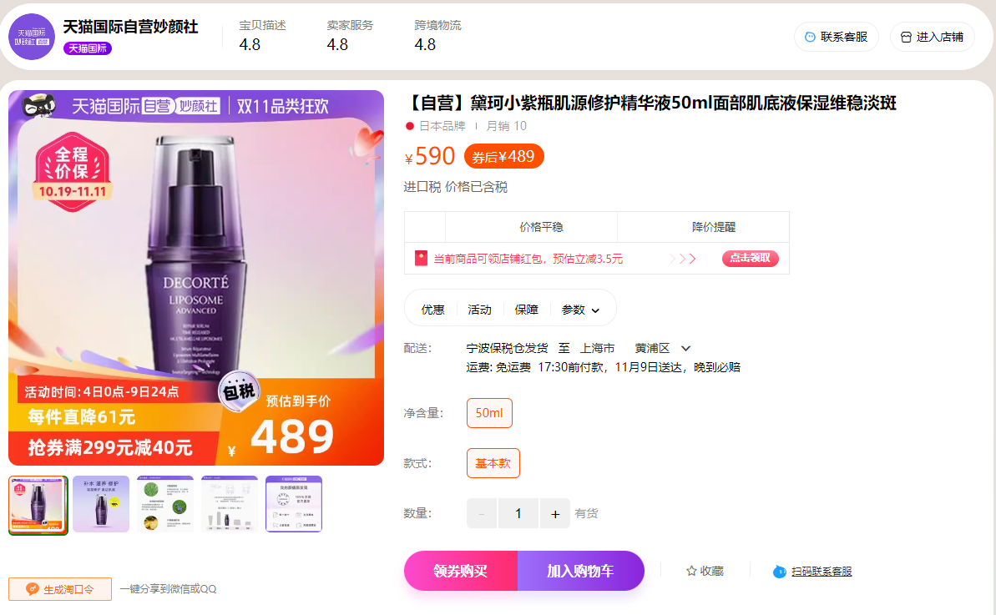

https://item.taobao.com/item.htm?id=604770780143&ft=t |  |  | https://item.taobao.com/item.htm?id=719317890717&ft=t
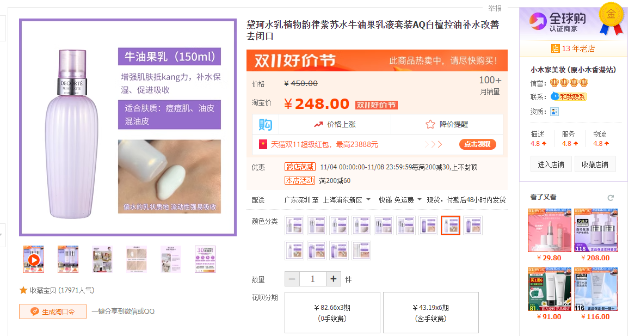
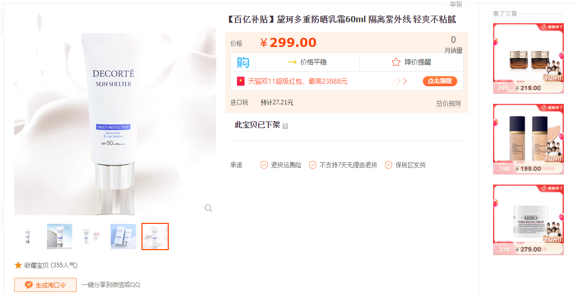

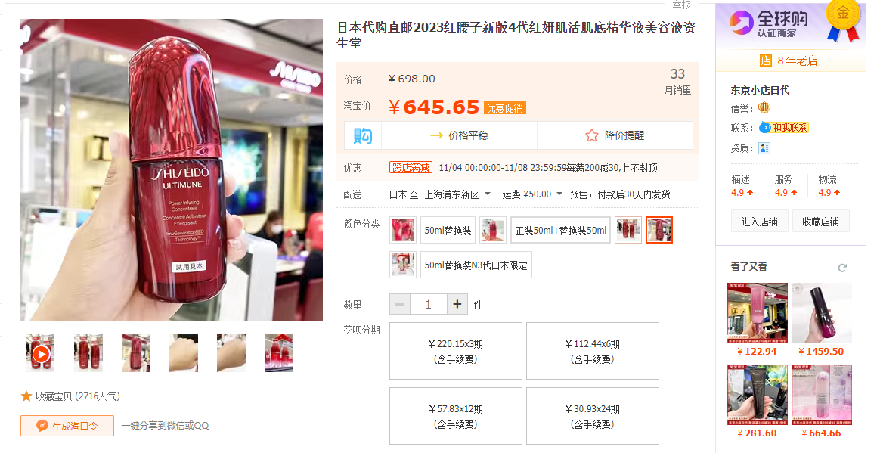
http://detail.tmall.com/item.htm?id=728468726335 | 未开售状态的价格 |  | https://item.taobao.com/item.htm?id=525901629370&ft=t
http://detail.tmall.com/item.htm?id=710596398393
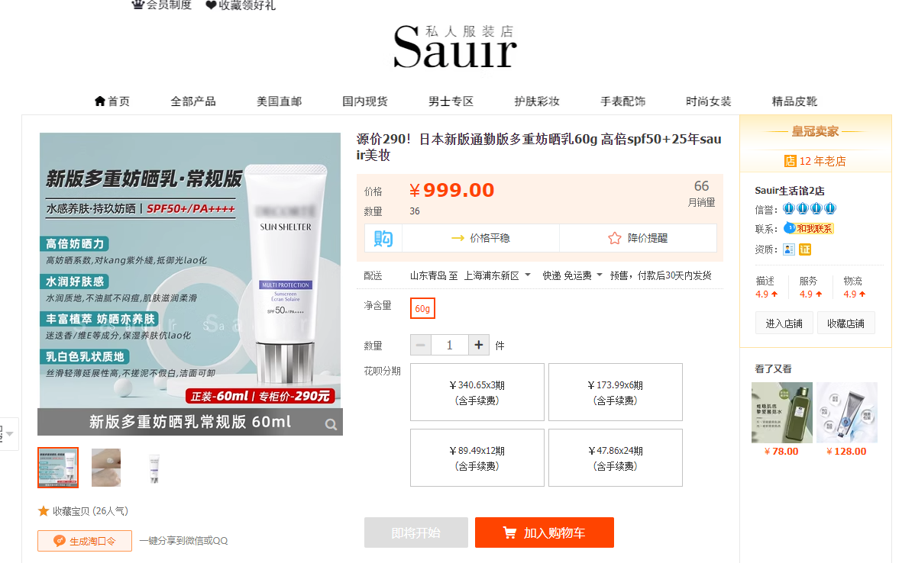

 |  |  | http://detail.tmall.com/item.htm?id=650028895272
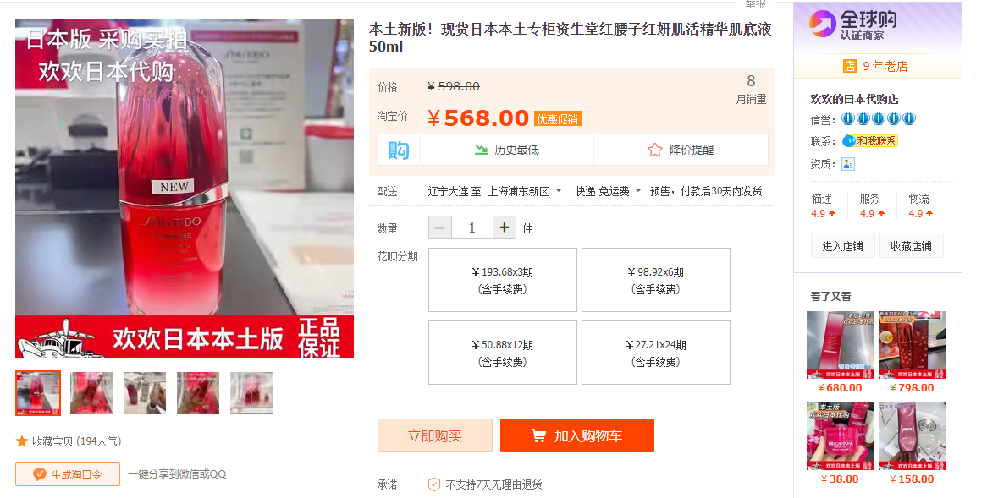

http://detail.tmall.com/item.htm?id=642166518934 | 链接已失效

https://item.taobao.com/item.htm?id=622028041967&ft=t |  | 参考该店同款产品价格
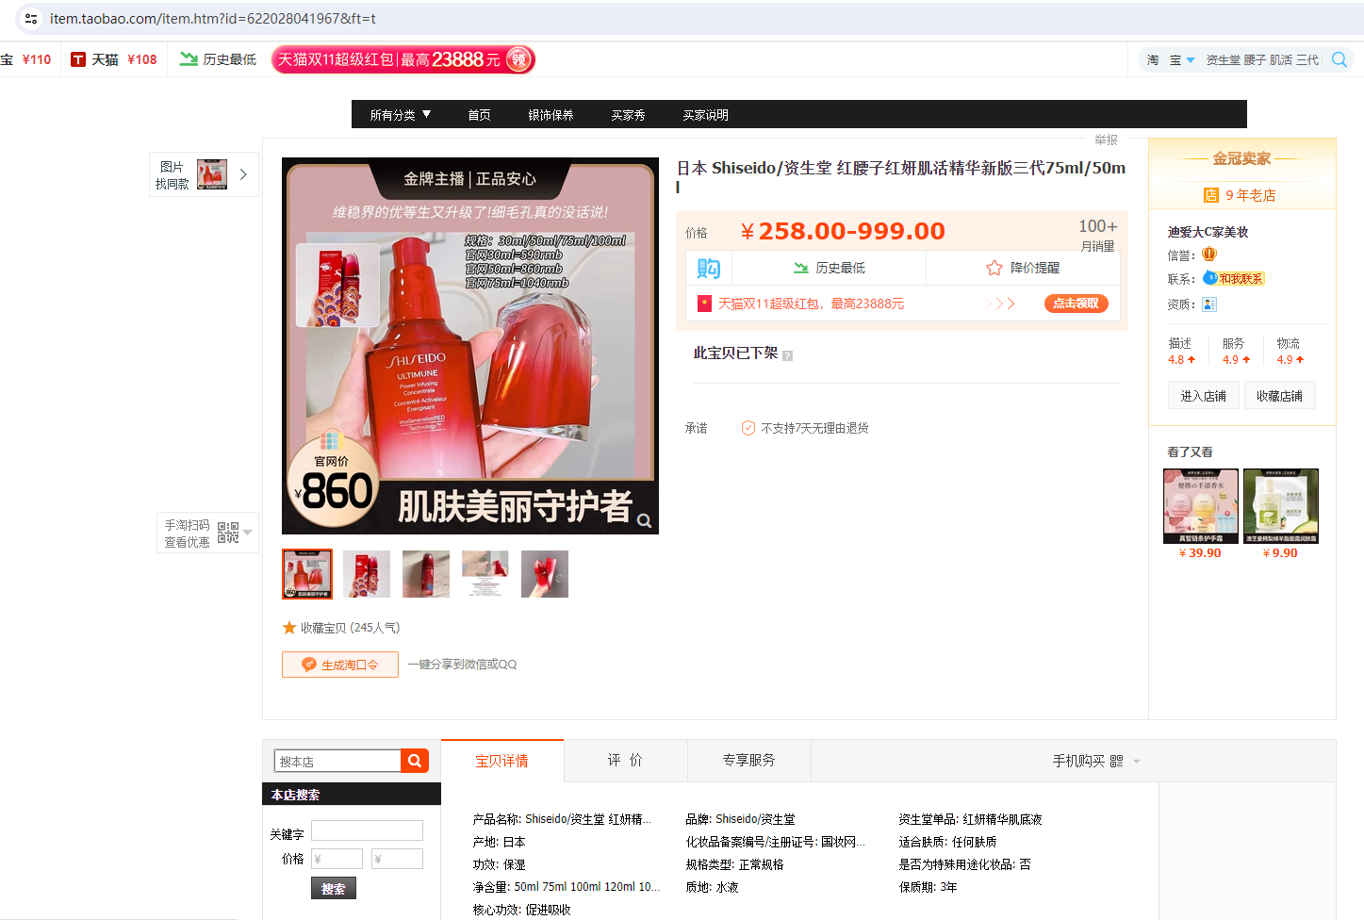

 |  |  | http://detail.tmall.com/item.htm?id=553890036653
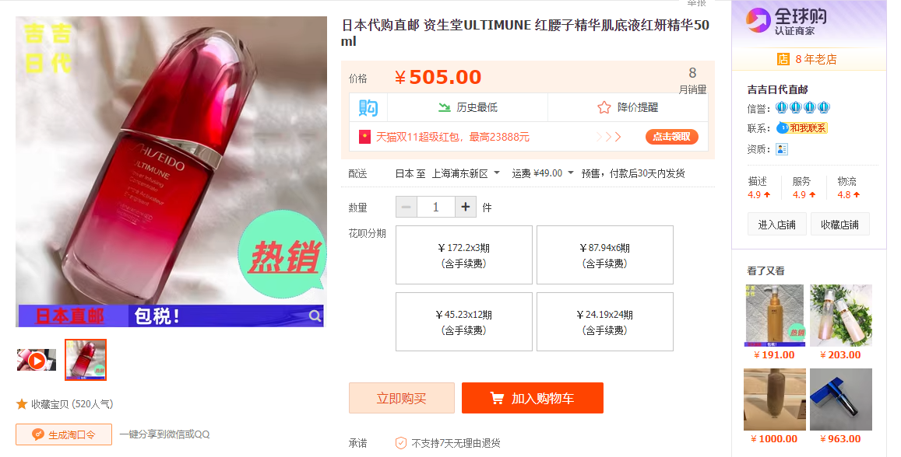

https://detail.tmall.com/item.htm?id=45281199111 |  | 链接失效
汉堡妈日本直邮

https://item.taobao.com/item.htm?id=620130753725&ft=t |  | 改为页面价格305.2
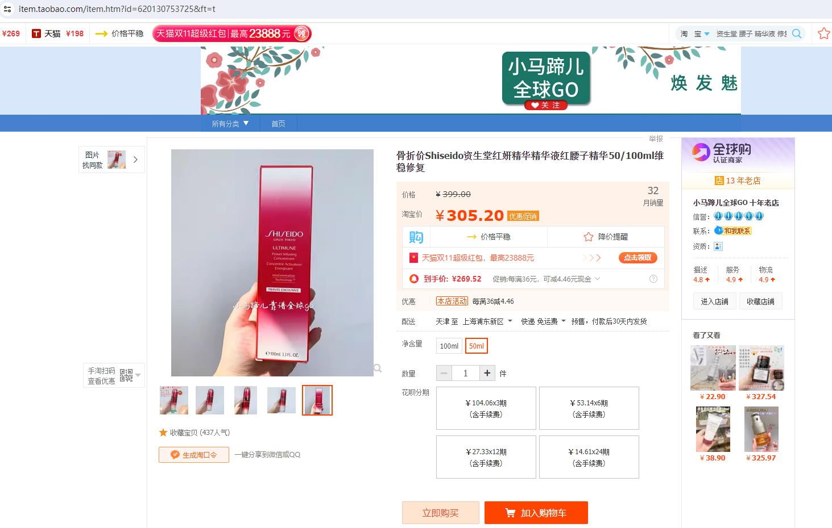

http://detail.tmall.com/item.htm?id=639910862699 |  | 改为页面价格300

