How To Use
How to use the DRAM register programming aid outline

Step 1. Obtain the desired DRAM data sheet from the DRAM vendor

The following are to be completed in the "Register Configuration" Worksheet tab.

Step 2. Update the Device Information table to include the DRAM information and system usage
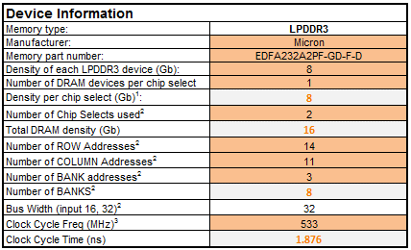
Select the desired memory type via this pull down menu

There is also an option to enable or disable ROW-BANK interleaving via a pull-down menu as shown below:

Step 3. Go through the various shaded cells in the spread sheet to update with data from the DRAM sheet (take special note of the “Legend” table to ascertain the meaning of different shaded cells; in many cases, the cells may not need to be updated).

The following refers to the "DStream .ds file" Worksheet tab. In this tab, the entire DRAM initialization can be obtained. This initialization can be used as a DStream .ds file (see below) or are reference for the bootloader DRAM initialization.

Step 4. Go to the "DStream .ds file" file Worksheet tab and copy and paste this into a text document (make sure to rename the document with a “.ds” file ending); this is ready to use with the ARM DStream development system.

Step 5. This .ds file can also be used as a reference for other debugger tools and bootloaders.
Note, there are some commands that are specific for the DS5 debugger and are noted in the "Dstream .ds file" work sheet. These commands should be commented out or removed for use in bootloaders or non-debugger based DDR stress tests (for example, when using a USB loadable DDR stress test)

