Sheet1
open




load data




edit strings





tidy dataframe

summarize




visualize
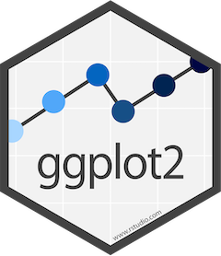


present

