平均值
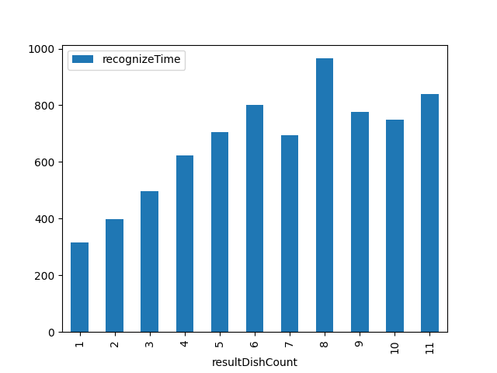
resultDishCount | recognizeTime
1 | 314.58313817
2 | 397.89807475
3 | 496.22429907
4 | 623.39249771
5 | 704.21041879
6 | 800.07655502
7 | 693.12679426
8 | 965.31927711
9 | 778
10 | 748
11 | 840

