clock_error
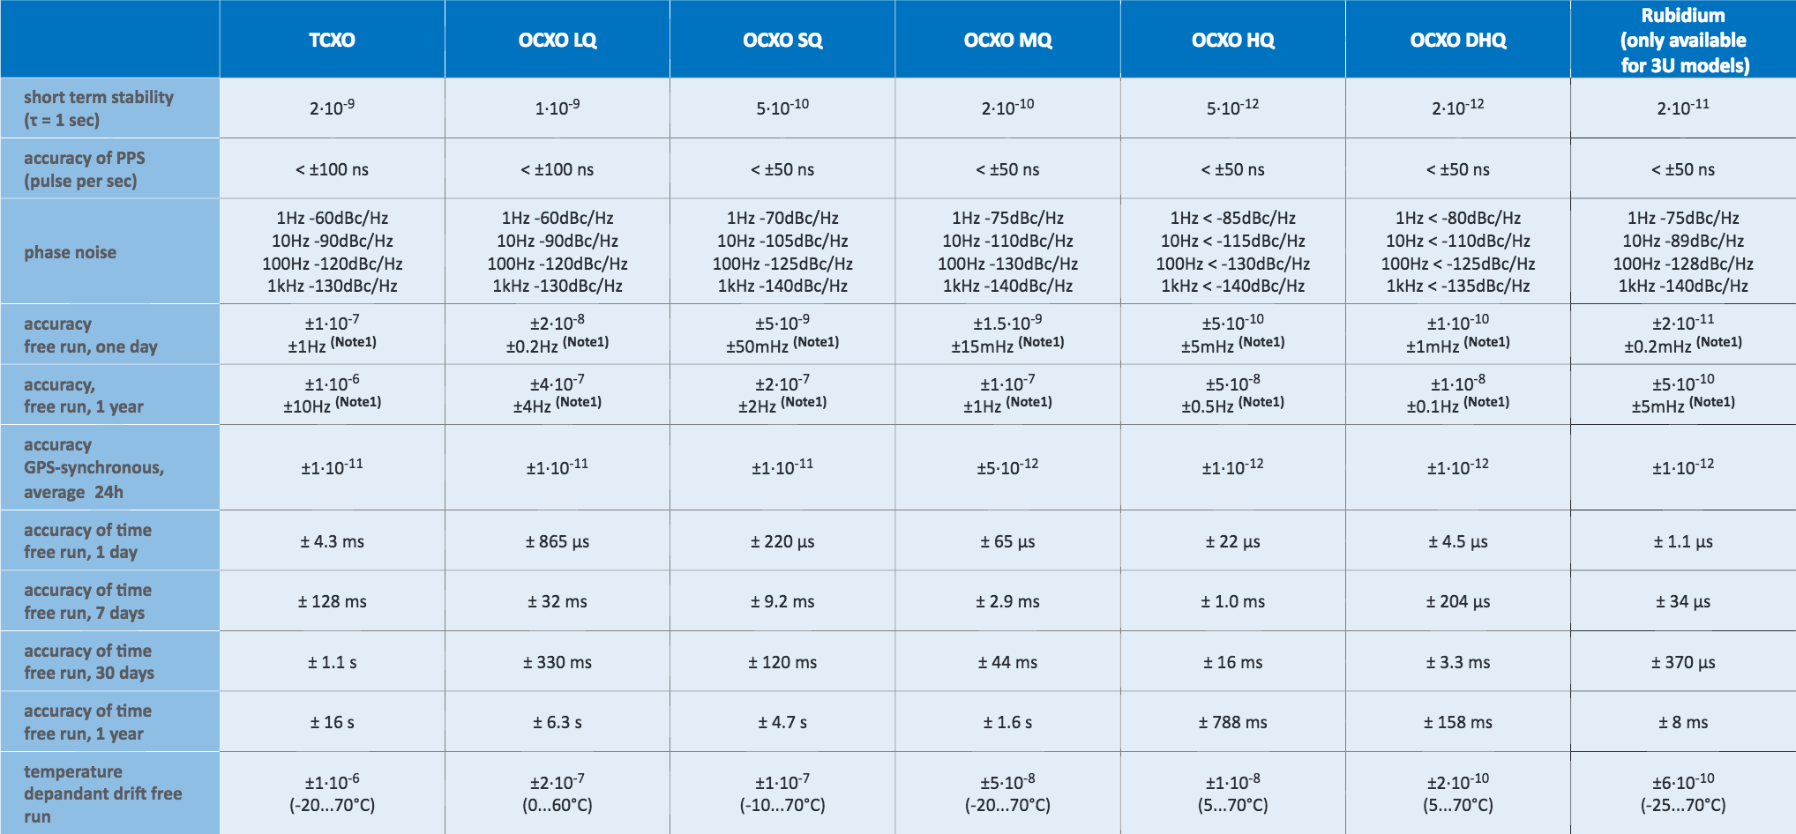
TCXO | time accuracy aging trend |  |  |  |  |  |  |  | https://f1000.com/work/item/4046674/resources/3090614/lspdf
 |  |  | linear |  | 2 poly
# free run day | delay time | slope | y=0.0442x-0.147 | error rate | y=2E-05x2+0.0385x-0.0815 | error rate
1 | 0.0043 | 0.020616666667 | -0.1028 | -2491% | -0.04298 | -1100%
7 | 0.128 | 0.042260869565 | 0.1624 | 27% | 0.18898 | 48%
30 | 1.1 | 0.04447761194 | 1.179 | 7% | 1.0915 | -1%
365 | 16 |  | 15.986 | 0% | 16.6355 | 4%

 | 1~7 | y=0.02061667x+0.0043

 |  |  |  |  |  |  | time (ms) | error (ms)
 |  |  |  |  |  |  | 0 | 0
 |  |  |  |  |  |  | 86400000 | 4.3
 |  |  |  |  |  |  | 604800000 | 128

 |  |  |  |  |  |  | 60000 | 0.00120108
 |  |  |  |  |  |  | 249975 | 0.0050182462502
 |  |  |  |  |  |  | 864000000000 | 223966080

