top
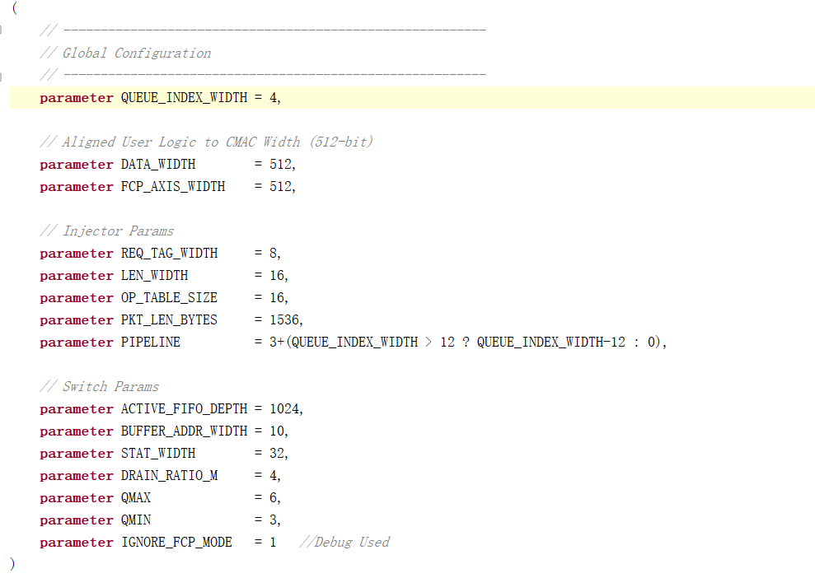
VC_WIDTH=4 |  | 使用资源情况 | 板卡总可用资源 | 占用率 | 顶层参数：
16 | LUT | 2475 | 1303680 | 0.1898472
 | LUTRAM | 541 | 600960 | 0.09002263
 | FF | 6129 | 2607360 | 0.23506536
 | BRAM | 30 | 2016 | 1.4880953
 | IO | 3 | 624 | 0.48076925
 | GT | 8 | 24 | 33.333336
 | BUFG | 7 | 1008 | 0.6944445
 | MMCM | 1 | 12 | 8.333334

VC_WIDTH=5
32 | LUT | 2504 | 1303680 | 0.19207168
 | LUTRAM | 541 | 600960 | 0.09002263
 | FF | 6153 | 2607360 | 0.23598583
 | BRAM | 30 | 2016 | 1.4880953
 | IO | 3 | 624 | 0.48076925
 | GT | 8 | 24 | 33.333336
 | BUFG | 7 | 1008 | 0.6944445
 | MMCM | 1 | 12 | 8.333334

VC_WIDTH=6
64 | LUT | 2519 | 1303680 | 0.19322227
 | LUTRAM | 541 | 600960 | 0.09002263
 | FF | 6177 | 2607360 | 0.23690629
 | BRAM | 30 | 2016 | 1.4880953
 | IO | 3 | 624 | 0.48076925
 | GT | 8 | 24 | 33.333336
 | BUFG | 7 | 1008 | 0.6944445
 | MMCM | 1 | 12 | 8.333334

VC_WIDTH=7
128 | LUT | 2530 | 1303680 | 0.19406603
 | LUTRAM | 549 | 600960 | 0.09135383
 | FF | 6201 | 2607360 | 0.23782676
 | BRAM | 30 | 2016 | 1.4880953
 | IO | 3 | 624 | 0.48076925
 | GT | 8 | 24 | 33.333336
 | BUFG | 7 | 1008 | 0.6944445
 | MMCM | 1 | 12 | 8.333334

VC_WIDTH=8
256 | LUT | 2588 | 1303680 | 0.19851497
 | LUTRAM | 575 | 600960 | 0.095680244
 | FF | 6225 | 2607360 | 0.23874724
 | BRAM | 30 | 2016 | 1.4880953
 | IO | 3 | 624 | 0.48076925
 | GT | 8 | 24 | 33.333336
 | BUFG | 7 | 1008 | 0.6944445
 | MMCM | 1 | 12 | 8.333334

VC_WIDTH=9
512 | LUT | 2547 | 1303680 | 0.19537003
 | LUTRAM | 537 | 600960 | 0.08935703
 | FF | 6222 | 2607360 | 0.23863217
 | BRAM | 30.5 | 2016 | 1.5128968
 | IO | 3 | 624 | 0.48076925
 | GT | 8 | 24 | 33.333336
 | BUFG | 7 | 1008 | 0.6944445
 | MMCM | 1 | 12 | 8.333334

VC_WIDTH=10
1024 | LUT | 2565 | 1303680 | 0.19675075
 | LUTRAM | 541 | 600960 | 0.09002263
 | FF | 6263 | 2607360 | 0.24020465
 | BRAM | 31 | 2016 | 1.5376984
 | IO | 3 | 624 | 0.48076925
 | GT | 8 | 24 | 33.333336
 | BUFG | 7 | 1008 | 0.6944445
 | MMCM | 1 | 12 | 8.333334

VC_WIDTH=11
2048 | LUT | 2586 | 1303680 | 0.19836156
 | LUTRAM | 541 | 600960 | 0.09002263
 | FF | 6272 | 2607360 | 0.24054982
 | BRAM | 35.5 | 2016 | 1.7609127
 | IO | 3 | 624 | 0.48076925
 | GT | 8 | 24 | 33.333336
 | BUFG | 7 | 1008 | 0.6944445
 | MMCM | 1 | 12 | 8.333334

VC_WIDTH=12
4096 | LUT | 2607 | 1303680 | 0.19997239
 | LUTRAM | 541 | 600960 | 0.09002263
 | FF | 6295 | 2607360 | 0.24143194
 | BRAM | 44 | 2016 | 2.1825397
 | IO | 3 | 624 | 0.48076925
 | GT | 8 | 24 | 33.333336
 | BUFG | 7 | 1008 | 0.6944445
 | MMCM | 1 | 12 | 8.333334

VC_WIDTH=13
8192 | LUT | 2751 | 1303680 | 0.21101804
 | LUTRAM | 577 | 600960 | 0.09601305
 | FF | 6370 | 2607360 | 0.24430843
 | BRAM | 63 | 2016 | 3.125
 | IO | 3 | 624 | 0.48076925
 | GT | 8 | 24 | 33.333336
 | BUFG | 7 | 1008 | 0.6944445
 | MMCM | 1 | 12 | 8.333334

VC_WIDTH=14
16384 | LUT | 2971 | 1303680 | 0.22789335
 | LUTRAM | 585 | 600960 | 0.09734425
 | FF | 6522 | 2607360 | 0.25013807
 | BRAM | 100 | 2016 | 4.9603176
 | IO | 3 | 624 | 0.48076925
 | GT | 8 | 24 | 33.333336
 | BUFG | 7 | 1008 | 0.6944445
 | MMCM | 1 | 12 | 8.333334

VC_WIDTH=15
32768 | LUT | 3058 | 1303680 | 0.23456676
 | LUTRAM | 603 | 600960 | 0.10033946
 | FF | 6582 | 2607360 | 0.25243923
 | BRAM | 174.5 | 2016 | 8.655754
 | IO | 3 | 624 | 0.48076925
 | GT | 8 | 24 | 33.333336
 | BUFG | 7 | 1008 | 0.6944445
 | MMCM | 1 | 12 | 8.333334

VC_WIDTH=16
65536 | LUT | 3247 | 1303680 | 0.24906418
 | LUTRAM | 605 | 600960 | 0.10067226
 | FF | 6980 | 2607360 | 0.26770374
 | BRAM | 329.5 | 2016 | 16.344246
 | IO | 3 | 624 | 0.48076925
 | GT | 8 | 24 | 33.333336
 | BUFG | 7 | 1008 | 0.6944445
 | MMCM | 1 | 12 | 8.333334

massive_traffic_inj
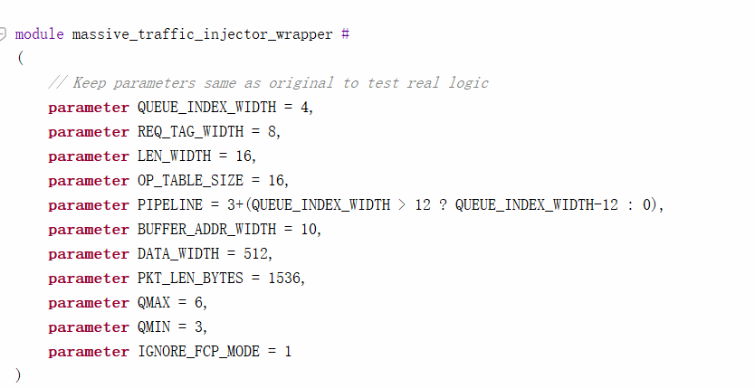
VC_WIDTH=4 |  | 使用资源情况 | 板卡总可用资源 | 占用率 | 顶层参数
16 | LUT | 589 | 1303680 | 0.0451798
 | LUTRAM | 53 | 600960 | 0.01
 | FF | 542 | 2607360 | 0.02078731
 | BRAM | 4 | 2016 | 0.19841272
 | IO | 5 | 624 | 0.8012821
 | BUFG | 1 | 1008 | 0.09920636

VC_WIDTH=5
32 | LUT | 627 | 1303680 | 0.048094623
 | LUTRAM | 53 | 600960 | 0.01
 | FF | 561 | 2607360 | 0.021516016
 | BRAM | 4 | 2016 | 0.19841272
 | IO | 5 | 624 | 0.8012821
 | BUFG | 1 | 1008 | 0.09920636

VC_WIDTH=6
64 | LUT | 635 | 1303680 | 0.04870827
 | LUTRAM | 53 | 600960 | 0.01
 | FF | 580 | 2607360 | 0.022244724
 | BRAM | 4 | 2016 | 0.19841272
 | IO | 5 | 624 | 0.8012821
 | BUFG | 1 | 1008 | 0.09920636

VC_WIDTH=7
128 | LUT | 651 | 1303680 | 0.049935568
 | LUTRAM | 61 | 600960 | 0.010150426
 | FF | 606 | 2607360 | 0.0232419
 | BRAM | 4 | 2016 | 0.19841272
 | IO | 5 | 624 | 0.8012821
 | BUFG | 1 | 1008 | 0.09920636

VC_WIDTH=8
256 | LUT | 683 | 1303680 | 0.052390154
 | LUTRAM | 85 | 600960 | 0.014144037
 | FF | 618 | 2607360 | 0.023702135
 | BRAM | 4 | 2016 | 0.19841272
 | IO | 5 | 624 | 0.8012821
 | BUFG | 1 | 1008 | 0.09920636

VC_WIDTH=9
512 | LUT | 655 | 1303680 | 0.05024239
 | LUTRAM | 45 | 600960 | 0.01
 | FF | 619 | 2607360 | 0.023740487
 | BRAM | 4.5 | 2016 | 0.2232143
 | IO | 5 | 624 | 0.8012821
 | BUFG | 1 | 1008 | 0.09920636

VC_WIDTH=10
1024 | LUT | 671 | 1303680 | 0.051469687
 | LUTRAM | 45 | 600960 | 0.01
 | FF | 656 | 2607360 | 0.025159549
 | BRAM | 5 | 2016 | 0.24801588
 | IO | 5 | 624 | 0.8012821
 | BUFG | 1 | 1008 | 0.09920636

VC_WIDTH=11
2048 | LUT | 679 | 1303680 | 0.052083336
 | LUTRAM | 45 | 600960 | 0.01
 | FF | 667 | 2607360 | 0.025581433
 | BRAM | 7.5 | 2016 | 0.37202382
 | IO | 5 | 624 | 0.8012821
 | BUFG | 1 | 1008 | 0.09920636

VC_WIDTH=12
4096 | LUT | 689 | 1303680 | 0.05285039
 | LUTRAM | 45 | 600960 | 0.01
 | FF | 686 | 2607360 | 0.026310137
 | BRAM | 13 | 2016 | 0.64484125
 | IO | 5 | 624 | 0.8012821
 | BUFG | 1 | 1008 | 0.09920636

VC_WIDTH=13
8192 | LUT | 773 | 1303680 | 0.059293695
 | LUTRAM | 49 | 600960 | 0.01
 | FF | 744 | 2607360 | 0.02853461
 | BRAM | 24.5 | 2016 | 1.2152778
 | IO | 5 | 624 | 0.8012821
 | BUFG | 1 | 1008 | 0.09920636

VC_WIDTH=14
16384 | LUT | 874 | 1303680 | 0.067040995
 | LUTRAM | 57 | 600960 | 0.01
 | FF | 766 | 2607360 | 0.029378375
 | BRAM | 48 | 2016 | 2.3809524
 | IO | 5 | 624 | 0.8012821
 | BUFG | 1 | 1008 | 0.09920636

VC_WIDTH=15
32768 | LUT | 999 | 1303680 | 0.07662924
 | LUTRAM | 73 | 600960 | 0.012147231
 | FF | 904 | 2607360 | 0.034671083
 | BRAM | 96.5 | 2016 | 4.7867064
 | IO | 5 | 624 | 0.8012821
 | BUFG | 1 | 1008 | 0.09920636

VC_WIDTH=16
65536 | LUT | 1107 | 1303680 | 0.08491348
 | LUTRAM | 73 | 600960 | 0.012147231
 | FF | 1145 | 2607360 | 0.04391415
 | BRAM | 196.5 | 2016 | 9.747024
 | IO | 5 | 624 | 0.8012821
 | BUFG | 1 | 1008 | 0.09920636

rr_sched
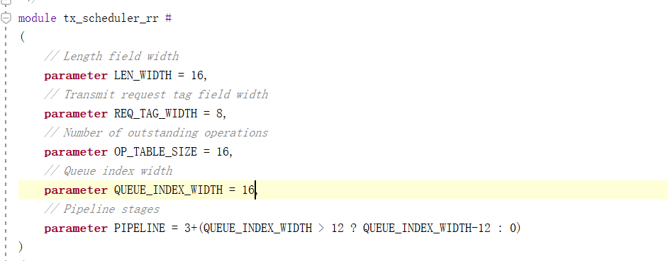
VC_WIDTH=4 |  | 使用资源情况 | 板卡总可用资源 | 占用率 |  | 顶层参数
16 | LUT | 299 | 1303680 | 0.022935076
 | LUTRAM | 53 | 600960 | 0.01
 | FF | 160 | 2607360 | 0.01
 | BRAM | 1 | 2016 | 0.04960318 | 4.5
 | IO | 44 | 624 | 7.0512824
 | BUFG | 1 | 1008 | 0.09920636

VC_WIDTH=5
32 | LUT | 307 | 1303680 | 0.023548724
 | LUTRAM | 53 | 600960 | 0.01
 | FF | 170 | 2607360 | 0.01
 | BRAM | 1 | 2016 | 0.04960318 | 4.5
 | IO | 46 | 624 | 7.371795
 | BUFG | 1 | 1008 | 0.09920636

VC_WIDTH=6
64 | LUT | 323 | 1303680 | 0.024776017
 | LUTRAM | 53 | 600960 | 0.01
 | FF | 180 | 2607360 | 0.01
 | BRAM | 1 | 2016 | 0.04960318 | 4.5
 | IO | 48 | 624 | 7.692308
 | BUFG | 1 | 1008 | 0.09920636

VC_WIDTH=7
128 | LUT | 355 | 1303680 | 0.02723061
 | LUTRAM | 61 | 600960 | 0.010150426
 | FF | 190 | 2607360 | 0.01
 | BRAM | 1 | 2016 | 0.04960318 | 4.5
 | IO | 50 | 624 | 8.012821
 | BUFG | 1 | 1008 | 0.09920636

VC_WIDTH=8
256 | LUT | 388 | 1303680 | 0.029761907
 | LUTRAM | 85 | 600960 | 0.014144037
 | FF | 200 | 2607360 | 0.01
 | BRAM | 1 | 2016 | 0.04960318 | 4.5
 | IO | 52 | 624 | 8.333334
 | BUFG | 1 | 1008 | 0.09920636

VC_WIDTH=9
512 | LUT | 372 | 1303680 | 0.02853461
 | LUTRAM | 45 | 600960 | 0.01
 | FF | 192 | 2607360 | 0.01
 | BRAM | 1.5 | 2016 | 0.07440476 | 6.75
 | IO | 54 | 624 | 8.653847
 | BUFG | 1 | 1008 | 0.09920636

VC_WIDTH=10
1024 | LUT | 395 | 1303680 | 0.030298846
 | LUTRAM | 45 | 600960 | 0.01
 | FF | 200 | 2607360 | 0.01
 | BRAM | 1.5 | 2016 | 0.07440476 | 6.75
 | IO | 56 | 624 | 8.9743595
 | BUFG | 1 | 1008 | 0.09920636

VC_WIDTH=11
2048 | LUT | 405 | 1303680 | 0.031065905
 | LUTRAM | 45 | 600960 | 0.01
 | FF | 231 | 2607360 | 0.01
 | BRAM | 2.5 | 2016 | 0.12400794 | 11.25
 | IO | 58 | 624 | 9.294872
 | BUFG | 1 | 1008 | 0.09920636

VC_WIDTH=12
4096 | LUT | 409 | 1303680 | 0.03137273
 | LUTRAM | 45 | 600960 | 0.01
 | FF | 228 | 2607360 | 0.01
 | BRAM | 4 | 2016 | 0.19841272 | 18
 | IO | 60 | 624 | 9.615385
 | BUFG | 1 | 1008 | 0.09920636

VC_WIDTH=13
8192 | LUT | 422 | 1303680 | 0.032369904
 | LUTRAM | 49 | 600960 | 0.01
 | FF | 274 | 2607360 | 0.010508713
 | BRAM | 7.5 | 2016 | 0.37202382 | 33.75
 | IO | 62 | 624 | 9.935898
 | BUFG | 1 | 1008 | 0.09920636

VC_WIDTH=14
16384 | LUT | 493 | 1303680 | 0.037816025
 | LUTRAM | 57 | 600960 | 0.01
 | FF | 283 | 2607360 | 0.010853891
 | BRAM | 15 | 2016 | 0.74404764 | 67.5
 | IO | 64 | 624 | 10.256411
 | BUFG | 1 | 1008 | 0.09920636

VC_WIDTH=15
32768 | LUT | 573 | 1303680 | 0.043952502
 | LUTRAM | 73 | 600960 | 0.012147231
 | FF | 372 | 2607360 | 0.014267305
 | BRAM | 30.5 | 2016 | 1.5128968 | 137.25
 | IO | 66 | 624 | 10.576923
 | BUFG | 1 | 1008 | 0.09920636

VC_WIDTH=16
65536 | LUT | 644 | 1303680 | 0.049398623
 | LUTRAM | 73 | 600960 | 0.012147231
 | FF | 480 | 2607360 | 0.018409425
 | BRAM | 64.5 | 2016 | 3.199405 | 290.25
 | IO | 68 | 624 | 10.897436
 | BUFG | 1 | 1008 | 0.09920636

queue_manager
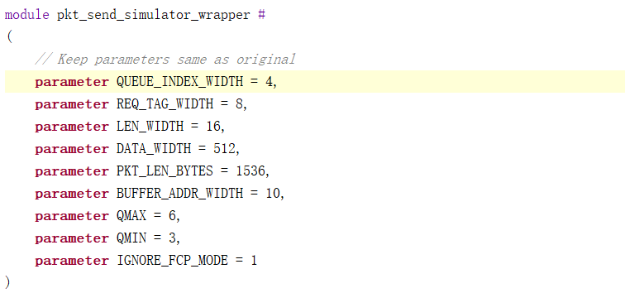
VC_WIDTH=4 |  | 使用资源情况 | 板卡总可用资源 | 占用率 | 顶层参数
16 | LUT | 300 | 1303680 | 0.023011781
 | FF | 389 | 2607360 | 0.014919306
 | BRAM | 3 | 2016 | 0.14880952
 | IO | 5 | 624 | 0.8012821
 | BUFG | 1 | 1008 | 0.09920636

VC_WIDTH=5
32 | LUT | 320 | 1303680 | 0.0245459
 | FF | 398 | 2607360 | 0.015264481
 | BRAM | 3 | 2016 | 0.14880952
 | IO | 5 | 624 | 0.8012821
 | BUFG | 1 | 1008 | 0.09920636

VC_WIDTH=6
64 | LUT | 304 | 1303680 | 0.023318605
 | FF | 407 | 2607360 | 0.015609659
 | BRAM | 3 | 2016 | 0.14880952
 | IO | 5 | 624 | 0.8012821
 | BUFG | 1 | 1008 | 0.09920636

VC_WIDTH=7
128 | LUT | 314 | 1303680 | 0.024085665
 | FF | 416 | 2607360 | 0.015954835
 | BRAM | 3 | 2016 | 0.14880952
 | IO | 5 | 624 | 0.8012821
 | BUFG | 1 | 1008 | 0.09920636

VC_WIDTH=8
256 | LUT | 329 | 1303680 | 0.025236255
 | FF | 425 | 2607360 | 0.016300011
 | BRAM | 3 | 2016 | 0.14880952
 | IO | 5 | 624 | 0.8012821
 | BUFG | 1 | 1008 | 0.09920636

VC_WIDTH=9
512 | LUT | 316 | 1303680 | 0.024239076
 | FF | 434 | 2607360 | 0.01664519
 | BRAM | 3 | 2016 | 0.14880952
 | IO | 5 | 624 | 0.8012821
 | BUFG | 1 | 1008 | 0.09920636

VC_WIDTH=10
1024 | LUT | 334 | 1303680 | 0.025619784
 | FF | 443 | 2607360 | 0.016990365
 | BRAM | 3.5 | 2016 | 0.17361112
 | IO | 5 | 624 | 0.8012821
 | BUFG | 1 | 1008 | 0.09920636

VC_WIDTH=11
2048 | LUT | 314 | 1303680 | 0.024085665
 | FF | 442 | 2607360 | 0.016952012
 | BRAM | 5 | 2016 | 0.24801588
 | IO | 5 | 624 | 0.8012821
 | BUFG | 1 | 1008 | 0.09920636

VC_WIDTH=12
4096 | LUT | 331 | 1303680 | 0.025389666
 | FF | 453 | 2607360 | 0.017373895
 | BRAM | 9 | 2016 | 0.4464286
 | IO | 5 | 624 | 0.8012821
 | BUFG | 1 | 1008 | 0.09920636

VC_WIDTH=13
8192 | LUT | 351 | 1303680 | 0.026923785
 | FF | 464 | 2607360 | 0.017795779
 | BRAM | 17 | 2016 | 0.843254
 | IO | 5 | 624 | 0.8012821
 | BUFG | 1 | 1008 | 0.09920636

VC_WIDTH=14
16384 | LUT | 340 | 1303680 | 0.026080022
 | FF | 476 | 2607360 | 0.018256014
 | BRAM | 33 | 2016 | 1.6369048
 | IO | 5 | 624 | 0.8012821
 | BUFG | 1 | 1008 | 0.09920636

VC_WIDTH=15
32768 | LUT | 345 | 1303680 | 0.026463548
 | FF | 535 | 2607360 | 0.02051884
 | BRAM | 66 | 2016 | 3.2738097
 | IO | 5 | 624 | 0.8012821
 | BUFG | 1 | 1008 | 0.09920636

VC_WIDTH=16
65536 | LUT | 510 | 1303680 | 0.03912003
 | FF | 660 | 2607360 | 0.02531296
 | BRAM | 132 | 2016 | 6.5476193
 | IO | 5 | 624 | 0.8012821
 | BUFG | 1 | 1008 | 0.09920636

downstream
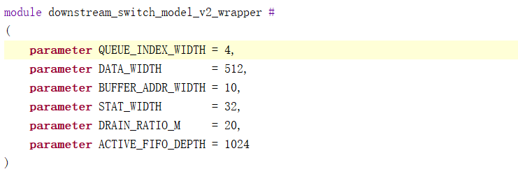
VC_WIDTH=4 |  | 使用资源情况 | 板卡总可用资源 | 占用率 | 顶层参数
16 | LUT | 272 | 1303680 | 0.020864015
 | LUTRAM | 8 | 600960 | 0.01
 | FF | 375 | 2607360 | 0.014382363
 | BRAM | 12.5 | 2016 | 0.6200397
 | IO | 4 | 624 | 0.64102566
 | BUFG | 1 | 1008 | 0.09920636

VC_WIDTH=5
32 | LUT | 273 | 1303680 | 0.020940721
 | LUTRAM | 8 | 600960 | 0.01
 | FF | 377 | 2607360 | 0.01445907
 | BRAM | 12.5 | 2016 | 0.6200397
 | IO | 4 | 624 | 0.64102566
 | BUFG | 1 | 1008 | 0.09920636

VC_WIDTH=6
64 | LUT | 272 | 1303680 | 0.020864015
 | LUTRAM | 8 | 600960 | 0.01
 | FF | 379 | 2607360 | 0.014535775
 | BRAM | 12.5 | 2016 | 0.6200397
 | IO | 4 | 624 | 0.64102566
 | BUFG | 1 | 1008 | 0.09920636

VC_WIDTH=7
128 | LUT | 272 | 1303680 | 0.020864015
 | LUTRAM | 8 | 600960 | 0.01
 | FF | 381 | 2607360 | 0.014612482
 | BRAM | 12.5 | 2016 | 0.6200397
 | IO | 4 | 624 | 0.64102566
 | BUFG | 1 | 1008 | 0.09920636

VC_WIDTH=8
256 | LUT | 275 | 1303680 | 0.021094134
 | LUTRAM | 10 | 600960 | 0.01
 | FF | 383 | 2607360 | 0.0146891875
 | BRAM | 12.5 | 2016 | 0.6200397
 | IO | 4 | 624 | 0.64102566
 | BUFG | 1 | 1008 | 0.09920636

VC_WIDTH=9
512 | LUT | 280 | 1303680 | 0.021477664
 | LUTRAM | 12 | 600960 | 0.01
 | FF | 385 | 2607360 | 0.014765894
 | BRAM | 12.5 | 2016 | 0.6200397
 | IO | 4 | 624 | 0.64102566
 | BUFG | 1 | 1008 | 0.09920636

VC_WIDTH=10
1024 | LUT | 283 | 1303680 | 0.021707783
 | LUTRAM | 16 | 600960 | 0.01
 | FF | 387 | 2607360 | 0.0148426
 | BRAM | 13 | 2016 | 0.64484125
 | IO | 4 | 624 | 0.64102566
 | BUFG | 1 | 1008 | 0.09920636

VC_WIDTH=11
2048 | LUT | 284 | 1303680 | 0.021784486
 | LUTRAM | 16 | 600960 | 0.01
 | FF | 389 | 2607360 | 0.014919306
 | BRAM | 16 | 2016 | 0.79365087
 | IO | 4 | 624 | 0.64102566
 | BUFG | 1 | 1008 | 0.09920636

VC_WIDTH=12
4096 | LUT | 289 | 1303680 | 0.022168016
 | LUTRAM | 16 | 600960 | 0.01
 | FF | 391 | 2607360 | 0.014996011
 | BRAM | 21 | 2016 | 1.0416667
 | IO | 4 | 624 | 0.64102566
 | BUFG | 1 | 1008 | 0.09920636

VC_WIDTH=13
8192 | LUT | 301 | 1303680 | 0.023088489
 | LUTRAM | 16 | 600960 | 0.01
 | FF | 393 | 2607360 | 0.015072716
 | BRAM | 30 | 2016 | 1.4880953
 | IO | 4 | 624 | 0.64102566
 | BUFG | 1 | 1008 | 0.09920636

VC_WIDTH=14
16384 | LUT | 296 | 1303680 | 0.022704959
 | LUTRAM | 16 | 600960 | 0.01
 | FF | 412 | 2607360 | 0.015801424
 | BRAM | 51.5 | 2016 | 2.5545635
 | IO | 4 | 624 | 0.64102566
 | BUFG | 1 | 1008 | 0.09920636

VC_WIDTH=15
32768 | LUT | 331 | 1303680 | 0.025389666
 | LUTRAM | 18 | 600960 | 0.01
 | FF | 487 | 2607360 | 0.018677898
 | BRAM | 93.5 | 2016 | 4.6378965
 | IO | 4 | 624 | 0.64102566
 | BUFG | 1 | 1008 | 0.09920636

VC_WIDTH=16
65536 | LUT | 625 | 1303680 | 0.04794121
 | LUTRAM | 20 | 600960 | 0.01
 | FF | 712 | 2607360 | 0.027307315
 | BRAM | 179.5 | 2016 | 8.90377
 | IO | 4 | 624 | 0.64102566
 | BUFG | 1 | 1008 | 0.09920636

