Sheet1
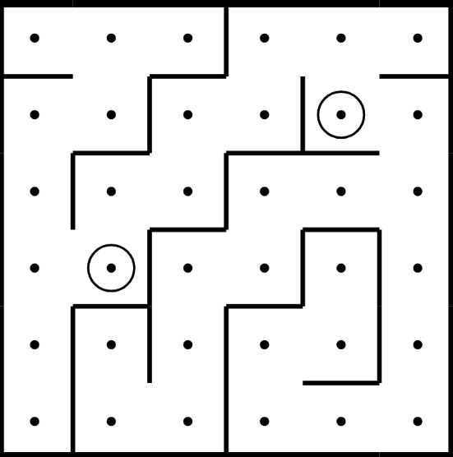
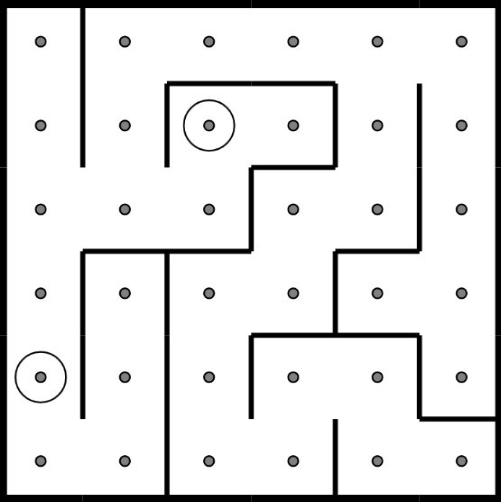
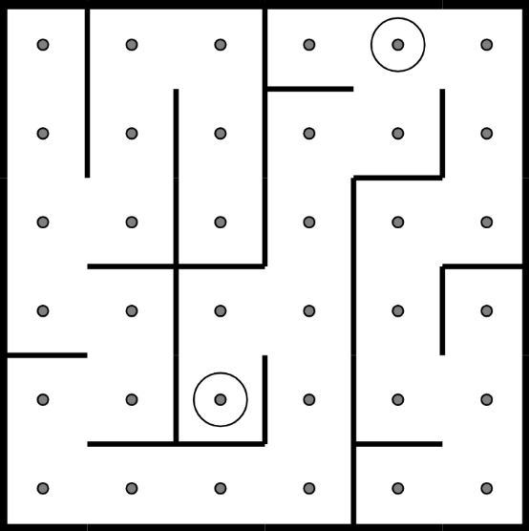
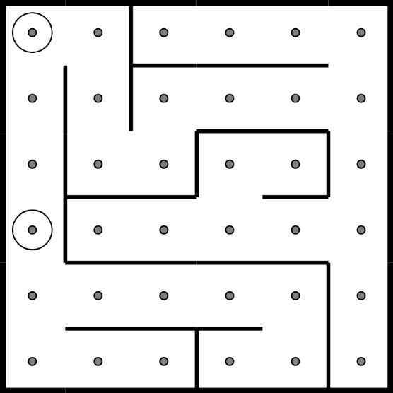
 | 1 | 2 | 3 | 4 | 5 | 6 | 7 | 8 | 9 | 10 | 11 | 12 | 13
1 | 1 | 1 | 1 | 1 | 1 | 1 | 1 | 1 | 1 | 1 | 1 | 1 | 1 | 1 | 1 | 1 | 1 | 1 | 1 | 1 | 1 | 1 | 1 | 1 | 1 | 1 | 1 | 1 | 1 | 1 | 1 | 1 | 1 | 1 | 1 | 1 | 1 | 1 | 1 | 1 | 1 | 1 | 1 | 1 | 1 | 1 | 1 | 1 | 1 | 1 | 1 | 1
2 | 1 |  |  |  |  |  | 1 |  |  |  |  |  | 1 | 1 |  | 1 |  |  |  |  |  |  |  |  |  | 1 | 1 |  | 1 |  |  |  | 1 |  |  | 2 |  |  | 1 | 1 | 2 |  |  | 1 |  |  |  |  |  |  |  | 1
3 | 1 | 1 | 1 |  | 1 | 1 | 1 |  | 1 |  | 1 | 1 | 1 | 1 |  | 1 |  | 1 | 1 | 1 | 1 | 1 |  | 1 |  | 1 | 1 |  | 1 |  | 1 |  | 1 | 1 | 1 |  | 1 |  | 1 | 1 |  | 1 |  | 1 | 1 | 1 | 1 | 1 | 1 | 1 |  | 1
4 | 1 |  |  |  | 1 |  |  |  | 1 | 2 |  |  | 1 | 1 |  | 1 |  | 1 | 2 |  |  | 1 |  | 1 |  | 1 | 1 |  | 1 |  | 1 |  | 1 |  |  |  | 1 |  | 1 | 1 |  | 1 |  | 1 |  |  |  |  |  |  |  | 1
5 | 1 |  | 1 | 1 | 1 |  | 1 | 1 | 1 | 1 | 1 |  | 1 | 1 |  | 1 |  | 1 |  | 1 | 1 | 1 |  | 1 |  | 1 | 1 |  | 1 |  | 1 |  | 1 |  | 1 | 1 | 1 |  | 1 | 1 |  | 1 |  | 1 |  | 1 | 1 | 1 | 1 | 1 |  | 1
6 | 1 |  | 1 |  |  |  | 1 |  |  |  |  |  | 1 | 1 |  |  |  |  |  | 1 |  |  |  | 1 |  | 1 | 1 |  |  |  | 1 |  | 1 |  | 1 |  |  |  | 1 | 1 |  | 1 |  |  |  | 1 |  |  |  | 1 |  | 1
7 | 1 |  | 1 |  | 1 | 1 | 1 |  | 1 | 1 | 1 |  | 1 | 1 |  | 1 | 1 | 1 | 1 | 1 |  | 1 | 1 | 1 |  | 1 | 1 |  | 1 | 1 | 1 | 1 | 1 |  | 1 |  | 1 | 1 | 1 | 1 |  | 1 | 1 | 1 | 1 | 1 |  | 1 | 1 | 1 |  | 1
8 | 1 |  |  | 2 | 1 |  |  |  | 1 |  | 1 |  | 1 | 1 |  | 1 |  | 1 |  |  |  | 1 |  |  |  | 1 | 1 |  |  |  | 1 |  |  |  | 1 |  | 1 |  | 1 | 1 | 2 | 1 |  |  |  |  |  |  |  |  |  | 1
9 | 1 |  | 1 | 1 | 1 |  | 1 | 1 | 1 |  | 1 |  | 1 | 1 |  | 1 |  | 1 |  | 1 | 1 | 1 | 1 | 1 |  | 1 | 1 | 1 | 1 |  | 1 |  | 1 |  | 1 |  | 1 |  | 1 | 1 |  | 1 | 1 | 1 | 1 | 1 | 1 | 1 | 1 | 1 |  | 1
10 | 1 |  | 1 |  | 1 |  | 1 |  |  |  | 1 |  | 1 | 1 | 2 | 1 |  | 1 |  | 1 |  |  |  | 1 |  | 1 | 1 |  |  |  | 1 | 2 | 1 |  | 1 |  |  |  | 1 | 1 |  |  |  |  |  |  |  |  |  | 1 |  | 1
11 | 1 |  | 1 |  | 1 |  | 1 |  | 1 | 1 | 1 |  | 1 | 1 |  | 1 |  | 1 |  | 1 |  | 1 |  | 1 | 1 | 1 | 1 |  | 1 | 1 | 1 | 1 | 1 |  | 1 | 1 | 1 |  | 1 | 1 |  | 1 | 1 | 1 | 1 | 1 | 1 | 1 |  | 1 |  | 1
12 | 1 |  | 1 |  |  |  | 1 |  |  |  |  |  | 1 | 1 |  |  |  | 1 |  |  |  | 1 |  |  |  | 1 | 1 |  |  |  |  |  |  |  | 1 |  |  |  | 1 | 1 |  |  |  |  |  | 1 |  |  |  | 1 |  | 1
13 | 1 | 1 | 1 | 1 | 1 | 1 | 1 | 1 | 1 | 1 | 1 | 1 | 1 | 1 | 1 | 1 | 1 | 1 | 1 | 1 | 1 | 1 | 1 | 1 | 1 | 1 | 1 | 1 | 1 | 1 | 1 | 1 | 1 | 1 | 1 | 1 | 1 | 1 | 1 | 1 | 1 | 1 | 1 | 1 | 1 | 1 | 1 | 1 | 1 | 1 | 1 | 1

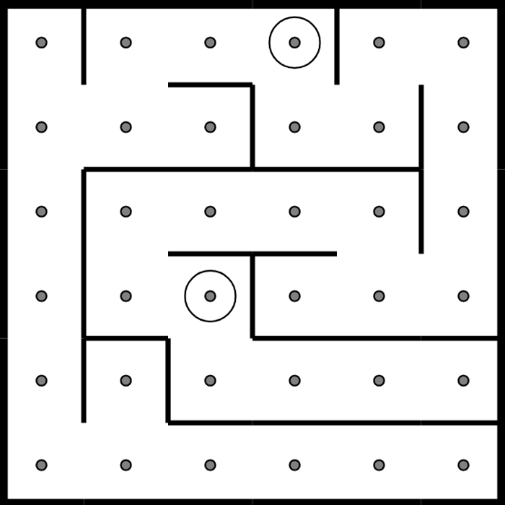
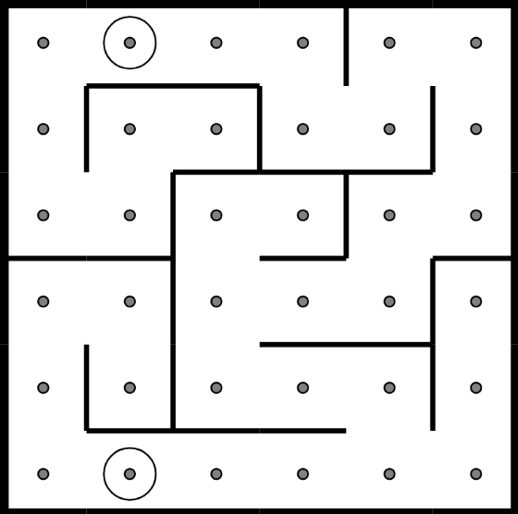
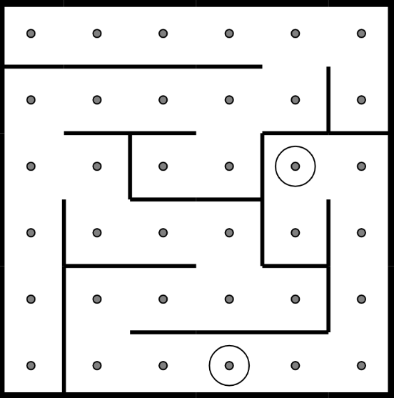
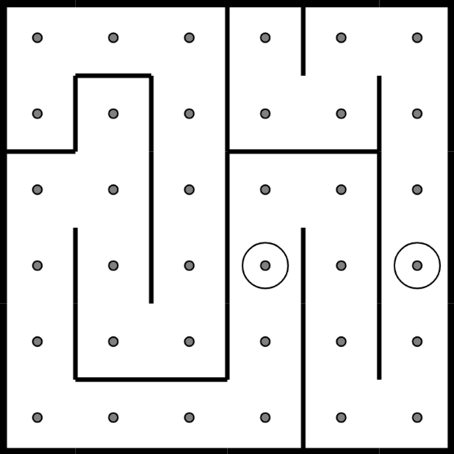
 | 1 | 1 | 1 | 1 | 1 | 1 | 1 | 1 | 1 | 1 | 1 | 1 | 1 | 1 | 1 | 1 | 1 | 1 | 1 | 1 | 1 | 1 | 1 | 1 | 1 | 1 | 1 | 1 | 1 | 1 | 1 | 1 | 1 | 1 | 1 | 1 | 1 | 1 | 1 | 1 | 1 | 1 | 1 | 1 | 1 | 1 | 1 | 1 | 1 | 1 | 1 | 1
 | 1 |  | 1 |  |  |  |  | 2 | 1 |  |  |  | 1 | 1 |  |  | 2 |  |  |  |  | 1 |  |  |  | 1 | 1 |  |  |  |  |  |  |  |  |  |  |  | 1 | 1 |  |  |  |  |  | 1 |  | 1 |  |  |  | 1
 | 1 |  | 1 |  | 1 | 1 | 1 |  | 1 |  | 1 |  | 1 | 1 |  | 1 | 1 | 1 | 1 | 1 |  | 1 |  | 1 |  | 1 | 1 | 1 | 1 | 1 | 1 | 1 | 1 | 1 | 1 |  | 1 |  | 1 | 1 |  | 1 | 1 | 1 |  | 1 |  | 1 |  | 1 |  | 1
 | 1 |  |  |  |  |  | 1 |  |  |  | 1 |  | 1 | 1 |  | 1 |  |  |  | 1 |  |  |  | 1 |  | 1 | 1 |  |  |  |  |  |  |  |  |  | 1 |  | 1 | 1 |  | 1 |  | 1 |  | 1 |  |  |  | 1 |  | 1
 | 1 |  | 1 | 1 | 1 | 1 | 1 | 1 | 1 | 1 | 1 |  | 1 | 1 |  | 1 |  | 1 | 1 | 1 | 1 | 1 | 1 | 1 |  | 1 | 1 |  | 1 | 1 | 1 | 1 | 1 |  | 1 | 1 | 1 | 1 | 1 | 1 | 1 | 1 |  | 1 |  | 1 | 1 | 1 | 1 | 1 |  | 1
 | 1 |  | 1 |  |  |  |  |  |  |  | 1 |  | 1 | 1 |  |  |  | 1 |  |  |  | 1 |  |  |  | 1 | 1 |  |  |  | 1 |  |  |  | 1 | 2 |  |  | 1 | 1 |  |  |  | 1 |  | 1 |  |  |  | 1 |  | 1
 | 1 |  | 1 |  | 1 | 1 | 1 | 1 | 1 |  | 1 |  | 1 | 1 | 1 | 1 | 1 | 1 |  | 1 | 1 | 1 |  | 1 | 1 | 1 | 1 |  | 1 |  | 1 | 1 | 1 | 1 | 1 |  | 1 |  | 1 | 1 |  | 1 |  | 1 |  | 1 |  | 1 |  | 1 |  | 1
 | 1 |  | 1 |  |  | 2 | 1 |  |  |  |  |  | 1 | 1 |  |  |  | 1 |  |  |  |  |  | 1 |  | 1 | 1 |  | 1 |  |  |  |  |  | 1 |  | 1 |  | 1 | 1 |  | 1 |  | 1 |  | 1 | 2 | 1 |  | 1 | 2 | 1
 | 1 |  | 1 | 1 | 1 |  | 1 | 1 | 1 | 1 | 1 | 1 | 1 | 1 |  | 1 |  | 1 |  | 1 | 1 | 1 | 1 | 1 |  | 1 | 1 |  | 1 | 1 | 1 | 1 | 1 |  | 1 | 1 | 1 |  | 1 | 1 |  | 1 |  | 1 |  | 1 |  | 1 |  | 1 |  | 1
 | 1 |  | 1 |  | 1 |  |  |  |  |  |  |  | 1 | 1 |  | 1 |  | 1 |  |  |  |  |  | 1 |  | 1 | 1 |  | 1 |  |  |  |  |  |  |  | 1 |  | 1 | 1 |  | 1 |  |  |  | 1 |  | 1 |  | 1 |  | 1
 | 1 |  | 1 |  | 1 | 1 | 1 | 1 | 1 | 1 | 1 | 1 | 1 | 1 |  | 1 | 1 | 1 | 1 | 1 | 1 | 1 |  | 1 |  | 1 | 1 |  | 1 |  | 1 | 1 | 1 | 1 | 1 | 1 | 1 |  | 1 | 1 |  | 1 | 1 | 1 | 1 | 1 |  | 1 |  | 1 |  | 1
 | 1 |  |  |  |  |  |  |  |  |  |  |  | 1 | 1 |  |  | 2 |  |  |  |  |  |  |  |  | 1 | 1 |  | 1 |  |  |  |  | 2 |  |  |  |  | 1 | 1 |  |  |  |  |  |  |  | 1 |  |  |  | 1
 | 1 | 1 | 1 | 1 | 1 | 1 | 1 | 1 | 1 | 1 | 1 | 1 | 1 | 1 | 1 | 1 | 1 | 1 | 1 | 1 | 1 | 1 | 1 | 1 | 1 | 1 | 1 | 1 | 1 | 1 | 1 | 1 | 1 | 1 | 1 | 1 | 1 | 1 | 1 | 1 | 1 | 1 | 1 | 1 | 1 | 1 | 1 | 1 | 1 | 1 | 1 | 1

