Summary
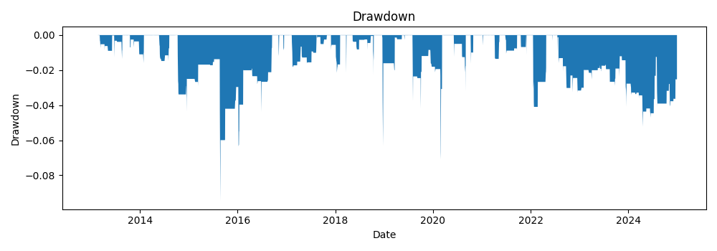
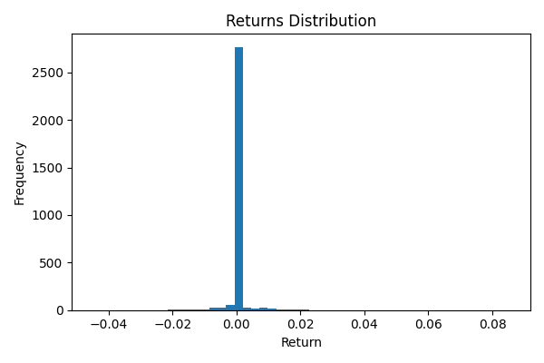
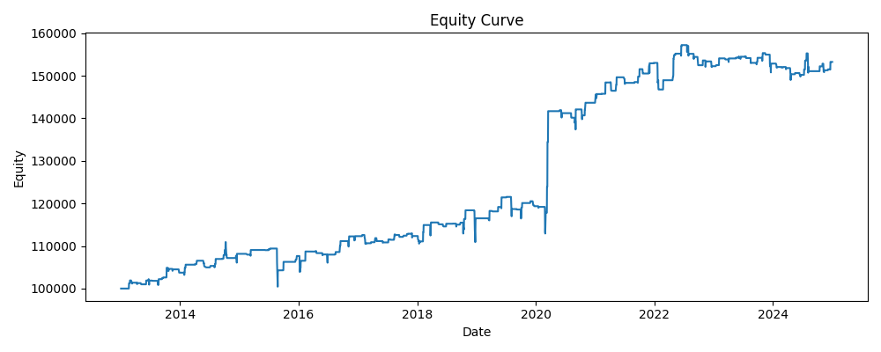
annual_return | annual_vol | sharpe | max_drawdown | var_95 | periods_per_year | start | end | bars
0.036256926156 | 0.063645310405 | 0.59101965658 | -0.094595665834 | 0.00022044249427 | 252 | 2013-01-02 | 2024-12-31 | 3020

