Summary
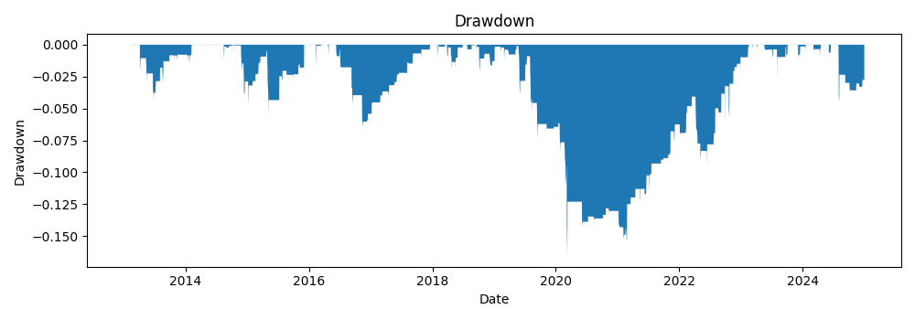
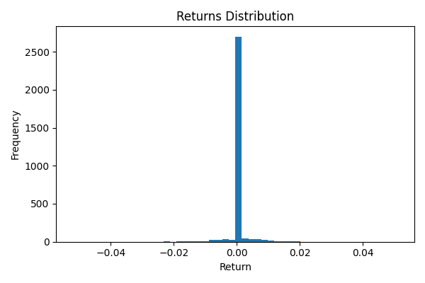
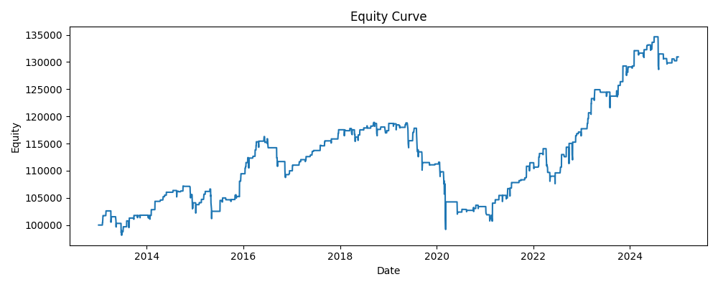
annual_return | annual_vol | sharpe | max_drawdown | var_95 | periods_per_year | start | end | bars
0.02275054031 | 0.053827240055 | 0.44483179487 | -0.16574570653 | 0.00034582073348 | 252 | 2013-01-02 | 2024-12-31 | 3020

