Summary
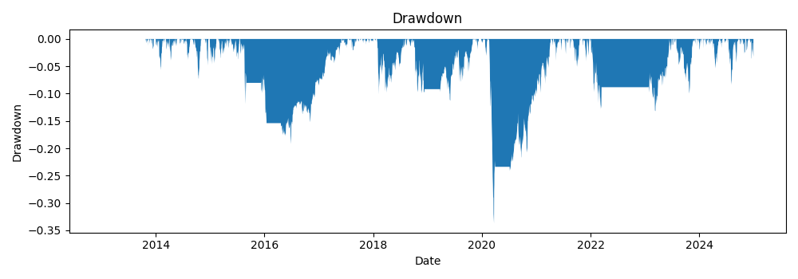
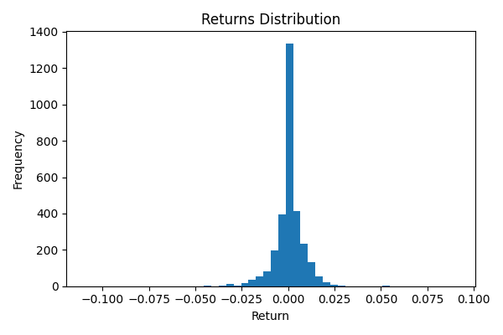
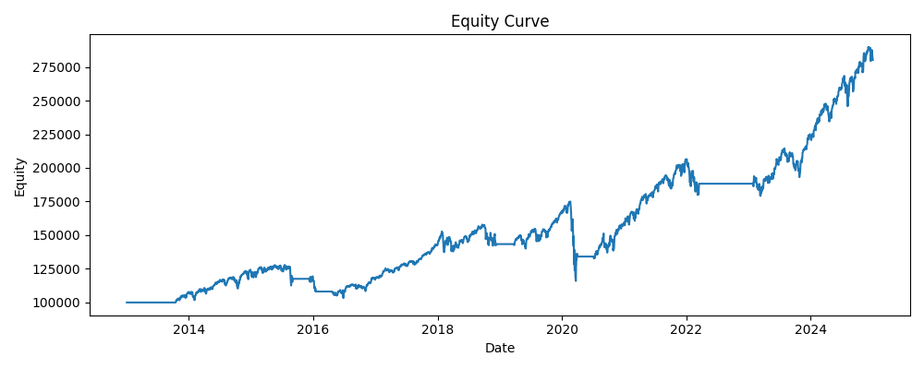
annual_return | annual_vol | sharpe | max_drawdown | var_95 | periods_per_year | start | end | bars
0.08979126147 | 0.1375574668 | 0.69441808821 | -0.33717253507 | 0.012615386024 | 252 | 2013-01-02 | 2024-12-31 | 3020

