Summary
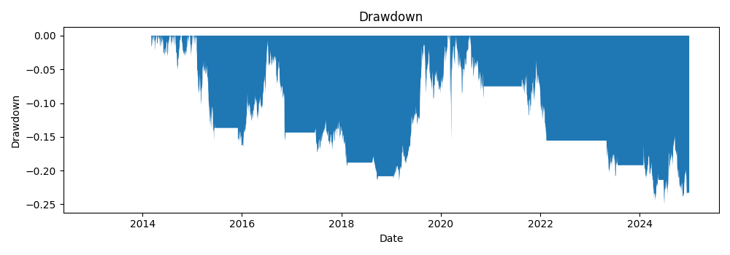
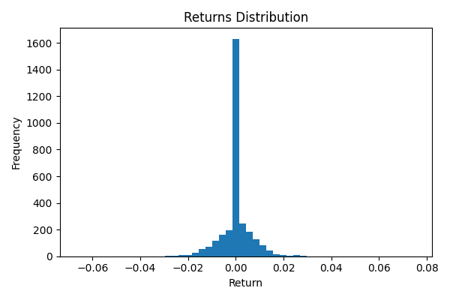
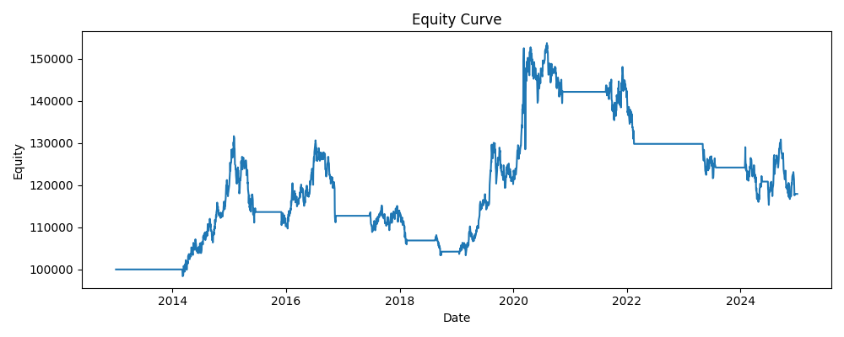
annual_return | annual_vol | sharpe | max_drawdown | var_95 | periods_per_year | start | end | bars
0.013850549059 | 0.10663075203 | 0.1822958049 | -0.24972660538 | 0.010750241263 | 252 | 2013-01-02 | 2024-12-31 | 3020

