Hoja1
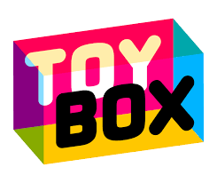
ToyBox Max | ToyBox Max | ToyBox Max

ToyBox Max | ToyBox Max | ToyBox Max

ToyBox Max | ToyBox Max | ToyBox Max

ToyBox Max | ToyBox Max | ToyBox Max

