indic_inrows_fast
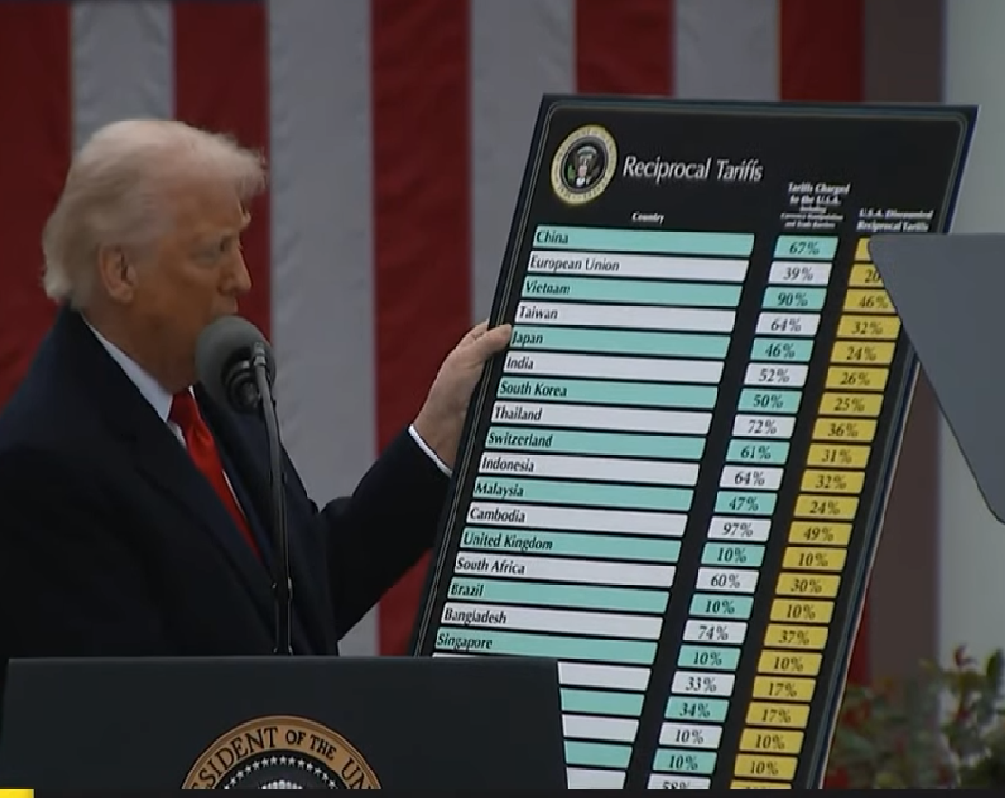
 |  |  |  |  |  | source of tab country | https://www.census.gov/foreign-trade/balance/index.html
Choose year: | 2024 |  |  |  |  | Year: | 2024

 |  |  |  |  |  | country |  | column index | 30 | 17
 | Goods deficit bnUSD | Goods imports | Deficit as % | "Tariffs charged to the U.S.A." (%) |  | Indicator code | Row index (don’t touch) | Country Code \ Time: | EYR | IYR
China | 295 | 439 | 67 | 67 |  | x5700.2024 | 5783 | China | 143545.73951 | 438947.38614
European Union | 236 | 606 | 39 | 39 |  | x0003.2024 | 29 | European Union | 370189.23035 | 605760.39329
Vietnam | 123 | 137 | 90 | 90 |  | x5520.2024 | 5341 | Vietnam | 13098.155121 | 136561.15581
Taiwan | 74 | 116 | 64 | 64 |  | x5830.2024 | 5968 | Taiwan | 42336.861419 | 116264.02689
Japan | 68 | 148 | 46 | 46 |  | x5880.2024 | 6009 | Japan | 79740.845546 | 148208.56662
India | 46 | 87 | 52 | 52 |  | x5330.2024 | 5075 | India | 41752.667968 | 87416.448578
Korea, South | 66 | 132 | 50 | 50 |  | x5800.2024 | 5886 | Korea, South | 65541.790418 | 131549.18712
Thailand | 46 | 63 | 72 | 72 |  | x5490.2024 | 5307 | Thailand | 17719.249485 | 63328.180222
Switzerland | 38 | 63 | 61 | 61 |  | x4419.2024 | 3178 | Switzerland | 24961.986918 | 63425.318602
Indonesia | 18 | 28 | 64 | 64 |  | x5600.2024 | 5532 | Indonesia | 10202.09572 | 28084.737884
Malaysia | 25 | 53 | 47 | 47 |  | x5570.2024 | 5450 | Malaysia | 27704.750827 | 52534.847955
Cambodia | 12 | 13 | 97 | 97 |  | x5550.2024 | 5409 | Cambodia | 321.629583 | 12661.806815
United Kingdom | -12 | 68 | -17 | 10 |  | x4120.2024 | 2642 | United Kingdom | 79941.342753 | 68084.468332
South Africa | 9 | 15 | 60 | 60 |  | x7910.2024 | 8701 | South Africa | 5818.998932 | 14655.786588
Brazil | -7 | 42 | -17 | 10 |  | x3510.2024 | 2171 | Brazil | 49666.976323 | 42316.323621
Bangladesh | 6 | 8 | 74 | 74 |  | x5380.2024 | 5191 | Bangladesh | 2213.964142 | 8365.766327
Singapore | -3 | 43 | -7 | 10 |  | x5590.2024 | 5491 | Singapore | 46032.645972 | 43203.722903
Israel | 7 | 22 | 33 | 33 |  | x5081.2024 | 4627 | Israel | 14792.03496 | 22217.484849
 |  |  |  |  |  | #N/A | #N/A | 0 | #N/A | #N/A
 |  |  |  |  |  | #N/A | #N/A | 0 | #N/A | #N/A
 |  |  |  |  |  | #N/A | #N/A | 0 | #N/A | #N/A
 |  |  |  |  | Computations based on US census data as of 3 April 2025, at https://www.census.gov/foreign-trade/balance/index.html | #N/A | #N/A | 0 | #N/A | #N/A
 |  |  |  |  | Stefan Zeugner 2025 | #N/A | #N/A | 0 | #N/A | #N/A
 |  |  |  |  | This spreadsheet is open source under Apache 2.0 | #N/A | #N/A | 0 | #N/A | #N/A
 |  |  |  |  |  | #N/A | #N/A | 0 | #N/A | #N/A
 |  |  |  |  |  | #N/A | #N/A | 0 | #N/A | #N/A
 |  |  |  |  |  | #N/A | #N/A | 0 | #N/A | #N/A
 |  |  |  |  |  | #N/A | #N/A | 0 | #N/A | #N/A
 |  |  |  |  |  | #N/A | #N/A | 0 | #N/A | #N/A
 |  |  |  |  |  | #N/A | #N/A | 0 | #N/A | #N/A
 |  |  |  |  |  | #N/A | #N/A | 0 | #N/A | #N/A
 |  |  |  |  |  | #N/A | #N/A | 0 | #N/A | #N/A
 |  |  |  |  |  | #N/A | #N/A | 0 | #N/A | #N/A
 |  |  |  |  |  | #N/A | #N/A | 0 | #N/A | #N/A
 |  |  |  |  |  | #N/A | #N/A | 0 | #N/A | #N/A
 |  |  |  |  |  | #N/A | #N/A | 0 | #N/A | #N/A
 |  |  |  |  |  | #N/A | #N/A | 0 | #N/A | #N/A
 |  |  |  |  |  | #N/A | #N/A | 0 | #N/A | #N/A | 2024 | European Union | 0003
 |  |  |  |  |  | #N/A | #N/A | 0 | #N/A | #N/A | 2023 | World, Seasonally Adjusted | 0004
 |  |  |  |  |  | #N/A | #N/A | 0 | #N/A | #N/A | 2022 | NAFTA with Mexico (Consump) | 0005
 |  |  |  |  |  |  |  |  |  |  | 2021 | NAFTA with Canada (Consump) | 0006
 |  |  |  |  |  |  |  |  |  |  | 2020 | Advanced Technology Products | 0007
 |  |  |  |  |  |  |  |  |  |  | 2019 | South and Central America | 0009
 |  |  |  |  |  |  |  |  |  |  | 2018 | North America | 0010
 |  |  |  |  |  |  |  |  |  |  | 2017 | Europe | 0012
 |  |  |  |  |  |  |  |  |  |  | 2016 | Africa | 0013
 |  |  |  |  |  |  |  |  |  |  | 2015 | Pacific Rim | 0014
 |  |  |  |  |  |  |  |  |  |  | 2014 | World, Not Seasonally Adjusted | 0015
 |  |  |  |  |  |  |  |  |  |  | 2013 | Asia | 0016
 |  |  |  |  |  |  |  |  |  |  | 2012 | CAFTA-DR | 0017
 |  |  |  |  |  |  |  |  |  |  | 2011 | Australia and Oceania | 0018
 |  |  |  |  |  |  |  |  |  |  | 2010 | Sub Saharan Africa | 0019
 |  |  |  |  |  |  |  |  |  |  | 2009 | USMCA with Mexico (Consump) | 0021
 |  |  |  |  |  |  |  |  |  |  | 2008 | USMCA with Canada (Consump) | 0022
 |  |  |  |  |  |  |  |  |  |  | 2007 | Greenland | 1010
 |  |  |  |  |  |  |  |  |  |  | 2006 | Canada | 1220
 |  |  |  |  |  |  |  |  |  |  | 2005 | St Pierre and Miquelon | 1610
 |  |  |  |  |  |  |  |  |  |  |  | Mexico | 2010
 |  |  |  |  |  |  |  |  |  |  |  | Guatemala | 2050
 |  |  |  |  |  |  |  |  |  |  |  | Belize | 2080
 |  |  |  |  |  |  |  |  |  |  |  | El Salvador | 2110
 |  |  |  |  |  |  |  |  |  |  |  | Honduras | 2150
 |  |  |  |  |  |  |  |  |  |  |  | Nicaragua | 2190
 |  |  |  |  |  |  |  |  |  |  |  | Costa Rica | 2230
 |  |  |  |  |  |  |  |  |  |  |  | Panama | 2250
 |  |  |  |  |  |  |  |  |  |  |  | Bermuda | 2320
 |  |  |  |  |  |  |  |  |  |  |  | Bahamas | 2360
 |  |  |  |  |  |  |  |  |  |  |  | Cuba | 2390
 |  |  |  |  |  |  |  |  |  |  |  | Jamaica | 2410
 |  |  |  |  |  |  |  |  |  |  |  | Turks and Caicos Islands | 2430
 |  |  |  |  |  |  |  |  |  |  |  | Cayman Islands | 2440
 |  |  |  |  |  |  |  |  |  |  |  | Haiti | 2450
 |  |  |  |  |  |  |  |  |  |  |  | Dominican Republic | 2470
 |  |  |  |  |  |  |  |  |  |  |  | Anguilla | 2481
 |  |  |  |  |  |  |  |  |  |  |  | British Virgin Islands | 2482
 |  |  |  |  |  |  |  |  |  |  |  | St Kitts and Nevis | 2483
 |  |  |  |  |  |  |  |  |  |  |  | Antigua and Barbuda | 2484
 |  |  |  |  |  |  |  |  |  |  |  | Montserrat | 2485
 |  |  |  |  |  |  |  |  |  |  |  | Dominica | 2486
 |  |  |  |  |  |  |  |  |  |  |  | St Lucia | 2487
 |  |  |  |  |  |  |  |  |  |  |  | St Vincent and the Grenadines | 2488
 |  |  |  |  |  |  |  |  |  |  |  | Grenada | 2489
 |  |  |  |  |  |  |  |  |  |  |  | Barbados | 2720
 |  |  |  |  |  |  |  |  |  |  |  | Trinidad and Tobago | 2740
 |  |  |  |  |  |  |  |  |  |  |  | Netherlands Antilles | 2771
 |  |  |  |  |  |  |  |  |  |  |  | Sint Maarten | 2774
 |  |  |  |  |  |  |  |  |  |  |  | Curacao | 2777
 |  |  |  |  |  |  |  |  |  |  |  | Aruba | 2779
 |  |  |  |  |  |  |  |  |  |  |  | Guadeloupe | 2831
 |  |  |  |  |  |  |  |  |  |  |  | Martinique | 2839
 |  |  |  |  |  |  |  |  |  |  |  | Colombia | 3010
 |  |  |  |  |  |  |  |  |  |  |  | Venezuela | 3070
 |  |  |  |  |  |  |  |  |  |  |  | Guyana | 3120
 |  |  |  |  |  |  |  |  |  |  |  | Suriname | 3150
 |  |  |  |  |  |  |  |  |  |  |  | French Guiana | 3170
 |  |  |  |  |  |  |  |  |  |  |  | Ecuador | 3310
 |  |  |  |  |  |  |  |  |  |  |  | Peru | 3330
 |  |  |  |  |  |  |  |  |  |  |  | Bolivia | 3350
 |  |  |  |  |  |  |  |  |  |  |  | Chile | 3370
 |  |  |  |  |  |  |  |  |  |  |  | Brazil | 3510
 |  |  |  |  |  |  |  |  |  |  |  | Paraguay | 3530
 |  |  |  |  |  |  |  |  |  |  |  | Uruguay | 3550
 |  |  |  |  |  |  |  |  |  |  |  | Argentina | 3570
 |  |  |  |  |  |  |  |  |  |  |  | Falkland Islands(Islas Malvin | 3720
 |  |  |  |  |  |  |  |  |  |  |  | Iceland | 4000
 |  |  |  |  |  |  |  |  |  |  |  | Sweden | 4010
 |  |  |  |  |  |  |  |  |  |  |  | Svalbard, Jan Mayen Island | 4031
 |  |  |  |  |  |  |  |  |  |  |  | Norway | 4039
 |  |  |  |  |  |  |  |  |  |  |  | Finland | 4050
 |  |  |  |  |  |  |  |  |  |  |  | Faroe Islands | 4091
 |  |  |  |  |  |  |  |  |  |  |  | Denmark | 4099
 |  |  |  |  |  |  |  |  |  |  |  | United Kingdom | 4120
 |  |  |  |  |  |  |  |  |  |  |  | Ireland | 4190
 |  |  |  |  |  |  |  |  |  |  |  | Netherlands | 4210
 |  |  |  |  |  |  |  |  |  |  |  | Belgium | 4231
 |  |  |  |  |  |  |  |  |  |  |  | Luxembourg | 4239
 |  |  |  |  |  |  |  |  |  |  |  | Andorra | 4271
 |  |  |  |  |  |  |  |  |  |  |  | Monaco | 4272
 |  |  |  |  |  |  |  |  |  |  |  | France | 4279
 |  |  |  |  |  |  |  |  |  |  |  | Germany | 4280
 |  |  |  |  |  |  |  |  |  |  |  | Austria | 4330
 |  |  |  |  |  |  |  |  |  |  |  | Czechoslovakia | 4350
 |  |  |  |  |  |  |  |  |  |  |  | Czech Republic | 4351
 |  |  |  |  |  |  |  |  |  |  |  | Slovakia | 4359
 |  |  |  |  |  |  |  |  |  |  |  | Hungary | 4370
 |  |  |  |  |  |  |  |  |  |  |  | Liechtenstein | 4411
 |  |  |  |  |  |  |  |  |  |  |  | Switzerland | 4419
 |  |  |  |  |  |  |  |  |  |  |  | Estonia | 4470
 |  |  |  |  |  |  |  |  |  |  |  | Latvia | 4490
 |  |  |  |  |  |  |  |  |  |  |  | Lithuania | 4510
 |  |  |  |  |  |  |  |  |  |  |  | Poland | 4550
 |  |  |  |  |  |  |  |  |  |  |  | USSR | 4610
 |  |  |  |  |  |  |  |  |  |  |  | Russia | 4621
 |  |  |  |  |  |  |  |  |  |  |  | Belarus | 4622
 |  |  |  |  |  |  |  |  |  |  |  | Ukraine | 4623
 |  |  |  |  |  |  |  |  |  |  |  | Armenia | 4631
 |  |  |  |  |  |  |  |  |  |  |  | Azerbaijan | 4632
 |  |  |  |  |  |  |  |  |  |  |  | Georgia | 4633
 |  |  |  |  |  |  |  |  |  |  |  | Kazakhstan | 4634
 |  |  |  |  |  |  |  |  |  |  |  | Kyrgyzstan | 4635
 |  |  |  |  |  |  |  |  |  |  |  | Moldova | 4641
 |  |  |  |  |  |  |  |  |  |  |  | Tajikistan | 4642
 |  |  |  |  |  |  |  |  |  |  |  | Turkmenistan | 4643
 |  |  |  |  |  |  |  |  |  |  |  | Uzbekistan | 4644
 |  |  |  |  |  |  |  |  |  |  |  | Spain | 4700
 |  |  |  |  |  |  |  |  |  |  |  | Portugal | 4710
 |  |  |  |  |  |  |  |  |  |  |  | Gibraltar | 4720
 |  |  |  |  |  |  |  |  |  |  |  | Malta | 4730
 |  |  |  |  |  |  |  |  |  |  |  | San Marino | 4751
 |  |  |  |  |  |  |  |  |  |  |  | Vatican City | 4752
 |  |  |  |  |  |  |  |  |  |  |  | Italy | 4759
 |  |  |  |  |  |  |  |  |  |  |  | Yugoslavia (former) | 4790
 |  |  |  |  |  |  |  |  |  |  |  | Croatia | 4791
 |  |  |  |  |  |  |  |  |  |  |  | Slovenia | 4792
 |  |  |  |  |  |  |  |  |  |  |  | Bosnia and Herzegovina | 4793
 |  |  |  |  |  |  |  |  |  |  |  | Macedonia | 4794
...

