Sheet1
COMP3069 Computer Graphics Assessment 1
Please answer the 15 questions below on mathematics.
Please input your answers into the green cells for each question.
Please only change the cells which are marked green
The number of marks available are specified for each question
If the instructions say " Perform all calculations to 0 decimal place." then please input a whole nunber
If the instructions say " Perform all calculations to 1 decimal place." then please round to 1 decimal place
The total marks available is 60, which will be normalised by 15 to give a mark out of 15 for the coursework.

QUESTION 1 (2 marks)
If we have a vector v = (2, 3, 4), what is the same vector u written in column-vector format?
 |  | ( | 2 | )
 | u= |  | 3
 |  |  | 4

QUESTION 2 (3 marks)
If we have a vector v |  | ( | 12 | )
 | v= |  | 6
 |  |  | 1

what is the vector u, which is v scaled by a half, i.e. u=v∙0.5?
 |  | ( | 6 | )
 | u= |  | 3
 |  |  | 0.5

QUESTION 3 (3 marks)
If we have two vectors u and v
 |  | ( | 5 | )
 | u= |  | 6
 |  |  | 4

 |  | ( | 3 | )
 | v= |  | 5
 |  |  | 1
what is the vector w, which is the result of adding u and v?

 |  | ( | 8 | )
 | w= |  | 11
 |  |  | 5

QUESTION 4 (3 marks)
If we have a vector v
 |  | ( | 2 | )
 | v= |  | 5
 |  |  | 3
what is the length of the vector v? Perform all calculations to 1 decimal place.

 | ‖v‖= |  | 6.2

QUESTION 5 (2 marks)
How many 3 element vectors are there which have a length of 0? |  |  | one

QUESTION 6 (2 marks)
Write an example 3 element vector u which has a length of 0
 |  | ( | 0 | )
 | u= |  | 0
 |  |  | 0

QUESTION 7 (3 marks)
If we have a vector v

 |  | ( | 2 | )
 | v= |  | 5
 |  |  | 3
What is the vector u, which is v normalised? Perform all calculations to 1 decimal place.

 |  | ( | 0.3 | )
 | u= |  | 0.8
 |  |  | 0.5

QUESTION 8 (3 marks)
If we have two vectors u and v

 |  | ( | 2 | )
 | u= |  | 4
 |  |  | 3

 |  | ( | 3 | )
 | v= |  | 4
 |  |  | 5
what is the scalar w which is the result of the dot product of u and v, i.e., w=u∙v?

 | w= | 37

QUESTION 9 (6 marks)
If we have two vectors u and v
 |  | ( | 1 | )
 | u= |  | 0
 |  |  | 0

 |  | ( | 0 | )
 | v= |  | 0
 |  |  | 1
what is the vector w which is the result of the cross product of u and v, i.e. w=u×v?

 |  | ( | 0 | )
 | w= |  | -1
 |  |  | 0

QUESTION 10 (9 marks)
If we have a matrix M

 |  | ( | 1 | 2 | 3 | )
 | M= |  | 2 | 2 | 2
 |  |  | 3 | 1 | 3

what is the matrix N which is the transpose of M?

 |  | ( | 1 | 2 | 3 | )
 | N= |  | 2 | 2 | 1
 |  |  | 3 | 2 | 3

QUESTION 11 (9 marks)
If we have two matrices M and N

 |  | ( | 1 | 2 | 3 | )
 | M= |  | 2 | 2 | 2
 |  |  | 3 | 1 | 3

 |  | ( | 1 | 2 | 3 | )
 | N= |  | 1 | 2 | 1
 |  |  | 3 | 3 | 3
what is the matrix P which is the resulting of multiplying MN?

 |  | ( | 12 | 15 | 14 | )
 | P= |  | 10 | 14 | 14
 |  |  | 13 | 17 | 19

QUESTION 12 (3 marks)
If we have two a matrix M and a vector v
 |  | ( | 1 | 2 | 3 | )
 | M= |  | 1 | 2 | 1
 |  |  | 3 | 3 | 3

 |  | ( | 4 | )
 | v= |  | 5
 |  |  | 2

what is the vector u which is the resulting of multiplying Mv?

 |  | ( | 20 | )
 | u= |  | 16
 |  |  | 33

QUESTION 13 (2 marks)
What is the point p=(x, y) which is 225° around unit circle? Perform all calculations to 1 decimal place.

 |  | ( |  | )
 | p= |  | -0.7
 |  |  | -0.7

QUESTION 14 (1 mark)
Given a point p = (0.34, 0.94), at what angle α around the unit circle does it lie? Put your answer to 0 decimal places.
 | α = | 70度

QUESTION 15 (9 marks)
Calculate the barycentric coordinates α, β and γ for the following triangle and point.
You also need to submit Q15.docx which shows your working calculations
Enter your answers in the green cells to 2 decimal places
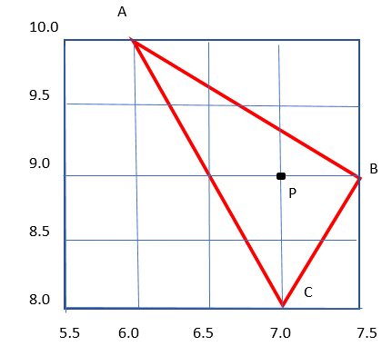

 |  |  |  |  | α = | 0.25
 |  |  |  |  | β = | 0.5
 |  |  |  |  | γ = | 0.25

