concept
 |  |  |  |  |  |  | Project Scope Option 1
Health and Human Services |  |  |  |  |  |  | Problem: Localized flu vaccine shortages while sufficient supply nationwide. |  |  |  |  |  |  |  |  |  |  |  |  |  |  | Optional implementation.
 |  |  |  |  |  |  | Soution: Compare flu tweets to CDC current flu state. Move vaccines to where flu tweeted but CDC has no flu reports. |  |  |  |  |  |  |  |  |  |  |  |  |  |  | Run Pull programs as bots on Heroku.
Translating county to coordinates. |  |  |  |  |  |  | Example: Dallas area has flu tweets, but CDC has not flu incidents for Dallas. Move vaccines to Dallas. |  |  |  |  |  |  |  |  |  |  |  |  |  |  | Run Plot as a web application on Heroku.
5 August 2017 through 20 January 2018
Heroku
Heroku
Heroku
Twitter
HHS
Pull Flu Data
Plot Flu Incidents
Pull Flu Tweets
 |  |  |  | Pull Flu Data |  |  |  |  |  |  |  |  |  |  |  |  |  |  |  |  |  | Pull Flu Tweets
 |  |  |  | Pull flu incidents from CDC file. |  |  |  |  |  |  |  |  |  |  |  |  |  |  |  |  |  | Analyze tweets to determine pharses that indicate the author has the flu.
 |  |  |  | Create a function that returns a dictionary |  |  |  |  |  |  |  |  |  |  |  |  |  |  |  |  |  | Create a function that returns a dictionary of map coordinate tuples.
 |  |  |  | of map coordinate tuples. |  |  |  |  |  |  |  |  |  |  |  |  |  |  |  |  |  | 5 August 2017 through 20 January 2018
 |  |  |  |  |  |  |  |  |  |  |  |  |  |  |  |  |  |  |  |  |  | Include dates.
 |  |  |  |  |  |  |  |  |  |  |  |  |  |  | Plot Flu Incidents |  |  |  |  |  |  |  |  |  | Legend
 | Presentation: PowerPoint |  |  |  |  |  |  |  |  |  |  |  |  |  | Load pandas dataframe from dictionaries.
 | 1 | Pull flu vaccine stories from YouTube |  |  |  |  |  |  |  |  |  |  |  |  | Plot with matplotlib pyplot. |  |  |  |  |  |  |  |  |  |  | Twitter
 | 2 | Introduction.
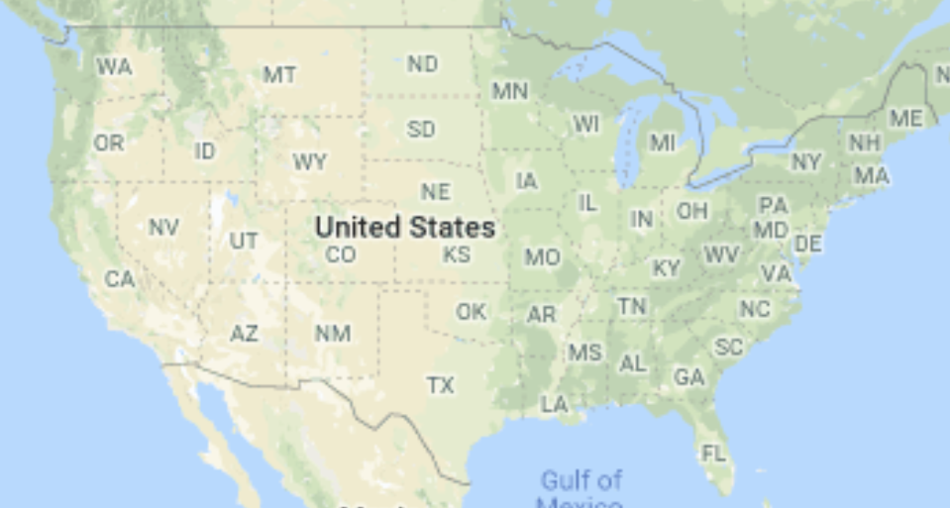
 | 3 | Problem statement. |  |  |  |  |  |  |  |  |  |  |  |  |  |  |  |  |  |  |  |  |  |  |  | Health and Human Services
 | 4 | Solution statement.
 | 5 | Logical design (this workflow).
 | 6 | Show current plot.
 |  | or
 |  | Show web application.
 | 7 | Make recommendations.
 | 8 | Q&A |  |  |  |  |  |  |  |  |  |  |  |  |  |  |  |  |  |  |  |  |  | Use library that converts coordinates to State.

 |  |  |  |  |  |  |  |  |  |  |  |  |  |  |  |  |  |  |  |  |  |  |  | Pull programs: getCoordinates returns dictionary of coordinates and dates.

 |  |  |  |  |  |  |  |  |  | Correlating Tweets to HHS Reporting

 |  |  |  |  |  |  |  |  |  |  |  |  |  |  |  |  |  |  |  |  | Twitter versus HHS Barchar
 |  |  |  |  |  |  |  |  |  |  |  |  |  |  |  |  |  |  |  | 1 | by month |  |  |  |  |  |  | Sean
 |  |  |  |  |  |  |  |  |  |  |  |  |  |  |  |  |  |  |  | 2 | by state |  |  |  |  |  |  | Sean
 |  |  |  |  |  |  |  |  |  |  |  |  |  |  |  |  |  |  |  | 3 | Scatter plot total |  | by month during flu season |  |  |  | country level | Xiangyu
 |  |  |  |  |  |  |  |  |  |  |  |  |  |  |  |  |  |  |  | 4 | Scatter plot total |  |  | state of ca |  |  |  | Xiangyu
 |  |  |  |  |  |  |  |  |  |  |  |  |  |  |  |  |  |  |  | 5 | Scatter plot for Los angeles county |  |  |  |  |  |  | Xiangyu
Health and Human Services Scale |  |  |  |  |  |  |  |  |  |  |  |  |  |  |  |  |  |  | Twitter Scale

 |  |  |  |  |  | CA |  | NY | FL | NM | LA |  | MS | GA |  | AR | TN | NC

 |  |  |  |  |  |  |  |  |  | Top Ten States with Influenza (2017) |  |  |  |  |  | by Twitter

 |  |  |  |  |  |  |  |  |  |  |  | Or total by month from August 2017 to January 2018

 |  |  |  |  | Project Scope Option 2
 |  |  |  |  | Problem: Do flu tweets correlate to flu incidents reported the Health and Human Services
 |  |  |  |  | Soution: Compare the relative number of tweets to HHS observation.

Five: Daniel Ohriner, xXangyu Zhang, Sean

 |  |  | Xiangyu

Design
Twitter
CDC

pull_flu_data
pull_twitter_data
This file format loads directly into either a dict or a pandas.DataFrame.

cases.json |  | twitter.json
{
"0": {"year":2017, "week":40, "state":"Alaska", "cases":698},
"1": {"year":2017, "week":40, "state":"Alabama", "cases":326},
"2": {"year":2017, "week":40, "state":"Arizona", "cases":406},
...
"1296": {"year":2018, "week":11, "state":"Puerto Rico", "cases":450},
"1297": {"year":2018, "week":11, "state":"Virgin Islands", "cases":900},
"1298": {"year":2018, "week":11, "state":"New York City", "cases":1150},
}
{
"0": {"year":2017, "week":40, "state":"Alaska", "tweets":98},
"1": {"year":2017, "week":40, "state":"Alabama", "tweets":26},
"2": {"year":2017, "week":40, "state":"Arizona", "tweets":40},
...
"1280": {"year":2018, "week":11, "state":"Wisconsin", "tweets":45},
"1281": {"year":2018, "week":11, "state":"Wyoming", "tweets":90},
"1282": {"year":2018, "week":11, "state":"New York City", "tweets":115},
}

Matching of data will be easier if we agree on only referencing the 50 states and not territories.

merge_plot_data
Writing to files decouples the programs. Coding of programs can use generated test data at the start.

 | plot.json
{
"0": {"year":2017, "week":40, "state":"Alaska", "cases":698, "tweets":98},
"1": {"year":2017, "week":40, "state":"Alabama", "cases":326, "tweets":26},
"2": {"year":2017, "week":40, "state":"Arizona", "cases":406, "tweets":40},
...
"1280": {"year":2018, "week":11, "state":"Wisconsin", "cases": 450, "tweets":45},
"1281`": {"year":2018, "week":11, "state":"Wyoming", "cases": 900"tweets":90},
"1282": {"year":2018, "week":11, "state":"New York City", "cases":1150, "tweets":115},
}

plot_scatter
plot_bar

scatter_by_state_and_week
scatter_by_?
bar_by_state
bar_by_week
regression

Proposal
Twitter
CDC
Pull Flu Data
Plot Flu Incidents
Pull Flu Tweets

Twitter
vs
CDC ILI

Schedule
Month |  | March |  |  |  |  |  |  |  |  |  | April
Date |  | 22 | 23 | 24 | 25 | 26 | 27 | 28 | 29 | 30 | 31 | 1 | 2 | 3
Day |  | T | F | S | S | M | T | W | T | F | S | S | M | T
Task | Resource
Form Teams
Setup git | Patrick
Setup Slack | Patrick
Submit Proposal | Patrick

Prepare Presentation | Sean
Final Presentation | Xiangyu

Analysis of Government Data | Patrick
Build Government Data Pull | Patrick

Analysis of Twitter Data | Daniel
Build Twitter Data Pull | Daniel

Build Merge Plot Data | Patrick

Build Scatter Plot by State | Xiangyu
Build Scatter Plot by ? | Xiangyu

Xiangyu and Sean can start coding by using generated test data. Use the format on the design tab.
Build Bar Plot by State | Sean
Build Bar Plot by Month | Sean
Build Regression Plot | Sean

