质检系统菜单
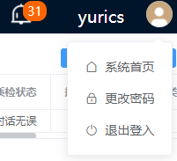
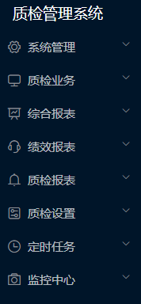
 | Language_ID | 前端使用方式 | Chinese | English | 示意图
 | Quality_inspection_and_management_system |  | 质检管理系统 | Quality Management System
质检系统菜单 | System_Management |  | 系统管理 | System Management
Quality Review Navigation Menu | Quality_inspection_business |  | 质检业务 | Quality Evaluation
 | Comprehensive_report |  | 综合报表 | Data Analytics
 |  |  | 绩效报表 | Performance Reports
 |  |  | 质检报表 | Quality Evaluation Reports
 |  |  | 质检设置 | Quality Review Configuration
 |  |  | 定时任务 | Routine Tasks
 |  |  | 监控中心 | Monitoring Center

质检业务菜单
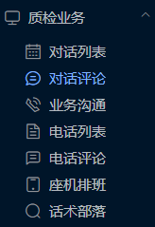
 | Language_ID | 前端使用方式 | Chinese | English | 示意图
 | Dialogue_list |  | 对话列表 | Chat List
质检业务菜单 | 对话评论 |  | 对话评论 | Chat Evaluation
Quality Evaluation | 业务沟通 |  | 业务沟通 | Business Communication
 | 电话列表 |  | 电话列表 | Call List
 | 电话评论 |  | 电话评论 | Call Evaluation
 | 座机排班 |  | 座机排班 | Duty Roster
 | Tract_tribe |  | 话术部落 | Talk Script Corner

对话列表
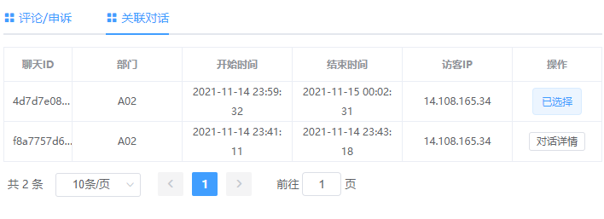
 | Language_ID | 前端使用方式 | Chinese | English | 示意图
 | Dialog_1_1 |  | 对话时间 | Chat Time
对话列表 | Dialogue_length_(minutes) |  | 对话时长(分钟) | Chat Period (minute)
Chat List | Visitors_1 |  | 访客内容 | Guest Description
 | Department |  | 部门 | Division
 | Push_1_1 |  | 推送状态 | Push Status
 | Not_push |  | 未推送 | Not Pushed
 | System_push |  | 系统推送 | System Push
 | Customer_service_push |  | 客服推送 | Agent Push
 |  |  | 聊天ID | Chat ID
 | Quality_inspection_status |  | 质检状态 | Quality Review Status
 | Unknown |  | 未质检 | Unreviewed
 | Quality_inspection_review |  | 质检复核 | Quality Review Revisit
 | Recommended_conversation |  | 推荐对话 | Recommended Chat
 | Dialog_1 |  | 对话驳回 | Chat Dismissed
 | Recommended_complaint |  | 推荐申诉 | Suggest to appeal
 | Superior_review |  | 上级复核 | Superior to review
 | Quality_inspection_correction |  | 质检修正 | Review Corrected
 | Website_view |  | 网站查看 | View on website
 | Customer_service_appeal |  | 客服申诉 | Appeal from Agent
 | Agree_to_the_appeal |  | 同意申诉 | Appeal Granted
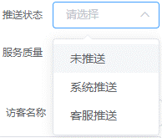
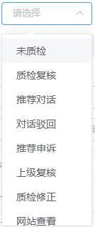
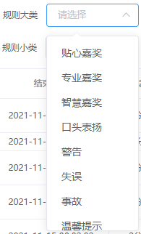
 | Complaint_failure |  | 申诉失败 | Appeal Denied
 | Complaint_correction |  | 申诉修正 | Appeal Corrected
 | Dialogue_1 |  | 对话无误 | Conversation is acceptable
 | Recommended_failure |  | 推荐失败 | Suggestion failed
 | Dialogue_1_1 |  | 对话完结 | Chat Completed
 | Return |  | 对话退回 | Chat Declined
 | Customer_service_name |  | 客服名称 | Service Agent
 | service_quality |  | 服务质量 | Service Quality
 | surprise |  | 惊喜 | Impressive
 | satisfy |  | 满意 | Satisfactory
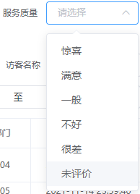
 | generally |  | 一般 | Moderate
 | not_good |  | 不好 | Poor
 | Very_bad |  | 很差 | Very Poor
 | Undisuant |  | 未评价 | Unrated
 |  |  | 访客IP | Guest IP
 | Quality_inspector_name |  | 质检员名称 | Quality Reviewer
 | Screening_condition_reset |  | 筛选条件重置 | Clear All
 | Quality_inspection_status_batch_reset |  | 质检状态批量重置 | Batch Status Reset
 | Export |  | 导出 | Export
 | Inquire |  | 查询 | Search
 | more_options |  | 更多选项 | More options
 | Folding_option |  | 折叠选项 | Return
 | more_content |  | 更多内容 | More Contents
 | Starting_time |  | 开始时间 | Start Time
 | End_Time |  | 结束时间 | End Time
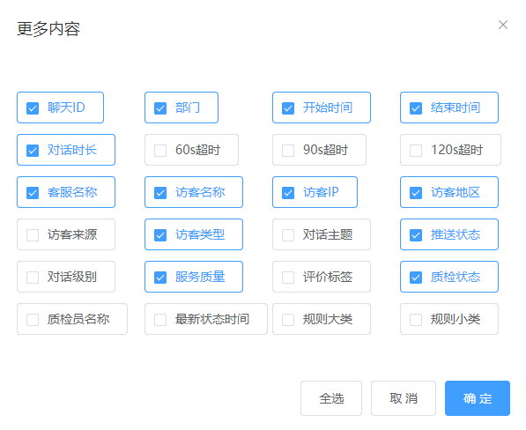
 | Dialogue_length_(minutes) |  | 对话时长(分钟) | Chat Duration (minutes)
 |  |  | 60s超时 | Past Due 60s
 |  |  | 90s超时 | Past Due 90s
 |  |  | 120s超时 | Past Due 120s
 | Visitor_area |  | 访客地区 | Guest Region
 | Visitors_source |  | 访客来源 | Guest Source
 | Visitor_type |  | 访客类型 | Guest Category
 | Dialogism |  | 对话主题 | Chat Subject
 | Dialog_1_1_1_1 |  | 对话级别 | Chat Level
 | all |  | 全部 | All
 | Worthless |  | 无价值 | Not Valuable
 | valuable |  | 有价值 | Valuable
 | Evaluation_label |  | 评价标签 | Evaluation Lable
 | Quality_inspector_name |  | 质检员名称 | Quality Reviewer
 | Latest_state_time |  | 最新状态时间 | Last Updated
 | Class_of_rules |  | 规则大类 | Rule Set
 | Intimate_award |  | 贴心嘉奖 | Empathy Award
 | Professional_award |  | 专业嘉奖 | Professional Service Award
 | Wisdom_award |  | 智慧嘉奖 | Smart Award
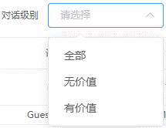
 | Orally |  | 口头表扬 | Verbal Commendations
 | warn |  | 警告 | Warning
 | Mistake |  | 失误 | Mistake
 | accident |  | 事故 | Incident
 | Tips |  | 温馨提示 | Gentle Reminder
 | select_all |  | 全选 | Select All
 | Sure_1_1 |  | 确定 | Confirm
 | Cancel_1 |  | 取消 | Cancel
输入框灰字 | Please_enter_key_words |  | 请输入关键字 | Please enter key words
Text fields | please_choose |  | 请选择 | Please select
 |  |  | 请输入聊天ID | Please enter Chat ID
 |  |  | 请输入访客IP | Please enter Guest IP
 | Please_enter_a_visitor_name |  | 请输入访客名称 | Please enter Guest Name
 | Evaluation_category |  | 评价类别 | Evaluation Scale
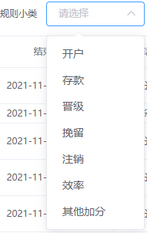
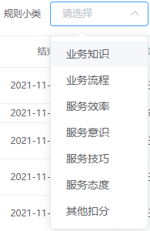
 | Very_professional |  | 很专业 | Very Professional
 | Friendly |  | 亲切友善 | Very Friendly
 | Patience |  | 有耐心 | Very Patient
 | Poor_service_attitude |  | 服务态度不佳 | Bad Attitude
 | Response_is_not_timely |  | 响应不及时 | Slow Response
 | Business_needs_to_be_strengthened |  | 业务有待加强 | There is room to improve
 | Rules_small_class |  | 规则小类 | Rule Clause
 |  |  | 无数据 | No data
 | Open_an_account |  | 开户 | Account Opening
 | deposit |  | 存款 | Deposit
 | Advance_level |  | 晋级 | Level Upgrade
 | Retain |  | 挽留 | Retention
 | Log_out |  | 注销 | Write Off
 | efficient |  | 效率 | Effectiveness
 | Other_extra_points |  | 其他加分 | Other Excellence
 | Business_knowledge |  | 业务知识 | Business Knowledge
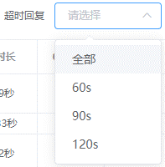
 | Business_Process |  | 业务流程 | Process & Procedure
 | Service_efficiency |  | 服务效率 | Service Efficiency
 | Service_awareness |  | 服务意识 | Service Awareness
 | Service_skill |  | 服务技巧 | Service Skills
 | Service_attitude |  | 服务态度 | Service Attitude
 | Other_deductions |  | 其他扣分 | Other Penalties
 | Timeout_reply |  | 超时回复 | Delayed Response
 | Serial_number |  | 序号 | Number (No.)
 |  |  | 共 | Total
 |  |  | 条 | items
 |  |  | 页 | Page
 |  |  | 前往 | Go
 | return |  | 返回 | Go back
 | Refresh |  | 刷新 | Refresh
 | Dialog |  | 对话开始 | Start Chat
 | Labeling_as_a_quality_conversation |  | 标注为优质对话 | Mark as quality chat
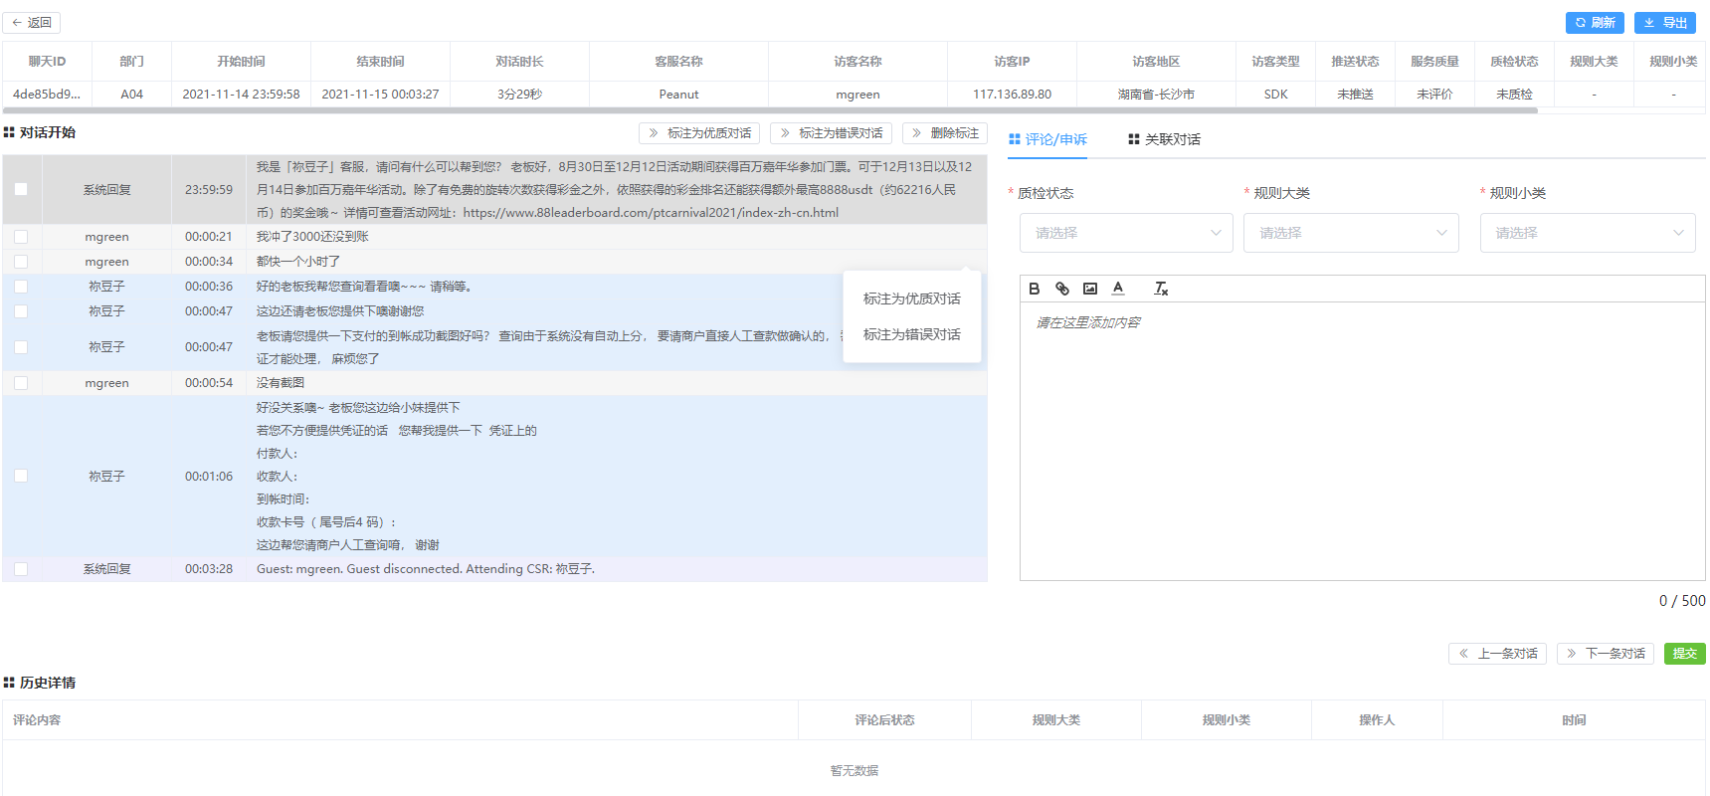
 | Labeling_for_error_conversation |  | 标注为错误对话 | Mark as error chat
 | Delete_label |  | 删除标注 | Delete Marking
 | Please_select_a_conversation |  | 请选择对话 | Please select Chat
 | Labeling_conversation_success |  | 标注对话成功 | Marking saved successfully
 | Delete_label_success |  | 删除标注成功 | Marking deleted successfully
 | Comment |  | 评论 | Comment
 | Appeal_1 |  | 申诉 | Appeal
 | Associated_dialogue |  | 关联对话 | Related Chat
 | Please_add_content_here |  | 请在这里添加内容 | Please add content here
 | Previous_conversation |  | 上一条对话 | Previous Chat
 | Next_conversation |  | 下一条对话 | Next Chat
 | submit |  | 提交 | Submit
 | History_details |  | 历史详情 | History
 | comments |  | 评论内容 | Comment Details
 | Post-state |  | 评论后状态 | Post Comment Status
 | Operator |  | 操作人 | System User
 | time |  | 时间 | Time
 |  |  | 暂无数据 | No data
 | Submitted_successfully |  | 提交成功 | Submitted successfully
 | Please_select_a_type_of_operation |  | 请选择操作类型 | Please select Action
 | Please_select_a_general_class |  | 请选择规则大类 | Please select Rule Set
 | Please_select_a_rule_small_class |  | 请选择规则小类 | Please select Rule Clause
 | operate |  | 操作 | Action
 | chosen |  | 已选择 | Selected
 | Dialogue_details |  | 对话详情 | Chat Details

对话评论
 | Language_ID | 前端使用方式 | Chinese | English | 示意图
 | Dialog_1_1 |  | 对话时间 | Chat Time
对话评论 | Latest_state_time |  | 最新状态时间 | Last Updated
Chat Evaluation | Sure_1 |  | 确定 | Confirm
 | Department |  | 部门 | Division
 | Customer_service_name |  | 客服名称 | Service Agent
 | Class_of_rules |  | 规则大类 | Rule Set
 | Intimate_award |  | 贴心嘉奖 | Empathy Award
 | Professional_award |  | 专业嘉奖 | Professional Service Award
 | Wisdom_award |  | 智慧嘉奖 | Smart Award
 | Orally |  | 口头表扬 | Verbal Commendations
 | warn |  | 警告 | Warning
 | Mistake |  | 失误 | Mistake
 | accident |  | 事故 | Incident
 | Tips |  | 温馨提示 | Gentle Reminder
 | Quality_inspection_status |  | 质检状态 | Review Status
 | Unknown |  | 未质检 | Unreviewed
 | Quality_inspection_review |  | 质检复核 | Quality Review Revisit
 | Recommended_conversation |  | 推荐对话 | Recommended
 | Dialog_1 |  | 对话驳回 | Chat Dismissed
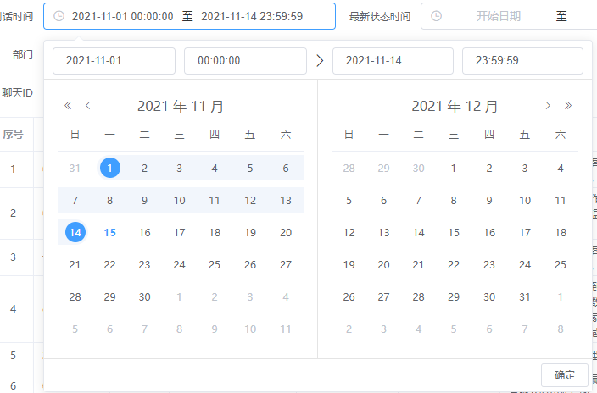
 | Recommended_complaint |  | 推荐申诉 | Suggest to appeal
 | Superior_review |  | 上级复核 | Superior to review
 | Quality_inspection_correction |  | 质检修正 | Review Corrected
 | Website_view |  | 网站查看 | View on website
 | Customer_service_appeal |  | 客服申诉 | Appeal from Agent
 | Agree_to_the_appeal |  | 同意申诉 | Appeal Granted
 | Complaint_failure |  | 申诉失败 | Appeal Denied
 | Complaint_correction |  | 申诉修正 | Appeal Corrected
 | Dialogue_1 |  | 对话无误 | Conversation Accurate
 | Recommended_failure |  | 推荐失败 | Suggestion failed
 | Dialogue_1_1 |  | 对话完结 | Chat Completed
 | Return |  | 对话退回 | Chat Declined
 | Visitors_1 |  | 访客内容 | Guest Description
 |  |  | 聊天ID | Chat ID
 | Quality_inspector_name |  | 质检员名称 | Quality Reviewer
 | Rules_small_class |  | 规则小类 | Rule Clause
 |  |  | 无数据 | No data
 | Open_an_account |  | 开户 | Account Opening
 | deposit |  | 存款 | Deposit
 | Advance_level |  | 晋级 | Level Upgrade
 | Retain |  | 挽留 | Retention
 | Log_out |  | 注销 | Write Off
 | efficient |  | 效率 | Effectiveness
 | Other_extra_points |  | 其他加分 | Other Excellence
 | Business_knowledge |  | 业务知识 | Business Knowledge
 | Business_Process |  | 业务流程 | Process & Procedure
 | Service_efficiency |  | 服务效率 | Service Efficiency
 | Service_awareness |  | 服务意识 | Service Awareness
 | Service_skill |  | 服务技巧 | Service Skills
 | Service_attitude |  | 服务态度 | Service Attitude
 | Other_deductions |  | 其他扣分 | Other Penalties
 | service_quality |  | 服务质量 | Service Quality
 | surprise |  | 惊喜 | Impressive
 | satisfy |  | 满意 | Satisfactory
 | generally |  | 一般 | Moderate
 | not_good |  | 不好 | Poor
 | Very_bad |  | 很差 | Very Poor
 | Undisuant |  | 未评价 | Unrated
 | Quality_inspection_commentary |  | 质检评论 | Review Comments
 | Reset |  | 重置 | Clear All
 | Inquire |  | 查询 | Search
 | Please_enter_key_words |  | 请输入关键字 | Please enter key words
 | please_choose |  | 请选择 | Please select
 |  |  | 请输入聊天ID | Please enter Chat ID
 | Serial_number |  | 序号 | Number (No.)
 | comments |  | 评论内容 | Comment Details
 | Quality_inspector |  | 质检员 | Quality Reviewer
 | Session_start_time |  | 会话开始时间 | Chat Start Time
 | Session_end_time |  | 会话结束时间 | Chat End Time
 |  |  | 共 | Total
 |  |  | 条 | items
 |  |  | 页 | Page
 |  |  | 前往 | Go
 |  |  | 暂无数据 | No data
 | return |  | 返回 | Go back
 | Refresh |  | 刷新 | Refresh
 | Dialog |  | 对话开始 | Start Chat
 | Labeling_as_a_quality_conversation |  | 标注为优质对话 | Mark as quality chat
 | Labeling_for_error_conversation |  | 标注为错误对话 | Mark as error chat
 | Delete_label |  | 删除标注 | Delete Marking
 | Please_select_a_conversation |  | 请选择对话 | Please select chat
 | Labeling_conversation_success |  | 标注对话成功 | Marking saved successfully
 | Delete_label_success |  | 删除标注成功 | Marking deleted successfully
 | Comment |  | 评论 | Comment
 | Appeal_1 |  | 申诉 | Appeal
 | Associated_dialogue |  | 关联对话 | Related Chat
 | Please_add_content_here |  | 请在这里添加内容 | Please add content here
 | Previous_conversation |  | 上一条对话 | Previous Chat
 | Next_conversation |  | 下一条对话 | Next Chat
 | submit |  | 提交 | Submit
 | History_details |  | 历史详情 | History
 | comments |  | 评论内容 | Comment Details
 | Post-state |  | 评论后状态 | Post Comment Status
 | Operator |  | 操作人 | System User
 | time |  | 时间 | Time
 | Submitted_successfully |  | 提交成功 | Submitted successfully
 | Please_select_a_type_of_operation |  | 请选择操作类型 | Please select Action
 | Please_select_a_general_class |  | 请选择规则大类 | Please select Rule Set
 | Please_select_a_rule_small_class |  | 请选择规则小类 | Please select Rule Clause
 | operate |  | 操作 | Action
 | chosen |  | 已选择 | Selected
 | Dialogue_details |  | 对话详情 | Chat Details

业务沟通
 | Language_ID | 前端使用方式 | Chinese | English | 示意图
 | time |  | 时间 | Timeframe
业务沟通 | Sure_1 |  | 确定 | Confirm
Business Communications | Department |  | 部门 | Division
 | Communication_content |  | 沟通内容 | Subject Matter
 | Quality_inspector_name |  | 质检员名称 | Quality Reviewer
 | Inquire |  | 查询 | Search
 | Export |  | 导出 | Export
 | New |  | 新增 | Add New
 | batch_deletion |  | 批量删除 | Batch Delete
 | Serial_number |  | 序号 | Number (No.)
 | Quality_inspector |  | 质检员 | Quality Reviewer
 | Change_the_time |  | 修改时间 | Updated Time
 | operate |  | 操作 | Action
 | edit |  | 编辑 | Edit
 | Please_enter_key_words |  | 请输入关键字 | Enter key words
 | please_choose |  | 请选择 | Please select
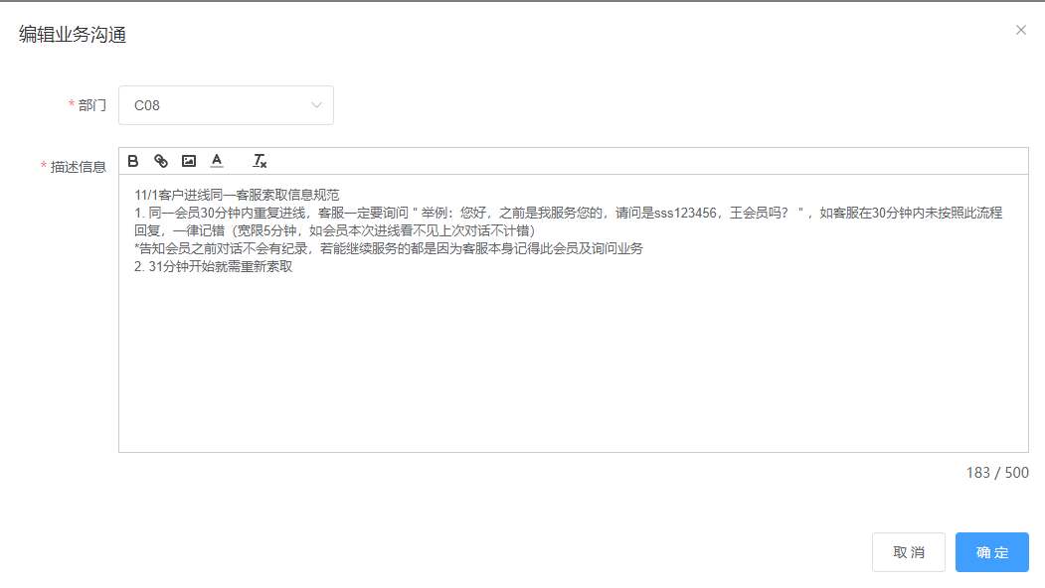

 | Add_business_communication |  | 添加业务沟通 | Compose Communcation
 | Editing_business_communication |  | 编辑业务沟通 | Edit Communication
 | Description |  | 描述信息 | Content
 | Please_add_content_here |  | 请在这里添加内容 | Enter content here
 | Cancel_1 |  | 取消 | Cancel
 | Successful_operation |  | 操作成功 | Successfully saved
 | Business_communication_editing_success |  | 业务沟通编辑成功 | Communication edited successfully
 |  |  | 共 | Total
 |  |  | 条 | items
 |  |  | 页 | Page
 |  |  | 前往 | Go
 | The_department_cannot_be_empty |  | 部门不能为空 | Division cannot be blank
 | Description_information_cannot_be_empty |  | 描述信息不能为空 | Content cannot be blank
 | Please_select_information |  | 请选择信息 | Please select communication item
 | hint |  | 提示 | Reminder
 |  |  | 此操作将永久删除业务沟通，是否继续？ | This will permanently delete the communication record. Continue?
 | Business_communication_has_been_removed |  | 业务沟通已删除 | Communication deleted
 | Download_completed |  | 下载完成 | Download completed
 |  |  | 暂无数据 | No data

电话列表
 | Language_ID | 前端使用方式 | Chinese | English | 示意图
 | Dialog_1_1 |  | 对话时间 | Chat Time
电话列表 | Dialogue_length_(minutes) |  | 对话时长(分钟) | Chat Period (minute)
Call List | Quality_inspection_status |  | 质检状态 | Quality Review Status
 | Unknown |  | 未质检 | Unreviewed
 | Quality_inspection_review |  | 质检复核 | Quality Review Revisit
 | Recommended_conversation |  | 推荐对话 | Recommended Chat
 | Dialog_1 |  | 对话驳回 | Chat Dismissed
 | Recommended_complaint |  | 推荐申诉 | Suggest to appeal
 | Superior_review |  | 上级复核 | Superior to review
 | Quality_inspection_correction |  | 质检修正 | Review Corrected
 | Website_view |  | 网站查看 | View on website
 | Customer_service_appeal |  | 客服申诉 | Appeal from Agent
 | Agree_to_the_appeal |  | 同意申诉 | Appeal Granted
 | Complaint_failure |  | 申诉失败 | Appeal Denied
 | Complaint_correction |  | 申诉修正 | Appeal Corrected
 | Dialogue_1 |  | 对话无误 | Conversation is acceptable
 | Recommended_failure |  | 推荐失败 | Suggestion failed
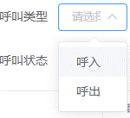
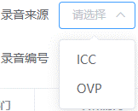
 | Dialogue_1_1 |  | 对话完结 | Chat Completed
 | Return |  | 对话退回 | Chat Declined
 | Quality_inspector_name |  | 质检员名称 | Quality Reviewer
 | Department |  | 部门 | Division
 | Customer_service_type |  | 客服类型 | Service Categoty
 | unknown |  | 未知 | Unknown
 | Ordinary_customer_service |  | 普通客服 | General Customer Service
 | Sales_customer_service |  | 销售客服 | Sales Customer Service
 |  |  | VIP客服 | VIP Customer Service
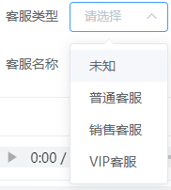
 | Call_type |  | 呼叫类型 | Call Type
 | Incoming |  | 呼入 | Inbound
 | Call_out |  | 呼出 | Outbound
 | Recording_source |  | 录音来源 | Source of Recording
 | Class_of_rules |  | 规则大类 | Rule Set
 | Intimate_award |  | 贴心嘉奖 | Empathy Award
 | Professional_award |  | 专业嘉奖 | Professional Service Award
 | Wisdom_award |  | 智慧嘉奖 | Smart Award
 | Orally |  | 口头表扬 | Verbal Commendations
 | warn |  | 警告 | Warning
 | Mistake |  | 失误 | Mistake
 | accident |  | 事故 | Incident
 | Tips |  | 温馨提示 | Gentle Reminder
 | Extension_number_or_labor_number |  | 分机号或工号 | Extention number
 | Customer_service_name |  | 客服名称 | Service Agent
 | Call_status |  | 呼叫状态 | Call Status
 | Recording_number |  | 录音编号 | Recording Serial
 | Rules_small_class |  | 规则小类 | Rule Clause
 |  |  | 无数据 | No data
 | Open_an_account |  | 开户 | Account Opening
 | deposit |  | 存款 | Deposit
 | Advance_level |  | 晋级 | Level Upgrade
 | Retain |  | 挽留 | Retention
 | Log_out |  | 注销 | Write Off
 | efficient |  | 效率 | Effectiveness
 | Other_extra_points |  | 其他加分 | Other Excellence
 | Business_knowledge |  | 业务知识 | Business Knowledge
 | Business_Process |  | 业务流程 | Process & Procedure
 | Service_efficiency |  | 服务效率 | Service Efficiency
 | Service_awareness |  | 服务意识 | Service Awareness
 | Service_skill |  | 服务技巧 | Service Skills
 | Service_attitude |  | 服务态度 | Service Attitude
 | Other_deductions |  | 其他扣分 | Other Penalties
 | Visitor_name |  | 访客名称 | Guest Name
 | Screening_condition_reset |  | 筛选条件重置 | Clear all
 | Quality_inspection_status_batch_reset |  | 质检状态批量重置 | Batch Status Reset
 | hint |  | 提示 | Reminder
 |  |  | 此操作将批量重置质检状态，是否继续？ | This will reset Quality Review Status in bulk. Do you want to continue?
 | Sure_1 |  | 确定 | Confirm
 | Cancel_1 |  | 取消 | Cancel
 | Please_select_a_voice_record |  | 请选择语音纪录 | Please select recordings
 | Successful_operation |  | 操作成功 | Completed successfully
 | Quality_inspection_status_has_been_reset |  | 质检状态已重置 | Quality Review Status has been reset
 | Batch_dialogue_is_correct |  | 批量对话无误 | Batch conversations are correct
 |  |  | 此操作将更新质检状态为对话无误，是否继续？ | This will set the Quality Review Status as Correct. Do you want to continue?
 | update_completed |  | 更新成功 | Changes saved successfully
 | Export |  | 导出 | Export
 | Inquire |  | 查询 | Search
 | please_choose |  | 请选择 | Please select
 | please_enter |  | 请输入 | Please enter
 | Updated |  | 已取消更新 | Update has been cancelled
 | Serial_number |  | 序号 | Number (No.)
 | Recording_content |  | 录音内容 | Recording Soundtrack
 | Starting_time |  | 开始时间 | Start Time
 | End_Time |  | 结束时间 | End Time
 | Call_time_long |  | 通话时长 | Conversation Duration
 | Manually_call |  | 手动拨打 | Manual Dialing
 | Non-manual |  | 非手动 | Automated
 | Manual |  | 手动 | Manual
 | Latest_state_time |  | 最新状态时间 | Last Updated
 |  |  | 暂无数据 | No data
 |  |  | 共 | Total
 |  |  | 条 | items
 |  |  | 页 | Page
 |  |  | 前往 | Go
 |  |  | 无数据 | No data
 | return |  | 返回 | Go back
 | Refresh |  | 刷新 | Refresh
 | Comment |  | 评论 | Comment
 | Appeal_1 |  | 申诉 | Appeal
 | History_details |  | 历史详情 | History
 | Please_add_content_here |  | 请在这里添加内容 | Please enter content here
 | Previous_conversation |  | 上一条对话 | Previous Chat
 | Next_conversation |  | 下一条对话 | Next Chat
 | submit |  | 提交 | Submit
 | comments |  | 评论内容 | Comment Details
 | Post-state |  | 评论后状态 | Post Comment Status
 | Operator |  | 操作人 | System User
 | time |  | 时间 | Time
 |  |  | 暂无数据 | No data
 | Submitted_successfully |  | 提交成功 | Submitted successfully
 | Please_select_a_type_of_operation |  | 请选择操作类型 | Please select Action
 | Please_select_a_general_class |  | 请选择规则大类 | Please select Rule Set
 | Please_select_a_rule_small_class |  | 请选择规则小类 | Please select Rule Clause
 | operate |  | 操作 | Action
 | chosen |  | 已选择 | Selected
 | Dialogue_details |  | 对话详情 | Chat Details

座机排班
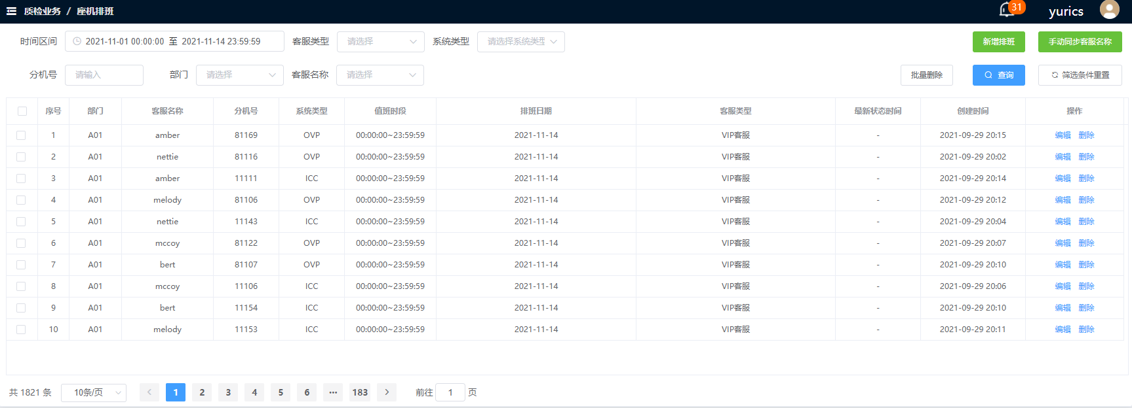
 | Language_ID | 前端使用方式 | Chinese | English | 示意图
 | Time_interval |  | 时间区间 | Timeframe
座机排班 | Customer_service_type |  | 客服类型 | Service Category
Duty Roster | System_type |  | 系统类型 | System
 | Ext |  | 分机号 | Extension
 | Department |  | 部门 | Division
 | Customer_service_name |  | 客服名称 | Service Agent
 | Sure_1_1 |  | 确定 | Confirm
 | please_choose |  | 请选择 | Please select
 |  |  | 无数据 | No data
 | Please_select_the_system_type |  | 请选择系统类型 | Please select system
 | Added_class |  | 新增排班 | New Roster
 | New |  | 新增 | Add New
 | Selection_department |  | 选择部门 | Select Division
 | Dates |  | 排班日期 | Schedule Date
 | to |  | 至 | to
 | Cancel_1 |  | 取消 | Cancel
 | Please_select_a_department |  | 请选择部门 | Please select Division
 | Please_select_customer_service |  | 请选择客服 | Please select Service Category
 | Please_enter_the_extension_number |  | 请输入分机号 | Please enter Extension
 | Manual_synchronous_customer_service_name |  | 手动同步客服名称 | Sync with Service Agents
 | type |  | 类型 | Category
 | Please_choose_the_type |  | 请选择类型 | Please select Category
 | Perform_start_time |  | 执行起始时间 | Commencement
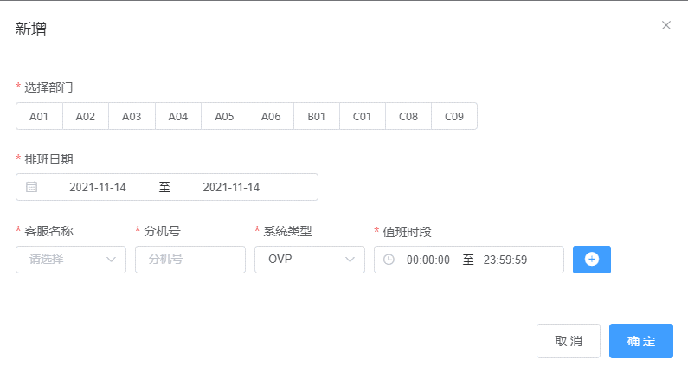
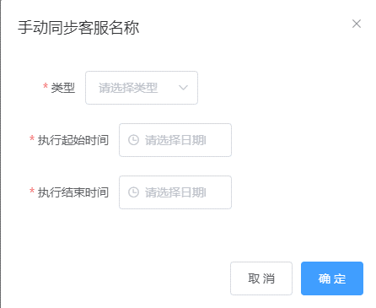
 | Please_select_the_date_time |  | 请选择日期时间 | Please select Date and Time
 | Perform_time |  | 执行结束时间 | Conclusion
 | Execution_start_time_cannot_be_empty |  | 执行启动时间不能为空 | Commencement cannot be blank
 | The_execution_end_time_cannot_be_empty |  | 执行结束时间不能为空 | Conclusion cannot be blank
 | batch_deletion |  | 批量删除 | Batch Delete
 | Inquire |  | 查询 | Search
 | Screening_condition_reset |  | 筛选条件重置 | Clear all
 | Serial_number |  | 序号 | Number (No.)
 | Duty_period |  | 值班时段 | Duty Period
 | Dates |  | 排班日期 | Schedule Date
 | Latest_state_time |  | 最新状态时间 | Last Updated
 | Create_time |  | 创建时间 | Creation Time
 | operate |  | 操作 | Action
 | edit |  | 编辑 | Edit
 | delete |  | 删除 | Delete
 |  |  | 共 | Total
 |  |  | 条 | items
 |  |  | 页 | Page
 |  |  | 前往 | Go to
 | hint |  | 提示 | Reminder
 |  |  | 此操作将永久删除该条排版记录，是否继续？ | This will permanently delete the record. Do you want to continue?
 | Delete_the_recording |  | 删除排班记录成功 | Schedule deleted successfully
 | failed_to_delete |  | 删除失败 | Deletion failed
 |  |  | 服务器异常，请联系管理员 | Server error, please contact the administrator
 | update_completed |  | 更新成功 | Changes updated successfully
 | Delete |  | 已取消删除 | Undo deletion successful
 |  |  | 暂无数据 | No data

话术部落
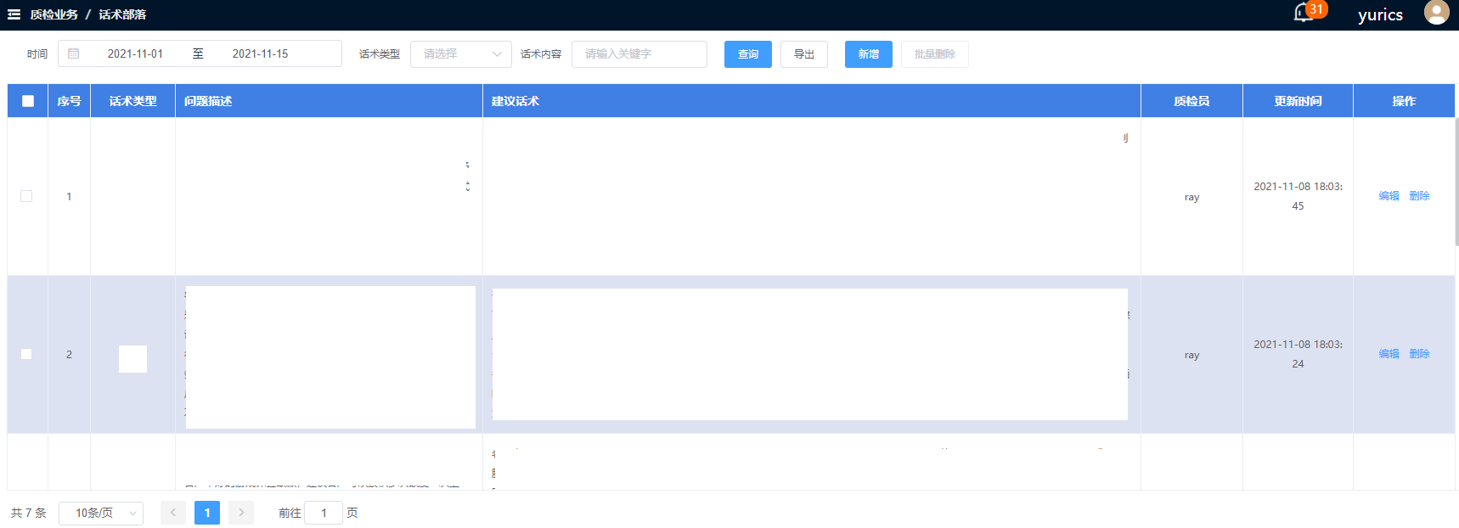
 | Language_ID | 前端使用方式 | Chinese | English | 示意图
 | time |  | 时间 | Time
话术部落 | Illustrative |  | 话术类型 | Script Type
Talk Script Corner | Log_in |  | 登录 | Login
 | deposit |  | 存款 | Deposit
 | Pay_withdrawal |  | 取款 | Withdrawal
 | discount |  | 优惠 | Promotions
 | Log_out |  | 注销 | Log Off
 | Profit |  | 负盈利 | Negative Profit
 | other |  | 其他 | Others
 | Scripphosis |  | 话术内容 | Script Content
 | please_choose |  | 请选择 | Please select
 | Please_enter_key_words |  | 请输入关键字 | Please enter key words
 | Inquire |  | 查询 | Search
 | Export |  | 导出 | Export
 | New |  | 新增 | Add New
 | batch_deletion |  | 批量删除 | Batch Delete
 | Add_a_scripture |  | 添加话术主题 | Create Script Title
 | Problem_Description |  | 问题描述 | Problem Scenario
 | Recommendation |  | 建议话术 | Suggested Scripts
 | Please_select_the_type_of_speech |  | 请选择话术类型 | Please select Script Type
 | Please_fill_in_the_problem_description |  | 请填写问题描述 | Please describe scenario
 | Please_add_content_here |  | 请在这里添加内容 | Please add content here
 | Please_fill_in_suggesics |  | 请填写建议话术 | Please enter suggested talk script
 | Sure_1 |  | 确定 | Confirm
 | Cancel_1 |  | 取消 | Cancel
 | Serial_number |  | 序号 | Number (No.)
 | Quality_inspector |  | 质检员 | Quality Reviewer
 | Update_time |  | 更新时间 | Updated
 | operate |  | 操作 | Action
 | edit |  | 编辑 | Edit
 | delete |  | 删除 | Delete
 | Editing_the_scripture |  | 编辑话术内容 | Edit Script
 |  |  | 共 | Total
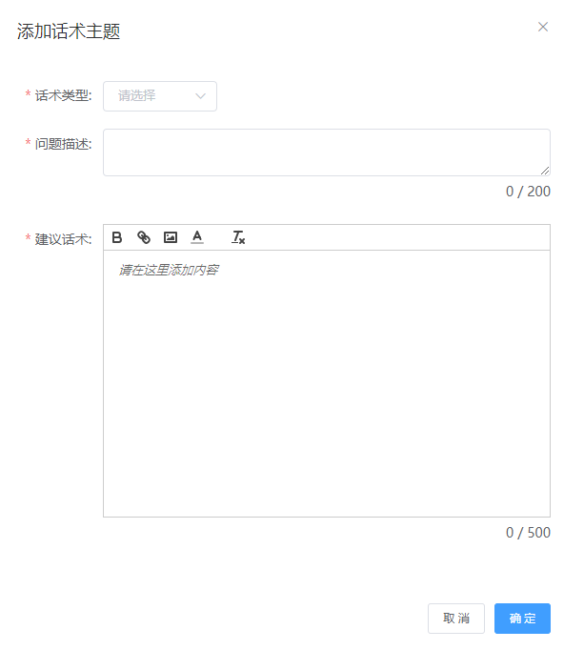
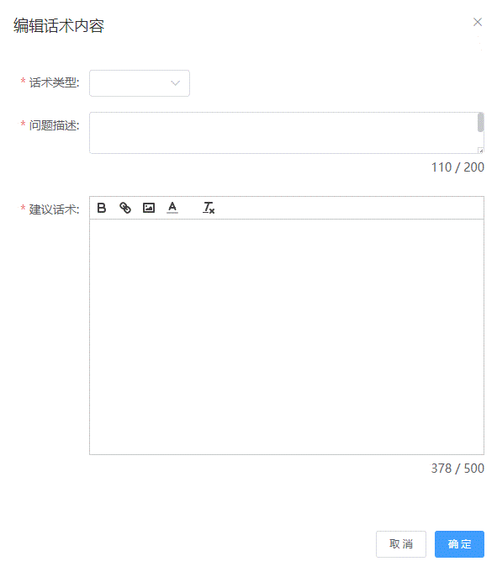
 |  |  | 条 | items
 |  |  | 页 | Page
 |  |  | 前往 | Go to
 |  |  | 暂无数据 | No data
 | hint |  | 提示 | Reminder
 |  |  | 此操作将永久删除选取的话术主题内容，是否继续？ | This will permanently delete the selected Talk Script Title. Do you want to continue?
 |  |  | 此操作将永久删除该条话术主题内容，是否继续？ | This will permanently delete the Talk Script. Do you want to continue?
 | Successful_text |  | 话术主题内容添加成功 | Talk Script added successfully
 | The_subject_matter_editing_success |  | 话术主题内容编辑成功 | Talk Script edited successfully
 | The_scripphosis_content_has_been_deleted_successfully |  | 话术主题内容已删除成功 | Talk Script deleted successfully

