Sheet3
Title
No. | Step | GUI | Parameter Name\ Header | Scenario1 | Scenario2 | Scenario3 | Scenario4
1 | step1,balbla | 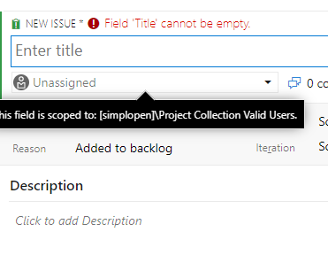 | ParamName1 | V1.1 | V1.2 | V1.3 | V1.4
2 | step2,blabla |  | ParamName2 | V2.1 | V2.2 | V2.3 | V2.4
3 | step3,blabla |  | ParamName3
4 | step4,blabla |  | ParamName4 | 2021/4/30 | FALSE | TRUE | 4.4

 |  |  | useless | no | no | no | no

