Sheet1
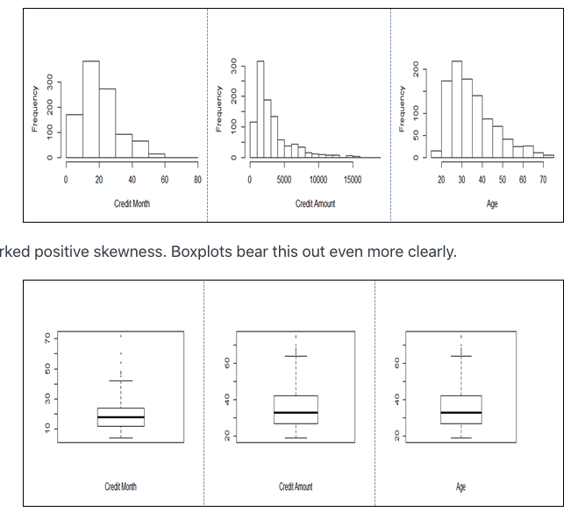
 |  |  |  |  |  |  |  |  |  |  |  |  |  |  |  |  |  |  |  |  | 1 | 2 | 1 | 0.50 | 0.00
 |  |  |  |  |  |  |  |  |  |  |  |  |  |  |  |  |  |  |  |  | 2 | 244 | 108 | 0.44 | 0.41
 |  |  |  |  |  |  |  |  |  |  |  |  |  |  |  |  |  |  |  |  | 3 | 173 | 87 | 0.50 | 0.29
 |  |  |  |  |  |  |  |  |  |  |  |  |  |  |  |  |  |  |  |  | 4 | 408 | 58 | 0.14 | 0.68
 |  |  |  |  |  |  |  |  |  |  |  |  |  |  |  |  |  |  |  |  | 5 | 49 | 28 | 0.57 | 0.08
 |  |  |  |  |  |  |  |  |  |  |  |  |  |  |  |  |  |  |  |  | 6 | 26 | 14 | 0.54 | 0.04
1 | 2 | 3 | 4 | 5 | 6 | 7 | 8 | 9 | 10 | 11 | 12 | 13 | 14 | 15 | 16 | 17 | 18 | 19 | 20 | label | 7 | 5 | 4 | 0.80 | 0.01
a | b | c | d | e | f | g | h | i | j | k | l | m | n | o | p | q | r | s | t | u
...
1 | 12 | 2 | 2 | 9 | 3 | 1 | 1 | 1 | 0 | 4 | 0 | 1 | 2 | 0 | 1 | 1 | 1 | 0 | 0 | 1

 |  |  |  |  |  |  |  |  |  |  |  |  |  |  |  |  |  |  |  |  |  |  | good | bad
 |  |  |  |  |  |  |  |  |  |  |  |  |  |  |  |  |  |  |  |  | 0 <= ... <= 25 | 1 | 26.67 | 15.71 | 186.69 | 47.13 | 0.79843469335 | 0.71617193657
 |  |  |  |  |  |  |  |  |  |  |  |  |  |  |  |  |  |  |  |  | 26 <= ... <= 39 | 2 | 47.33 | 52.72 | 331.31 | 158.16 | 0.67687498723 |  | 0.6699600616
 |  |  |  |  |  |  |  |  |  |  |  |  |  |  |  |  |  |  |  |  | 40 <= ... <= 59 | 3 | 21.67 | 26.14 | 151.69 | 78.42 | 0.65920646647 | 0.65772830761
 |  |  |  |  |  |  |  |  |  |  |  |  |  |  |  |  |  |  |  |  | 60 <= ... <= 64 | 5 | 2.33 | 3 | 16.31 | 9 | 0.64440932438
 |  |  |  |  |  |  |  |  |  |  |  |  |  |  |  |  |  |  |  |  | >= 65 | 4 | 2 | 2.43 | 14 | 7.29 | 0.657585721
 |  |  |  |  |  |  |  |  |  |  |  |  |  |  |  |  |  |  |  |  |  |  | 100 | 100
 |  |  |  |  |  |  |  |  |  |  |  |  |  |  |  |  |  | https://online.stat.psu.edu/stat508/lesson/gcd
 |  |  |  |  |  |  |  |  |  |  |  |  |  |  |  |  |  |  |  |  |  |  | 700 | 300

