Figure 2
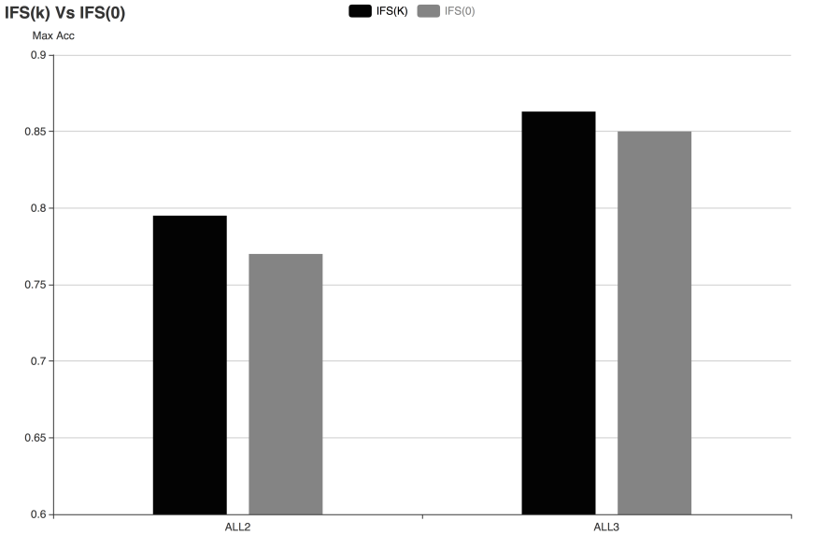
 | ALL2 | ALL3
IFS(i) | 0.795 | 0.863
IFS(0) | 0.770 | 0.850

Figure 3
 | Colon |  | T1D
37 | 0.757 | 757 | 0.656
38 | 0.836 | 758 | 0.667
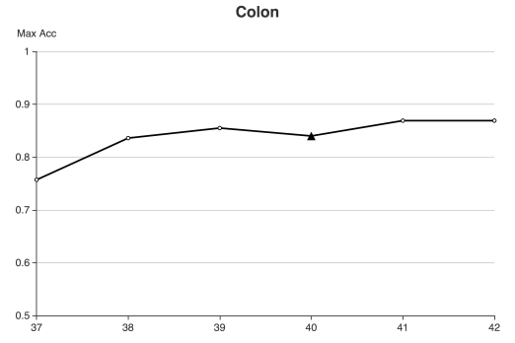
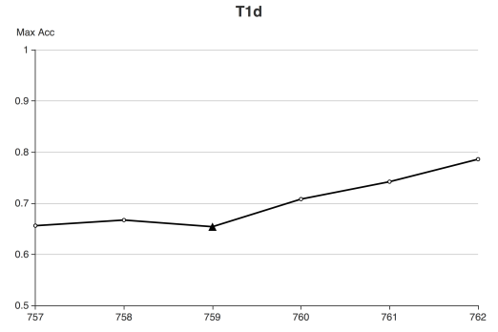
39 | 0.855 | 759 | 0.654
40 | 0.840 | 760 | 0.708
41 | 0.869 | 761 | 0.742
42 | 0.869 | 762 | 0.786

Figure 4
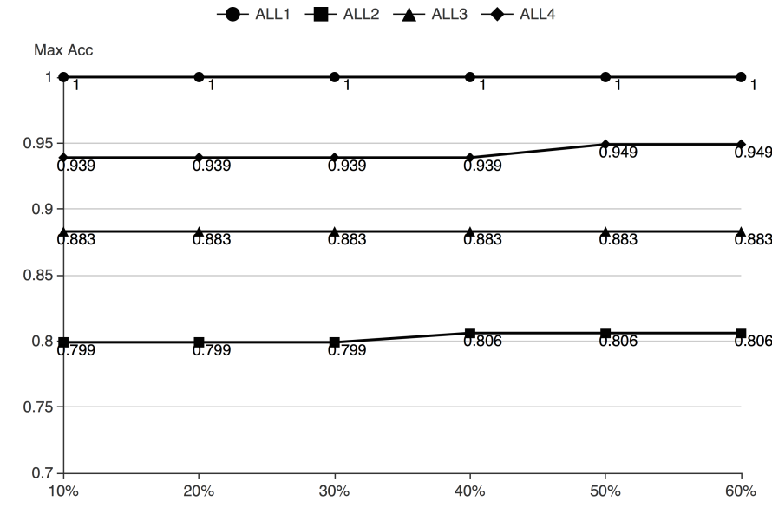
 | ALL1 | ALL2 | ALL3 | ALL4
10% | 1.000 | 0.799 | 0.883 | 0.939
20% | 1.000 | 0.799 | 0.883 | 0.939
30% | 1.000 | 0.799 | 0.883 | 0.939
40% | 1.000 | 0.806 | 0.883 | 0.939
50% | 1.000 | 0.806 | 0.883 | 0.949
60% | 1.000 | 0.806 | 0.883 | 0.949

Figure 5
 | ALL1 | ALL2 | ALL3 | ALL4
1 | 1.000 | 0.795 | 0.856 | 0.903
2 | 1.000 | 0.795 | 0.856 | 0.930
3 | 1.000 | 0.795 | 0.856 | 0.939
4 | 1.000 | 0.799 | 0.883 | 0.939
5 | 1.000 | 0.799 | 0.883 | 0.939

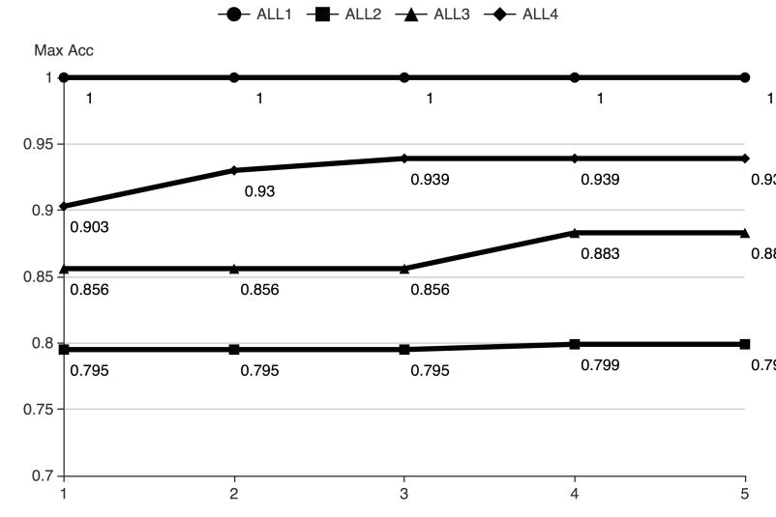

pStartingPercentage =10%
pStartingPercentage =20%

10% | 1 | 2 | 3 | 4 | 5
ALL1 | 1.000 | 1.000 | 1.000 | 1.000 | 1.000
ALL2 | 0.795 | 0.795 | 0.795 | 0.799 | 0.799
ALL3 | 0.856 | 0.856 | 0.856 | 0.883 | 0.883
ALL4 | 0.906 | 0.930 | 0.939 | 0.939 | 0.939

20% | 1 | 2 | 3 | 4 | 5
ALL1 | 1.000 | 1.000 | 1.000 | 1.000 | 1.000
ALL2 | 0.795 | 0.795 | 0.795 | 0.799 | 0.799
ALL3 | 0.856 | 0.863 | 0.863 | 0.883 | 0.883
ALL4 | 0.906 | 0.930 | 0.939 | 0.939 | 0.939

pStartingPercentage =40%
30% | 1 | 2 | 3 | 4 | 5
ALL1 | 1.000 | 1.000 | 1.000 | 1.000 | 1.000
ALL2 | 0.795 | 0.795 | 0.796 | 0.816 | 0.799
pStartingPercentage =30%
ALL3 | 0.856 | 0.863 | 0.863 | 0.883 | 0.883
ALL4 | 0.906 | 0.930 | 0.939 | 0.939 | 0.939

40% | 1 | 2 | 3 | 4 | 5
ALL1 | 1 | 1 | 1 | 1 | 1
ALL2 | 0.795 | 0.795 | 0.809 | 0.806 | 0.806
ALL3 | 0.856 | 0.863 | 0.863 | 0.883 | 0.883
ALL4 | 0.91 | 0.93 | 0.939 | 0.949 | 0.949

50% | 1 | 2 | 3 | 4 | 5
ALL1 | 1 | 1 | 1 | 1 | 1
ALL2 | 0.795 | 0.795 | 0.809 | 0.806 | 0.806
ALL3 | 0.856 | 0.863 | 0.863 | 0.883 | 0.883
ALL4 | 0.91 | 0.93 | 0.939 | 0.949 | 0.949

pStartingPercentage =50%
10% | ALL | ALL2 | ALL3 | ALL4
1 | 1 | 0.795 | 0.856 | 0.906
2 | 1 | 0.795 | 0.856 | 0.93
3 | 1 | 0.795 | 0.856 | 0.939
4 | 1 | 0.799 | 0.883 | 0.939
5 | 1 | 0.799 | 0.883 | 0.939

20% | ALL | ALL2 | ALL3 | ALL4
1 | 1 | 0.795 | 0.856 | 0.906
2 | 1 | 0.795 | 0.863 | 0.93
3 | 1 | 0.795 | 0.863 | 0.939
4 | 1 | 0.799 | 0.883 | 0.939
5 | 1 | 0.799 | 0.883 | 0.939

30% | ALL | ALL2 | ALL3 | ALL4
1 | 1 | 0.795 | 0.856 | 0.906
2 | 1 | 0.795 | 0.863 | 0.93
3 | 1 | 0.796 | 0.863 | 0.939
4 | 1 | 0.816 | 0.883 | 0.939
5 | 1 | 0.799 | 0.883 | 0.939

40% | ALL | ALL2 | ALL3 | ALL4
1 | 1 | 0.795 | 0.856 | 0.91
2 | 1 | 0.795 | 0.863 | 0.93
3 | 1 | 0.809 | 0.863 | 0.939
4 | 1 | 0.806 | 0.883 | 0.949
5 | 1 | 0.806 | 0.883 | 0.949

50% | ALL | ALL2 | ALL3 | ALL4
1 | 1 | 0.795 | 0.856 | 0.91
2 | 1 | 0.795 | 0.863 | 0.93
3 | 1 | 0.809 | 0.863 | 0.939
4 | 1 | 0.806 | 0.883 | 0.949
5 | 1 | 0.806 | 0.883 | 0.949

Figure 6
 | Adeno | ALL1 | ALL2 | ALL3 | ALL4 | CNS | Colon | DLBCL | Gas | Gas1 | Gas2 | Leuk | Lymp | Myel | Pros | Stroke | T1D
mAcc | 1.000 | 1.000 | 0.804 | 0.877 | 0.948 | 0.874 | 0.933 | 0.988 | 0.997 | 0.976 | 1.000 | 1.000 | 1.000 | 0.894 | 0.950 | 1.000 | 0.828

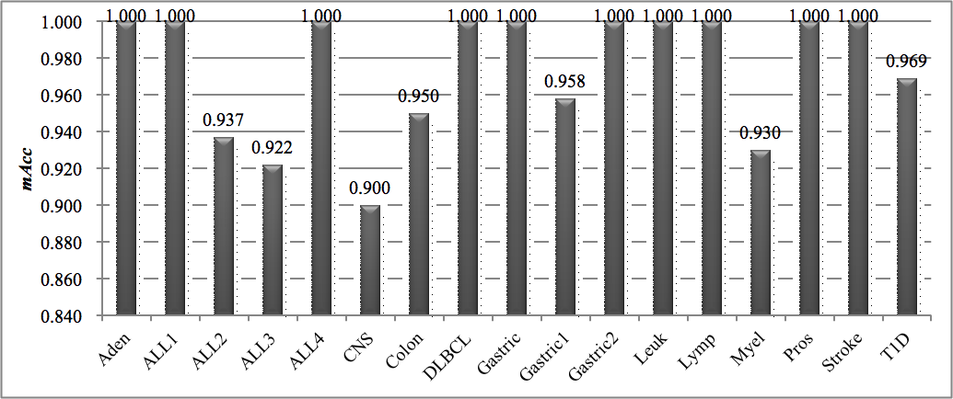

 |  |  |  |  |  |  |  |  |  | ID | Dataset | Samples | Features | Summary
 |  |  |  |  |  |  |  |  |  | 1 | DLBCL | 77 | 7,129 | DLBCL (58) vs follicular lymphoma (19)
 |  |  |  |  |  |  |  |  |  | 2 | Pros | 102 | 12,625 | prostate cancer (52) vs control (50)
 |  |  |  |  |  |  |  |  |  | 3 | Colon | 62 | 2,000 | colon cancer (40) vs normal (22)
 |  |  |  |  |  |  |  |  |  | 4 | Leuk | 72 | 7,129 | ALL (47) vs AML (25)
 |  |  |  |  |  |  |  |  |  | 5 | Mye | 173 | 12,625 | presence (137) vs absence (36) of focallesions of bone
 |  |  |  |  |  |  |  |  |  | 6 | ALL1 | 128 | 12,625 | B-cell (95) vs T-cell (33) ALL
 |  |  |  |  |  |  |  |  |  | 7 | ALL2 | 100 | 12,625 | ALL with (65) vs without (35) relapse
 |  |  |  |  |  |  |  |  |  | 8 | ALL3 | 125 | 12,625 | ALL with (24) vs without (101) multidrug resistance
 |  |  |  |  |  |  |  |  |  | 9 | ALL4 | 93 | 12,625 | ALL with (26) and without (67) the t(9;22) chromosome translocation
 |  |  |  |  |  |  |  |  |  | 10 | CNS | 60 | 7,129 | medulloblastoma survivors (39) vs treatment failures (21)
 |  |  |  |  |  |  |  |  |  | 11 | Lym | 45 | 4,026 | germinalcentre (22) vs activated B-like DLBCL (23)
 |  |  |  |  |  |  |  |  |  | 12 | Adeno | 36 | 7,457 | colon adenocarcinoma (18) vs normal (18)
 |  |  |  |  |  |  |  |  |  | 13 | Gas | 65 | 22,645 | gastric cancer (29) vs non-malignants (36)
 |  |  |  |  |  |  |  |  |  | 14 | Gas1 | 144 | 22,283 | non-cardia gastric cancer (72) vs normal (72)
 |  |  |  |  |  |  |  |  |  | 15 | Gas2 | 124 | 22,283 | cardia gastric cancer (62) vs normal (62)
 |  |  |  |  |  |  |  |  |  | 16 | T1D | 101 | 54,675 | T1D (57) vs control (44)
 |  |  |  |  |  |  |  |  |  | 17 | Stroke | 40 | 54,675 | ischemic stroke (20) vs control (20)

Figure 7
mAcc | Adeno | ALL1 | ALL2 | ALL3 | ALL4 | CNS | Colon | DLBCL | Gas | Gas1 | Gas2 | Leuk | Lymp | Myel | Pros | Stroke | T1D | RIFS | 3 | 1 | 8 | 14 | 10 | 8 | 11 | 6 | 8 | 10 | 7 | 7 | 9 | 27 | 6 | 10 | 6
TRank | 1.000 | 1.000 | 0.751 | 0.833 | 0.930 | 0.758 | 0.917 | 0.973 | 0.971 | 0.945 | 0.983 | 0.988 | 1.000 | 0.880 | 0.923 | 1.000 | 0.794
FPR | 1.000 | 1.000 | 0.751 | 0.825 | 0.930 | 0.749 | 0.917 | 0.973 | 0.971 | 0.945 | 0.983 | 0.988 | 1.000 | 0.880 | 0.925 | 1.000 | 0.794
WRank | 0.625 | 0.743 | 0.652 | 0.809 | 0.723 | 0.650 | 0.774 | 0.765 | 0.710 | 0.917 | 0.920 | 0.761 | 0.763 | 0.787 | 0.693 | 0.471 | 0.607
RIFS | 1.000 | 1.000 | 0.804 | 0.877 | 0.948 | 0.874 | 0.933 | 0.988 | 0.997 | 0.976 | 1.000 | 1.000 | 1.000 | 0.894 | 0.950 | 1.000 | 0.828

max-RIFS | 0.000 | 0.000 | -0.053 | -0.044 | -0.018 | -0.116 | -0.016 | -0.015 | -0.026 | -0.031 | -0.017 | -0.012 | 0.000 | -0.014 | -0.025 | 0.000 | -0.034

RIFS | 3 | 1 | 8 | 14 | 10 | 8 | 11 | 6 | 8 | 10 | 7 | 7 | 9 | 27 | 6 | 10 | 6

Figure 8
mAcc | Adeno | ALL1 | ALL2 | ALL3 | ALL4 | CNS | Colon | DLBCL | Gas | Gas1 | Gas2 | Leuk | Lymp | Myel | Pros | Stroke | T1D | Avg | Lasso | 56 | 5 | 9 | 2 | 15 | 223 | 11 | 9 | 12 | 6 | 14 | 11 | 9 | 27 | 8 | 16 | 4
Lasso | 0.993 | 1.000 | 0.716 | 0.809 | 0.920 | 0.768 | 0.900 | 0.975 | 0.971 | 0.958 | 0.992 | 1.000 | 1.000 | 0.918 | 0.930 | 0.900 | 0.625 | 0.904 | RF | 16 | 37 | 87 | 84 | 59 | 53 | 46 | 40 | 37 | 58 | 38 | 43 | 33 | 115 | 75 | 30 | 79
RF | 0.993 | 1.000 | 0.672 | 0.810 | 0.873 | 0.728 | 0.892 | 0.975 | 0.936 | 0.961 | 0.988 | 0.985 | 0.966 | 0.827 | 0.922 | 0.791 | 0.714 | 0.884 | Ridge | 3729 | 6399 | 6073 | 6188 | 6227 | 3681 | 1000 | 3586 | 11971 | 11699 | 11454 | 1454 | 2146 | 6268 | 6567 | 26773 | 28067
Ridge | 0.961 | 1.000 | 0.652 | 0.809 | 0.785 | 0.650 | 0.869 | 0.950 | 0.893 | 0.959 | 0.983 | 0.932 | 0.892 | 0.793 | 0.838 | 0.650 | 0.633 | 0.838 | RIFS | 3 | 1 | 8 | 14 | 10 | 8 | 11 | 6 | 8 | 10 | 7 | 7 | 9 | 27 | 6 | 10 | 6
RIFS | 1.000 | 1.000 | 0.804 | 0.877 | 0.948 | 0.874 | 0.933 | 0.988 | 0.997 | 0.976 | 1.000 | 1.000 | 1.000 | 0.894 | 0.950 | 1.000 | 0.828 | 0.945

max-RIFS | -0.007 | 0.000 | -0.088 | -0.067 | -0.028 | -0.106 | -0.033 | -0.013 | -0.026 | -0.015 | -0.008 | 0.000 | 0.000 | 0.024 | -0.020 | -0.100 | -0.114 | -0.035

Lasso | 56 | 5 | 9 | 2 | 15 | 223 | 11 | 9 | 12 | 6 | 14 | 11 | 9 | 27 | 8 | 16 | 4 | 25.706
RF | 16 | 37 | 87 | 84 | 59 | 53 | 46 | 40 | 37 | 58 | 38 | 43 | 33 | 115 | 75 | 30 | 79 | 54.706
Ridge | 3729 | 6399 | 6073 | 6188 | 6227 | 3681 | 1000 | 3586 | 11971 | 11699 | 11454 | 1454 | 2146 | 6268 | 6567 | 26773 | 28067 | 8428.353
RIFS | 3 | 1 | 8 | 14 | 10 | 8 | 11 | 6 | 8 | 10 | 7 | 7 | 9 | 27 | 6 | 10 | 6 | 8.882

min-RIFS | 13 | 4 | 1 | -12 | 5 | 45 | 0 | 3 | 4 | -4 | 7 | 4 | 0 | 0 | 2 | 6 | -2

 | Adenoma | ALL1 | ALL2 | ALL3 | ALL4 | CNS | Colon | DLBCL | Gastric | Gastric1 | Gastric2 | Leukaemia | Lymphoma | Myeloma | Prostate | Stroke | t1d
RIFS | 3 | 1 | 8 | 14 | 10 | 8 | 11 | 6 | 8 | 10 | 7 | 7 | 9 | 27 | 6 | 10 | 6
Lasso | 56 | 5 | 9 | 2 | 15 | 223 | 11 | 9 | 12 | 6 | 14 | 11 | 9 | 27 | 8 | 16 | 4
Random Forest | 16 | 37 | 87 | 84 | 59 | 53 | 46 | 40 | 37 | 58 | 38 | 43 | 33 | 115 | 75 | 30 | 79
Ridge | 3729 | 6399 | 6073 | 6188 | 6227 | 3681 | 1000 | 3586 | 11971 | 11699 | 11454 | 1454 | 2146 | 6268 | 6567 | 26773 | 28067

 | RIFS | Lasso | Random Forest | Ridge
Adenoma | 3 | 56 | 16 | 3729
ALL1 | 1 | 5 | 37 | 6399
ALL2 | 8 | 9 | 87 | 6073
ALL3 | 14 | 2 | 84 | 6188
ALL4 | 10 | 15 | 59 | 6227
CNS | 8 | 223 | 53 | 3681
Colon | 11 | 11 | 46 | 1000
DLBCL | 6 | 9 | 40 | 3586
Gastric | 8 | 12 | 37 | 11971
Gastric1 | 10 | 6 | 58 | 11699
Gastric2 | 7 | 14 | 38 | 11454
Leukaemia | 7 | 11 | 43 | 1454
Lymphoma | 9 | 9 | 33 | 2146
Myeloma | 27 | 27 | 115 | 6268
Prostate | 6 | 8 | 75 | 6567
Stroke | 10 | 16 | 30 | 26773
t1d | 6 | 4 | 79 | 28067

Figure 9
 | 0 | 0 | 0 | 0 | 0 | 0 | 0 | 0 | 0 | 0 | 1 | 1 | 1 | 1 | 1 | 1 | 1 | 1 | 1 | 1 | 1 | 1 | 1 | 1 | 1 | 1 | 1 | 1 | 1 | 1 | 1 | 1 | 1 | 1 | 1 | 1 | 1 | 1 | 1 | 1 | 1 | 1
"ILMN_1708743" | 362.925 | 640.24375 | 581.340625 | 615.9885417 | 660.8020833 | 625.7833333 | 500.01875 | 550.7 | 667.4958333 | 466.78125 | 391.0291667 | 458.0041667 | 609.3166667 | 454.1260417 | 431.9364583 | 384.184375 | 306.3770833 | 268.325 | 285.0052083 | 290.8114583 | 417.7833333 | 378.778125 | 238.09375 | 247.3927083 | 241.3802083 | 385.4083333 | 221.5041667 | 217.5875 | 254.6833333 | 266.2958333 | 266.4958333 | 251.5083333 | 328.7760417 | 346.565625 | 288.5583333 | 273.7385417 | 270.8270833 | 374.1604167 | 247.6104167 | 322.9541667 | 259.6020833 | 202.5770833 | 262.4729167 | 224.190625 | 289.2458333 | 361.2604167 | 335.6354167 | 311.6520833
"ILMN_1727184" | 330.39375 | 379.39375 | 436.4197917 | 437.8375 | 437.9885417 | 466.2729167 | 398.68125 | 344.4958333 | 499.475 | 368.9729167 | 270.1697917 | 361.4541667 | 425.7979167 | 344.2291667 | 380.5229167 | 317.1208333 | 269.8854167 | 257.7708333 | 246.4166667 | 252.7416667 | 292.3270833 | 311.125 | 242.3875 | 227.45625 | 279.9479167 | 196.6 | 282.55 | 230.5520833 | 246.0229167 | 259.75625 | 258.634375 | 260.64375 | 235.8895833 | 290.0010417 | 202.7020833 | 235.9458333 | 287.14375 | 263.3083333 | 246.7510417 | 158.9979167 | 263.175 | 212.2416667 | 232.3302083 | 239.9645833 | 307.55 | 277.5354167 | 193.4020833 | 294.896875

 | "ILMN_1708743" | "ILMN_1727184"
0 | 362.925 | 330.39375
0 | 640.24375 | 379.39375
0 | 581.340625 | 436.4197917
0 | 615.9885417 | 437.8375
0 | 660.8020833 | 437.9885417
0 | 625.7833333 | 466.2729167
0 | 500.01875 | 398.68125
0 | 550.7 | 344.4958333
0 | 667.4958333 | 499.475
0 | 466.78125 | 368.9729167
1 | 391.0291667 | 270.1697917
1 | 458.0041667 | 361.4541667
1 | 609.3166667 | 425.7979167
1 | 454.1260417 | 344.2291667
1 | 431.9364583 | 380.5229167
1 | 384.184375 | 317.1208333
1 | 306.3770833 | 269.8854167
1 | 268.325 | 257.7708333
1 | 285.0052083 | 246.4166667
1 | 290.8114583 | 252.7416667
1 | 417.7833333 | 292.3270833
1 | 378.778125 | 311.125
1 | 238.09375 | 242.3875
1 | 247.3927083 | 227.45625
1 | 241.3802083 | 279.9479167
1 | 385.4083333 | 196.6
1 | 221.5041667 | 282.55
1 | 217.5875 | 230.5520833
1 | 254.6833333 | 246.0229167
1 | 266.2958333 | 259.75625
1 | 266.4958333 | 258.634375
1 | 251.5083333 | 260.64375
1 | 328.7760417 | 235.8895833
1 | 346.565625 | 290.0010417
1 | 288.5583333 | 202.7020833
1 | 273.7385417 | 235.9458333
1 | 270.8270833 | 287.14375
1 | 374.1604167 | 263.3083333
1 | 247.6104167 | 246.7510417
1 | 322.9541667 | 158.9979167
1 | 259.6020833 | 263.175
1 | 202.5770833 | 212.2416667

Figure 9 (2)
name | 0 | 0 | 0 | 0 | 0 | 0 | 0 | 0 | 0 | 0 | 1 | 1 | 1 | 1 | 1 | 1 | 1 | 1 | 1 | 1 | 1 | 1 | 1 | 1 | 1 | 1 | 1 | 1 | 1 | 1 | 1 | 1 | 1 | 1 | 1 | 1 | 1 | 1 | 1 | 1 | 1 | 1
ILMN_1708743 | 362.925 | 640.24375 | 581.340625 | 615.9885417 | 660.8020833 | 625.7833333 | 500.01875 | 550.7 | 667.4958333 | 466.78125 | 306.3770833 | 268.325 | 285.0052083 | 290.8114583 | 417.7833333 | 378.778125 | 238.09375 | 247.3927083 | 241.3802083 | 385.4083333 | 221.5041667 | 217.5875 | 254.6833333 | 266.2958333 | 266.4958333 | 251.5083333 | 328.7760417 | 346.565625 | 288.5583333 | 273.7385417 | 270.8270833 | 374.1604167 | 247.6104167 | 322.9541667 | 259.6020833 | 202.5770833 | 262.4729167 | 224.190625 | 289.2458333 | 361.2604167 | 335.6354167 | 311.6520833 | 262.4729167 | 224.190625 | 289.2458333 | 361.2604167 | 335.6354167 | 311.6520833
ILMN_1727184 | 330.39375 | 379.39375 | 436.4197917 | 437.8375 | 437.9885417 | 466.2729167 | 398.68125 | 344.4958333 | 499.475 | 368.9729167 | 269.8854167 | 257.7708333 | 246.4166667 | 252.7416667 | 292.3270833 | 311.125 | 242.3875 | 227.45625 | 279.9479167 | 196.6 | 282.55 | 230.5520833 | 246.0229167 | 259.75625 | 258.634375 | 260.64375 | 235.8895833 | 290.0010417 | 202.7020833 | 235.9458333 | 287.14375 | 263.3083333 | 246.7510417 | 158.9979167 | 263.175 | 212.2416667 | 232.3302083 | 239.9645833 | 307.55 | 277.5354167 | 193.4020833 | 294.896875 | 232.3302083 | 239.9645833 | 307.55 | 277.5354167 | 193.4020833 | 294.896875

name | ILMN_1708743 | ILMN_1727184
0 | 362.925 | 330.39375 |  | 500.01875 | 398.68125
0 | 640.24375 | 379.39375 |  | 550.7 | 344.4958333
0 | 581.340625 | 436.4197917 |  | 667.4958333 | 499.475
0 | 615.9885417 | 437.8375 |  | 466.78125 | 368.9729167
0 | 660.8020833 | 437.9885417 |  | 391.0291667 | 270.1697917
0 | 625.7833333 | 466.2729167 |  | 458.0041667 | 361.4541667
0 | 500.01875 | 398.68125 |  | 609.3166667 | 425.7979167
0 | 550.7 | 344.4958333 |  | 454.1260417 | 344.2291667
0 | 667.4958333 | 499.475 |  | 431.9364583 | 380.5229167
0 | 466.78125 | 368.9729167 |  | 384.184375 | 317.1208333
1 | 306.3770833 | 269.8854167 |  | 306.3770833 | 269.8854167
1 | 268.325 | 257.7708333 |  | 268.325 | 257.7708333
1 | 285.0052083 | 246.4166667 |  | 285.0052083 | 246.4166667
1 | 290.8114583 | 252.7416667 |  | 290.8114583 | 252.7416667
1 | 417.7833333 | 292.3270833 |  | 417.7833333 | 292.3270833
1 | 378.778125 | 311.125 |  | 378.778125 | 311.125
1 | 238.09375 | 242.3875 |  | 238.09375 | 242.3875
1 | 247.3927083 | 227.45625 |  | 247.3927083 | 227.45625
1 | 241.3802083 | 279.9479167 |  | 241.3802083 | 279.9479167
1 | 385.4083333 | 196.6 |  | 385.4083333 | 196.6
1 | 221.5041667 | 282.55 |  | 221.5041667 | 282.55
1 | 217.5875 | 230.5520833 |  | 217.5875 | 230.5520833
1 | 254.6833333 | 246.0229167 |  | 254.6833333 | 246.0229167
1 | 266.2958333 | 259.75625 |  | 266.2958333 | 259.75625
1 | 266.4958333 | 258.634375 |  | 266.4958333 | 258.634375
1 | 251.5083333 | 260.64375 |  | 251.5083333 | 260.64375
1 | 328.7760417 | 235.8895833 |  | 328.7760417 | 235.8895833
1 | 346.565625 | 290.0010417 |  | 346.565625 | 290.0010417
1 | 288.5583333 | 202.7020833 |  | 288.5583333 | 202.7020833
1 | 273.7385417 | 235.9458333 |  | 273.7385417 | 235.9458333
1 | 270.8270833 | 287.14375 |  | 270.8270833 | 287.14375
1 | 374.1604167 | 263.3083333 |  | 374.1604167 | 263.3083333
1 | 247.6104167 | 246.7510417 |  | 247.6104167 | 246.7510417
1 | 322.9541667 | 158.9979167 |  | 322.9541667 | 158.9979167
1 | 259.6020833 | 263.175 |  | 259.6020833 | 263.175
1 | 202.5770833 | 212.2416667 |  | 202.5770833 | 212.2416667
1 | 262.4729167 | 232.3302083 |  | 262.4729167 | 232.3302083
1 | 224.190625 | 239.9645833 |  | 224.190625 | 239.9645833
1 | 289.2458333 | 307.55 |  | 289.2458333 | 307.55
1 | 361.2604167 | 277.5354167 |  | 361.2604167 | 277.5354167
1 | 335.6354167 | 193.4020833 |  | 335.6354167 | 193.4020833
1 | 311.6520833 | 294.896875 |  | 311.6520833 | 294.896875

