DVP&R
 JLR DESIGN/PRODUCTION VERIFICATION FLOW CHART |  |  |  |  |  |  |  |  | DVP NUMBER |  |  |  |  |  | DEPT / NAME |  |  |  |  | Start date
 |  |  |  |  |  |  |  |  | PLAN DATE |  |  |  |  |  | PLAN ORIGINATOR |  |  |  |  | Week
COMPONENT / ASSEMBLY |  | Head UP Display (Gen 3) | P/N | V8E2-14F890-BA |  |  |  |  | CONCURRENCE |  |  |  |  |  | MANAGER APPROVAL |  |  |  |  | TEST TIME IN 2024
XXX
MY |  | PROGRAMME | LATEST DESIGN LEVEL |  | XX | SUPPLIER | CRYSTAL-OPTECH |  | REPORT DATE |  |  |  |  |  | REPORTING ENGR. |  |  |  |  | 0 | 0 | 0 | 0 | 0 | 0 | 0 | 0 | 0 | 0 | 0 | 0 | 0 | 0 | 0 | 0 | 0 | 0 | 0 | 0 | 0
TEST PLAN |  |  |  |  |  |  |  |  |  |  |  |  |  |  | TEST REPORT |  |  |  | NOTES
ITEM | PROCEDURE | TEST ITEM | TEST / | TEST DESCRIPTION | ACCEPTANCE | TARGET | TEST | TEST | SAMPLE | TYPICAL | START DATE |  | COMPLETION DATE |  | SAMPLE |  |  | ACTUAL
No. | STANDARD |  | NO TEST |  | CRITERIA | REQUIREMENTS | RESPONSIBILITY | STAGE | QTY. | DURATION (h) | SCHEDULE | ACTUAL | SCHEDULE | ACTUAL | QTY. | TYPE | PHASE | RESULTS |  | 2 | 3 | 4 | 5 | 6 | 7 | 8 | 9 | 10 | 11 | 12 | 13 | 14 | 15 | 16 | 17 | 18 | 19 | 20 | 21 | 22
Performance Evaluation & Functional Evaluation
1 | TPJLR.13.001 | Optical Test | Test
2 | TPJLR.18.125 L1 L4 | Performance Evaluation& Functional Evaluation | Test
Group A Sequence Tests
A1 | TPJLR.15.051 | Particle Exposure | Test
A2 | TPJLR.18.125 K1 | Low Temperature Exposure | Test
A3 | TPJLR.18.125 K2 | High Temperature Exposure | Test
A4 | TPJLR.18.125 K3 | Low Temperature Operation | Test
A5 | TPJLR.18.125 K4 | High Temperature Operation | Test
A6 | TPJLR.18.125 K5 | Temperature Step Test | Test
A7 | TPJLR.18.125 K6 | Powered Thermal Cycle | Test
A8 | TPJLR.18.125 K7 | Thermal Shock in Air | Test
A9 | TPJLR.18.125 L1 L4 | Performance Evaluation& Functional Evaluation | Test
A10 | TPJLR.18.125 K15 | Vibration | Test
A11 | TPJLR.18.125 K16.1 | Mechanical Shock-Package Drop | Test
A12 | TPJLR.18.125 K16.4 | Mechanical Shock-Low | Test
A13 | TPJLR.18.125 K17 | Audible Noise | Test
A14 | TPJLR.18.125 K9 | Humidity Temperature Cycle | Test
A15 | TPJLR.18.125 K10 | Water/Fluid Ingress Tests | Test
A16 | TPJLR.18.125 K13 | Dust Ingress | Test
A17 | TPJLR.18.125 K14 | Dust Blowing | Test
A18 | TPJLR.18.125 L1 L4 | Performance Evaluation& Functional Evaluation | Test
A19 | TPJLR.13.001 | Optical Test | Test
A20 | TPJLR.18.125 L6 | Internal Inspection | Test
Group B Sequence Tests
B1 | TPJLR.18.125 K22 | Chemical Resistance | Test
B2 | TPJLR.18.125 K18 | Connector and lead/lock strength | Test
B3 | TPJLR.18.125 L1 L4 | Performance Evaluation& Functional Evaluation | Test
B4 | TPJLR.18.125 L6 | Internal Inspection | Test
Group C Sequence Tests
C1 | TPJLR.18.125 K7 | Thermal Shock in Air | Test
C2 | TPJLR.15.051 | Particle Exposure | Test
C3 | TPJLR.18.125 K15 | Vibration | Test
C4 | TPJLR.18.125 K13 | Dust Ingress | Test
C5 | TPJLR.18.125 K14 | Dust Blowing | Test
C6 | TPJLR.18.125 K26 | Mechanical Wear-Out | Test
C7 | TPJLR.18.125 L1 L4 | Performance Evaluation& Functional Evaluation | Test
C8 | TPJLR.13.001 | Optical Test | Test
C9 | TPJLR.18.125 L6 | Internal Inspection | Test
Group D Parallel Tests
D-1 Corrosive Gases
D1-1 | TPJLR.18.125 K21 | Corrosive Gases | Test
D1-2 | TPJLR.18.125 L1 L4 | Performance Evaluation& Functional Evaluation | Test
D1-3 | TPJLR.13.001 | Optical Test | Test
D1-4 | TPJLR.18.125 L6 | Internal Inspection | Test
D-2 Solar Radiation
D2-1 | TPJLR.18.125 K20 | Solar Radiation | Test
D2-2 | TPJLR.18.125 L1 L4 | Performance Evaluation& Functional Evaluation | Test
D2-3 | TPJLR.13.001 | Optical Test | Test
D2-4 | TPJLR.18.125 L6 | Internal Inspection | Test
D-3 PCBA
D3-1 | TPJLR.18.125 K23 | Thermal Shock Endurance | Test
D3-2 | TPJLR.18.125 L1 L4 | Performance Evaluation& Functional Evaluation | Test
D3-3 | TPJLR.18.125 L6 | Internal Inspection | Test
D-4 Dewing Test
D4-1 | TPJLR.18.125 K8 | Dewing Test | Test
D4-2 | TPJLR.18.125 L1 L4 | Performance Evaluation& Functional Evaluation | Test
D4-3 | TPJLR.18.125 L6 | Internal Inspection | Test
D-5 Life Test-1
D5-1 | TPJLR.18.125 K24 | High Temperature Endurance | Test
D5-2 | TPJLR.18.125 L1 L4 | Performance Evaluation& Functional Evaluation | Test
D5-3 | TPJLR.13.001 | Optical Test | Test
D5-4 | TPJLR.18.125 L6 | Internal Inspection | Test
D-6 Life Test-2-1
D6-1 | TPJLR.18.125 K27 | 85/85High Temperature -High Humidity Endurance--No need to verify the TFT screen | Test
D6-2 | TPJLR.18.125 L1 L4 | Performance Evaluation& Functional Evaluation | Test
D6-3 | TPJLR.18.125 L6 | Internal Inspection | Test
D-7 Life Test-2-2
D7-1 | TPJLR.18.125 K27 | 60/95High Temperature -High Humidity Endurance--For verification TFT screen | Test
D7-2 | TPJLR.18.125 L1 L4 | Performance Evaluation& Functional Evaluation | Test
D7-3 | TPJLR.13.001 | Optical Test | Test
D7-4 | TPJLR.18.125 L6 | Internal Inspection | Test
D-8
D8-1 | TPJLR.18.125 K28 | HALT | No Test
D8-2 | TPJLR.18.125 L1 L4 | Performance Evaluation& Functional Evaluation | No Test
D8-3 | TPJLR.13.001 | Optical Test | No Test
D8-4 | TPJLR.18.125 L6 | Internal Inspection | No Test
D-9
D8-1 | TPJLR.52.351 | Condensing humidity | Test
D8-2 | TPJLR.18.125 L1 L4 | Performance Evaluation& Functional Evaluation | Test
D8-3 | TPJLR.13.001 | Optical Test | Test
D8-4 | TPJLR.18.125 L6 | Internal Inspection | Test
Group E EMC Tests
E | JLR-EMC-CS | See EMC test plan for details | Test
Group F Other Tests
F1 | STJLR.99.9999 | Restricted Substance Management | Test
F2 | TPJLR.00.344 | Operating Noise &Transient Noise | Test

Testing Requirements
JLR DESIGN/PRODUCTION VERIFICATION FLOW CHART

TESTING REQUIREMENT
Test temperature and voltage description： |  | Tmin/TEmin：-40℃ | Vmin：7.5V ±0.2 V
 |  | Tpmin：-30℃ | Vpmin：9V ±0.2 V
 |  | Tmax=TPmax：85℃ | Vpmax=Vmax：16 ±0.2 V
 |  | TEmax：95℃ | VN：13.5 ±0.5 V
 |  | TSoak: 85°C

NO. | Test Item | Test Spec | Test Procedure | Requirements or Limits |  |  | Remark
 |  |  |  | L2 | L3 | L5
1 | K1 Low Temperature Exposure | TPJLR.18.125（Issue 5） Section K1 ISO 16750-4:2010 Section 5.1.1.1 IEC 60068-2-1:2007 (Test Ab) | Stabilize the DUTs at a temperature of -40 °C (TEmin). The rate of temperature change in the chamber shall not exceed 1 °C/min (averaged over a 5 minute period).Expose the DUTs for 24h. The DUTs shall be unpowered. | When the test is complete perform the Functional Check (L 2) at -40 °C (TEmin) Need to meet the requirements of L2 in Testing Evaluation | / | Visual Check (L 5) at room temperature Need to meet the requirements of L5 in Testing Evaluation
2 | K2 High Temperature Exposure | TPJLR.18.125（Issue 5） Section K2 ISO 16750-4:2010 Section 5.1.2.1 IEC 60068-2-2:2007 (Test Bb) | Stabilize the DUTs at a temperature of 95 °C (TEmax). The rate of temperature change in the chamber shall not exceed 1 °C/min (averaged over a 5 minute period).Expose the DUTs for 24h. The DUTs shall be unpowered. | When the test is complete perform the Functional Check (L 2) at at room temperature Need to meet the requirements of L2 in Testing Evaluation | / | Visual Check (L 5) at room temperature Need to meet the requirements of L5 in Testing Evaluation | When the HUD is in an environment of 95℃, the HUD will be in a sleep state.
3 | K3 Low Temperature Operation | TPJLR.18.125（Issue 5） Section K3 ISO 16750-4:2010 Section 5.1.1.2 IEC 60068-2-1:2007 (Tests Ad, Ae) | Power up chamber and stabilize at a temperature of -40 °C (Tmin). The rate of temperature change in the chamber shall not exceed 1 °C/min (averaged over a 5 minute period). Perform Monitored Operation on the DUTs as specified in section L 3 during the 24h exposure period. power cycle:1 minute on - 4 minutes off | When the test is complete perform the Functional Check (L 2) at -40 °C (Tmin) Need to meet the requirements of L2 in Testing Evaluation | When the supply voltage of the DUT is within the normal operating voltage range, the DUT should meet the requirements of L3. | Visual Check (L 5) at room temperature Need to meet the requirements of L5 in Testing Evaluation
4 | K4 High Temperature Operation | TPJLR.18.125（Issue 5） Section K4 ISO 16750-4:2010 Section 5.1.2.2 IEC 60068-2-2:2007 (Test Bd, Be) | Power up chamber and stabilize at a temperature of 85 °C (Tmax/Tpmax).Perform Monitored Operation on the DUTs as specified in section L 3 during the 96h exposure period. Normal Load Stress conditions shall be used. The rate of temperature change in the chamber shall not exceed 1 °C/min averaged over a 5 minute period. | When the test is complete perform the Functional Check (L 2) at Tmax Need to meet the requirements of L2 in Testing Evaluation | The DUT should meet the requirements of L3. | Visual Check (L 5) at room temperature Need to meet the requirements of L5 in Testing Evaluation
5 | K5 Temperature Step Test | TPJLR.18.125（Issue 5） Section K5 ISO 16750-4:2010 Section 5.2 | a. Power up the chamber and stabilise at 20 °C. Perform a Functional Check as defined in Section L 2 at 9V &16V&13.5V. b. Lower the chamber temperature by 5 °C, and allow the temperature of the DUT to stabilise c. Perform a Functional Check as L 2 at 9V &16V&13.5N Raise the chamber temperature by 5 °C and allow the temperature of the DUT to stabilise d. Repeat steps (b) and (c) until -40 °C is reached e. Raise the chamber temperature by 5 °C and allow the temperature of the DUT to stabilise f. Perform a Functional Check as L 2 at 9V &16V&13.5N g. Repeat steps (e) and (f) until 85 °C Tmax is reached h. Lower the chamber temperature by 5 °C, and allow the DUT temperature to stabilise. i. Perform a Functional Check as L 2 at 9V &16V&13.5N. j. Repeat steps (h) and (i) until 20 °C is reached. k. When the test is complete perform a Visual Check (L 5). Note：2-3 working days, you can keep working at 20℃ and wait for the next day to continue testing | Need to meet the requirements of L2 in Testing Evaluation | The DUT should meet the requirements of L3. During the test, the tester is required to visually display the image of the sample at all times. | Visual Check (L 5) at room temperature Need to meet the requirements of L5 in Testing Evaluation | The DUT shall be in sleep mode or if there is no sleep mode powered OFF during the temperature transition and stabilisation phases.
6 | K6 Power Thermal Cycle | EE-HWRD-HUD3-1432 TPJLR.18.125（Issue 5） Section K6 ISO 16750-4:2010 Section 5.3.1 IEC 60068-2-14:2009 (Test Nb) | Expose the DUTs for 30 cycles,run the profile in Figure 1/Table 2（EE-HWRD-HUD3-1432） Tmin：-40℃/Tmax:85℃ power cycle:1 minute on - 4 minutes off Monitored operation as described in L 3 shall be performed in the operational sections. Component operation shall be cycled between Normal Load Stress and Maximum Load Stress. When the test is complete perform the Functional and the Visual Check as specified in L 2 and L 5 at TN | When the test is complete perform the Functional Check (L 2) at TN, Need to meet the requirements of L2 in Testing Evaluation. | When the supply voltage of the DUT is within the normal operating voltage range, the DUT should meet the requirements of L3. | Visual Check (L 5) at room temperature Need to meet the requirements of L5 in Testing Evaluation
7 | K7 Thermal Shock in Air | TPJLR.18.125（Issue 5） Section K7 ISO 16750-4:2010 Section 5.3.2 IEC 60068-2-14:2009 Test Na | 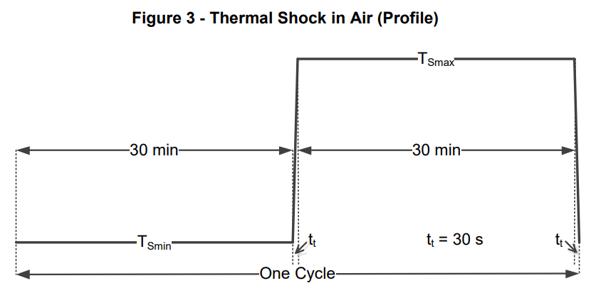 The DUTs shall be unpowered. Bring both chambers to their respective set temperatures -40℃TEmin and 95℃ TEmax as indicated in Figure 3. Move the DUT’s into the cold chamber within 30s and start the cold soak cycle. Soak the DUTs for 30 min. Move the DUTs into the hot chamber within 30 seconds and begin the hot soak cycle. Soak the DUTs for 30 minutes.The test cycles：100 When the test is complete perform the Functional and the Visual Check as specified in L 2 and L 5 at TN | When the test is complete perform the Functional Check (L 2) at TN, Need to meet the requirements of L2 in Testing Evaluation. | / | Visual Check (L 5) at room temperature Need to meet the requirements of L5 in Testing Evaluation
8 | K8 Dewing Test | TPJLR.18.125（Issue 5） Section K8 ISO 16750-4:2010 Section 5.6.2.4 Test 3 | 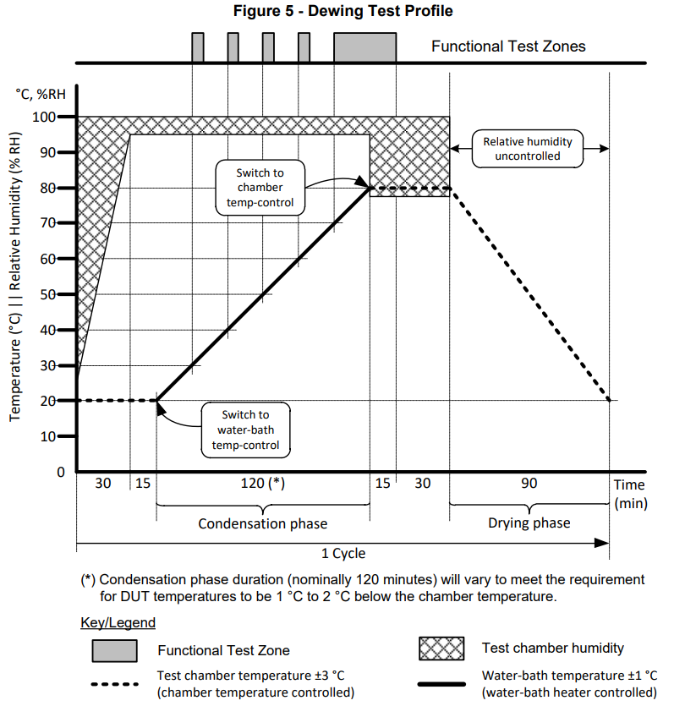 a:The supply voltage and current consumption of the DUTs shall be measured and logged throughout the test. b: Complete IEC 60068-2-30 Test Db using the variant in Figure 5. The condensation phase may be shortened if required to maintain a difference of 1 °C to 2 °C between the surface of the DUT and the chamber to ensure that condensation forms on its surface. c: During the condensation phase the ambient temperature of the chamber shall be controlled by heating the water in the bath/floor trough. The temperature difference between the water bath and the ambient temperature of the chamber must always be <15 °C. The test chamber wall temperature must be higher than the DUT temperature. d: A short functional test at 13.5 V ±0.2 V (between 15 seconds and 2 minutes duration) shall be performed on the DUTs every 10 °C rise in temperature (at 30 °C, 40 °C, 50 °C, 60 °C) as shown in Figure 5. e: A long functional test at 13.5 V ± 0.2 V shall start when the DUTs reach 70 °C and continue for 15 minutes after reaching 80 °C. f: After the condensation phase switch to chamber temperature control and maintain the chamber temperature at 80 °C for 45 minutes. g: During the drying phase switch off the water bath heater and use the chamber temperature control to return the temperature to initial conditions (20 °C ±3 °C) over a 90 minute period. h: Repeat from c for 5 cycles. A complete set of PGU+ light board +LED light cable | In addition to the requirements of L2, the output values of the following devices need to be measured： 3.3V for MCU (C4012): 3.3±0.18V; 1.15V for Deserializer (C9498): 1.15±0.06V; 1.8V for Deserializer (C4201): 1.8±0.11V; Motor Driver(C8521): 13.5±1.5V; | 1. During the test, when functional verification is not required, the HUD should be in a sleep state (at 12 V ± 0.2 V)and the sleep current should be monitored throughout the process. 2. A short functional test as L3 at 13.5 V ±0.2 V (between 15 seconds and 2 minutes duration) shall be performed on the DUTs every 10 °C rise in temperature (at 30 °C, 40 °C, 50 °C, 60 °C) ; A long functional test as L3 at 13.5 V ± 0.2 V shall start when the DUTs reach 70 °C and continue for 15 minutes after reaching 80 °C. ---Only the current values (operating current and sleep current) and software monitoring are required for the test. 3. Test placement of DUT: Two of the DUTs shall be installed horizontally (with primary side up), two inverted (with primary side down) and the final two DUTs shall be oriented as installed in the vehicle | Visual Check (L 5) at room temperature. Need to meet the requirements of L5 in Testing Evaluation
9 | K9 Temperature/Humidity Cycle | TPJLR.18.125（Issue 5） Section K9 ISO 16750-4 Section 5.6.2.3 IEC 60068-2-38 Test Z/AD | 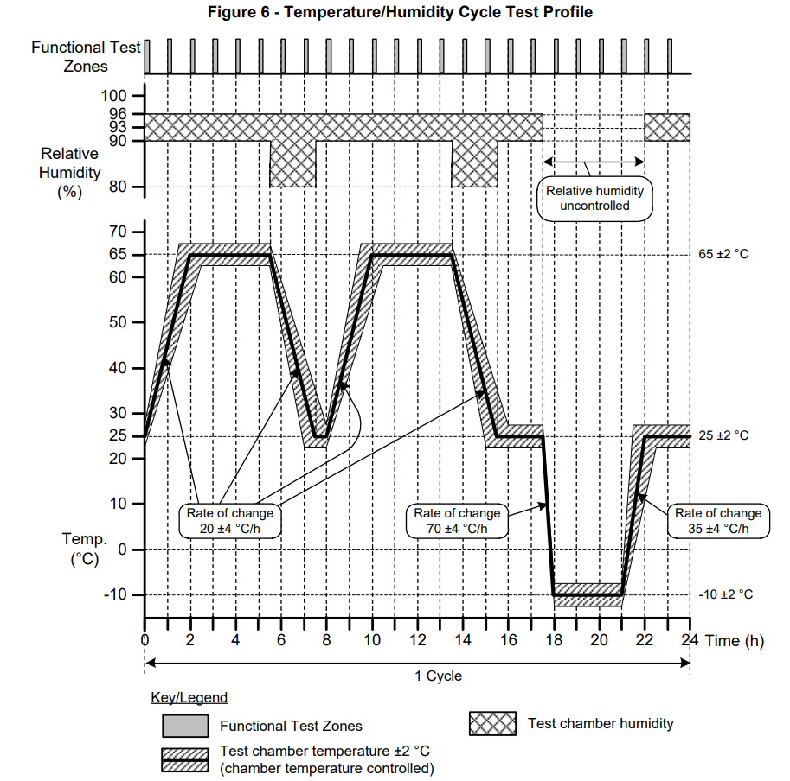 The DUTs shall then be subjected to the temperature/humidity cycle shown in Figure 6. During this cycle, the DUTs shall be in Sleep mode if available (at 12 V±0.2 V) or switched off. The DUT shall be powered on and a short Functional Check (L 2) performed during that last hour of each cycle. The temperature/humidity cycle shall be repeated for 10 cycles. There shall be a final 24 h drying period as specified in IEC 60068-2-38 Test Z/AD When the test is complete return the temperature to TN and perform the Functional Check (L 2) and Visual Check (L 5) | The DUT shall be powered on and a short Functional Check (L 2); When the test is complete perform the Functional Check (L 2) at TN. Need to meet the requirements of L2 in Testing Evaluation. | / | Visual Check (L 5) at room temperature. Need to meet the requirements of L5 in Testing Evaluation.
10 | K10 Water\Fluid Ingress Test | TPJLR.18.125（Issue 5） Section K10 ISO 20653 | EE-HWRD-HUD3-1447: The Drip test procedure for HUD shall follow that defined in ISO 20653 for an IP Rating of IP5K2；DUT should be operational during the test. Repeat the test for each mounting orientation. | When the test is complete perform the Functional Check (L 2) at TN. Need to meet the requirements of L2 in Testing Evaluation. | 1. The DUT needs to be operated according to the requirements of L3 during the test. 2. Lab should mount the DUTs at the same orientation as used in the vehicle and the test surface is the cover lens, then turn the DUT to test in all four directions (keep the test surface as a cover lens). 3. No need to add a sensor monitoring system to the test | Visual Check (L 5) at room temperature. No water permitted in active area or within module Need to meet the requirements of L5 in Testing Evaluation.
11 | K13 Dust Ingress | TPJLR.18.125（Issue 5） Section K13 ISO 20653:2013 Section 8.3 (IP5KX, IP6KX) | Test dust A2 according to ISO 12103-1 (Arizona dust) shall be used. Prior to the test, DUTs shall be stabilised to the temperature and humidity test conditions for at least 24 hours. Operating Mode: DUT shall be operating according to Monitored Operation (L 3). IP :IP5K;Number of Cycles: 20 The DUT shall be powered on during the test. | When the test is complete perform the Functional Check (L 2) at TN. Need to meet the requirements of L2 in Testing Evaluation. | Lab should mount the DUTs at the same orientation as used in the vehicle. DUT shall be operating according to Monitored Operation (L 3) No need to add a sensor monitoring system to the test | Visual Check (L 5) at room temperature. No dust permitted in active area or within module Need to meet the requirements of L5 in Testing Evaluation.
12 | K14 Dust Blowing Test | TPJLR.18.125（Issue 5） Section K14 IEC 60068-2-68 | •Temperature: 25 °C to 35 °C. The standard has written placement conditions, and the laboratory strictly implements them. •Dust Concentration: 0.1 g/m³ to 0.3 g/m³. •Dust Velocity: 2.5 m/s ±0.5 m/s. •Relative Humidity: 0-30 % RH Arizona dust Operating Mode: DUT shall be operating according to Monitored Operation (L 3). Perform the test for 1 hour； Wipe or shake off excess dust and perform the Functional Check (L 2) and Visual Check (L 5).Repeat 3 times After K13 test, wipe clean the surface dust, and then simulate the real car left and right side blow out（Which way is the wind blowing, awaiting L481 project definition） | When the test is complete perform the Functional Check (L 2) at TN. Need to meet the requirements of L2 in Testing Evaluation. | Lab should mount the DUTs at the same orientation as used in the vehicle. DUT shall be operating according to Monitored Operation (L 3) No need to add a sensor monitoring system to the test | Visual Check (L 5) at room temperature. Need to meet the requirements of L5 in Testing Evaluation.
13 | K15 Vibartion | TPJLR.18.125（Issue 5） Section K15 ISO 16750-3 IEC 60068-2-6 (Test Fc) IEC 60068-2-64 | Operating Mode: DUT shall be operating K 15.3.1 Body Mounted (Sprung mass) Test temperature according to Fig. 7 Tmin：-40℃/Tmax:85℃ Random Wide-Band Random Vibration excitation according to IEC 60068-2-64 using the profile in Figure 8. Test duration is 8 hours for each axis with RMS acceleration value of 30.8 m/s2. When the test is complete perform the Functional Check and Visual Check as specified in sections L 2 and L 5. | When the test is complete perform the Functional Check (L 2) at TN. Need to meet the requirements of L2 in Testing Evaluation. | When the supply voltage of the DUT is within the normal operating voltage range, the DUT should meet the requirements of L3. No need to add a sensor monitoring system to the test | Visual Check (L 5) at room temperature. Need to meet the requirements of L5 in Testing Evaluation.
14 | K16 Mechanical Shock/Drop | TPJLR.18.125（Issue 5） Section K16.1 EE-HWRD-HUD3-1457/1458 | K 16.1 Package Drop. Drop the package a distance of 1m onto a concrete or steel surface. Repeat once for each package surface and corner. When the test is complete open the package and perform the Functional Check and Visual Check as specified in sections L 2 and L 5. Waiting for confirmation of the test method | When the test is complete perform the Functional Check (L 2) at TN. Need to meet the requirements of L2 in Testing Evaluation. | / | Visual Check (L 5) at room temperature. Need to meet the requirements of L5 in Testing Evaluation. | There are a total of 14 samples in this project, 6 samples tested 6 different package surfaces, and the other 8 samples tested different package corners.
15 |  | TPJLR.18.125（Issue 5） Section K16.4 EE-HWRD-HUD3-1457/1458 | K 16.4 Low Mechanical Shock. Expose the DUTs to 10 ms half-sine shock impulses of 491 m/s² (50 g). 6 per each (6) axis = 36 total (+X, -X, +Y, -Y, +Z, -Z) When the test is complete perform the Functional Check and Visual Check as specified in sections L 2 and L 5. | When the test is complete perform the Functional Check (L 2) at TN. Need to meet the requirements of L2 in Testing Evaluation. | When the supply voltage of the DUT is within the normal operating voltage range, the DUT should meet the requirements of L3. No need to add a sensor monitoring system to the test | Visual Check (L 5) at room temperature. Need to meet the requirements of L5 in Testing Evaluation.
16 | K17 Audible Noise | TPJLR.18.125（Issue 5） Section K17 TPJLR.00.187 (Issue 2) | Static (Load Deflection and Noise) Test: The whole HUD is at a static state, the motor does not rotate The component or assembly to be tested must be attached to a sufficiently stiff frame or part body shell in the same orientation as it is within the vehicle, using the same attachment / fixing points and methods;Ambient temperature for the purpose of this test must be at 21°C ±3°C Audio recordings shall be supplied to the JLR NVH PAT leader. | 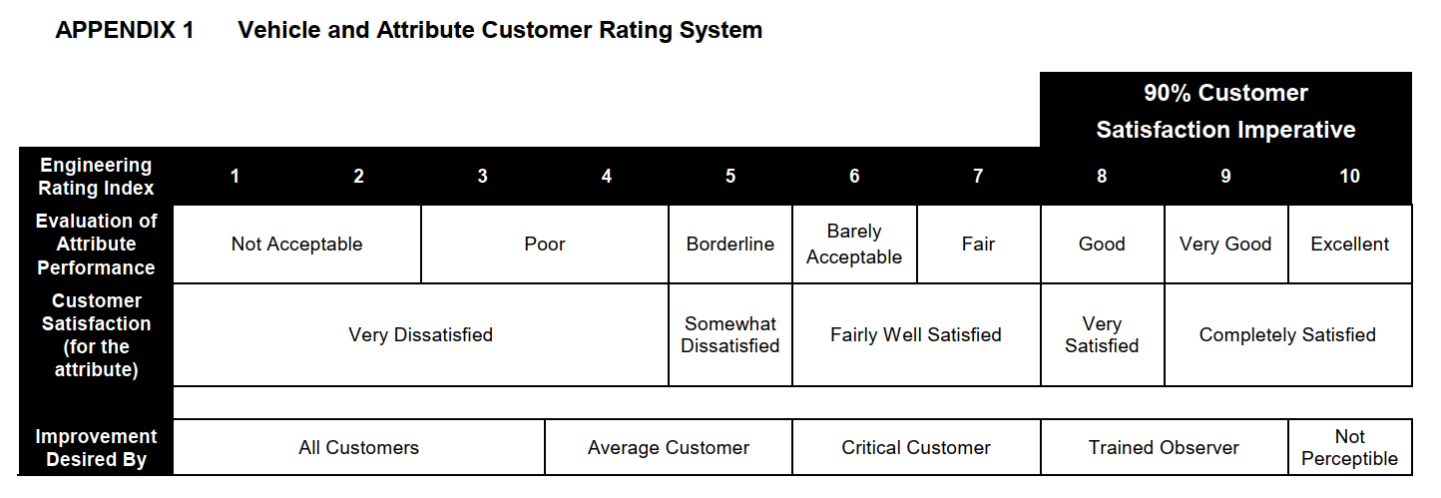 Subjective:≥VER 7(TPJLR.00.201)
17 |  |  | Shaker Test: The entire HUD is in a state of mechanical vibration and the Motor does not rotate The component or assembly to be tested must be attached to a sufficiently stiff frame or part body shell in the same orientation as it is within the vehicle, using the same attachment / fixing points and methods;Ambient temperature for the purpose of this test must be at 21°C ±3°C The continuous duration of the test must be a minimum of 15 minutes in TPJLR.00.187 Appendix C in all x,y and z directions.
18 | K18 Connector and lead/lock strength | TPJLR.18.125（Issue5） Section K18 | K 18.1 Connector Push Test Apply 1.5 times the Rated Maximum Engagement force to the connector in the direction of mating for one minute. | When the test is complete perform the Functional Check (L 2) at TN. Need to meet the requirements of L2 in Testing Evaluation. | / | Visual Check (L 5) at room temperature. Need to meet the requirements of L5 in Testing Evaluation. | 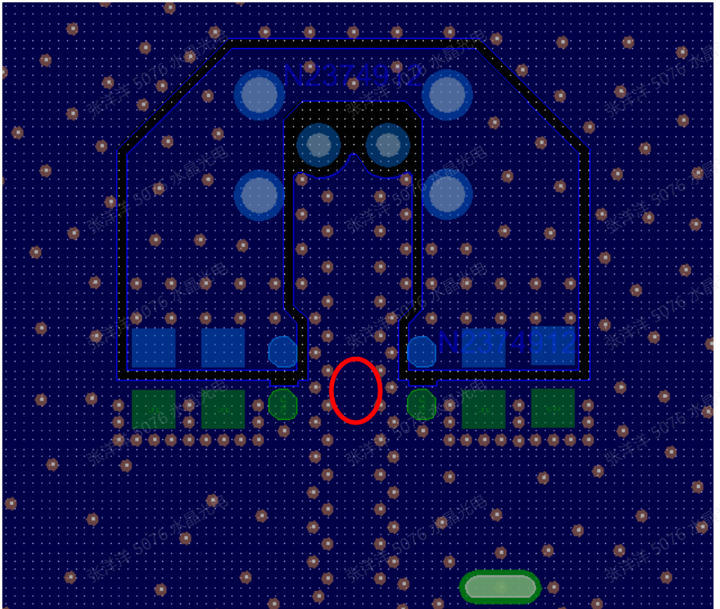 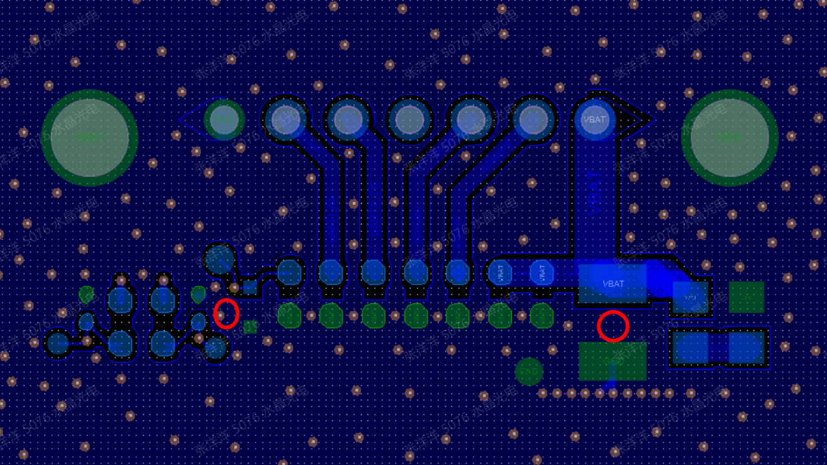 K18.1: During the test, two samples are to be selected and pressure transducers are to be placed at the specified locations and monitored during the test ensure that no component exceeds 50% of its specified maximum strain or 500 microstrain, whichever is the lower
19 |  |  | K 18.2 Connector Torque Test. Independently apply 39.2 N (4 kgf) to all four sides of the harness connector(s), perpendicular to the direction of mating, at the greatest moment arm of each axis, for one minute.
20 |  |  | K 18.3 Connector Durability Test. Plug and unplug each connection system 11 times by hand or use the maximum specified torque if a bolt is required. The time to mate each connection system by hand must not exceed 4s .
21 |  |  | K 18.4 Lead/Lock Pull Test 98.1N bundle 78.5N per wire
22 | K20 Solar Radiation | TPJLR.18.125（Issue5） Section K20 IEC 60068-2-5 | Test method: Sa 2 30cycle，24h/cycle：20h irradiation, 4h darkness at 1050W/m² for 30 cycles. low temperature （darkness）：25℃ upper temperature （irradiation）：40℃ Tests shall be performed on assembled module. | When the test is complete perform the Functional Check (L 2) at TN. Need to meet the requirements of L2 in Testing Evaluation. | / | Visual Check (L 5) at room temperature. Need to meet the requirements of L5 in Testing Evaluation.
23 | K21 Corrosive Gases | TPJLR.18.125（Issue5） Section K21 STJLR.15.5031 IEC 60068-2-60 Test Ke Method 4 | EE-HWRD-HUD3-1618: Complete the test according to IEC 60068-2-60 Test Ke Method 4 with the following parameters: The test shall be run over 336 hours at a temperature of 40°C and RH of 90% Gas Concentration: H2S (Hydrogen Sulphide) concentration shall be 15 ppm (±5) SO2 (Sulphur Dioxide) concentration shall be 200 ppb (±20) CL2(Chlorine) concentration shall be10ppb (±5) NO2(Nitrogen Dioxide) concentration shall be 200 ppb (±20) Once the test is complete perform a Functional Check and the Visual Check as per sections L 2 and L 5 | When the test is complete perform the Functional Check (L 2) at TN. Need to meet the requirements of L2 in Testing Evaluation. | / | Visual Check (L 5) at room temperature. Need to meet the requirements of L5 in Testing Evaluation.
24 | K22 Chemical Resistance | TPJLR.18.125（2022） Section K22 TPJLR.18.233（2021）G9 ISO 16750-5:2011 | EE-HWRD-HUD3-1468 Tests shall be performed on assembled module,Only test the cover lens part (The HUD is installed in the IP station, only the cover lens will be exposed in the cockpit, and the rest are hidden) Test Temp:85℃; Test Duration:72h 1.Sun cream--II 2.Ketchup--III 3.Air freshener--I 4.Hand sanitiser--I 5. Denatured Alcohol--I 6. Glass Cleaner--I 7. Ammonia Containing Cleaner --II 8. Leather Wax --II 9. Deodorizer Spray --I 10. Interior Cleaners --I 11. Acetone-- I 12. Perspiration--II 13. Cosmetic Products eg Creams/Moisturisers--II 14. Refreshment containing Sugar & Caffeine--III 15. Cream, Coffee Whitener--III | When the test is complete perform the Functional Check (L 2) at TN. Need to meet the requirements of L2 in Testing Evaluation. | / | Visual Check (L 5) at room temperature. Need to meet the requirements of L5 in Testing Evaluation. Without the crack, bubbles,foggy, haze, anything impact the optical performance.
t
t
25 | K23 Thermal Shock Endurance | TPJLR.18.125（Issue 5） Section K23 IEC 60068-2-14 test Na | Test only PCBA Before test：The PCBA must first perform an X-RAY inspection to ensure that the solder quality must meet “Acceptable Class 3” according to IPC-A-610 for all sections applicable to the PCBA, including no evidence of large solder voids (30% or greater F 8.3.12.4). This test shall not be performed until compliance is met. Soak the DUTs for 30 minutesat temperatures -40℃TEmin and 95℃TEmax The temperature exchange time is 30s Continue to cycle the DUTs for 1,000 cycles, performing a Visual Inspection of the joints and coatings at 320±10, 640 ±10 and 1,000 cycles When the test is complete return DUTs to room temperature. Perform a Performance Evaluation (L 1) and Visual Check (L 5) | Because it is tested by PCBA, when performing L2 verification after the test, LAB need to monitor the current value, the MCU and Signal Transmission in the upper computer software. | / | The PCBA need meet the requirement of L6： Method A to D Methods C and D can select three samples for inspection. No cracks in the solder, no tin whiskers and no cracks or bubbles in coatings allowed. Three of the samples shall have solder joints examined by sectioning and if used previously x-ray. Cracks that interrupt no more than 30% of the solder joint may be accepted at the discretion of the JLR Component Engineer. | 1. Before start of test, submit a copy of the DUT assembly solder profiles (Reflow, Wave, and Selective Solder) to the JLR Component Engineer with written verification that the profiles meet the solder and component manufacturers’ thermal requirements. 2. Where Conformal Coating is used, submit a copy of the curing profile to the JLR Component Engineer (Including UV curable coatings) and written verification this meets the manufacturers’ requirements. 3. Provide pictures of all cross sections and a representative number of each joint type.
26 | K24 High Temperature Endurance | TPJLR.18.125（Issue 5） Section K24 IEC 60068-2-2 Test Be | Power up chamber and stabilize at the specified temperature 85℃Tmax/Tpma. Expose the DUTs for 1,000 hours whilst performing Monitored Operation as specified in section L 3. Check the DUTs once per day to verify that they are operating properly. When the test is complete perform the Functional and Visual Check as specified in sections L 2 and L 5. | When the test is complete perform the Functional Check (L 2) at Ttest. Need to meet the requirements of L2 in Testing Evaluation. | Check the DUTs once per day to verify that they are operating properly. The DUT should meet the requirements of L3. | Visual Check (L 5) at room temperature. Need to meet the requirements of L5 in Testing Evaluation.
27 | K26 Mechanical Wear-Out | TPJLR.18.125（Issue 5） Section K26 | EE-HWRD-HUD3-1480 The HUD module shall be tested by rotating the HUD movable mirror from one end of travel to another, and back again. This shall be deemed as one cycle. 100000 cycles at TN 25000 cycles at Tmin/Tpmin 25000 cycles at Tmax/Tpmax When the test is complete return DUTs to room temperature and perform the Functional and Visual Check as specified in sections L 2 and L 5. | When the test is complete perform the Functional Check (L 2) at Ttest. Need to meet the requirements of L2 in Testing Evaluation. | DUT shall be operating according to Monitored Operation (L 3) | Visual Check (L 5) at room temperature. Need to meet the requirements of L5 in Testing Evaluation. | Functional tests shall confirm that all optical requirements (with particular attention paid to image position) are met. Image position at the end of the test shall not less than 2m, as measured at the system Virtual Image Distance.--Based on current experience, the deviation of the virtual image distance between the test and the test is less than 2mm, so this item can only be modified to ensure that the virtual image distance after the test is greater than 2m.
28 | K27 85/85High Temperature -High Humidity Endurance | TPJLR.18.125（Issue 5） Section K27 | 85℃，85%RH 1000h Check the DUTs once per day to verify that they are operating properly When the test is complete return DUTs to room temperature and perform the Functional and Visual Check as specified in sections L 2 and L 5. The TFT is not required | When the test is complete perform the Functional Check (L 2) at Ttest. Need to meet the requirements of L2 in Testing Evaluation. Abnormality and damage to the TFT are allowed. | DUT shall be operating according to Monitored Operation (L 3) Abnormality and damage to the TFT are allowed | Visual Check (L 5) at room temperature. Need to meet the requirements of L5 in Testing Evaluation.
29 |  |  | 60℃，95%RH 1100h Check the DUTs once per day to verify that they are operating properly When the test is complete return DUTs to room temperature and perform the Functional and Visual Check as specified in sections L 2 and L 5. | When the test is complete perform the Functional Check (L 2) at Ttest. Need to meet the requirements of L2 in Testing Evaluation. | DUT shall be operating according to Monitored Operation (L 3) | Visual Check (L 5) at room temperature. Need to meet the requirements of L5 in Testing Evaluation.
30 | K28 HALT | TPJLR.18.125（Issue 5） Section K28 | Operational limit tests：3 samples Conduct the Performance Evaluation test, L 1, on the DUTs before starting the test and on surviving DUTs at the end of testing. Cold test.：Reduce temperature to -40 °C at a maximum rate of 4 °C/min. Power up DUT and verify proper operation. Power off and lower the temp in 5 °C increments with a 5 minute dwell. After each dwell power up and verify proper operation. Continue until improper operation is found or -100 °C is reached. Hot test.:Raise temperature to +75 °C at 4 °C/min max. Power up module and verify proper operation. Power off and raise the temp in 5 °C increments with a 5 minute dwell. After each dwell power up and verify proper operation. Continue until improper operation is found or until Tmax +50 °C is reached. | Loss of operation above -55 °C is considered a failure that must be 8D analysed and fixed. Loss of operation below Tmax +15 °C is considered a failure that must be 8D analysed and fixed.
 |  |  | Thermal Shock test. Conduct the Performance Evaluation test, L 1, on the DUTs before starting the test and on surviving DUTs at the end of testing. Reduce temperature to -40 °C at 4 °C/min. max. Power up module and verify proper operation. Start the thermal shock test with a ramp rate of 15 °C/min to T6 and dwell for as long as it takes the board to come to temperature and then power off the module and return to -40 °C. Repeat this temp/power on & off cycle 5 times. Increase the ramp rate in 5 °C/min increments and repeat the 5 cycles until a module fails or the ramp rate equals 50 °C/min. | Loss of operation at a ramp rate less than 30 °C/min is considered a failure that must be 8D analysed and fixed if the mini validation test methods are to be used
 |  |  | Vibration test 3 new samples may be used for this test Conduct the Performance Evaluation test, L 1, on the DUTs before starting the test and on surviving DUTs at the end of testing. Power up and verify proper operation. Start vibration, continue to monitor the module and slowly ramp up to 5.0 g. Dwell there for 5 minutes. If module continues to operate properly increase the vibration in 5.0 g increments with 5 minute dwells until a module fails to operate properly or 20 g is reached. After 20 g is reached increment in steps of 2.5 g until 50 g is reached or the module fails. | Loss of operation below 20g is considered a failure that must be 8D analysed and fixed
 |  |  | Thermal Shock/Vibration test Conduct the Performance Evaluation test, L 1, on the DUTs before starting the test and on surviving DUTs at the end of testing. Reduce temperature to -40 °C at 4 °C/min. Start the thermal shock cycle at the ramp rate the modules last performed properly during the Thermal Shock test. Start vibration at the g level the module last operated properly at the same time. Turn the vibration on & off in 2 minute intervals and turn the power off when the temperature ramps down and back on when the temperature ramps up. Continue for 20 cycles or until the modules perform improperly. | No judgement is made and a detailed record of the problem is required: When an anomaly occurs: Power off the module and turn back on to see if it recovers, if yes continue test, if not power off and turn off the vibration if it is on and return the module to room temperature at 4 °C/min. Power-up the module to see if it recovers if yes, note it in the test log and remove the module. If there are modules which were still operating properly return to point of the previous failure and continue to 20 cycles or the next failure. If the modules survive 20 cycles note this in the test log and turn off the vibration and return the modules to room temperature at 4 °C/min.
 |  |  | All surviving modules shall run through the Performance Evaluation test, L 1, and the results shall be compared to those taken in the pre-test evaluations. | No judgement is made and a detailed record of the problem is required
31 | Condensing humidity | TPJLR.52.351 | 1 Temperature; The temperature of the air space in the camber shall be 48 °C ± 2 °C. A recording thermometer is desirable. 2 Humidity; This shall be 95% to 100% maintained by evaporation of distilled or de-ionised water from the heated reservoir. 3 Test time：120h Remove the samples and within 15 minutes of removal, examine in accordance with the acceptance criteria defined in the Standard for the material or product, (usual checks are for colour change, blistering, loss of adhesion and corrosion. It is permissible if the surfaces to be inspected are wet, to blot quickly with absorbent paper to make inspection. The HUD powered up during the test | When the test is complete perform the Functional Check (L 2) at TN. Need to meet the requirements of L2 in Testing Evaluation. | DUT shall be operating according to Monitored Operation (L 3) | Visual Check (L 5) at room temperature. Need to meet the requirements of L5 in Testing Evaluation.
32 | Particle Exposure | TPJLR.15.051 ISO 20653:2013 Section 8.3 | 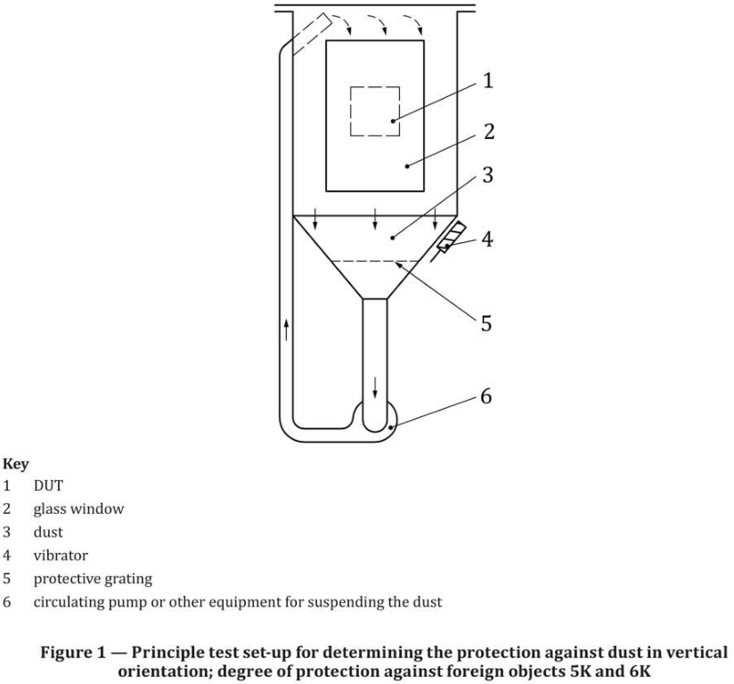 Prior to the test, DUTs shall be stabilised to the temperature and humidity test conditions for at least 24 hours. The DUT (and mounting fixture if used) will be completely surrounded by an envelope of air.The temperature of the envelope of air shall be within 2°C of the test temperature. This temperature is to be measured and verified 2.5cm from the DUT at non-operating conditions.Pre-test temperature balance data shall be recorded in the test log. Dust is Norman sand(DIN EN 196-1) Use a vertical sand box for the test, during the test each m³ of volume should be filled with 2 kg of dust and kept in suspended --6s air-dust mixture movement --15 minutes rest --Operating Mode: Mode 3 --temperature lies in the range (15 to 35) °C, relative humidity (25 to 75) % and air pressure (86 to 106) kPa number of cycles: 20 When the test is complete perform the Functional and Visual Check as specified in sections L 2 and L 5. | When the test is complete perform the Functional Check (L 2) at TN. Need to meet the requirements of L2 in Testing Evaluation. | Lab should mount the DUTs at the same orientation as used in the vehicle. DUT shall be operating according to Monitored Operation (L 3) No need to add a sensor monitoring system to the test | Visual Check (L 5) at room temperature. Need to meet the requirements of L5 in Testing Evaluation. The amount of dust penetration does not affect performance and safety
32 | Restricted Substance Management | STJLR.99.9999 | Meets standard requirements | /
33 | Operating Noise &Transient Noise | TPJLR.00.346 | Sufficient time, typically one hour, must be allowed for the component to reach the semi-anechoic chamber ambient temperature before conducting any measurements. Place the component to be measured on the floor and position the hemisphere so that microphone 10 is directly above the component at its centre. --The measurements must be conducted with ten microphones mounted on a 1 m radius hemi-sphere. The co-ordinates of the microphones are stated in Table 2. The microphone positions are also shown in Diagram 1 – BLUE points are microphones. Confirm the settings on the LMS Test.Lab are set to the following: -Number of Channels 10 -Coupling: AC (if selectable) -High Pass Cut-Off [Hz] 7 -Sampling Rate [kHz] 51.2 -Frequency Resolution [Hz] 1 -Auto Power Linear -Amplitude RMS -Overlap 75% -Number of Averages 100 -Acquisition Length [s] 30 s -Fan Control Enabled (if selectable) During the measurement period, the device must be powered on 14.0V (± 0.1V) and operate normally. Capture detailed photographs of the test set-up. Operate the component in all its adjustable or operatable directions five times before the start of the first measurement. | 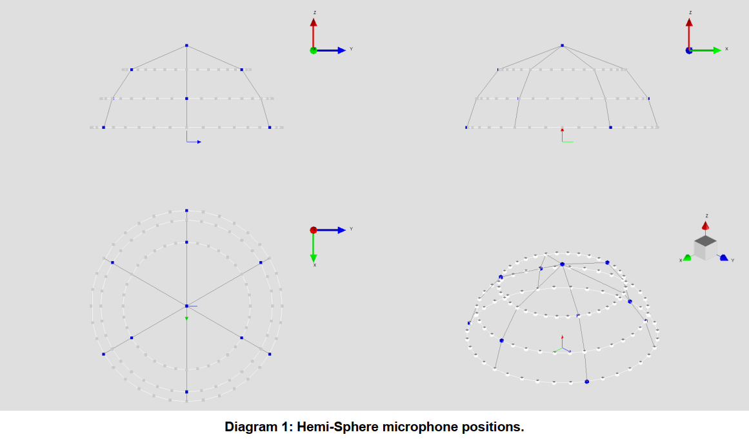 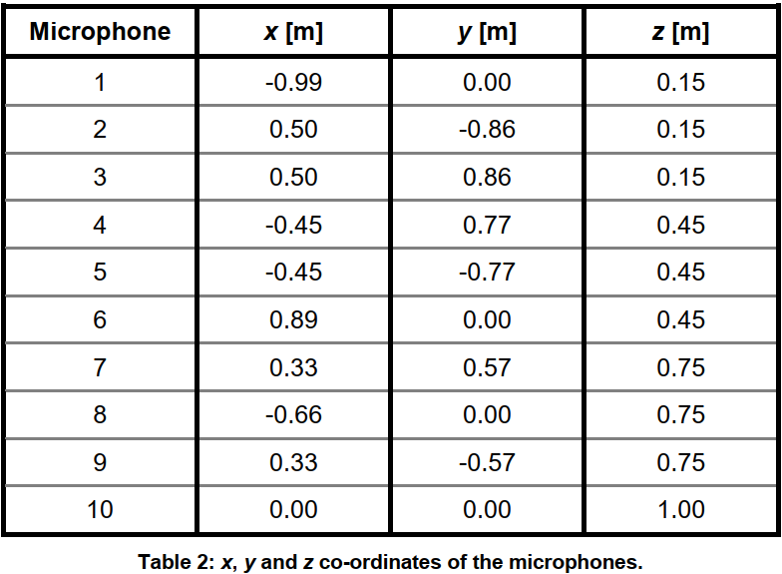 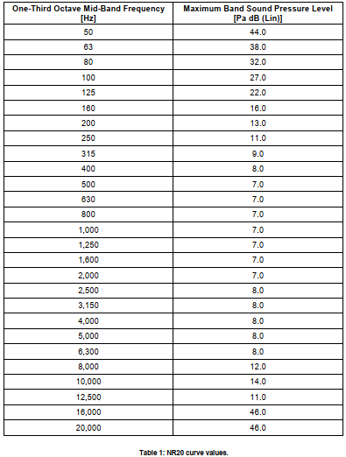 use the table 1 in TPJLR-00-346 as the noise target(consider 44dB as the max value for frequencies between 50Hz and 20Hz)

Testing Evaluation
TPJLR.18.125
Item | Method |  |  | Acceptance
L1 Performance Evaluation | Appearance Check | 1. Cover lens:Fit well, no scratches, discolouration, warping, peeling and other anomalies. 2. Appearance of other parts: no deformation, burr, discolouration, cracking and other abnormalities. 3. Labels: labels are well pasted, no peeling off phenomenon; label handwriting is clearly visible. 4. Shake the sample machine to confirm that the internal PCB components are not loose - no abnormal noise. 5.Confirm the appearance of the surface of the connector and the internal terminal surface - no deformation, cracking and other defects on the internal and external surfaces of the connector; no oxidation, rust and other defects on the surface of the terminals that affect the function.
 | Optical test | STJLR.13.5009 TPJLR-13-001 |  | see optical test sheet
 | 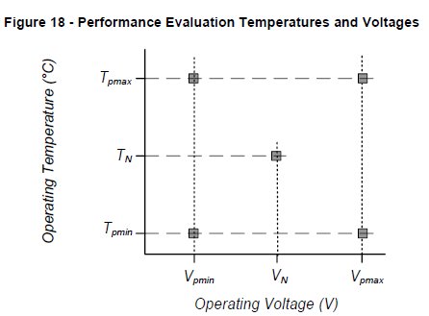 Verify separately according to the voltage and temperature requirements shown in the figure： (After the temperature is stable for 30 minutes, then verify the power-up function of the DUT) TPmax：85℃ Tpmin：-30℃ TN：20℃ Vpmin：9V ±0.2 V Vpmax：16 ±0.2 V VN：13.5 ±0.5 V | Image display | Visual observation: the HUD displays different UIs through the video box. During the test, the tester is required to visually display the image of the sample at all times. | Each UI should be displayed normally without incomplete display, flickering, colour deviation and other abnormalities.
 |  | Operating current | After the temperature is stabilised, the HUD is tested at different voltages according to the requirements and the current values of the samples are recorded. | Current value (A): xxx±10%(85℃,9V); xxx±10%(85℃,16V); xxx±10%(-30℃,9V); xxx±10%(-30℃,16V) xxx±10%(20℃,13.5V)
 |  | Static Current | Disconnect the enable line to let the HUD go to sleep | <100μA
 |  | Brightness | Brightness adjustment: Adjust the brightness (PWM) of the screen through the input signal, the screen can be normally bright and dark (the greater the value of the brightness level, the brighter the screen) | The real-time PWM value must be consistent with the input value.
 |  | Image height | Image height adjustment: The Primary Mirror is rotated by sending signals to the motor of the HUD through the operating host computer. | The real-time gears must be consistent with the input value.
 |  | Software monitoring | FPD link： Determine if the communication between the HUD and the video box is normal by reading the register state. | The upper computer real-time display of the current state, can not travel to report errors.
 |  |  | IIC： video box can Set the heartbeat rate for instance, if the heartbeat is set by 100ms , it will be report the failure of heartbeat loss in 300ms | The upper computer real-time display of the current state, can not travel to report errors.
 |  |  | Display ： Reading and logging HUD faults& reconfigurations&TFT temperature by logging video box's UART logs | It is possible to store logs to the PC and confirm them after the test, and whether an error report has occurred during the test. (Need to exclude human operation situations, such as re-powering the HUD, etc.)
L2 Functional Check | a. Operate the DUT at Function Check Test Voltage VN (13.5 ±0.5 V) and Confirm whether the current value, PWM value, motor and image are normal at either room temperature TN or test chamber set temperature. b. Operate the DUT as required on the right. Record any discrepancies or abnormal operation. c. Functional Checks shall be performed immediately after or within 24 hours following each environmental test as appropriate and/or as specified. | Image display | Visual observation: the HUD displays different UIs through the video box. | Each UI should be displayed normally without incomplete display, flickering, colour deviation and other abnormalities.
 |  | Brightness | Brightness adjustment: Adjust the brightness (PWM) of the screen through the input signal, the screen can be normally bright and dark (the greater the value of the brightness level, the brighter the screen) | The real-time PWM value must be consistent with the input value.
 |  |  | Brightness change monitoring Three brightness sensors are placed on the surface of the cover lens of the HUD to obtain the brightness value in real time. The value of sensor 2 is used to confirm whether the HUD backlight is in operation and the change of brightness(The upper computer can record changes in brightness throughout the test period.) | In the upper computer, the value of the sensor 2 cannot change during the test (changes that occur during the test when there is human interference with the ambient brightness are not considered anomalous).
 |  | Image height | Image height adjustment: The Primary Mirror is rotated by sending signals to the motor of the HUD through the operating host computer. | The real-time gears must be consistent with the input value.
 |  |  | Motor rotation monitoring (For HUD in the temperature chamber only): Three brightness sensors are placed on the surface of the cover lens of the HUD to obtain the brightness value in real time. The difference between sensors 1 and 3, the maximum and minimum values can be used to confirm whether the motor is in the highest and lowest gear .(The upper computer can record changes in brightness throughout the test period.) | The Primary Mirror When rotating to the highest and lowest positions, the values of sensor 1 and sensor 2 in the upper computer should be the same as the values calibrated before the test, and it can be regarded that the motor has completed the rotation.
 |  | Software monitoring | FPD link： Determine if the communication between the HUD and the video box is normal by reading the register state. | 1. The upper computer real-time display of the current state, can not travel to report errors 2. It is possible to store logs to the PC and confirm them after the test, and whether an error report has occurred during the test. (Need to exclude human operation situations, such as re-powering the HUD, etc.)
 |  |  | IIC： video box can Set the heartbeat rate for instance, if the heartbeat is set by 100ms , it will be report the failure of heartbeat loss in 300ms | 1. The upper computer real-time display of the current state, can not travel to report errors 2. It is possible to store logs to the PC and confirm them after the test, and whether an error report has occurred during the test. (Need to exclude human operation situations, such as re-powering the HUD, etc.)
 |  |  | Display ： Reading and logging HUD faults& reconfigurations&TFT temperature by logging video box's UART logs | It is possible to store logs to the PC and confirm them after the test, and whether an error report has occurred during the test. (Need to exclude human operation situations, such as re-powering the HUD, etc.)
L3 Monitored Operation | a. If there are no special requirements of the standard, the test voltage is 13.5V. b. Set the PWM value to XX% before the test. c. Monitor the functional requirements on the right. | Image display | Visual observation: the HUD displays different UIs through the video box. Laboratory personnel are required to perform image confirmation at three fixed periods per day during working days and two periods per day on non-working days | Each UI should be displayed normally without incomplete display, flickering, colour deviation and other abnormalities.
 |  | Brightness | Brightness adjustment: Adjust the brightness (PWM) of the screen through the input signal, the screen can be normally bright and dark (the greater the value of the brightness level, the brighter the screen) | The real-time PWM value must be consistent with the input value.
 |  |  | Brightness change monitoring Three brightness sensors are placed on the surface of the cover lens of the HUD to obtain the brightness value in real time. The value of sensor 2 is used to confirm whether the HUD backlight is in operation and the change of brightness(The upper computer can record changes in brightness throughout the test period.) | In the upper computer, the value of the sensor 2 cannot change during the test (changes that occur during the test when there is human interference with the ambient brightness are not considered anomalous). The lab needs to confirm the data on a daily basis that the brightness of the HUD has changed and that the HUD is on/off as expected.
 |  | Image height | Image height adjustment: The Primary Mirror is rotated by sending signals to the motor of the HUD through the operating host computer. | The real-time gears must be consistent with the input value.
 |  |  | Motor rotation monitoring (For HUD in the temperature chamber only): Three brightness sensors are placed on the surface of the cover lens of the HUD to obtain the brightness value in real time. The difference between sensors 1 and 3, the maximum and minimum values can be used to confirm whether the motor is in the highest and lowest gear .(The upper computer can record changes in brightness throughout the test period.) | The Primary Mirror When rotating to the highest and lowest positions, the values of sensor 1 and sensor 2 in the upper computer should be the same as the values calibrated before the test, and it can be regarded that the motor has completed the rotation.
 |  | Software monitoring | FPD link： Determine if the communication between the HUD and the video box is normal by reading the register state. | 1. The upper computer real-time display of the current state, can not travel to report errors 2. It is possible to store logs to the PC and confirm them after the test, and whether an error report has occurred during the test. (Need to exclude human operation situations, such as re-powering the HUD, etc.)
 |  |  | IIC： video box can Set the heartbeat rate for instance, if the heartbeat is set by 100ms , it will be report the failure of heartbeat loss in 300ms | 1. The upper computer real-time display of the current state, can not travel to report errors 2. It is possible to store logs to the PC and confirm them after the test, and whether an error report has occurred during the test. (Need to exclude human operation situations, such as re-powering the HUD, etc.)
 |  |  | Display ： Reading and logging HUD faults& reconfigurations&TFT temperature by logging video box's UART logs | It is possible to store logs to the PC and confirm them after the test, and whether an error report has occurred during the test. (Need to exclude human operation situations, such as re-powering the HUD, etc.)
L4 Functional Evaluation | 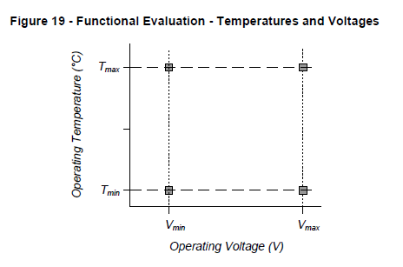 Verify separately according to the voltage and temperature requirements shown in the figure： (After the temperature is stable for 30 minutes, then verify the power-up function of the DUT) Tmax：85℃ Tmin：-40℃ Vmin：7.5V ±0.2 V Vmax：16 ±0.2 V | Image display | Visual observation: the HUD displays different UIs through the video box. During the test, the tester is required to visually display the image of the sample at all times. | Each UI should be displayed normally without incomplete display, flickering, colour deviation and other abnormalities. When the voltage is 7.5V, no display.
 |  | Operating current | After the temperature is stabilised, the HUD is tested at different voltages according to the requirements and the current values of the samples are recorded. | Current value (A): xxx±10%(85℃,7.5V); xxx±10%(85℃,16V); xxx±10%(-40℃,7.5V); xxx±10%(-40℃,16V)
 |  | Static Current | Disconnect the enable line to let the HUD go to sleep | <100μA
 |  | Brightness | Brightness adjustment: Adjust the brightness (PWM) of the screen through the input signal, the screen can be normally bright and dark (the greater the value of the brightness level, the brighter the screen) | The real-time PWM value must be consistent with the input value. When the voltage is 7.5V, no display.
 |  | Image height | Image height adjustment: The Primary Mirror is rotated by sending signals to the motor of the HUD through the operating host computer. | The real-time gears must be consistent with the input value. When the voltage is 7.5V, no display.
 |  | Software monitoring | FPD link： Determine if the communication between the HUD and the video box is normal by reading the register state. | The upper computer real-time display of the current state, can not travel to report errors.
 |  |  | IIC： video box can Set the heartbeat rate for instance, if the heartbeat is set by 100ms , it will be report the failure of heartbeat loss in 300ms | The upper computer real-time display of the current state, can not travel to report errors.
 |  |  | Display ： Reading and logging HUD faults& reconfigurations&TFT temperature by logging video box's UART logs | It is possible to store logs to the PC and confirm them after the test, and whether an error report has occurred during the test. (Need to exclude human operation situations, such as re-powering the HUD, etc.)
L5 Visual Check | a. Examine the HUD for visible signs of deterioration or damage. b. Photograph the sample from all applicable angles. Photographs shall be retained and may be included in test reports if applicable. c. Visual Checks shall be performed immediately after or 24 hours following each environmental test as appropriate and/or as specified. |  | a. Good appearance quality, the surface of the paint film should be uniform and free of bubbles, burrs, build-up and overflow; plastic parts should be free of cracks and deformation that affect function and appearance; b. The cover lens should not have obvious colour difference before and after the test; c. The metal middle housing (non-internal paint level) is allowed to have changes in gloss and corrosion, but no problems affecting the assembly. d. HUD component parts are connected tightly, no loose, loose phenomenon; shaking the HUD can not appear abnormal sound. e. HUD shell on the appearance of the label paper should be no abnormality, there shall be no shedding, font is not clear and other phenomena.
L6 Internal Inspection | One sample is taken after the end of a test group to perform the following checks:​ Method A:Take a Photography for the PCBA--Check the entire PCBA； Method B：X-ray--Check the entire PCBA----Check the entire PCBA； Method C（Selected project）：SEM----Check the key pins of the core device Method D（Selected project）：Sectioning analysis----Check the key pins of the core device Group A：A+B Group B：A+B Group C: A+B Group D-1: A+B Group D-2: A+B Group D-3: A+B+C+D Group D-4: A+B Group D-5: A+B Group D-6: A+B |  | Photography: --Confirm that the surface of the PCBA should be clean, tidy and pollution-free; the screen printing logo should be clear； --The protective coating should not have problems such as foaming, peeling, cracking, etc. X-Ray: --Solder joints: no virtual welding and short circuit; --Connection line: no disconnection, short circuit and other abnormalities; --PCBA: Abnormal conditions such as open circuit, short circuit, hole, etc. cannot occur. SEM:No tin whiskers can appear on solder joints and pins； Sectioning：Microscopic inspection of solder joints, no abnormal problems such as cracking and virtual welding can occur
 | Core device： RIN0± input (U9402) LVDS Output (U5500) MCU (U9406) Motor Driver (U8500) Additional requirements: Required in addition to the 4 core devices listed above(On the K23 test item, add new requirements): Large packages of resistors, capacitors, inductors, diodes, LEDs and PINs (one PIN for each of the different connectors) to be sliced and analysed for testing.

