Material Test Plan
Version 1.0
JLR MATERIAL TEST PLAN

Supplier&Programme Details Parts Detail
Supplier Name ____________________ Component/Assembly ____________________
Supplier Code ____________________ Part Number ____________________
Programme & MY ________________
Signature
Supplier Engineer/Date JLR Engineer/Date
_____________________________ _______________________________________
 |  | Cover lens | Only L was tested, as the only difference between L and R was the inconsistent shape of the crop. | Top Housing | TFT cover | TFT bracket | Only L was tested for these items, as these parts are uncoated, and L and R are identical except for the mirror structure. | Primary Mirror Bracket | Secondary Mirror bracket | Only L was tested for these items, as these parts are uncoated, and L and R are identical except for the mirror structure. | Primary Mirror | Secondary Mirror | Middle Housing | Bottom Housing
NO. | TEST ITEM | DVP 1 |  | DVP 2 |  |  |  | DVP 3 |  |  | DVP 4 |  | DVP 5
 |  | SGF-EDP115Y |  | PC+10%GF |  |  |  | PPS+40%GF |  |  | COC |  | ADC12
1 | Coating(s) thickness | Test |  | No Test | No Test | No Test |  | No Test | No Test |  | Test | Test | Test | No Test
2 | Accelerated Environmental Ageing | Test |  | Test | Test | Test |  | Test | Test |  | Test | Test | Test | No Test
3 | Resistance to Weathering U4: 1430 kJ/m2 | Test |  | No Test | No Test | No Test |  | No Test | No Test |  | Test | Test | Test | No Test
4 | Flammability | Test |  | Test | Test | Test |  | Test | Test |  | Test | Test | Test | No Test
5 | Heat Ageing | Test |  | Test | Test | Test |  | Test | Test |  | Test | Test | Test | No Test
6 | Scratch Resistance | Test |  | No Test | No Test | No Test |  | No Test | No Test |  | No Test | No Test | No Test | No Test
7 | Mar Resistance | Test |  | No Test | No Test | No Test |  | No Test | No Test |  | No Test | No Test | No Test | No Test
8 | Colour Fastness to Wet and Dry Rubbing | Test |  | No Test | No Test | No Test |  | No Test | No Test |  | No Test | No Test | No Test | No Test
9 | Adhesion - as received - after TPJLR.52.353 - after 72 h TPJLR.52.351 (assess within 30 minutes of removal from environment) | Test |  | No Test | No Test | No Test |  | No Test | No Test |  | Test | Test | Test | No Test
10 | Humidity (72 h) | Test |  | Test | Test | Test |  | Test | Test |  | Test | Test | Test | No Test
11 | Resistance to Cleaning Agents - window cleaner - all-purpose cleaner | Test |  | No Test | No Test | No Test |  | No Test | No Test |  | Test | Test | Test | No Test
12 | Interior Painted Trim Resistance to Skin Creams, Insect Repellent and Car Plug-in Air Freshener | Test |  | No Test | No Test | No Test |  | No Test | No Test |  | Test | Test | Test | No Test
13 | Resistance to Water and Soap Spotting | Test |  | No Test | No Test | No Test |  | No Test | No Test |  | No Test | No Test | No Test | No Test
14 | Resistance to Scuffing (scuff head A) | Test |  | No Test | No Test | No Test |  | No Test | No Test |  | No Test | No Test | No Test | No Test
15 | Migration Staining | Test |  | No Test | No Test | No Test |  | No Test | No Test |  | No Test | No Test | No Test | No Test
16 | Soiling and Cleanability | Test |  | No Test | No Test | No Test |  | No Test | No Test |  | No Test | No Test | No Test | No Test
17 | Resistance to Perspiration | Test |  | No Test | No Test | No Test |  | No Test | No Test |  | No Test | No Test | No Test | No Test
18 | Environmental Quality Requirements and TUV ToxProof Requirements | Test |  | Test | Test | Test |  | Test | Test |  | Test | Test | No Test | No Test
19 | Scrape adhesion resistance | Test |  | No Test | No Test | No Test |  | No Test | No Test |  | No Test | No Test | No Test | No Test
20 | Resistance to Hydrolysis | Test |  | No Test | No Test | No Test |  | No Test | No Test |  | No Test | No Test | No Test | No Test

DVP 1
 |  |  | JLR MATERIAL TEST PLAN - STJLR.51.5242 Issue:10
 |  |  | Program |  |  |  | Confirmed By
 |  |  | Part Supplier |  |  |  | Part Name
 |  |  | Material Supplier |  |  |  | Tested Material and grade
 |  |  | Substrate Material Info. and Supplier |  |  |  | Lab-Pack Required
No. | Test Item | Test Methode | JLR Standard | Requirement | Test / No Test | Responsibility | Duration (Days) | Sample State | Qty | Testing Lab | Starting Date |  | Completion Date |  | Test Results | Report No. | Remark
 |  |  |  |  |  |  |  |  |  |  | Scheduled | Actual | Scheduled | Actual
1 | Coating(s) thickness | ISO 2808 | STJLR.51.5242 | Record and report thickness of test sample. | Test
2 | Accelerated Environmental Ageing | TPJLR.52.353 ISO 105 A02 Adhesion to Ref. 12 1. 22 hours at -40 °C ± 2 °C 2. 2 hours minimum at 23 °C ± 2 °C and 50% ± 5% RH 3. 22 hours at in-service temperature (cover lens: 105℃) 4. 2 hours minimum 23 °C ± 2 °C and 50% ± 5% RH 5. 22 hours humidity (48 °C ± 2 °C; 95%RH to 100%RH) 6. 2 hours minimum at room temperature prior to carrying out a visual assessment (Need to be checked at the end of each cycle) 3 cycles | STJLR.51.5242 | 1. There shall be no evidence of distortion, cracking, crazing, blistering, colour change, gloss change, dimensional change or any other detrimental effect. 2. Grey scale rating 4/5 minimum. 3. Adhesion = Grade ≤ 1 | Test
3 | Resistance to Weathering U4: 1430 kJ/m2 | SAE J 2412 Adhesion to Ref. 12 ISO 105 A02 SAE J2412 0.55w m2/@340 nm Dark:190h Light:722h | STJLR.51.5242 | There shall be no evidence of cracking, crazing, chalking etc. Adhesion = Grade ≤ 1 No colour (hue) change allowed – only lightness or darkness change allowed to following criteria: U4: Grey scale rating 3/4 minimum | Test
4 | Flammability Where specified by an “FR” suffix | FMVSS302 Test sample size: 102mm*356mm*thickness(≤13mm) 5 samples;Ignition 15s | STJLR.51.5242 | The burn rate will not exceed 100 mm per minute or shall be self-extinguishing | Test
5 | Heat Ageing 500 h at the specified ‘in-service’ temperature | TPJLR.52.352 ISO 105 A02 Adhesion to Ref. 12 105℃ 500h | STJLR.51.5242 | There shall be no evidence of distortion, cracking, crazing, colour change, gloss change, dimensional change or any other detrimental effects. Grey scale rating 4 minimum. Adhesion = Grade ≤ 1 | Test
6 | Scratch Resistance | High Gloss Finishes: TPJLR.52.009 Sample size: 100 mm × 50 mm (Cropping from the middle of cover lens) Method A, Dry, 2,000 Cycles： Place felt pad into 1 kg holder and insert into the static fixture so that felt pad is in contact with the surface to be tested. Method B, Dry, 1,000 Cycles： Affix a 15 mm x 15 mm piece of 3M Scotchmate SJ3572 (Hook) to end of 200 g holder and insert into the static fixture so that the Velcro is in contact with the surface to be tested. One cycle is a complete back and forth movement The speed of traverse should be set at 45 mm/s ± 2 mm/s. Example of acceptable stroke length is 32 mm ± 2 mm Selection of Method A or Method B based on laboratory equipment capabilities | STJLR.51.5242 | High gloss finishes: No marking when viewed in a light box at all angles. | Test
7 | Mar Resistance | TPJLR.52.010 ISO 105 A02 | STJLR.51.5242 | Production intent grain: dG 0.6 max + visual assessment GS 4/5 min Ungrained Plaques: GS 4/5 min visual assessment | Test
8 | Colour Fastness to Wet and Dry Rubbing | ISO 105 X12 10 cycles ISO 105 A03 | STJLR.51.5242 | No film softening allowed. Grey scale rating 4 minimum. | Test
9 | Adhesion | •as received •after TPJLR.52.353 •after 72 h Humidity TPJLR.52.351 (assess within 30 minutes of removal from environment) TPJLR.52.061 Method A：Cross Hatch Test 2 mm spacing. No diagonal scribes required. | STJLR.51.5242 | Grade 1 - Less than 5% removal with no complete squares removed. | Test
10 | Humidity (72 h) | TPJLR.52.351 ISO 105 A02 Adhesion to Ref. 12 48 °C ± 2 °C; 95%RH to 100%RH-72h | STJLR.51.5242 | No peeling, gloss change, distortion, discolouration, swelling or other detrimental effects. In addition for metallic components - no corrosion products at the end of the test period. Grey scale rating 4/5 minimum. Adhesion = Grade ≤ 1 | Test
11 | Resistance to Cleaning Agents - window cleaner - all-purpose cleaner | ISO 105 X12 10 cycles ISO 105 A03 | STJLR.51.5242 | No detrimental effects. Grey scale rating 4 minimum | Test
12 | Interior Painted Trim Resistance to Skin Creams, Insect Repellent and Car Plug-in Air Freshener | TPJLR.52.165 （For liquid test solutions：Method A For cream products：Method B） and TPJLR.52.456（Load 5 kg minimum） ISO 105 A03 | STJLR.51.5242 | No peeling, gloss change, distortion, discolouration, swelling or other detrimental effects. Load 5 kg minimum, no coating removal permitted. Grey scale rating 4 minimum | Test
13 | Resistance to Water and Soap Spotting | TPJLR.52.155 ISO 105 A03 Test solution：1. Water Spotting 2. Liquid Soap Soak two filter papers in the beaker of test solution for 5 minutes Take two samples to be tested and place one saturated filter paper on each test piece so that there are no creases or folds. Cover filter paper with watch glass. 2 test samples: Place one sample in an oven at 60 °C ± 2 °C for 4 hours The other one to remain at room temperature for 24 hours Once the test duration is complete, remove the sample from the oven and allow it to cool for 15 minutes. Remove the watch glass, pour off any remaining test solution and remove the filter paper. Rinse the sample with distilled water and allow it to dry for hour | STJLR.51.5242 | No detrimental effects Grey scale rating 4 minimum | Test
14 | Resistance to Scuffing (scuff head A) | SAE J365 1000 cycles minimum. | STJLR.51.5242 | No detrimental effects. No evidence of lifting, peeling or excessive scuffing. No permanent parallel deformation to the surface. No wear through of the coating to the substrate along the centreline of the scuff path. | Test
15 | Migration Staining | TPJLR.52.209 ISO 105 A03 | STJLR.51.5242 | Part shall not show any surface deterioration, change in colour or transfer of colour to the standard PVC material. | Test
16 | Soiling and Cleanability | TPJLR.52.210 ISO 105 A03 sample size：Cut a sample size 127 mm ± 1 mm x 127 mm ± 1 mm one per soiling agent to be tested. | STJLR.51.5242 | Grey scale rating 4 minimum after cleaning. | Test
17 | Resistance to Perspiration | TPJLR.52.156 ISO 105 A03 Test Solutions 1. Neutral Perspiration Solution 2. Acid Perspiration Solution 3. Alkaline Perspiration Solution 4. Sodium Chloride Solution test step： 1. Cut four specimens from adjacent locations on the sample – minimum 75 mm x 25 mm. 2. Place the specimens vertically in 4 separate beakers. 3. To each beaker add one of the test solutions to a level whereby half of the specimen is immersed. 4. Seal or cover beaker to avoid evaporation 5. Place in oven for 24 hours at 70 °C ± 2 °C 6. After 24 hours remove each specimen from their beakers. Rinse sample with distilled water and allow drying at room temperature | STJLR.51.5242 | No discolouration, swelling, softening or other detrimental effects. No contrast change greater than grey scale rating 4. | Test
18 | Environmental Quality Requirements and TUV ToxProof Requirements | STJLR.51.5229 Fogging: Test according to standard SAE J1756 Gravimetric assessment: 16 hours at 100 °C ± 2 °C; with 21°C ± 2 °C cooling plates | STJLR.51.5242 | 2.5 mg | Test
 |  | STJLR.51.5229 Total VOCs : Test according to standard VDA 277 | STJLR.51.5242 | 250 µg/g
 |  | STJLR.51.5229 Formaldehyde (only for PC) : Test according to standard VDA 275 | STJLR.51.5242 | 10 mg/kg
 |  | STJLR.51.5229 VOC: Test according to standard TPJLR.52.104 | STJLR.51.5242 | 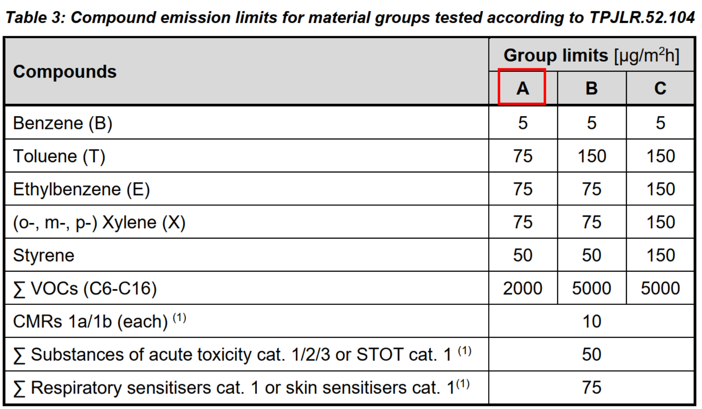
19 | Scrape adhesion resistance | TPJLR.52.456 | STJLR.51.5242 | No coating removal at minimum 12 kg. | Test
20 | Resistance to Hydrolysis | TPJLR.52.656 ISO 105 A02 | STJLR.51.5242 | The vinyl material must not remain in contact with the test sample after a period of 10 seconds. No crazing, cracking, colour change (Grey scale rating 4 minimum), or other detrimental effects. | Test

