US1QATest
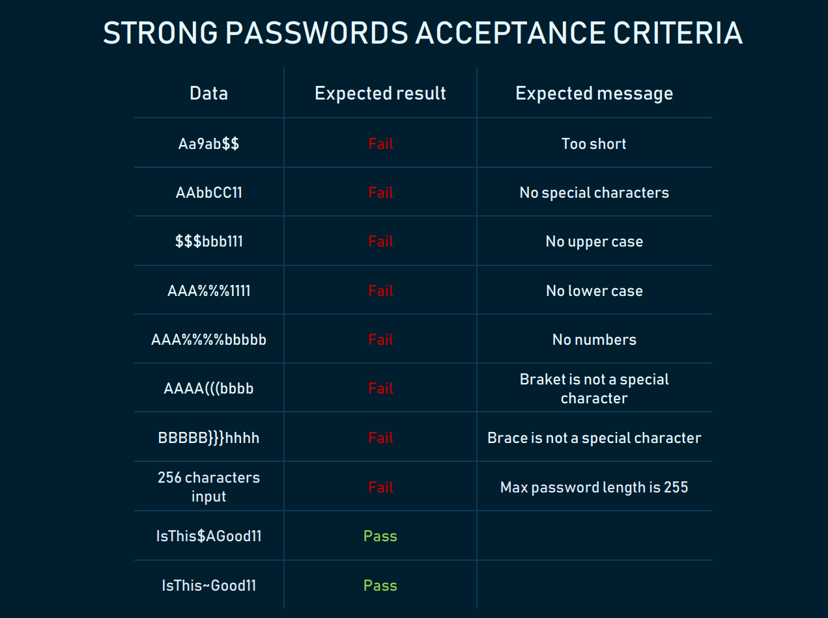
The Given/When/Then Acceptance Criteria
User story: Student Submission UI | As a student, I want a clear, guided form to submit my request so I can easily provide necessary details without confusion.
Scenario | Validation error upon exceeding character limit
Given (a precondition) | the student is on the new request creation page
When (something happens) | the student enters text into the "Description" field that exceeds the maximum allowed character limit
Then (this the result) | the system displays the character counter in red
And | the "Submit" button is disabled and remains inactive until the text is shortened

The Given/When/Then Acceptance Criteria
User story: Student Submission UI | As a student, I want a clear, guided form to submit my request so I can easily provide necessary details without confusion.
Scenario | the student has correctly filled out all required fields (category, subject, description)
Given | The user logins to the system
When | the student clicks the "Submit" button
And/Or | Select the flex status option
Then | the system instantly (under 500ms) displays a success animation
Given | a confirmation modal appears with the unique ID of the created request

