Specifications
Brand | DOF | Reach | Payload | Repeatablity | Weight | Mian Control Type | Illustration | URL
Dobot Magician Lite(Benchmark) | 4 | 340 mm | 250g | ±0.2 mm | N/A | N/A | 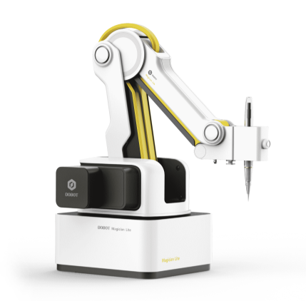 | https://de.dobot-robots.com/products/education/magician-lite.html
Dobt Magician | 4 | 320mm | 500g | ±0.2 mm | N/A | N/A | 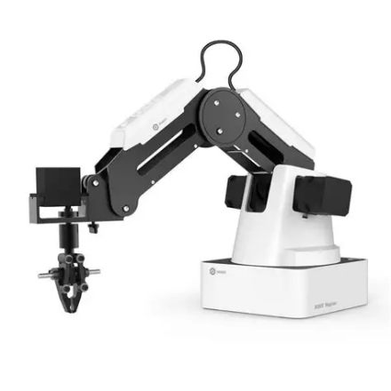 | https://www.dobot-robots.com/products/desktop-four-axis/mg400.html
myCobot 208 | 6 | 280mm | 250g | ±0.5 mm | 860 g | Raspberry Pi | 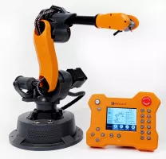 | https://www.elephantrobotics.com/en/mycobot-280-pi-2023-specifications/
WLKATA | 6 | N/A | 250g | ±0.2 mm | N/A | N/A | 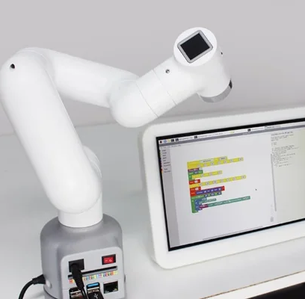 | https://qviro.com/product/wlkata-robotics/mirobot/specifications
Dobot Magician E6 | 6 | 450mm | 500g | ±0.1 mm | 720g | N/A | 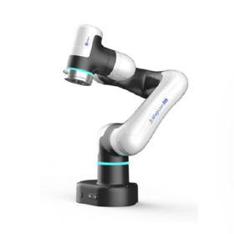 | https://mono.ipros.com/en/product/detail/2001550206/

