微指令设计
微指令 | 微地址 | 代码
取值
M(PC)->IR | 00H | 0x20000080H
PC+1->PC | 01H | 0x00000200H
QJP | 02H | 0x04000000H
LB1
M(PC)->ALU | 10H | 0x20008090H
RA->R0 | 11H | 0x003E3000H
JP | 12H | 0x02000000H
LB2
M(PC)->ALU | 20H | 0x20008090H
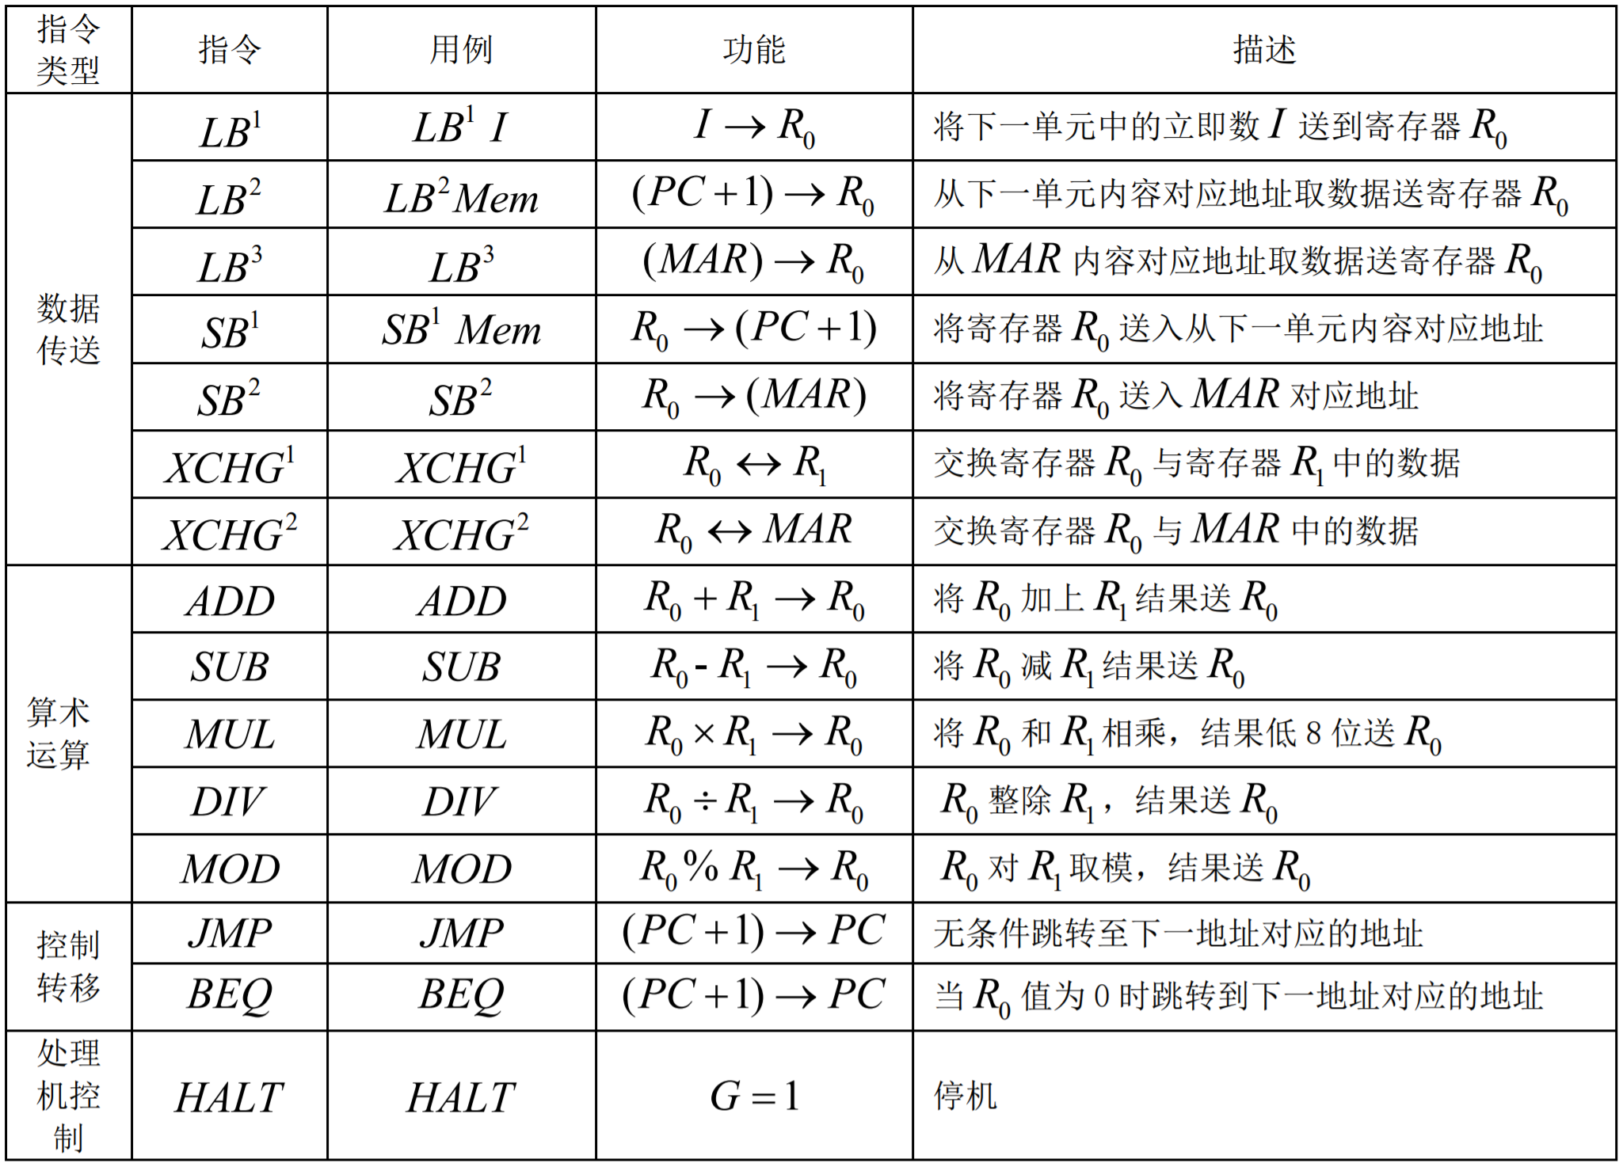
RA->MAR | 21H | 0x003E2400H
M(MAR)->ALU | 22H | 0x20008110H
RA->R0 | 23H | 0x003E3000H
PC+1->PC | 24H | 0x00000200H
JP | 25H | 0x02000000H
LB3
M(MAR)->ALU | 30H | 0x20008100H
RA->R0 | 31H | 0x003E3000H
JP | 32H | 0x02000000H
SB1
M(PC)->ALU | 40H | 0x20008090H
RA->MAR | 41H | 0x003E2400H
R0->M(MAR) | 42H | 0x40002120H
PC+1->PC | 43H | 0x00000200H
JP | 44H | 0x02000000H
SB2
R0->M(MAR) | 50H | 0x40002120H
JP | 51H | 0x02000000H
XCHG1
R0,R1->ALU | 60H | 0x0000C000H
RA->R1 | 61H | 0x003E2800H
RB->R0 | 62H | 0x002A3000H
JP | 63H | 0x02000000H
XCHG2
R0,MAR->ALU | 70H | 0x0000C008H
RA->MAR | 71H | 0x003E2400H
RB->R0 | 72H | 0x002A3000H
JP | 73H | 0x02000000H
ADD
R0,R1->ALU | 80H | 0x0000C000H
RA+RB->R0 | 81H | 0x00243000H
JP | 82H | 0x02000000H
SUB
R0,R1->ALU | 90H | 0x0000C000H
RA-RB->R0 | 91H | 0X00193000H
JP | 92H | 0x02000000H
MUL
R0,R1->ALU | A0H | 0x0000C000H
(RA*RB)L->R0 | A1H | 0x403000H
JP | A2H | 0x02000000H
DIV
R0,R1->ALU | B0H | 0x0000C000H
(RA/RB)H->R0 | B1H | 0x00803004H
JP | B2H | 0x02000000H
MOD
R0,R1->ALU | C0H | 0x0000C000H
(RA%RB)L->R0 | C1H | 0x00803000H
JP | C2H | 0x02000000H
JMP
M(PC)->ALU | D0H | 0x20008090H
RA直出 | D1H | 0x003E2000H
JMP | D2H | 0x10000200H
JP | D3H | 0x02000000H
BEQ
M(PC)->ALU | E0H | 0x20008090H
RA直出 | E1H | 0x003E2000H
JMP或PC+1->PC | E2H | 0x08000200H
JP | E3H | 0x02000000H
HALT
G=1 | F0H | 0x82000000H

