プロジェクト構造
プロジェクト構造
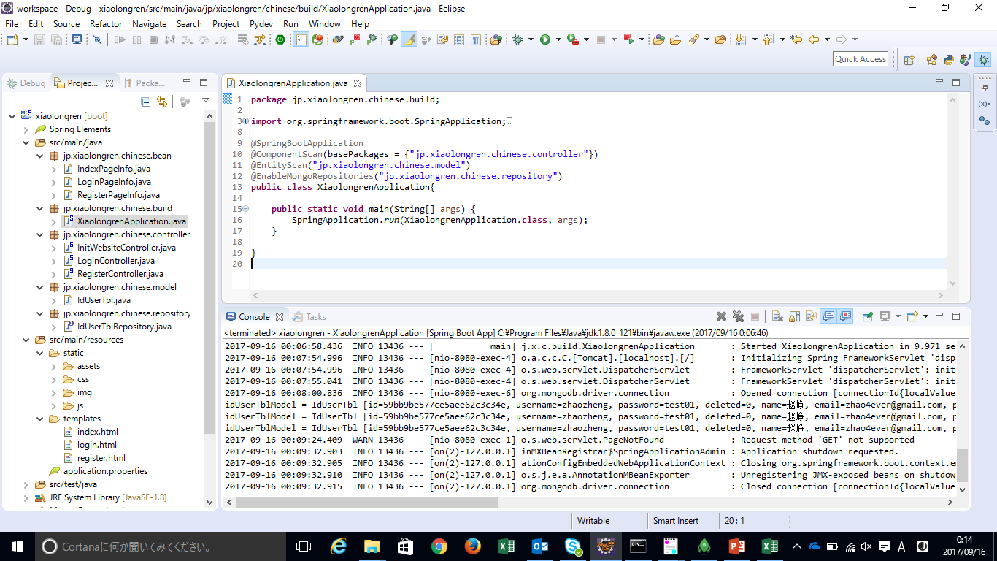

src/main/java
bean
 | 画面単位で必要な情報をまとめた定義（LoginPageInfo.java）
 |  | package jp.xiaolongren.chinese.bean;

 |  | import org.hibernate.validator.constraints.Length;
 |  | import org.hibernate.validator.constraints.NotEmpty;

 |  | public class LoginPageInfo {
 |  |  | private long id;

 |  |  | @NotEmpty(message="Name couldn't be blank.")
 |  |  | private String username;

 |  |  | @NotEmpty(message="Password shouldn't be blank.")
 |  |  | @Length(min=6,message="password should be more than 6.")
 |  |  | private String password;

 |  |  | getter, setterを省略
 |  | }

build
 | 入口としてmain関数を定義する（XiaolongrenApplication.java）
 |  | package jp.xiaolongren.chinese.build;

 |  | import org.springframework.boot.SpringApplication;
 |  | import org.springframework.boot.autoconfigure.SpringBootApplication;
 |  | import org.springframework.boot.autoconfigure.domain.EntityScan;
 |  | import org.springframework.context.annotation.ComponentScan;
 |  | import org.springframework.data.mongodb.repository.config.EnableMongoRepositories;

 |  | @SpringBootApplication |  |  |  | Springboot applicationを表記
 |  | @ComponentScan(basePackages = {"jp.xiaolongren.chinese.controller"}) |  |  |  | controllerの格納場所を指定
 |  | @EntityScan("jp.xiaolongren.chinese.model") |  |  |  | DBのtableの領域を定義するclassを指定
 |  | @EnableMongoRepositories("jp.xiaolongren.chinese.repository") |  |  |  | DBのtableを操作する容器classを指定
 |  | public class XiaolongrenApplication{

 |  |  | public static void main(String[] args) {
 |  |  |  | SpringApplication.run(XiaolongrenApplication.class, args);
 |  |  | }

 |  | }

controller
 | REST APIを対応する業務ロジックを実装する（LoginController.java）
 | @Controller
 | public class LoginController {

 | @Autowired |  |  |  |  |  | IdUserTblRepositoryを設定する。
 | private IdUserTblRepository idUserTblRepository;

 | @PostMapping("/login") |  |  |  |  |  | RESTのloginをキャッチして処理する
 | public String login(@Valid LoginPageInfo loginPageInfo, BindingResult result, Model model){

 |  | model.addAttribute("loginPageInfo", loginPageInfo);

 |  | // error check
 | if(result.hasErrors()){
 | List<ObjectError> list = result.getAllErrors();
 | for(ObjectError error: list){
 |  | System.out.println(error.getCode()+"---"+error.getArguments()+"---"+error.getDefaultMessage());
 | }

 | return "login";
 | }

 | // password check
 | IdUserTbl idUserTbl = idUserTblRepository.findByUsername(loginPageInfo.getUsername());
 | System.out.println("idUserTblModel = " + idUserTbl);

 | if(idUserTbl == null){
 |  | return "login";
 | }

 | IndexPageInfo indexPageInfo = new IndexPageInfo();
 |  | indexPageInfo.setUsername(idUserTbl.getName());

 |  | model.addAttribute("indexPageInfo", indexPageInfo);
 |  | return "index";

 | }
 | }

 | 初期画面でloginPageInfoを使っているため、loginPageInfoの対象を生成しないといけない（InitWebsiteController.java）
 | @Controller
 | public class InitWebsiteController {

 | @GetMapping("/")
 | public String login(Model model){
 |  | model.addAttribute("loginPageInfo", new LoginPageInfo());
 |  | return "login";
 | }

 | }

model
 | DBのTable単位でTableの領域を定義する。Tableと同一なレイアウトを持つ。（IdUserTbl.java）
 |  | @Document(collection="IdUserTbl") |  |  | DBの中に対応するテーブル名を明記
 |  | public class IdUserTbl {

 |  |  | @Id
 |  |  | @Field("_id") |  | DBの中に対応する列名を明記
 |  |  | private String id;

 |  |  | @Field("username")
 |  |  | private String username;

 |  |  | @Field("password")
 |  |  | private String password;

 |  |  | @Field("deleted")
 |  |  | private String deleted;

 |  |  | @Field("name")
 |  |  | private String name;

 |  |  | @Field("email")
 |  |  | private String email;

 |  |  | @Field("phone")
 |  |  | private String phone;

 |  |  | @Field("address")
 |  |  | private String address;

 |  |  | getter・setterを省略
 |  | }

repository
 | 各TableのCRUDを実装したり、カスタマイズDB操作を定義する。（IdUserTblRepository.java）
 |  | package jp.xiaolongren.chinese.repository;

 |  | import org.springframework.data.mongodb.repository.MongoRepository;

 |  | import jp.xiaolongren.chinese.model.IdUserTbl;

 |  | public interface IdUserTblRepository extends MongoRepository<IdUserTbl, String>{ |  |  |  |  | IdUserTblのTableに対するCRUDを実装するclass
 |  |  | IdUserTbl findByUsername(String username); |  |  |  | カスタマイズDB操作がある場合、個別にMethodを定義して、別のclassで実装しなといけない
 |  | }

src/main/java
static
 | css、image、jsなど静的な資源を格納

templates
 | htmlなどwebsiteに関する資源を格納
 |  | <!DOCTYPE html>
 |  | <html xmlns="http://www.w3.org/1999/xhtml" |  |  |  |  |  | thymeleafを使うために必要
 |  | xmlns:th="http://www.thymeleaf.org"
 |  | xmlns:sec="http://www.thymeleaf.org/thymeleaf-extras-springsecurity3"
 |  | xmlns:layout="http://www.ultraq.net.nz/thymeleaf/layout">
 |  | <head>
 |  | <script src="https://ajax.googleapis.com/ajax/libs/jquery/3.2.1/jquery.min.js"></script>
 |  | <link href='http://fonts.googleapis.com/css?family=Montserrat:400,700'
 |  | rel='stylesheet' type='text/css' />
 |  | <link rel="stylesheet" href="css/login.css" />
 |  | <meta http-equiv="Content-Type" content="text/html; charset=UTF-8" />
 |  | <title>小龙人中文堂</title>
 |  | </head>
 |  | <body>
 |  | <div class="logo"></div>
 |  | <form method="post" action="login">
 |  | <div class="login-block" th:object="${loginPageInfo}"> |  |  |  |  |  | サーバと情報交換用object。ここでobjectを宣言したら中にobjectのmemberだけで使用できる
 |  | <h1>Login</h1> |  |  |  |  |  | また、初回表示時、loginPageInfoがnullならerrorとなるため、controllerの中に対象を生成する
 |  | <input type="text" th:field="*{username}" placeholder="Username" id="username" /> |  |  |  |  |  | summitの時、該当するobjectで情報をcontrollerに渡す。
 |  | <p th:if="${#fields.hasErrors('username')}" th:errors="*{username}">Name Error</p>

 |  | <input type="password" th:field="*{password}" placeholder="Password" id="password" /> |  |  |  |  |  | loginPageInfo.passwordと同等
 |  | <p th:if="${#fields.hasErrors('password')}" th:errors="*{password}">password Error</p>

 |  | <button id="submit">Submit</button>
 |  | <p class="message">Not registered? <a href="signup">Create an account</a> </p>
 |  | </div>
 |  | </form>
 |  | </body>
 |  | </html>

application.properties
 | プロジェクトに使われる定義、属性を定義する
 |  | # thymeleaf
 |  | spring.thymeleaf.prefix=classpath:/templates/
 |  | spring.thymeleaf.suffix=.html
 |  | spring.thymeleaf.mode=HTML5
 |  | #spring.thymeleaf.encoding=UTF-8
 |  | #spring.thymeleaf.content-type=text/html # ;charset=<encoding> is added
 |  | spring.thymeleaf.cache=false

 |  | # MONGODB (MongoProperties)
 |  | spring.data.mongodb.authentication-database=xiaolongren
 |  | #spring.data.mongodb.field-naming-strategy= # Fully qualified name of the FieldNamingStrategy to use.
 |  | #spring.data.mongodb.grid-fs-database= # GridFS database name.
 |  | spring.data.mongodb.host=localhost
 |  | spring.data.mongodb.port=27017
 |  | spring.data.mongodb.database=xiaolongren
 |  | spring.data.mongodb.username=xiaolongren
 |  | spring.data.mongodb.password=test01
 |  | spring.data.mongodb.repositories.enabled=true
 |  | #spring.data.mongodb.uri=mongodb://localhost/xiaolongren

※controller紹介
@Controller
public class RegisterController {

 | @Autowired
private IdUserTblRepository idUserTblRepository;

 | @GetMapping("/signup")
public String login(Model model){
 | model.addAttribute("registerPageInfo", new RegisterPageInfo());
 | return "register";
}

 | @PostMapping("/rigister")
public String register(@Valid RegisterPageInfo userRegisterInfo, BindingResult result, Model model){ |  |  |  |  |  |  |  | frontから情報を取得

 |  | IdUserTbl idUserTbl = new IdUserTbl();

 |  | idUserTbl.setUsername(userRegisterInfo.getUsername());
 |  | idUserTbl.setPassword(userRegisterInfo.getPassword());
 |  | idUserTbl.setName(userRegisterInfo.getName());
 |  | idUserTbl.setEmail(userRegisterInfo.getEmail());
 |  | idUserTbl.setPhone(userRegisterInfo.getPhone());
 |  | idUserTbl.setAddress(userRegisterInfo.getAddress());
 |  | idUserTbl.setDeleted("0");

 |  | idUserTblRepository.save(idUserTbl);

IndexPageInfo indexPageInfo = new IndexPageInfo();
 | indexPageInfo.setUsername(userRegisterInfo.getName());

model.addAttribute("indexPageInfo", indexPageInfo); |  |  |  |  |  |  |  | 目標ページへ遷移する前に、目標ページで使う情報を目標ページで使うobjectへセットする
return "index"; |  |  |  |  |  |  |  | 目標ページへ遷移

 | }
}

GoogleCloud
1. Google Env configuration
■java installation

-change to root
sudo -i

-install wget
yum install wget

-download jdk8
wget --no-cookies --no-check-certificate --header "Cookie: gpw_e24=http%3A%2F%2Fwww.oracle.com%2F; oraclelicense=accept-securebackup-cookie" "http://download.oracle.com/otn-pub/java/jdk/8u144-b01/090f390dda5b47b9b721c7dfaa008135/jdk-8u144-linux-x64.rpm"

-install jdk8
sudo yum localinstall jdk-8u102-linux-x64.rpm

-confirm java version
java -version

installation:
/usr/java/jdk1.8.0_144

■Tomcat installation

-create tomcat group
sudo groupadd tomcat

-create tomcat user
sudo useradd -M -s /bin/nologin -g tomcat -d /opt/tomcat tomcat

-download tomcat
wget --no-cookies --no-check-certificate --header "Cookie: gpw_e24=http%3A%2F%2Fwww.oracle.com%2F; oraclelicense=accept-securebackup-cookie" "http://ftp.meisei-u.ac.jp/mirror/apache/dist/tomcat/tomcat-8/v8.5.20/bin/apache-tomcat-8.5.20.tar.gz"

-create tomcat folder
sudo mkdir /opt/tomcat

-unzip tomcat
sudo tar xvf apache-tomcat-8*tar.gz -C /opt/tomcat --strip-components=1

-give the tomcat group ownership over the entire installation directory:
sudo chgrp -R zhao4ever /opt/tomcat
sudo chmod -R g+r conf
sudo chmod g+x conf
sudo chown -R tomcat webapps/ work/ temp/ logs/

-edit tomat.service file
sudo vi /etc/systemd/system/tomcat.service
-------------------------start-----------------------------
# Systemd unit file for tomcat
[Unit]
Description=Apache Tomcat Web Application Container
After=syslog.target network.target

[Service]
Type=forking

Environment=JAVA_HOME=/usr/lib/jvm/jre
Environment=CATALINA_PID=/opt/tomcat/temp/tomcat.pid
Environment=CATALINA_HOME=/opt/tomcat
Environment=CATALINA_BASE=/opt/tomcat
Environment='CATALINA_OPTS=-Xms512M -Xmx1024M -server -XX:+UseParallelGC'
Environment='JAVA_OPTS=-Djava.awt.headless=true -Djava.security.egd=file:/dev/./urandom'

ExecStart=/opt/tomcat/bin/startup.sh
ExecStop=/bin/kill -15 $MAINPID

User=tomcat
Group=tomcat
UMask=0007
RestartSec=10
Restart=always

[Install]
WantedBy=multi-user.target
-------------------------end-----------------------------

sudo systemctl daemon-reload

-start tomcat
sudo systemctl start tomcat

-check tomcat status
sudo systemctl status tomcat

-set tomcat as system service
sudo systemctl enable tomcat

■MongoDB installation

-download mongoDB
wget --no-cookies --no-check-certificate --header "Cookie: gpw_e24=http%3A%2F%2Fwww.oracle.com%2F; oraclelicense=accept-securebackup-cookie" "https://fastdl.mongodb.org/linux/mongodb-linux-x86_64-3.4.9.tgz"

sudo mkdir /opt/mongodb
sudo tar xvf mongodb-linux-x86_64-3.4.9.tgz -C /opt/mongodb --strip-components=1
sudo chgrp -R zhao4ever /opt/mongodb

-1.sudo /opt/mongodb/bin/mongod --port 27017 --dbpath /opt/mongodb/data/db

-2.sudo /opt/mongodb/bin/mongo --port 27017

-3.use admin
db.createUser({user:"admin",pwd:"test01",roles:[{role:"userAdminAnyDatabase",db:"admin"}]})

-4.sudo /opt/mongodb/bin/mongod --port 27017 --dbpath /opt/mongodb/data/db

-5.sudo /opt/mongodb/bin/mongo --port 27017 -u "admin" -p "test01" --authenticationDatabase "admin"

-6.use xiaolongren
db.createUser({user:"xiaolongren",pwd:"test01",roles:[{role:"readWrite",db:"xiaolongren"}]})

-7.sudo /opt/mongodb/bin/mongod --port 27017 --dbpath /opt/mongodb/data/db --logpath /opt/mongodb/logs/xiaolongren.log --auth

-8.sudo /opt/mongodb/bin/mongo --port 27017 -u "xiaolongren" -p "test01" --authenticationDatabase "xiaolongren"

■GoogleCloud SSH setup

-create SSH public key and private key
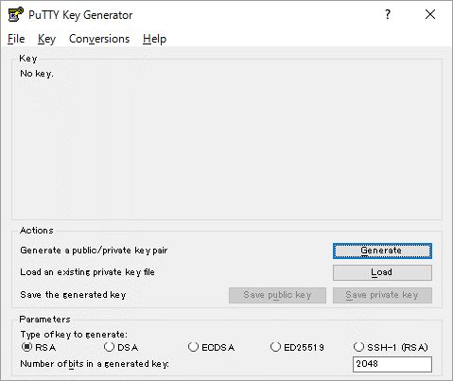
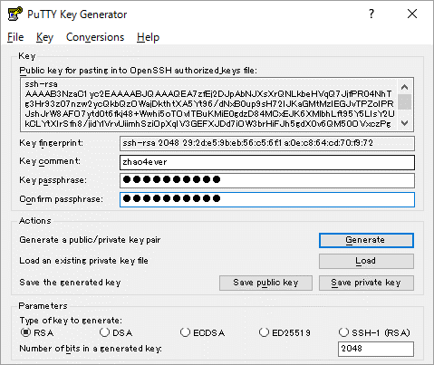

 | copy publish key and set the publis key to google cloud VM instance

 | username
 | password

 | save private key

-setup publish key into google cloud
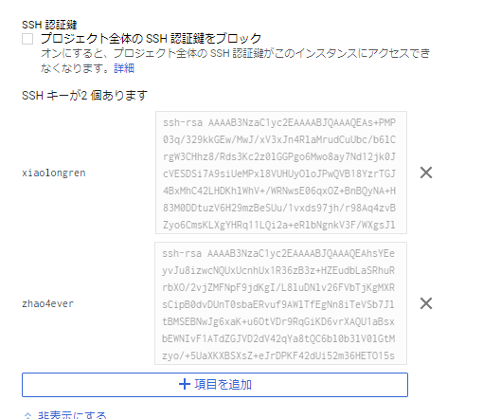

-login VM by putty or winscp using private key file
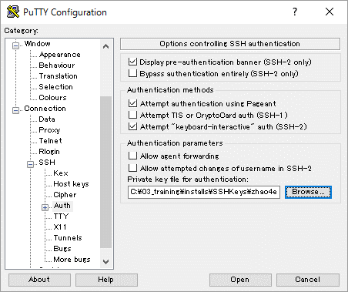

■Firewall setup
https://console.cloud.google.com/networking/firewalls/list?project=integral-berm-157306&tab=INGRESS
permit 8080 port for access
- IP ranges:[0.0.0.0/0]
- tcp:8080:[tcp:8080]

プロジェクトディプロイ・Tomcat設定
■Deploy as WAR file.
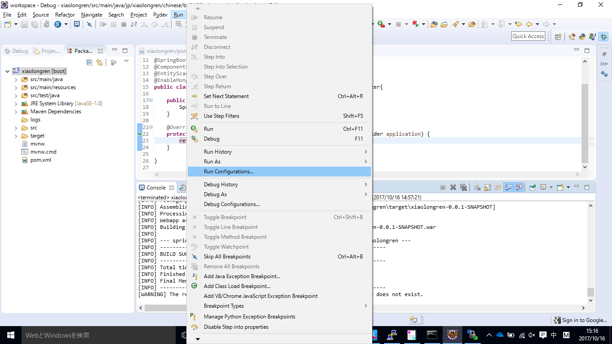

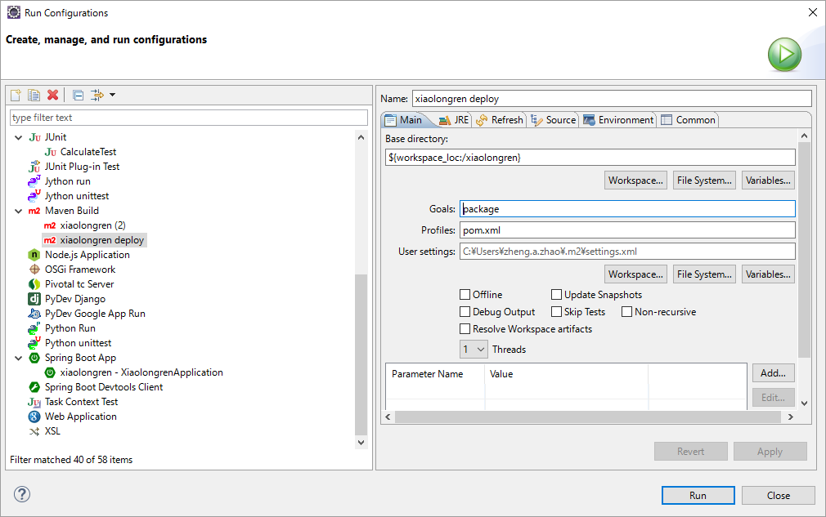

2. Select project

3. Set command

1. Set Maven Build name

4. Run configuration
※After running, we can get deply.war file in "Target" folder.

Copy deply.war to /tomcat/webapps, then you can access project by http://localhost:8080/war名. (http://localhost:8080/xiaolongren)
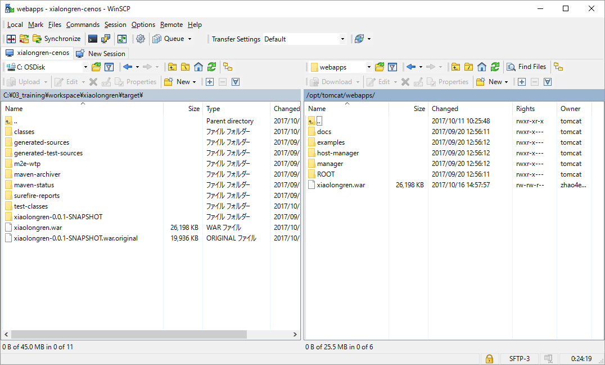

■Tomcat setup
1. conf/web.xml
<servlet>
<servlet-name>default</servlet-name>
<servlet-class>org.apache.catalina.servlets.DefaultServlet</servlet-class>
<init-param>
<param-name>debug</param-name>
<param-value>0</param-value>
</init-param>
<init-param>
<param-name>listings</param-name>
<param-value>true</param-value> | set it to "true"
</init-param>
<load-on-startup>1</load-on-startup>
</servlet>

2. server.xml
<Host name="localhost" appBase="webapps"
unpackWARs="true" autoDeploy="true">

<!-- SingleSignOn valve, share authentication between web applications
Documentation at: /docs/config/valve.html -->
<!--
<Valve className="org.apache.catalina.authenticator.SingleSignOn" />
-->

<!-- Access log processes all example.
Documentation at: /docs/config/valve.html
Note: The pattern used is equivalent to using pattern="common" -->
<Valve className="org.apache.catalina.valves.AccessLogValve" directory="logs"
prefix="localhost_access_log" suffix=".txt"
pattern="%h %l %u %t &quot;%r&quot; %s %b" />
<Context path="" docBase="/opt/tomcat/webapps/xiaolongren" /> |  | add this row to set up the base folder
</Host> |  | path="" means no need of project name

3. port redirect
There is no permission for general user to use port 80, so use root user to redirect 80 request to 8080
・command
su root
iptables -t nat -A PREROUTING -p tcp -m tcp --dport 80 -j REDIRECT --to-ports 8080
iptables -t nat -A PREROUTING -p udp -m udp --dport 80 -j REDIRECT --to-ports 8080

■Change DNS host setup
1. ドメインNaviログイン
https://www.onamae.com/navi/domain.html

2. ドメイン設定タブ->DNS関連機能の設定

3. 内部ドメイン一覧から対象のドメインを選択し、次へ進むを押す

4. DNSレコード設定を利用するを選択（右の設定ボタンを押す）
関連するホスト情報を設定すればよい。

