Images1
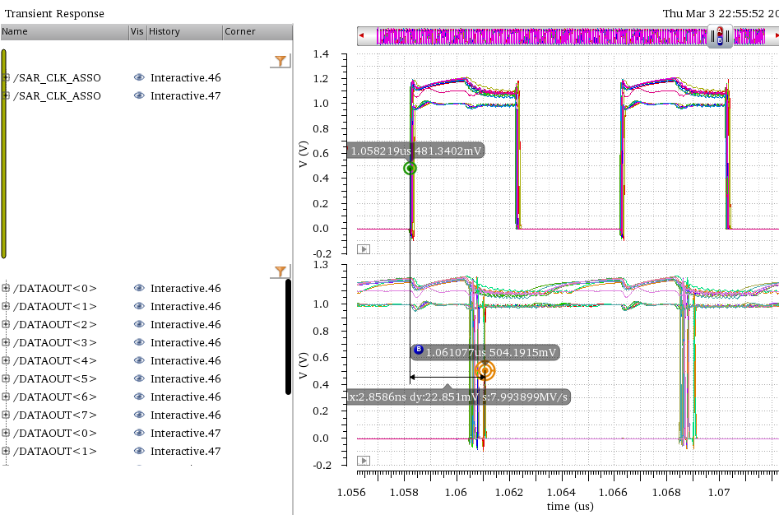
PIN_NAME | PIN_TYPE | skew | skew_range | CLOCK_DOMAIN | Duty Cycle | EQ DRIVER NAME | OUTPUT LOAD (min) (fF) | OUTPUT LOAD (max) (fF) | Trise (min) (ps) | Trise (max) (ps) | Tfall (min) (ps) | Tfall (max) (ps) | TCO (min) | TCO (max) | CLOCK PERIOD (ns) | INPUT LOAD (fF) | Trise (max) (ps) | Tfall (max) (ps) | Tsetup (max) (ps) | Thold (min) (ps) | Note

 |  |  |  |  |  |  |  |  |  |  |  |  |  |  | 40

 |  |  |  |  |  |  |  |  |  |  |  |  |  |  | 80

 |  |  |  |  | 45-55 |  |  |  |  |  |  |  |  |  | 4
 |  |  |  |  | 45-55 |  |  |  |  |  |  |  |  |  | 4
 |  |  |  |  | 45-55 |  |  |  |  |  |  |  |  |  | 4
 |  |  |  |  | 45-55 |  |  |  |  |  |  |  |  |  | 4
 |  |  |  |  | 45-55(8ns) 35-45(10ns) |  |  |  |  |  |  |  |  |  | 8/10

 |  |  |  |  | 45-55(8ns) 35-45(10ns) |  |  |  |  |  |  |  |  |  | 8/10

 |  |  |  |  |  |  |  |  |  |  |  |  |  |  | 8/10

 |  |  |  |  |  |  |  |  |  |  |  |  |  |  | 8/10

 |  |  |  |  | 45-55(8ns) 35-45(10ns) |  |  |  |  |  |  |  |  |  | 8/10

 |  |  |  |  |  |  |  |  |  |  |  |  |  |  | 8
 |  |  |  |  |  |  |  |  |  |  |  |  |  |  | 8
 |  |  |  |  |  |  |  |  |  |  |  |  |  |  | 8
 |  |  |  |  |  |  |  |  |  |  |  |  |  |  | 8
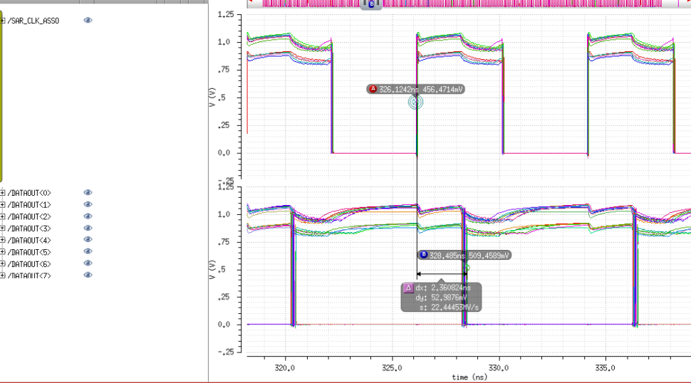

 |  |  |  |  |  |  |  |  |  |  |  |  |  |  | 40

 |  |  |  |  |  |  |  |  |  |  |  |  |  |  | 4
 |  |  |  |  |  |  |  |  |  |  |  |  |  |  | 4
 |  |  |  |  |  |  |  |  |  |  |  |  |  |  | 3.2

 |  |  |  |  |  |  |  |  |  |  |  |  |  |  | 8/3.2

 |  |  |  |  |  |  |  |  |  |  |  |  |  |  | 8/3.2

