【1-1】slab结构体关系
回到目录

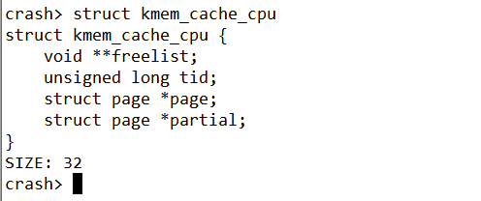
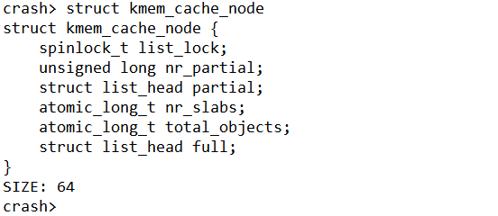
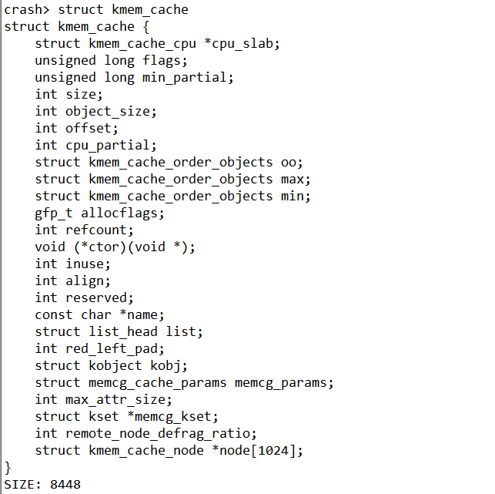
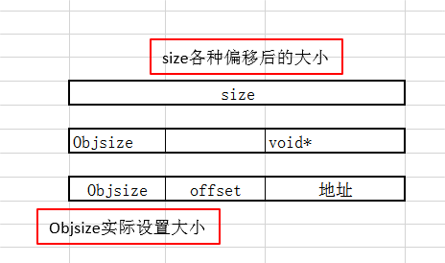
add:ffff9f0f3fabe080
cpu_slab = 0x389c41803ee0
node = {0xffff9f0f3baed340, 0x0,..}
kmem_cache_cpu主要是对外分配object(营业厅性质)
放置全满的slab
放置半满的slab
指向下一个空闲的对象
192 /prco/slabinfo信息
123 实际自己设置的
128
每一个CPU包含一个kmem_cache_cpu 数据结构
slab内存的page指针
本地slab链表，包含部分使用的object
slab节点中slab是数量
参考网址：http://www.wowotech.net/memory_management/426.html
参考网址：https://blog.csdn.net/lukuen/article/details/6935068
问题：为啥kmem_cache_cpu属于用户空间数据呢？

放置半满的slab

size各种偏移后的大小

Objsize实际设置大小

放置半满的slab

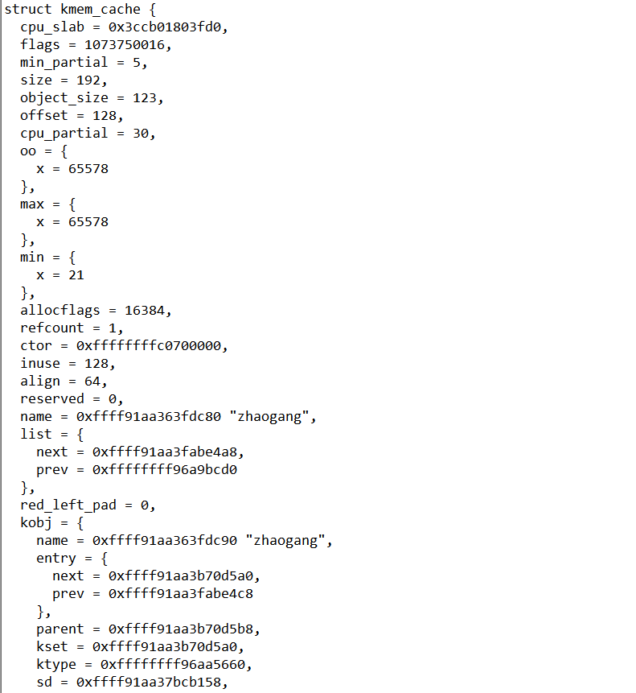
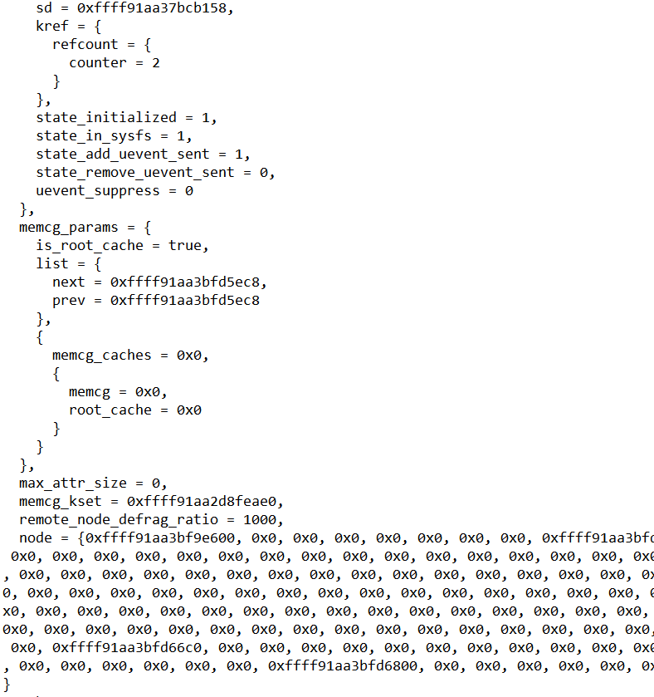
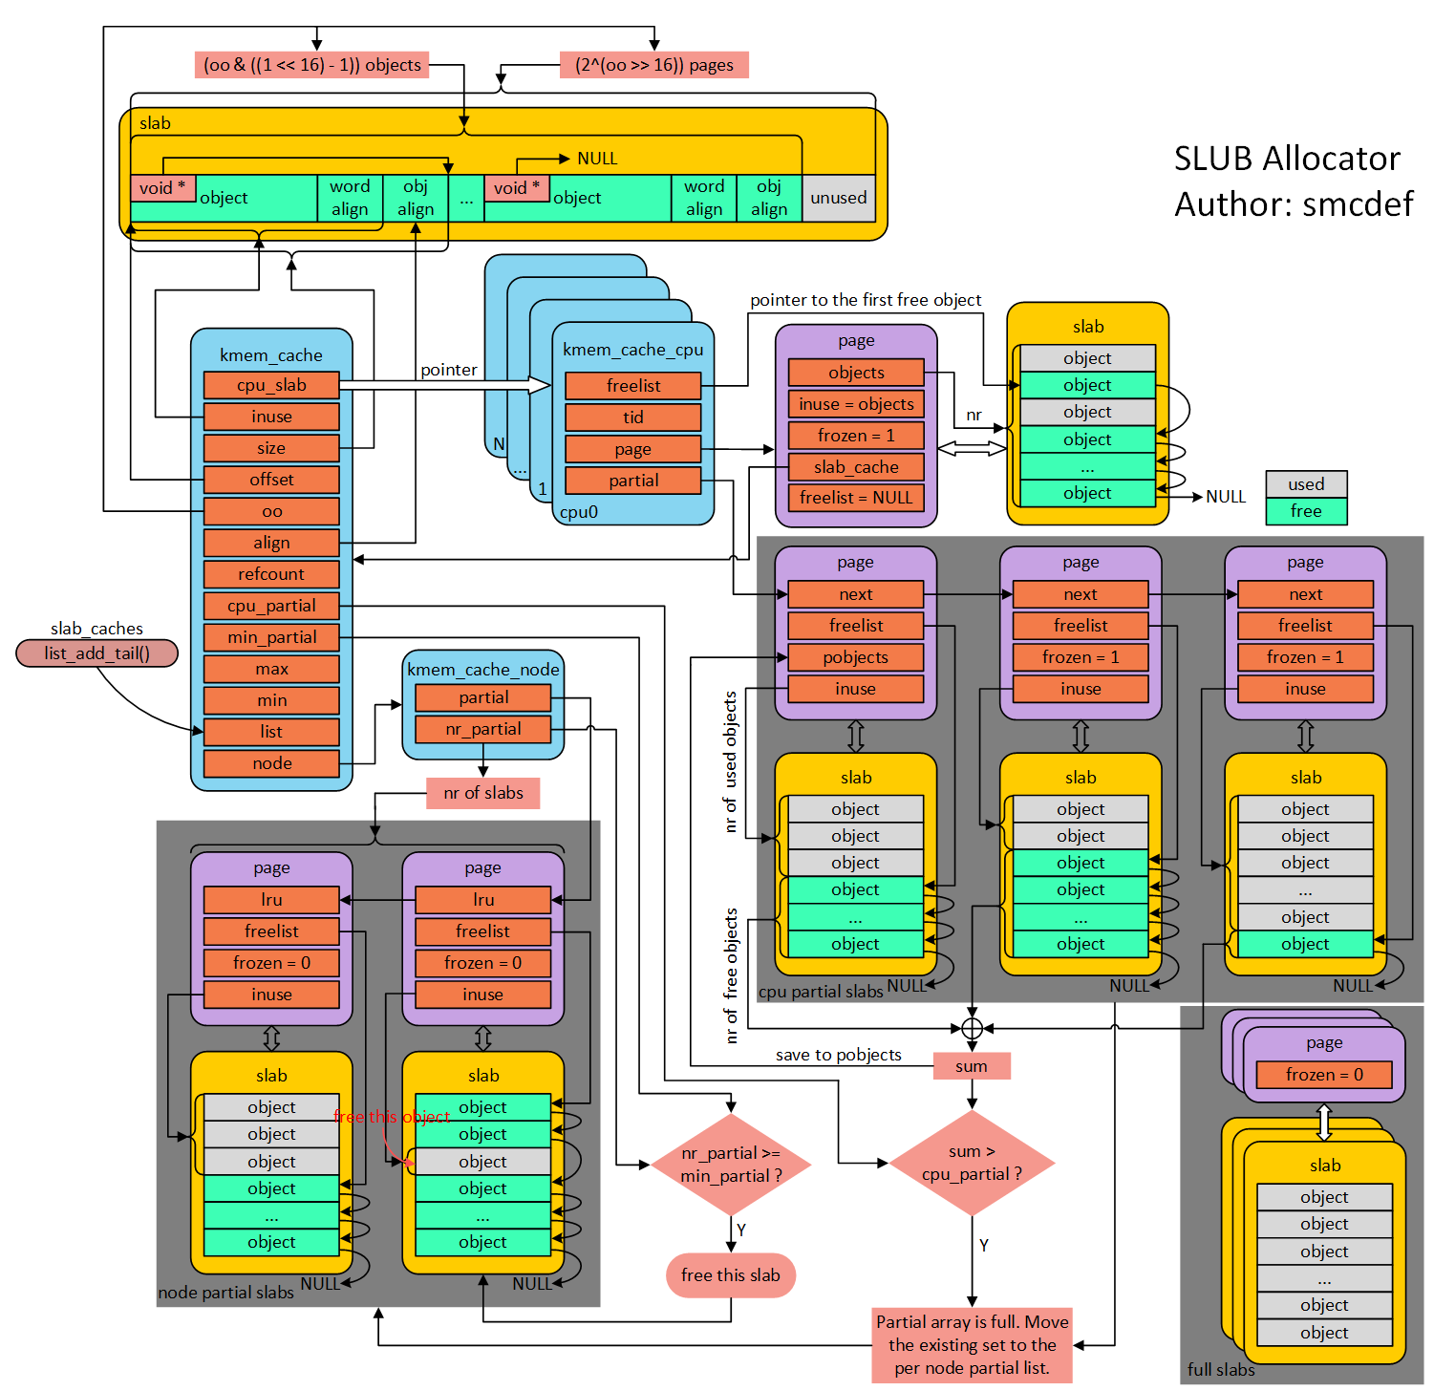

放置半满的slab

1(page) 0000000000101010()

【1-2】rq结构体关系图
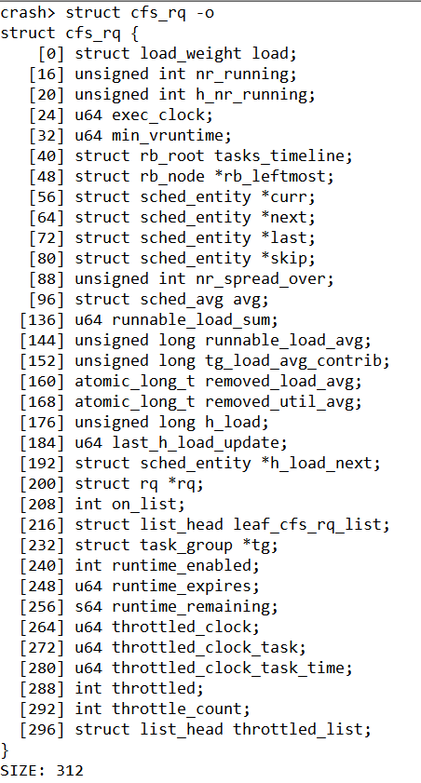
回到目录
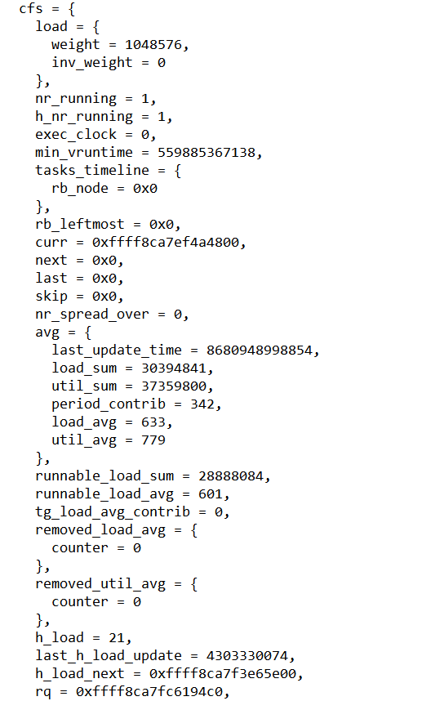
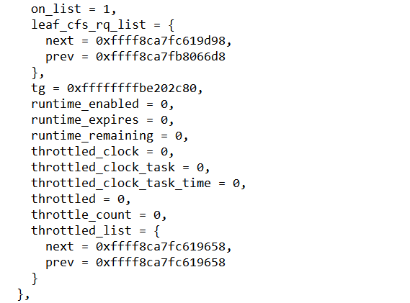
当前就绪队列的总权重
当前就绪队列的总进程数
实际时钟
指向当前进程的sched_entity(task_struct)
当前队列运行时间最小的虚拟时间
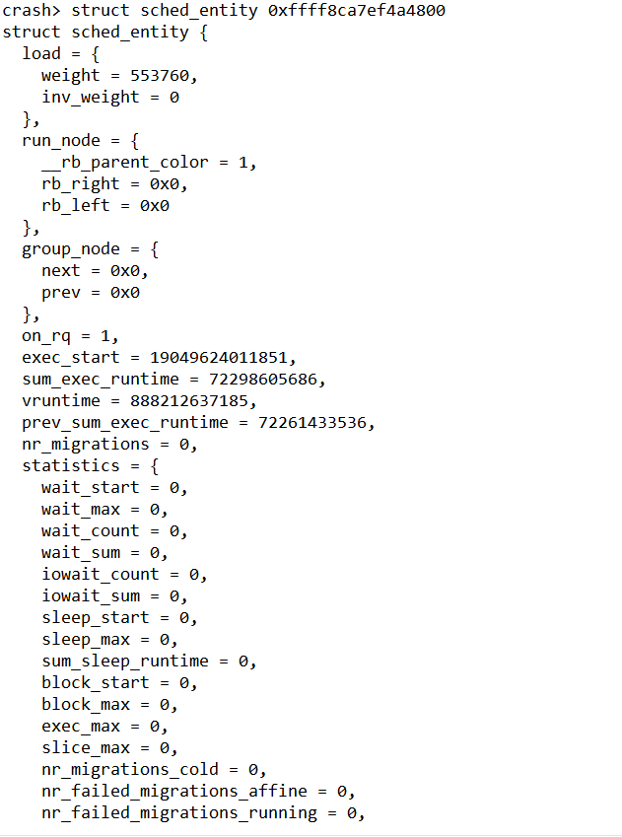
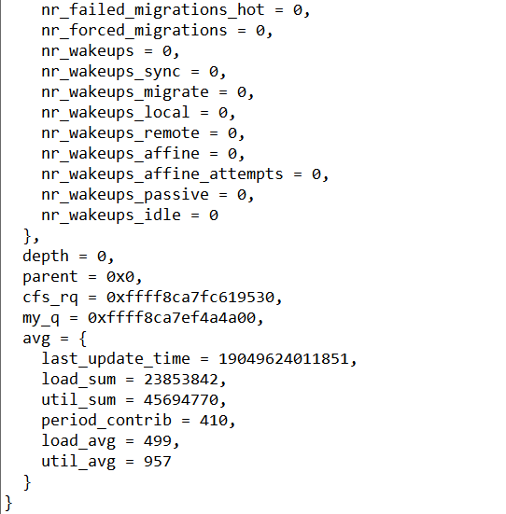
当前进程的权重
放置半满的slab
进程开始执行的时间

进程开始执行的时间

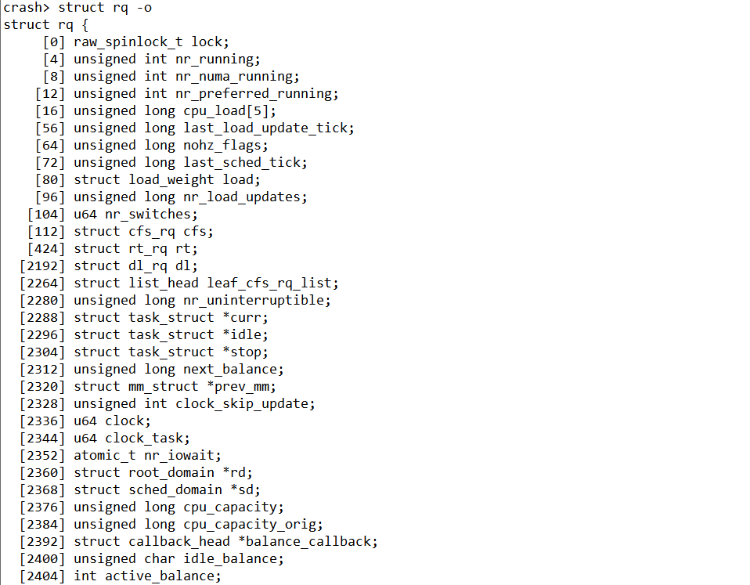
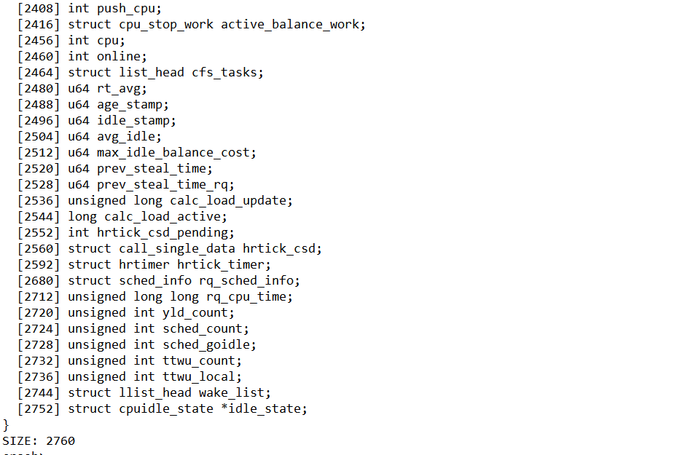
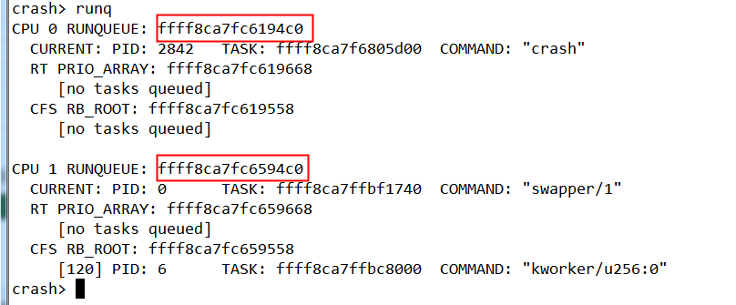
放置半满的slab

【1-3】task_struct
回到目录

 | https://www.cnblogs.com/JohnABC/p/9084750.html

 | struct task_struct {
 | [0] struct thread_info thread_info; | 体系相关的参数在此结构体中
 | [8] volatile long state;
 | [16] void *stack; | 内核栈信息(为啥是void*类型?)
 | [24] atomic_t usage;
 | [28] unsigned int flags;
 | [32] unsigned int ptrace;
 | [40] struct llist_node wake_entry;
 | [48] int on_cpu; | SPM实现无加锁的切换
 | [52] unsigned int cpu; | 在哪个cpu上工作
 | [56] unsigned int wakee_flips;
 | [64] unsigned long wakee_flip_decay_ts;
 | [72] struct task_struct *last_wakee;
 | [80] int wake_cpu;
 | [84] int on_rq;
 | [88] int prio; | 最终调度器使用的优先级（0-139） | prio=static_prio(非实时进程)
 | [92] int static_prio; | 静态不随时间改变（只能调用nice去修改）(100-139) | static_prio = MAX_RT_PRIO(100) + nice(-20~19) +20
 | [96] int normal_prio; |  | static_prio=normal_prio(非实时进程)
 | [100] unsigned int rt_priority; | 实时优先级（0-99）
 | [104] const struct sched_class *sched_class;
 | [128] struct sched_entity se; | 调度实体（见下文）
 | [576] struct sched_rt_entity rt;
 | [648] struct task_group *sched_task_group;
 | [656] struct sched_dl_entity dl;
 | [832] struct hlist_head preempt_notifiers;
 | [840] unsigned int btrace_seq;
 | [844] unsigned int policy; | 表示进程的调度策略
 | [848] int nr_cpus_allowed;
 | [856] cpumask_t cpus_allowed;
 | [1880] struct sched_info sched_info;
 | [1912] struct list_head tasks;
 | [1928] struct plist_node pushable_tasks;
 | [1968] struct rb_node pushable_dl_tasks;
 | [1992] struct mm_struct *mm; | 进程上下文/内核上下文 | 1) mm: 指向进程所拥有的内存描述符 2) active_mm: active_mm指向进程运行时所使用的内存描述符
 | [2000] struct mm_struct *active_mm; |  | 对于普通进程而言，这两个指针变量的值相同。但是，内核线程不拥有任何内存描述符，所以它们的mm成员总是为NULL。当内核线程得以运行时，它的active_mm成员被初始化为前一个运行进程的active_mm值
 | [2008] u32 vmacache_seqnum;
 | [2016] struct vm_area_struct *vmacache[4];
 | [2048] struct task_rss_stat rss_stat;
 | [2068] int exit_state;
 | [2072] int exit_code;
 | [2076] int exit_signal;
 | [2080] int pdeath_signal;
 | [2088] unsigned long jobctl;
 | [2096] unsigned int personality;
 | [2100] unsigned int sched_reset_on_fork : 1;
 | [2100] unsigned int sched_contributes_to_load : 1;
 | [2100] unsigned int sched_migrated : 1;
 | [2100] unsigned int sched_remote_wakeup : 1;
 | [2104] unsigned int in_execve : 1;
 | [2104] unsigned int in_iowait : 1;
 | [2104] unsigned int restore_sigmask : 1;
 | [2104] unsigned int memcg_may_oom : 1;
 | [2104] unsigned int memcg_kmem_skip_account : 1;
 | [2104] unsigned int no_cgroup_migration : 1;
 | [2112] unsigned long atomic_flags;
 | [2120] struct restart_block restart_block;
 | [2168] pid_t pid;
 | [2172] pid_t tgid;
 | [2176] unsigned long stack_canary;
 | [2184] struct task_struct *real_parent;
 | [2192] struct task_struct *parent;
 | [2200] struct list_head children;
 | [2216] struct list_head sibling;
 | [2232] struct task_struct *group_leader; | 线程组长(管理子线程)主线程和子线程task_struct和group_leader一样
 | [2240] struct list_head ptraced;
 | [2256] struct list_head ptrace_entry;
 | [2272] struct pid_link pids[3];
 | [2344] struct list_head thread_group;
 | [2360] struct list_head thread_node;
 | [2376] struct completion *vfork_done;
 | [2384] int *set_child_tid;
 | [2392] int *clear_child_tid;
 | [2400] cputime_t utime;
 | [2408] cputime_t stime;
 | [2416] cputime_t utimescaled;
 | [2424] cputime_t stimescaled;
 | [2432] cputime_t gtime;
 | [2440] struct prev_cputime prev_cputime;
 | [2464] seqcount_t vtime_seqcount;
 | [2472] unsigned long long vtime_snap;
 | [2480] enum {VTIME_INACTIVE VTIME_USER VTIME_SYS} vtime_snap_whence;
 | [2484] atomic_t tick_dep_mask;
 | [2488] unsigned long nvcsw; | 自愿切换计数
 | [2496] unsigned long nivcsw; | 非自愿切换计数
 | [2504] u64 start_time;
 | [2512] u64 real_start_time;
 | [2520] unsigned long min_flt; | 缺页中断次数
 | [2528] unsigned long maj_flt;
 | [2536] struct task_cputime cputime_expires;
 | [2560] struct list_head cpu_timers[3];
 | [2608] const struct cred *ptracer_cred;
 | [2616] const struct cred *real_cred;
 | [2624] const struct cred *cred;
 | [2632] char comm[16];
 | [2648] struct nameidata *nameidata;
 | [2656] struct sysv_sem sysvsem;
 | [2664] struct sysv_shm sysvshm;
 | [2680] unsigned long last_switch_count;
 | [2688] struct fs_struct *fs;
 | [2696] struct files_struct *files;
 | [2704] struct nsproxy *nsproxy; | 命名空间
 | [2712] struct signal_struct *signal; | 信号处理
 | [2720] struct sighand_struct *sighand; | 见下文（个人理解signal和sigaction注册才能用上此结构体）
 | [2728] sigset_t blocked; | 见下文
 | [2736] sigset_t real_blocked; | 见下文
 | [2744] sigset_t saved_sigmask; | 见下文
 | [2752] struct sigpending pending; | 见下文（个人理解：只有）
 | [2776] unsigned long sas_ss_sp;
 | [2784] size_t sas_ss_size;
 | [2792] unsigned int sas_ss_flags;
 | [2800] struct callback_head *task_works;
 | [2808] struct audit_context *audit_context;
 | [2816] kuid_t loginuid;
 | [2820] unsigned int sessionid;
 | [2824] struct seccomp seccomp;
 | [2840] u32 parent_exec_id;
 | [2844] u32 self_exec_id;
 | [2848] spinlock_t alloc_lock;
 | [2852] raw_spinlock_t pi_lock;
 | [2856] struct wake_q_node wake_q;
 | [2864] struct rb_root pi_waiters;
 | [2872] struct rb_node *pi_waiters_leftmost;
 | [2880] struct rt_mutex_waiter *pi_blocked_on;
 | [2888] void *journal_info;
 | [2896] struct bio_list *bio_list;
 | [2904] struct blk_plug *plug;
 | [2912] struct reclaim_state *reclaim_state;
 | [2920] struct backing_dev_info *backing_dev_info;
 | [2928] struct io_context *io_context;
 | [2936] unsigned long ptrace_message;
 | [2944] siginfo_t *last_siginfo;
 | [2952] struct task_io_accounting ioac;
 | [3008] u64 acct_rss_mem1;
 | [3016] u64 acct_vm_mem1;
 | [3024] cputime_t acct_timexpd;
 | [3032] nodemask_t mems_allowed;
 | [3160] seqcount_t mems_allowed_seq;
 | [3164] int cpuset_mem_spread_rotor;
 | [3168] int cpuset_slab_spread_rotor;
 | [3176] struct css_set *cgroups;
 | [3184] struct list_head cg_list;
 | [3200] struct robust_list_head *robust_list;
 | [3208] struct compat_robust_list_head *compat_robust_list;
 | [3216] struct list_head pi_state_list;
 | [3232] struct futex_pi_state *pi_state_cache;
 | [3240] struct perf_event_context *perf_event_ctxp[2];
 | [3256] struct mutex perf_event_mutex;
 | [3296] struct list_head perf_event_list;
 | [3312] struct mempolicy *mempolicy;
 | [3320] short il_next;
 | [3322] short pref_node_fork;
 | [3324] int numa_scan_seq;
 | [3328] unsigned int numa_scan_period;
 | [3332] unsigned int numa_scan_period_max;
 | [3336] int numa_preferred_nid;
 | [3344] unsigned long numa_migrate_retry;
 | [3352] u64 node_stamp;
 | [3360] u64 last_task_numa_placement;
 | [3368] u64 last_sum_exec_runtime;
 | [3376] struct callback_head numa_work;
 | [3392] struct list_head numa_entry;
 | [3408] struct numa_group *numa_group;
 | [3416] unsigned long *numa_faults;
 | [3424] unsigned long total_numa_faults;
 | [3432] unsigned long numa_faults_locality[3];
 | [3456] unsigned long numa_pages_migrated;
 | [3464] struct tlbflush_unmap_batch tlb_ubc;
 | [4496] struct callback_head rcu;
 | [4512] struct pipe_inode_info *splice_pipe;
 | [4520] struct page_frag task_frag;
 | [4536] struct task_delay_info *delays;
 | [4544] int nr_dirtied;
 | [4548] int nr_dirtied_pause;
 | [4552] unsigned long dirty_paused_when;
 | [4560] u64 timer_slack_ns;
 | [4568] u64 default_timer_slack_ns;
 | [4576] unsigned int kasan_depth;
 | [4580] int curr_ret_stack;
 | [4584] struct ftrace_ret_stack *ret_stack;
 | [4592] unsigned long long ftrace_timestamp;
 | [4600] atomic_t trace_overrun;
 | [4604] atomic_t tracing_graph_pause;
 | [4608] unsigned long trace;
 | [4616] unsigned long trace_recursion;
 | [4624] struct mem_cgroup *memcg_in_oom;
 | [4632] gfp_t memcg_oom_gfp_mask;
 | [4636] int memcg_oom_order;
 | [4640] unsigned int memcg_nr_pages_over_high;
 | [4648] struct uprobe_task *utask;
 | [4656] int pagefault_disabled;
 | [4664] struct task_struct *oom_reaper_list;
 | [4672] atomic_t stack_refcount;
 | [4736] struct thread_struct thread; | 处理器特有结构体-处理器上下文
 | }
 | SIZE: 9088

 | struct sched_entity {
 | [0] struct load_weight load; | 权重结构体-见下文
 | [16] struct rb_node run_node;
 | [40] struct list_head group_node;
 | [56] unsigned int on_rq; | 进程在那个CPU上就绪
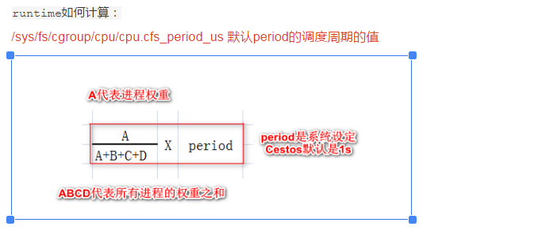
 | [64] u64 exec_start;
 | [72] u64 sum_exec_runtime;
 | [80] u64 vruntime; | 虚拟运行时间
 | [88] u64 prev_sum_exec_runtime;
 | [96] u64 nr_migrations;
 | [104] struct sched_statistics statistics;
 | [320] int depth;
 | [328] struct sched_entity *parent;
 | [336] struct cfs_rq *cfs_rq;
 | [344] struct cfs_rq *my_q;
 | [384] struct sched_avg avg; | CPU负载-见下文
 | }
 | SIZE: 448

 | struct load_weight {
 | [0] unsigned long weight; | 调度实体真实权重(scale_load(w))就是*1024
 | [8] u32 inv_weight; | 权重计算的中间值（查表得出）2^32/w
 | }

 | struct sched_avg {
 | [0] u64 last_update_time;
 | [8] u64 load_sum;
 | [16] u32 util_sum;
 | [20] u32 period_contrib;
 | [24] unsigned long load_avg;
 | [32] unsigned long util_avg;
 | }
 | SIZE: 40

 | struct sigpending {
 | [0] struct list_head list;
 | [16] sigset_t signal;
 | }
 | SIZE: 24

 | typedef struct { | sigset_t表示64个信号
 | [0] unsigned long sig[1];
 | } sigset_t;
 | SIZE: 8

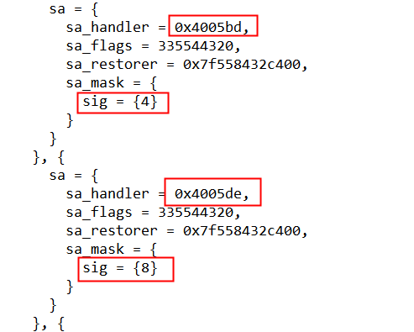
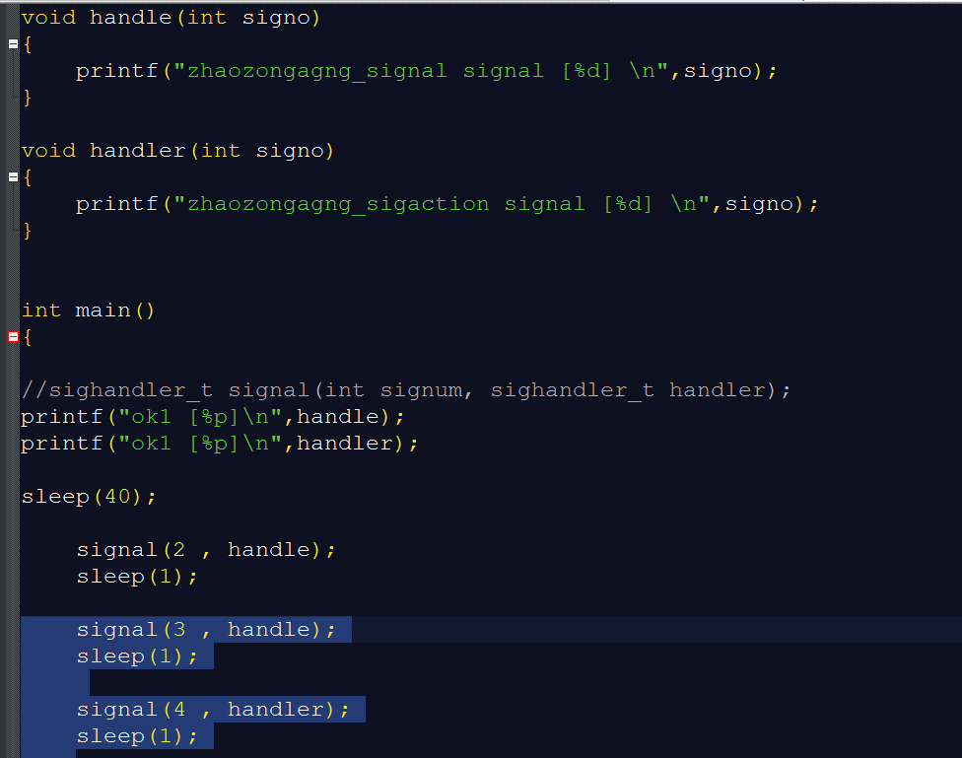
4 =100(sig=3)
8 =1000(sig=4)
handle= 0x4005bd
handler= 0x4005de
 | struct sighand_struct {
 | [0] atomic_t count;
 | [8] struct k_sigaction action[64]; | 保存信号处理函数的地址（do_sigaction 就是设置 sighand 里的信号处理函数。）
 | [2056] spinlock_t siglock;
 | [2064] wait_queue_head_t signalfd_wqh; | 结论如图所示当调用signal()会修改在PCB中sighand_struct->action[]回调函数。
 | } | 就是所谓的注册函数。但是9信号不能被重新注册，不能执行新的回调。
 | SIZE: 2088

 | struct k_sigaction {
 | struct sigaction sa;
 | }
 | SIZE: 32

 | struct sigaction {
 | __sighandler_t sa_handler; | setup_rt_frame->get_sigframe(创建一个用户栈强行把信号调用 加进去)
 | unsigned long sa_flags; | 返回到用户层继续执行，问题来了（信号2和信号9如何修改用户栈的）
 | __sigrestore_t sa_restorer;
 | sigset_t sa_mask;
 | }
 | SIZE: 32

【1-8】page
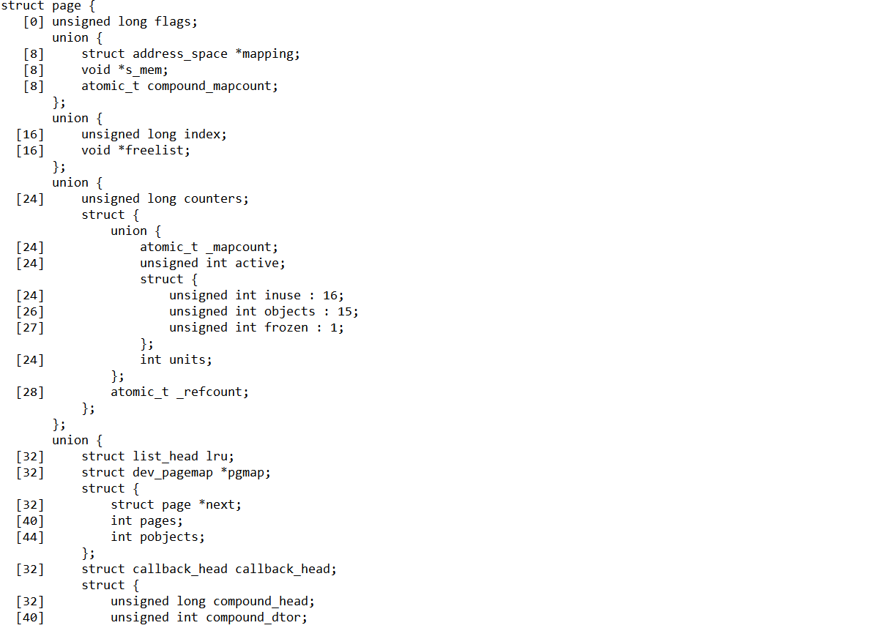
回到目录
 | struct page {
 | [0] unsigned long flags
 | union {
 | [8] struct address_space *mapping
 | [8] void *s_mem
 | [8] atomic_t compound_mapcount
 | }
 | union {
 | [16] unsigned long index
 | [16] void *freelist
 | }
 | union {
 | [24] unsigned long counters
 | struct {
 | union {
 | [24] atomic_t _mapcount
 | [24] unsigned int active
 | struct {
 | [24] unsigned int inuse : 16
 | [26] unsigned int objects : 15
 | [27] unsigned int frozen : 1
 | }
 | [24] int units
 | }
 | [28] atomic_t _refcount
 | }
 | }
 | union {
 | [32] struct list_head lru
 | [32] struct dev_pagemap *pgmap
 | struct {
 | [32] struct page *next
 | [40] int pages
 | [44] int pobjects
 | }
 | [32] struct callback_head callback_head
 | struct {
 | [32] unsigned long compound_head
 | [40] unsigned int compound_dtor
 | [44] unsigned int compound_order
 | }
 | struct {
 | [32] unsigned long __pad
 | [40] pgtable_t pmd_huge_pte
 | }
 | }
 | union {
 | [48] unsigned long private
 | [48] spinlock_t ptl
 | [48] struct kmem_cache *slab_cache
 | }
 | [56] struct mem_cgroup *mem_cgroup
 | }

【1-13】file_operations
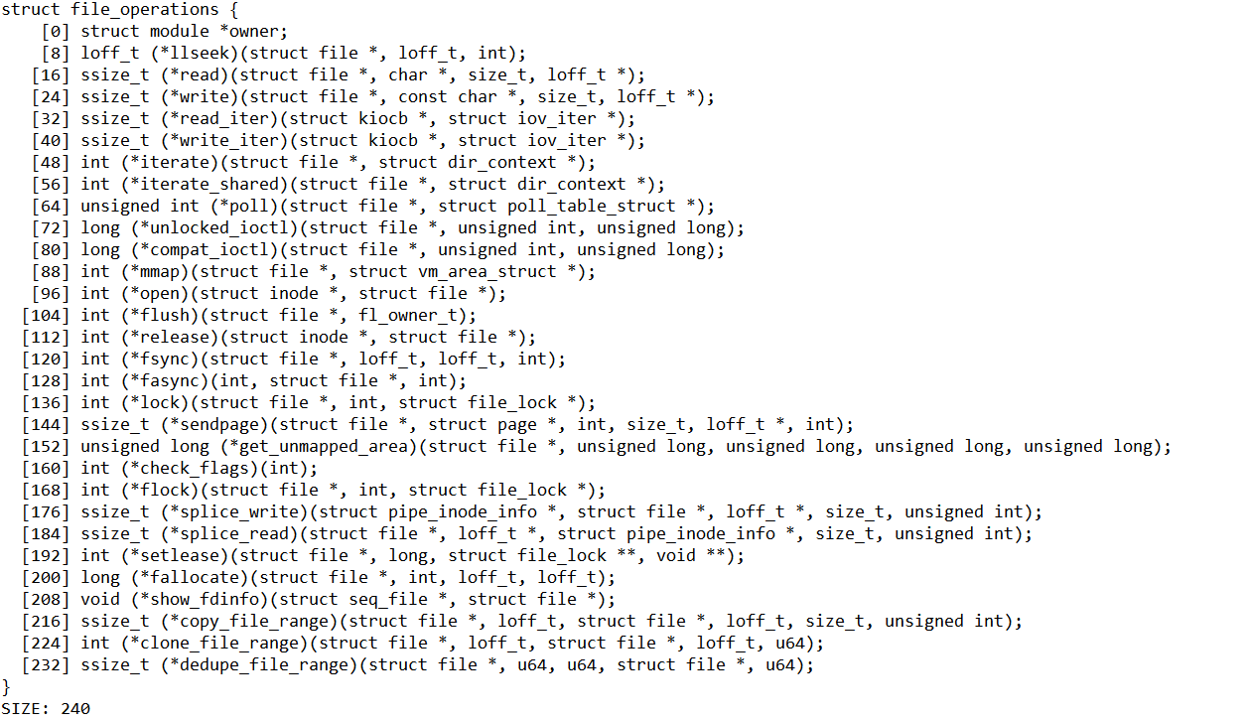
struct file_operations {
[0] struct module *owner;
[8] loff_t (*llseek)(struct file *, loff_t, int);
[16] ssize_t (*read)(struct file *, char *, size_t, loff_t *);
[24] ssize_t (*write)(struct file *, const char *, size_t, loff_t *);
[32] ssize_t (*read_iter)(struct kiocb *, struct iov_iter *);
[40] ssize_t (*write_iter)(struct kiocb *, struct iov_iter *);
[48] int (*iterate)(struct file *, struct dir_context *);
[56] int (*iterate_shared)(struct file *, struct dir_context *);
[64] unsigned int (*poll)(struct file *, struct poll_table_struct *);
[72] long (*unlocked_ioctl)(struct file *, unsigned int, unsigned long);
[80] long (*compat_ioctl)(struct file *, unsigned int, unsigned long);
[88] int (*mmap)(struct file *, struct vm_area_struct *);
[96] int (*open)(struct inode *, struct file *);
[104] int (*flush)(struct file *, fl_owner_t);
[112] int (*release)(struct inode *, struct file *);
[120] int (*fsync)(struct file *, loff_t, loff_t, int);
[128] int (*fasync)(int, struct file *, int);
[136] int (*lock)(struct file *, int, struct file_lock *);
[144] ssize_t (*sendpage)(struct file *, struct page *, int, size_t, loff_t *, int);
[152] unsigned long (*get_unmapped_area)(struct file *, unsigned long, unsigned long, unsigned long, unsigned long);
[160] int (*check_flags)(int);
[168] int (*flock)(struct file *, int, struct file_lock *);
[176] ssize_t (*splice_write)(struct pipe_inode_info *, struct file *, loff_t *, size_t, unsigned int);
[184] ssize_t (*splice_read)(struct file *, loff_t *, struct pipe_inode_info *, size_t, unsigned int);
[192] int (*setlease)(struct file *, long, struct file_lock **, void **);
[200] long (*fallocate)(struct file *, int, loff_t, loff_t);
[208] void (*show_fdinfo)(struct seq_file *, struct file *);
[216] ssize_t (*copy_file_range)(struct file *, loff_t, struct file *, loff_t, size_t, unsigned int);
[224] int (*clone_file_range)(struct file *, loff_t, struct file *, loff_t, u64);
[232] ssize_t (*dedupe_file_range)(struct file *, u64, u64, struct file *, u64);
}
SIZE: 240

【1-16】signal_struct
回到目录

 | struct signal_struct {
 | [0] atomic_t sigcnt;
 | [4] atomic_t live;
 | [8] int nr_threads;
 | [16] struct list_head thread_head;
 | [32] wait_queue_head_t wait_chldexit;
 | [56] struct task_struct *curr_target;
 | [64] struct sigpending shared_pending; | 进程独享的结构体（见下文）
 | [88] int group_exit_code;
 | [92] int notify_count;
 | [96] struct task_struct *group_exit_task;
 | [104] int group_stop_count;
 | [108] unsigned int flags;
 | [112] unsigned int is_child_subreaper : 1;
 | [112] unsigned int has_child_subreaper : 1;
 | [116] int posix_timer_id;
 | [120] struct list_head posix_timers;
 | [136] struct hrtimer real_timer;
 | [224] struct pid *leader_pid;
 | [232] ktime_t it_real_incr;
 | [240] struct cpu_itimer it[2];
 | [288] struct thread_group_cputimer cputimer;
 | [320] struct task_cputime cputime_expires;
 | [344] atomic_t tick_dep_mask;
 | [352] struct list_head cpu_timers[3];
 | [400] struct pid *tty_old_pgrp;
 | [408] int leader;
 | [416] struct tty_struct *tty;
 | [424] struct autogroup *autogroup;
 | [432] seqlock_t stats_lock;
 | [440] cputime_t utime;
 | [448] cputime_t stime;
 | [456] cputime_t cutime;
 | [464] cputime_t cstime;
 | [472] cputime_t gtime;
 | [480] cputime_t cgtime;
 | [488] struct prev_cputime prev_cputime;
 | [512] unsigned long nvcsw;
 | [520] unsigned long nivcsw;
 | [528] unsigned long cnvcsw;
 | [536] unsigned long cnivcsw;
 | [544] unsigned long min_flt;
 | [552] unsigned long maj_flt;
 | [560] unsigned long cmin_flt;
 | [568] unsigned long cmaj_flt;
 | [576] unsigned long inblock;
 | [584] unsigned long oublock;
 | [592] unsigned long cinblock;
 | [600] unsigned long coublock;
 | [608] unsigned long maxrss;
 | [616] unsigned long cmaxrss;
 | [624] struct task_io_accounting ioac;
 | [680] unsigned long long sum_sched_runtime;
 | [688] struct rlimit rlim[16];
 | [944] struct pacct_struct pacct;
 | [1000] struct taskstats *stats;
 | [1008] unsigned int audit_tty;
 | [1016] struct tty_audit_buf *tty_audit_buf;
 | [1024] bool oom_flag_origin;
 | [1026] short oom_score_adj;
 | [1028] short oom_score_adj_min;
 | [1032] struct mm_struct *oom_mm;
 | [1040] struct mutex cred_guard_mutex;
 | }
 | SIZE: 1080

 | struct sigpending { | kill(发送来的信号要在此结构体（task_struct->signal->shared_pending）中注册)
 | [0] struct list_head list; | kill针对进程信号发送而言
 | [16] sigset_t signal; | 1-31不可靠信号，放置在sigset_t(如果存在信号，则丢弃)
 | } | 32-64可靠信号，放置在list中，（链表中都可以执行）
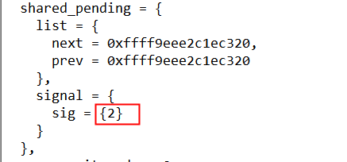
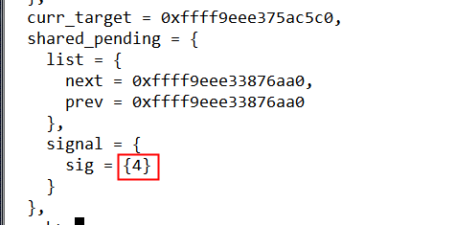
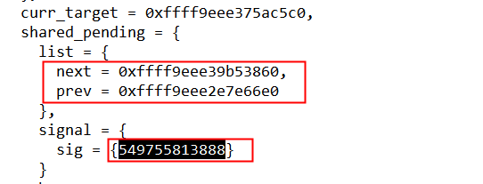
2=10(kill发送2信号)
4=100(kill发送3信号)
xxx=xx (kill发送40信号)
 | SIZE: 24

【2-1】手写网络协议
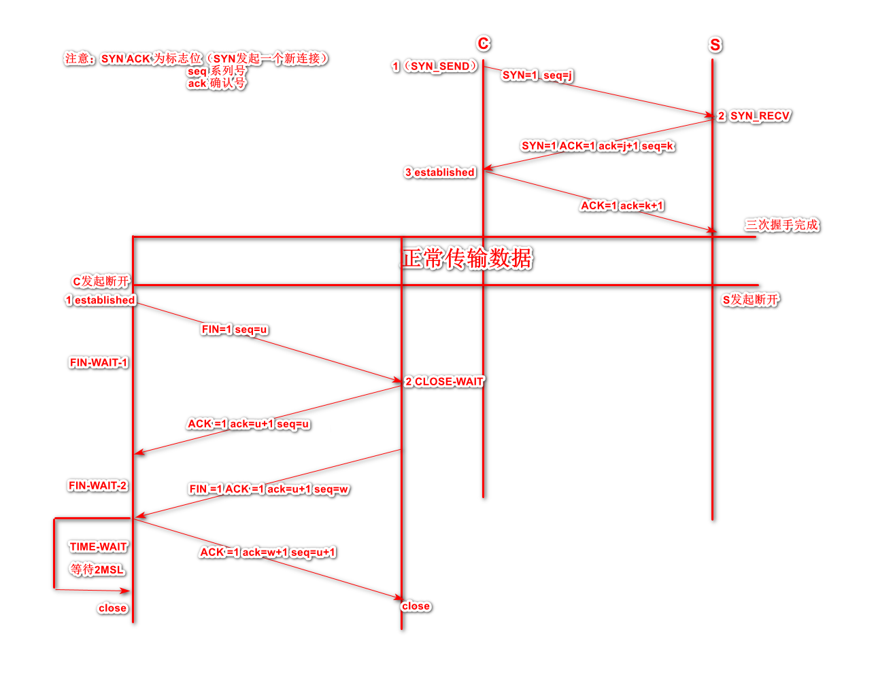
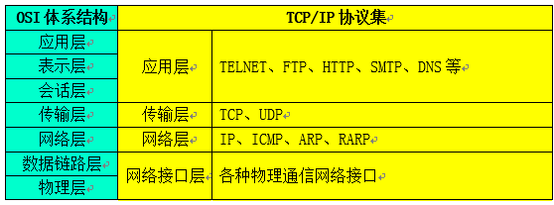
回到目录

 |  |  |  |  | 测试结果
 | //传输层(UDP) | [udphdr]你好 [内核] | //传输层（TCP） |  |  | char a[20]={1,2,3,4,5,6,7,8,9,10,11,12,13,14,15,16,17,18,19,20};
 | struct udphdr{ |  | struct tcphdr{
 |  | //UDP端口号(2) UDP目的端口(2) UDP长度(2) UDP效验(2) |  | unsigned short sport; | 513 | 10,0000,0001（2,1）
 |  | unsigned short sport; |  | unsigned short dport; | 1027 | 100,0000,0011(4,3)
 |  | unsigned short dport; |  | unsigned int seq; | 134678021 | xxxxxx(8,7,6,5)
 |  | unsigned short len; |  | unsigned int ack_seq; | 202050057 | xxxxxx(12,11,10,9)
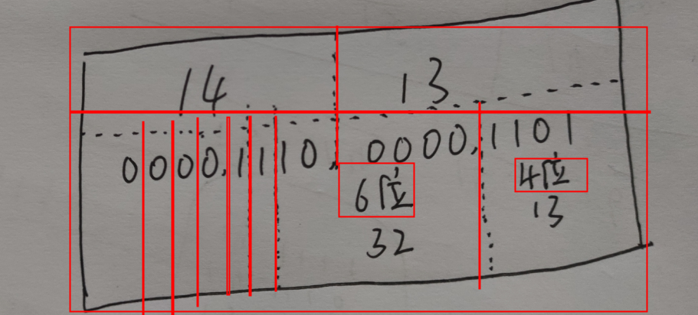
 |  | unsigned short check; |  | unsigned short hlen:4, | 13
 |  |  |  | reserved:6, | 32
 | };//sizeof 2+2+2+2 |  |  | urg:1, | 1
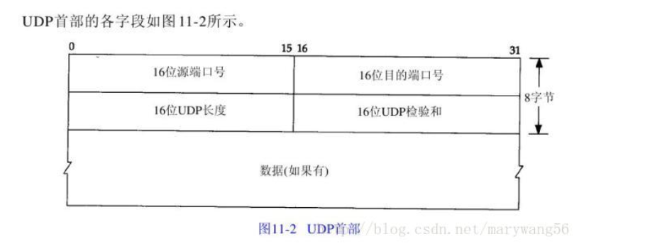
 |  |  |  | ack:1, | 1
 |  |  |  | psh:1, | 0
 |  |  |  | rst:1, | 0 |  | 14
 |  |  |  | syn:1, | 0
 |  |  |  | fin:1; | 0
 |  |  |  | unsigned short win_size; | 4111 | 1,0000 ,0000,1111(16,15)
 |  |  |  | unsigned short check; | 4625 | xxxx(18,17)
 |  |  |  | unsigned short emergency_p; | 5139 | xxxx(20,19)

 |  |  | };
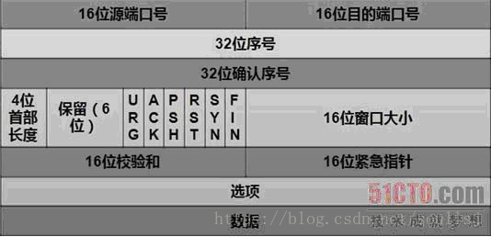

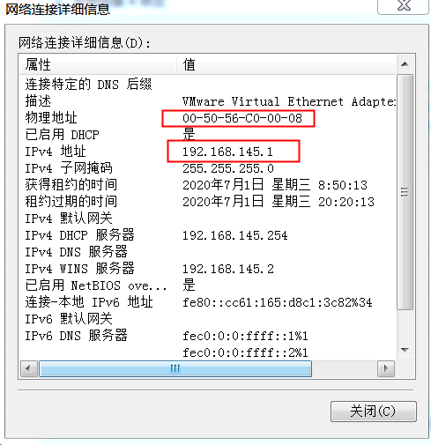
 | //网络层 [ip] | [udphdr]你好 [内核] | arp
 | struct iphdr{ |  | struct arphdr{
 |  | unsigned char version:4, |  | unsigned short arp_hrd; /* format of hardware address */
 |  | hdr_leng:4; |  | unsigned short arp_pro; /* format of protocol address */
 |  | unsigned char tos;//8位的服务类型 |  | unsigned char arp_hln; /* length of hardware address */
 |  | unsigned short totlen;//总长度 |  | unsigned char arp_pln; /* length of protocol address */
 |  | unsigned short id; |  | unsigned short arp_op; /* ARP/RARP operation */
 |  | unsigned short flag:3,
 |  | offset:13; |  | unsigned char arp_sha[6]; /* sender hardware address */ |  | 0:50:56:c0:0:8:（虚拟机电脑上的虚拟网卡地址）
 |  | unsigned char ttl;//生命周期 |  | unsigned int arp_spa; /* sender protocol address */ |  | 192.168.145.1.
 |  | unsigned char proto; |  | unsigned char arp_tha[6]; /* target hardware address */ |  | 0:c:29:b5:76:12:(虚拟机硬件网卡地址)
 |  | unsigned short check; |  | unsigned int arp_tpa; /* target protocol address */ |  | 192.168.145.178.（虚拟机IP地址）
 |  | unsigned int sip; | };
 |  | unsigned int dip;
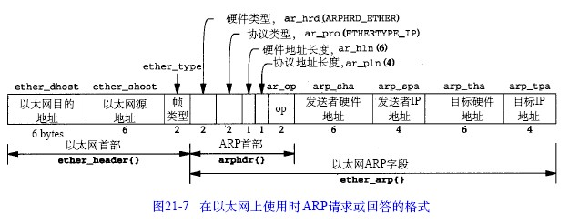
 | };//sizeof = | 1+1+2+2+2+1+1+2(12) + 8 = 20
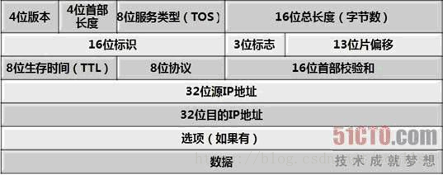

 | //数据链路层 | [eth][ip][udphdr]你好 [内核]
 | #define ETH_LENGTH 6
 | struct ethhdr{
 |  | //目的地址(6)+源地址(6)+类型(2) 数据填充 CRC校验(2) = 16字节
 |  | unsigned char dest[ETH_LENGTH];
 |  | unsigned char source[ETH_LENGTH];
 |  | unsigned short protocal;
 | };//sizeof = 6+6+2

【2-2】用户栈和内核栈
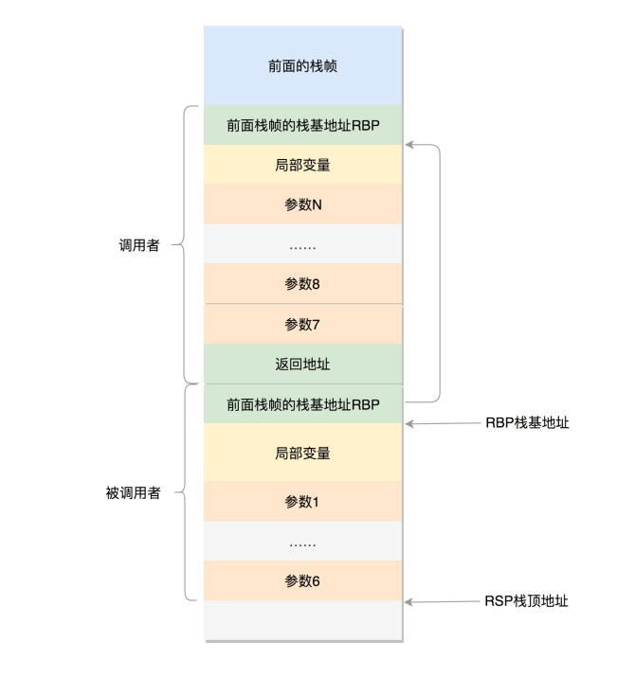
回到目录

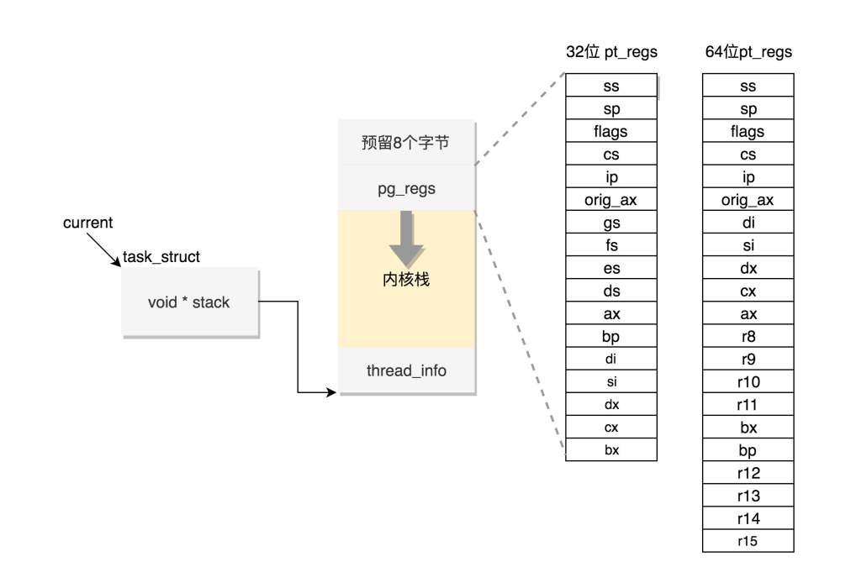
最低位置
pt_regs 结构体
保存用户CPU上下文信息
64位内核栈是16K(0x4000)

【2-3】多进程和多线程的区别
回到目录 | https://zhuanlan.zhihu.com/p/103027724
 |  |  |  |  | 进程 | 线程
 | 线程在内核中也有自己的PCB但是并不关在init_task上。 | 进程和线程 | cpu调度
 | 由内核知道共享mm
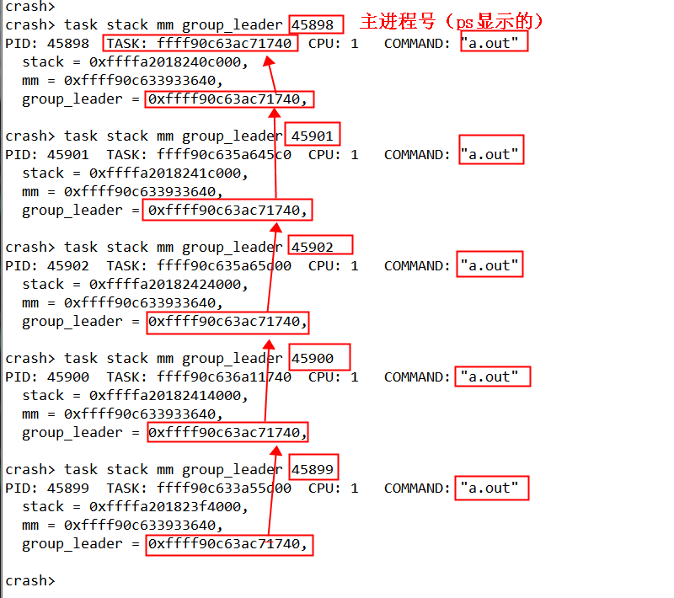

 |  |  | 上下文切换 | CPU上下文 | 将thread_struct值CPU TR指向的tss_struc
 |  |  |  | 进程空间上下文 | switch_mm_irqs_off(oldmm, mm, next);
 |  |  |  | 寄存器上下文 | switch_to(prev, next, prev);寄存器和栈切换

 |  |  | 数据共享 | 用户空间 | 全局变量共享，用户栈属于自己私有
 |  |  |  | 内核空间

 |  |  | 多核利用率

【2-4】红黑树变化
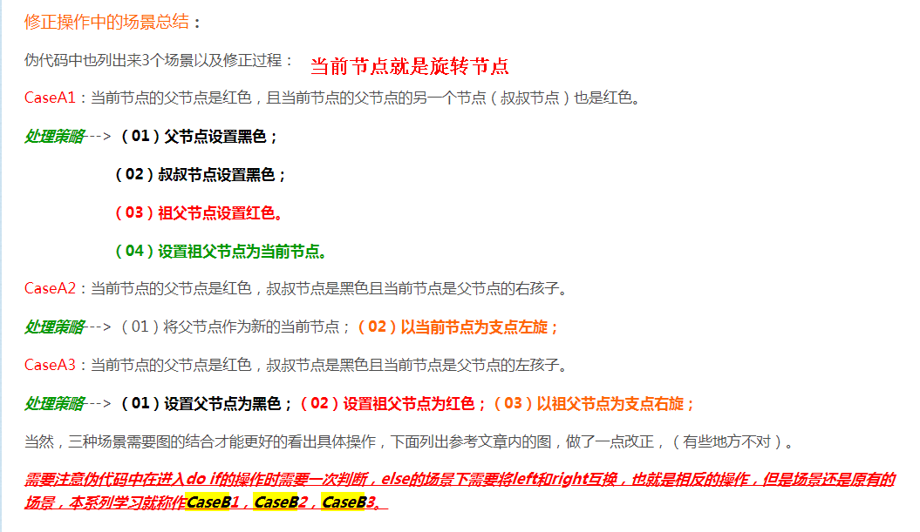
回到目录 |  |  |  |  |  |  | 牛逼的讲解：https://blog.csdn.net/cwcmcw/article/details/17174891
 |  |  |  |  | struct rb_node { |  | 1.红黑树数据结构定义
 |  | 红黑树性质： |  |  |  | unsigned long __rb_parent_color; |  | 1 颜色 | __rb_parent_color;
 |  |  | 1.根节点是黑色 |  |  | struct rb_node *rb_right; |  | 2 父节点指针
 |  |  | 2.每个叶子节点都是空的黑色节点 |  |  | struct rb_node *rb_left; |  | 3 左子树指针
 |  |  | 3.红色节点的子节点必须是黑色（红色不能相连） |  | } __attribute__((aligned(sizeof(long)))); |  |  | 4 右子树指针
 |  |  | 4.任意一个节点到子节点的黑色节点个数相同
 |  |  |  |  |  |  | 2.红黑树有那些性质
 |  | 三种变换规则： |  |  | struct rb_root { |  |  | 左旋和右旋个人理解就是一个降级别和增级别的过程
 |  |  | 1.变色 |  |  | struct rb_node *rb_node;
 |  |  | 2.左旋 |  | };
15
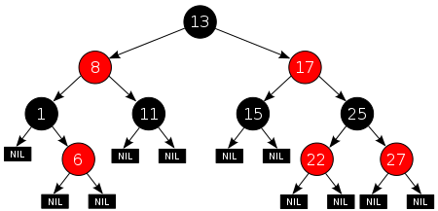
 |  |  | 3.右旋

 |  | 案例分析：
 |  |  | 条件：6号的父亲和叔叔属于红色节点 |  |  |  | 3.红黑树时间复杂度
 |  |  | 方法：变色 |  |  |  | 4.红黑树对于BST和AVL有什么优势
 |  |  | 6号的插入流程：19-5-12-7 |  |  |  | 5.红黑树相对于哈希表，有什么优势
 |  |  | 6和7属于红色不符合要求：

6
35
13
7
19
5
30
12
1
6
35
13
7
19
5
30
12
1
6
35
13
7
19
5
30
12
1
6
35
13
7
19
5
30
12
1

变色

左旋

右旋

10
15

 |  | 10, 40, 30, 60, 90, 70, 20, 50, 80

10
10
40
30
10
40
30
60
10
40
30
60
90
10
40

10
40
30
10
40
30
60

10
40
30
60
90

10
10

B
C
A
B
C
A
 | CaseA1 |  |  | CaseA2 |  | CaseA3

10
10
10
10
 | 原始

10
10
10
10
B
C
A
B
C
A
 | CaseB1 |  |  | CaseB2 |  | CaseB3

