【1】slab结构体关系
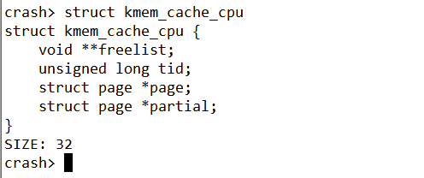
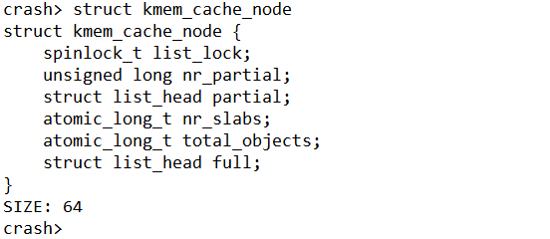
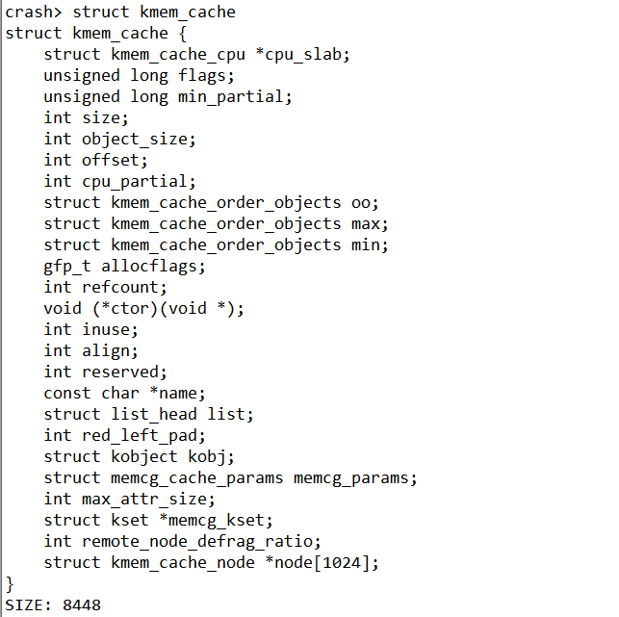
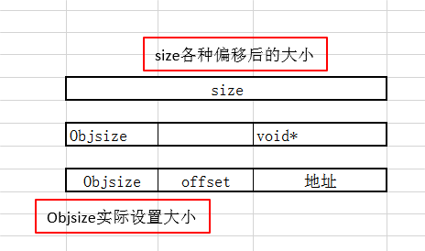
add:ffff9f0f3fabe080
cpu_slab = 0x389c41803ee0
node = {0xffff9f0f3baed340, 0x0,..}
kmem_cache_cpu主要是对外分配object(营业厅性质)
放置全满的slab
放置半满的slab
指向下一个空闲的对象
192 /prco/slabinfo信息
123 实际自己设置的
128
每一个CPU包含一个kmem_cache_cpu 数据结构
slab内存的page指针
本地slab链表，包含部分使用的object
slab节点中slab是数量
参考网址：http://www.wowotech.net/memory_management/426.html
参考网址：https://blog.csdn.net/lukuen/article/details/6935068
问题：为啥kmem_cache_cpu属于用户空间数据呢？

放置半满的slab

size各种偏移后的大小

Objsize实际设置大小

放置半满的slab

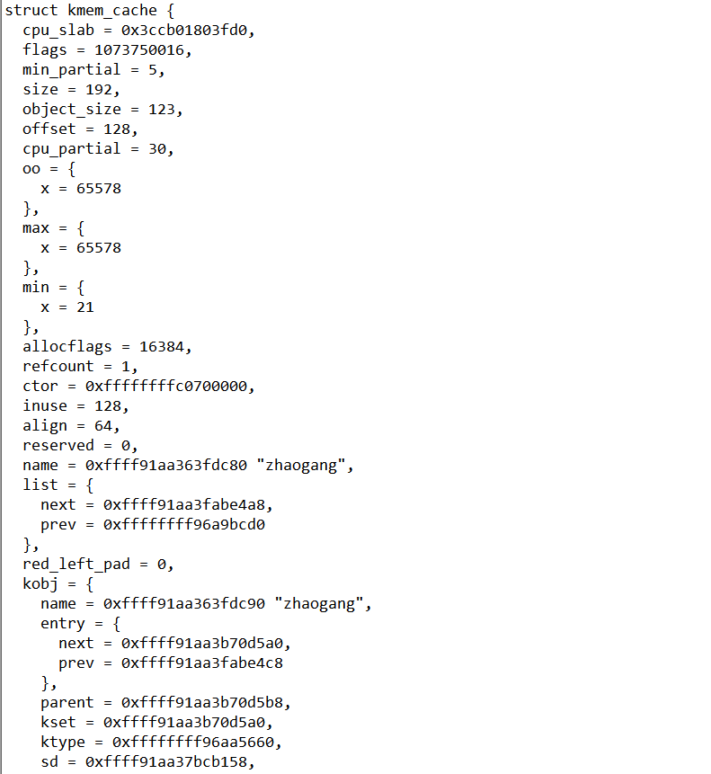
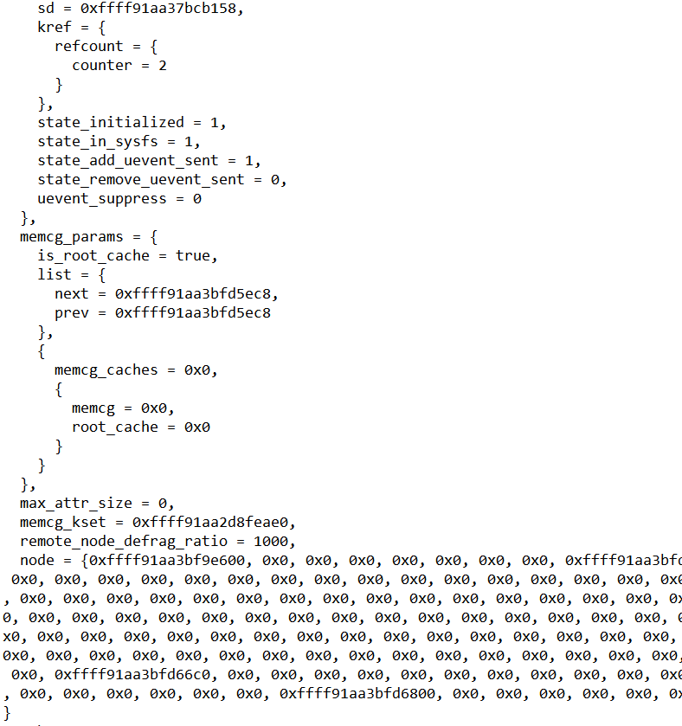
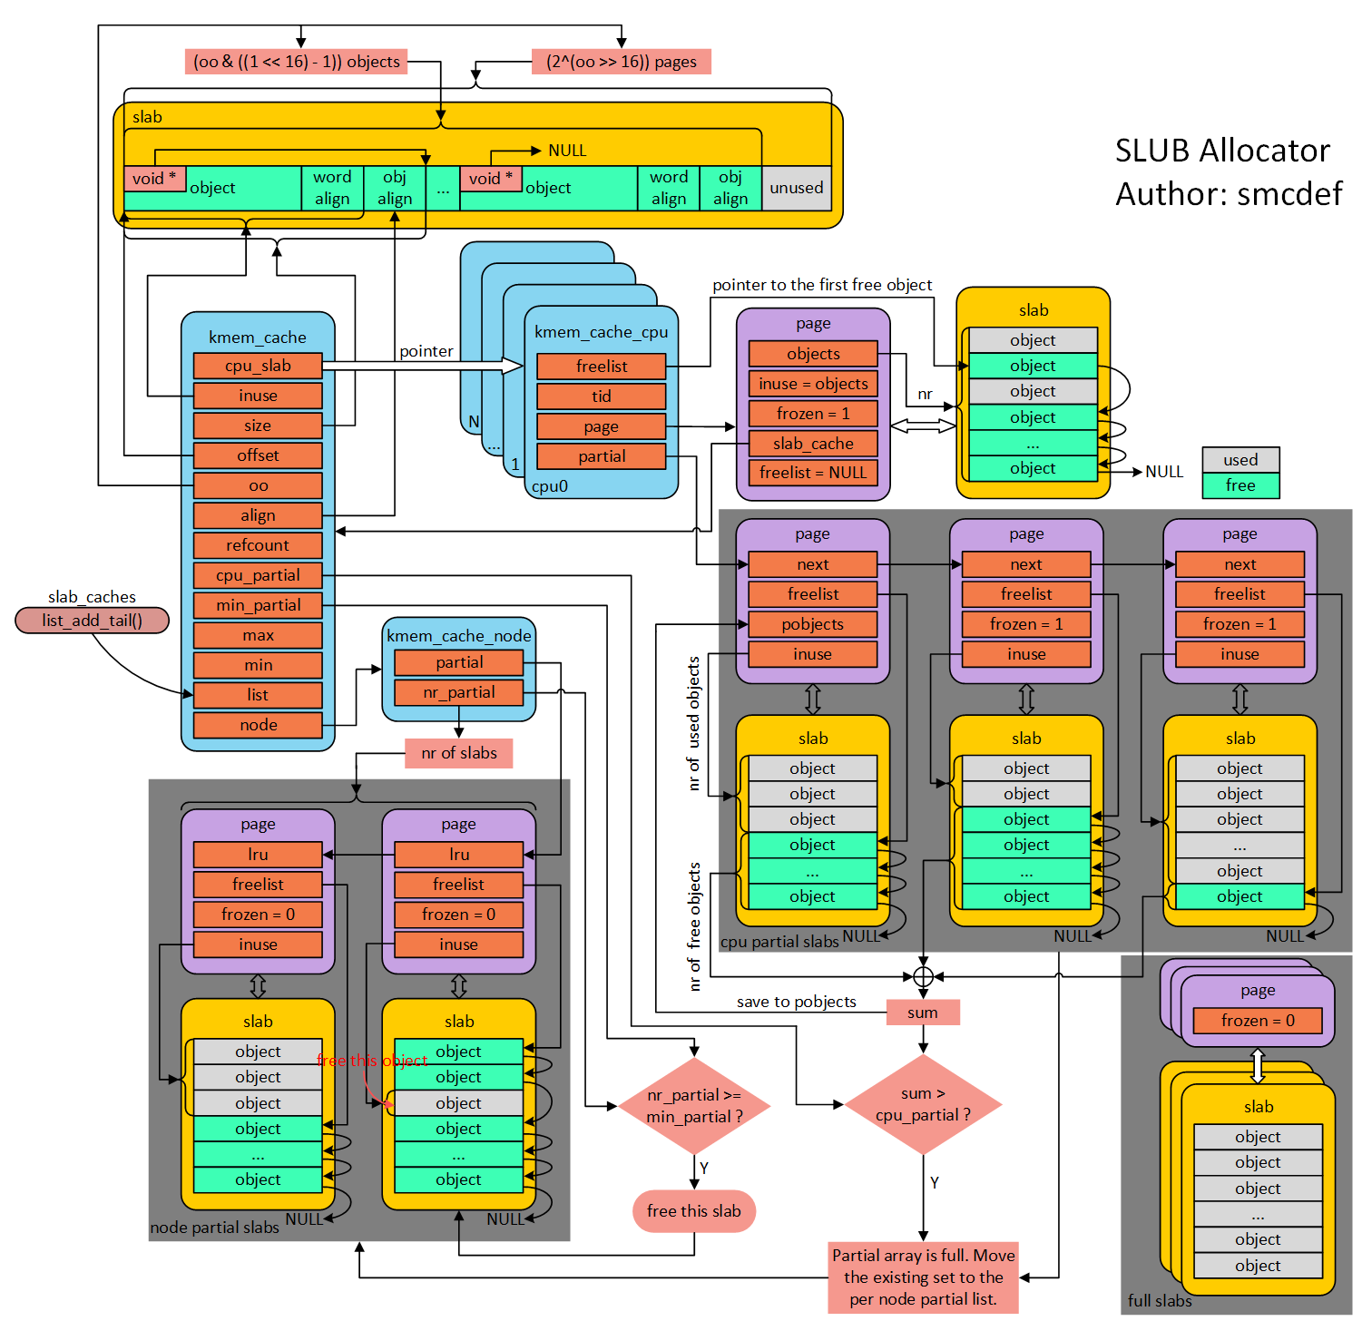

放置半满的slab

1(page) 0000000000101010()

【2】rq结构体关系图
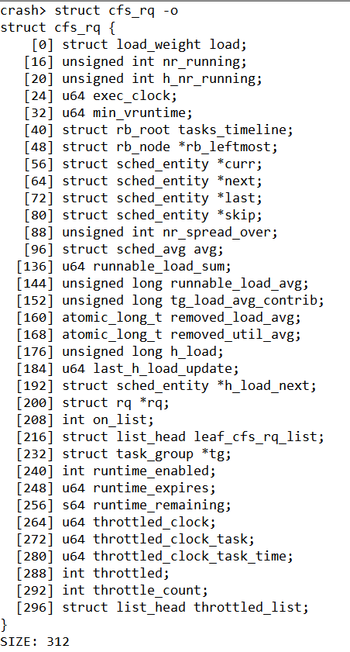
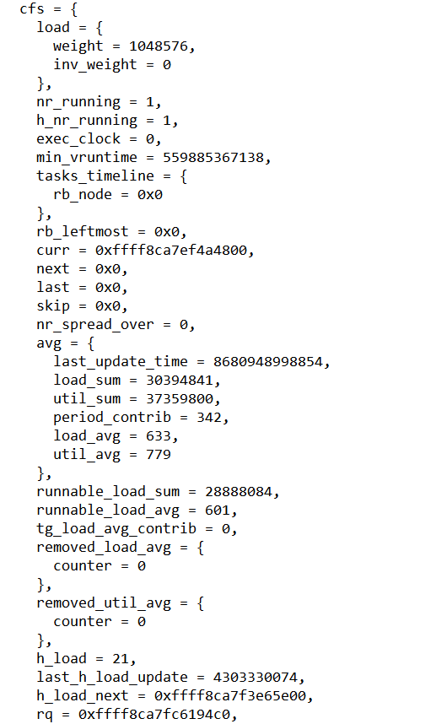
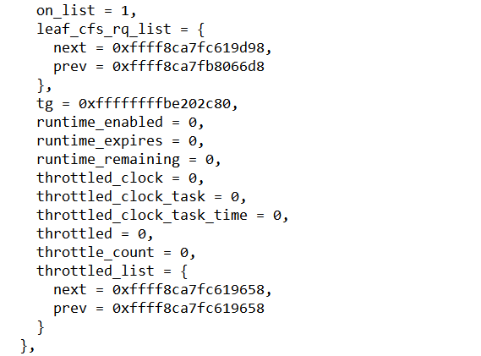
当前就绪队列的总权重
当前就绪队列的总进程数
实际时钟
指向当前进程的sched_entity(task_struct)
当前队列运行时间最小的虚拟时间
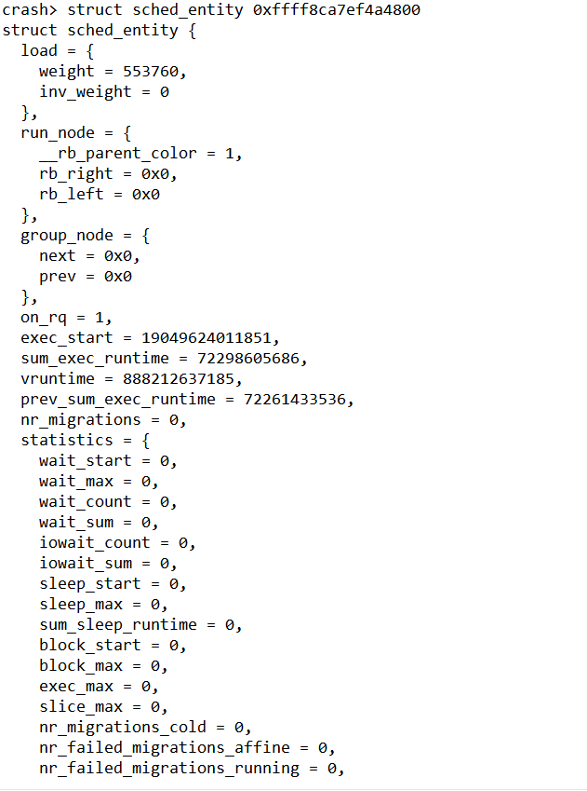
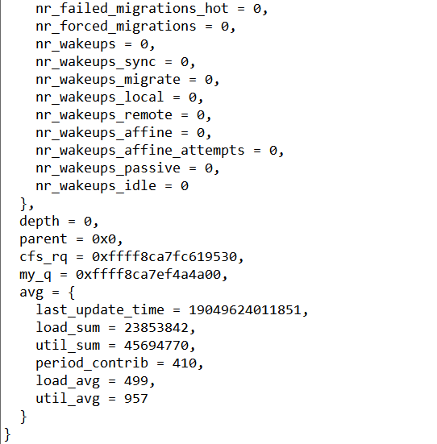
当前进程的权重
放置半满的slab
进程开始执行的时间

进程开始执行的时间

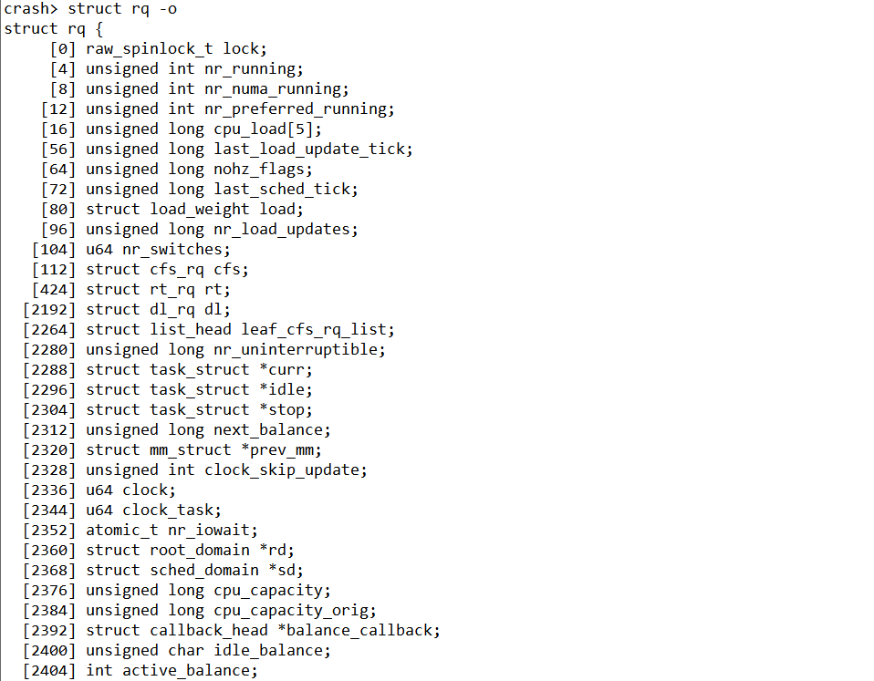
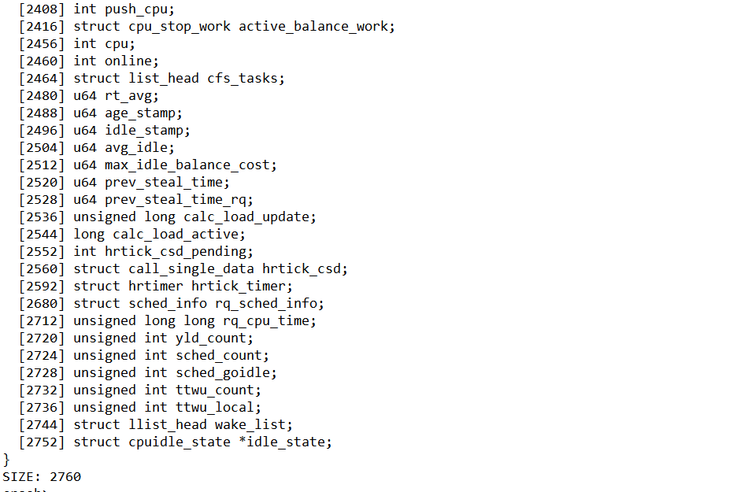
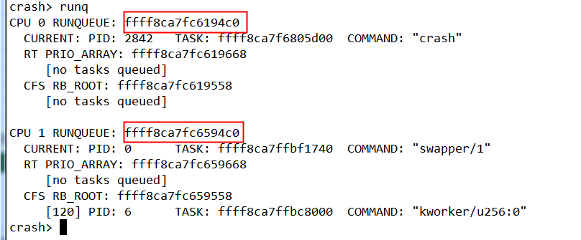
放置半满的slab

【6.1】page
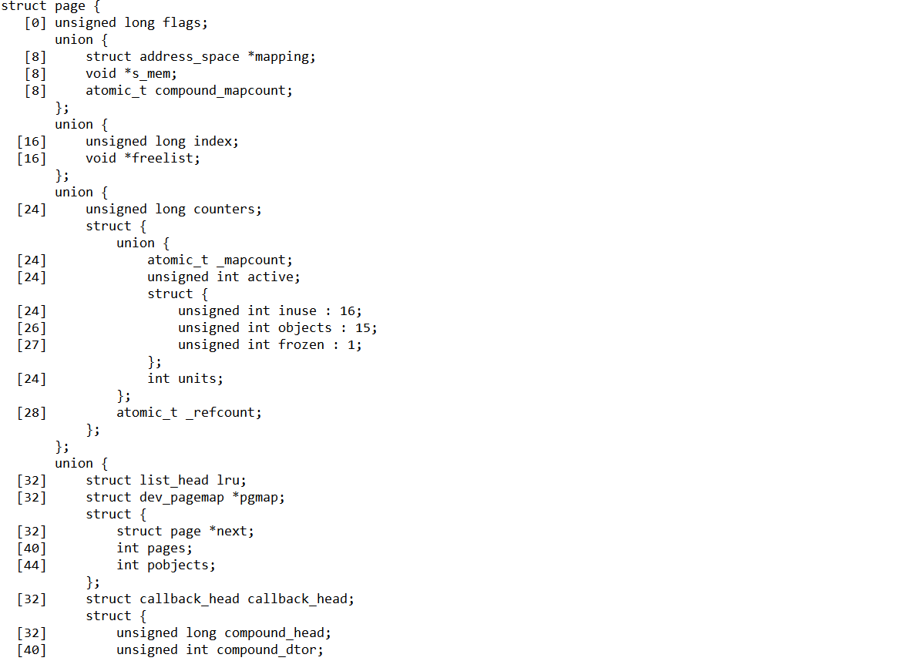
struct page {
[0] unsigned long flags
union {
[8] struct address_space *mapping
[8] void *s_mem
[8] atomic_t compound_mapcount
}
union {
[16] unsigned long index
[16] void *freelist
}
union {
[24] unsigned long counters
struct {
union {
[24] atomic_t _mapcount
[24] unsigned int active
struct {
[24] unsigned int inuse : 16
[26] unsigned int objects : 15
[27] unsigned int frozen : 1
}
[24] int units
}
[28] atomic_t _refcount
}
}
union {
[32] struct list_head lru
[32] struct dev_pagemap *pgmap
struct {
[32] struct page *next
[40] int pages
[44] int pobjects
}
[32] struct callback_head callback_head
struct {
[32] unsigned long compound_head
[40] unsigned int compound_dtor
[44] unsigned int compound_order
}
struct {
[32] unsigned long __pad
[40] pgtable_t pmd_huge_pte
}
}
union {
[48] unsigned long private
[48] spinlock_t ptl
[48] struct kmem_cache *slab_cache
}
[56] struct mem_cgroup *mem_cgroup
}

【7】rq
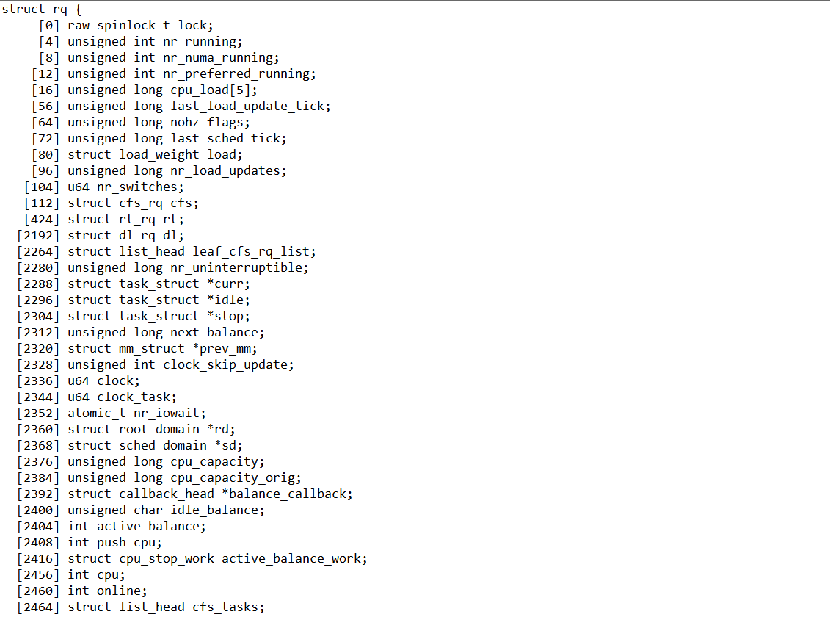
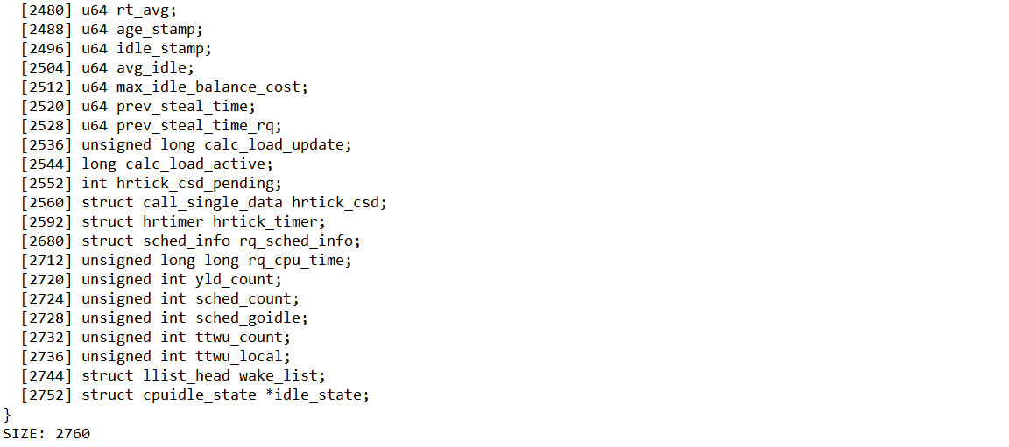

【8】zone
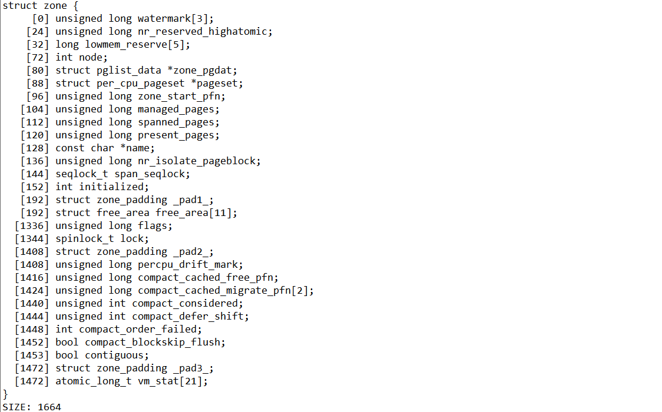

【9】kmem_cache
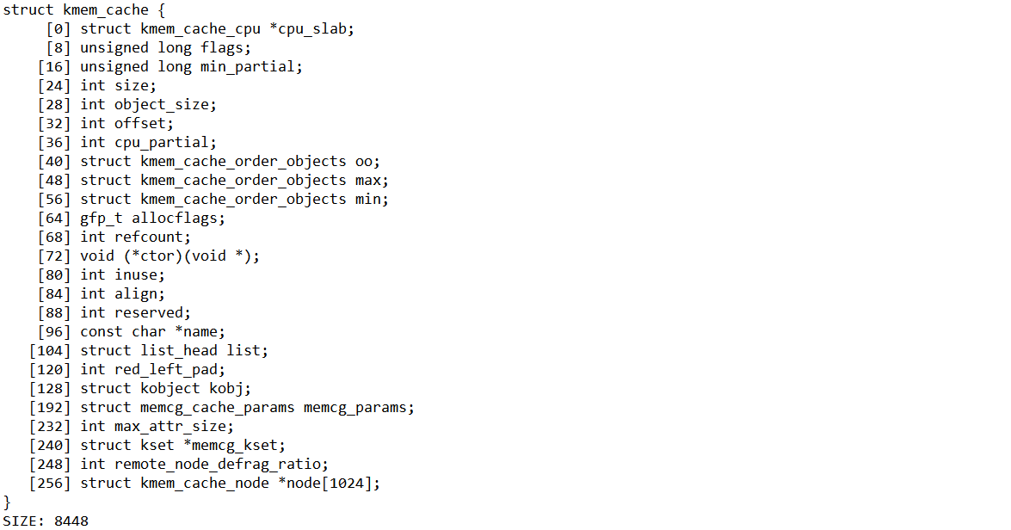

【11】file_operations
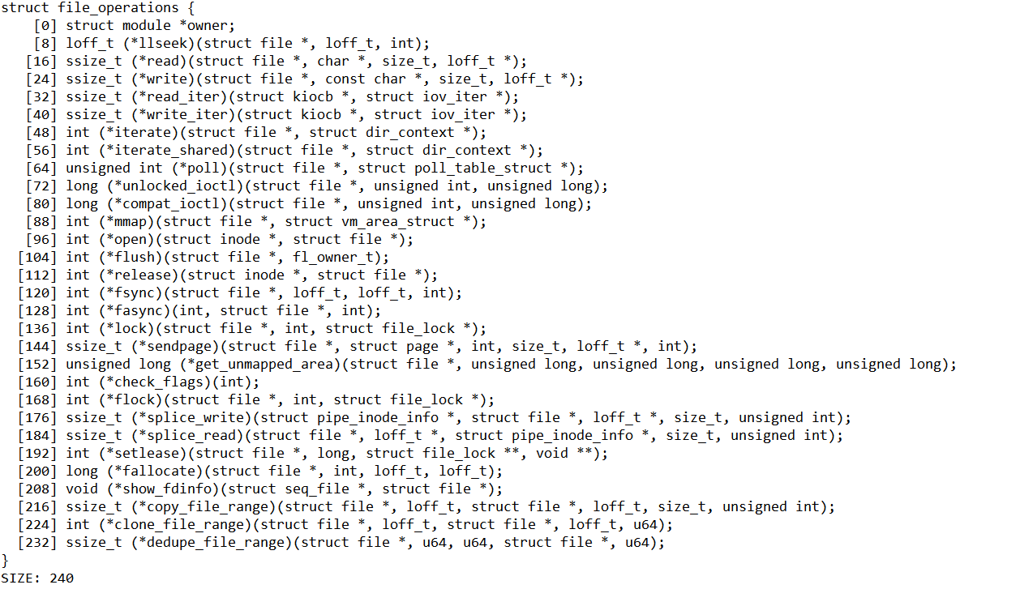
struct file_operations {
[0] struct module *owner;
[8] loff_t (*llseek)(struct file *, loff_t, int);
[16] ssize_t (*read)(struct file *, char *, size_t, loff_t *);
[24] ssize_t (*write)(struct file *, const char *, size_t, loff_t *);
[32] ssize_t (*read_iter)(struct kiocb *, struct iov_iter *);
[40] ssize_t (*write_iter)(struct kiocb *, struct iov_iter *);
[48] int (*iterate)(struct file *, struct dir_context *);
[56] int (*iterate_shared)(struct file *, struct dir_context *);
[64] unsigned int (*poll)(struct file *, struct poll_table_struct *);
[72] long (*unlocked_ioctl)(struct file *, unsigned int, unsigned long);
[80] long (*compat_ioctl)(struct file *, unsigned int, unsigned long);
[88] int (*mmap)(struct file *, struct vm_area_struct *);
[96] int (*open)(struct inode *, struct file *);
[104] int (*flush)(struct file *, fl_owner_t);
[112] int (*release)(struct inode *, struct file *);
[120] int (*fsync)(struct file *, loff_t, loff_t, int);
[128] int (*fasync)(int, struct file *, int);
[136] int (*lock)(struct file *, int, struct file_lock *);
[144] ssize_t (*sendpage)(struct file *, struct page *, int, size_t, loff_t *, int);
[152] unsigned long (*get_unmapped_area)(struct file *, unsigned long, unsigned long, unsigned long, unsigned long);
[160] int (*check_flags)(int);
[168] int (*flock)(struct file *, int, struct file_lock *);
[176] ssize_t (*splice_write)(struct pipe_inode_info *, struct file *, loff_t *, size_t, unsigned int);
[184] ssize_t (*splice_read)(struct file *, loff_t *, struct pipe_inode_info *, size_t, unsigned int);
[192] int (*setlease)(struct file *, long, struct file_lock **, void **);
[200] long (*fallocate)(struct file *, int, loff_t, loff_t);
[208] void (*show_fdinfo)(struct seq_file *, struct file *);
[216] ssize_t (*copy_file_range)(struct file *, loff_t, struct file *, loff_t, size_t, unsigned int);
[224] int (*clone_file_range)(struct file *, loff_t, struct file *, loff_t, u64);
[232] ssize_t (*dedupe_file_range)(struct file *, u64, u64, struct file *, u64);
}
SIZE: 240

