【1】slab结构体关系
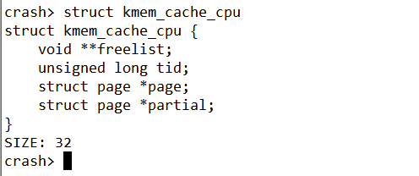
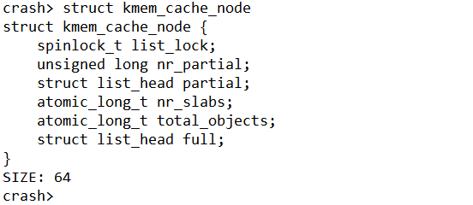
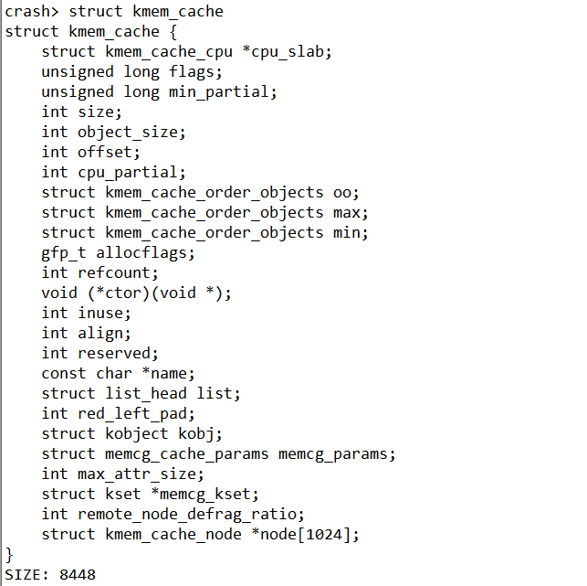
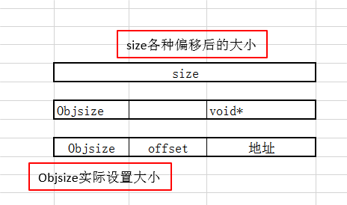
add:ffff9f0f3fabe080
cpu_slab = 0x389c41803ee0
node = {0xffff9f0f3baed340, 0x0,..}
kmem_cache_cpu主要是对外分配object(营业厅性质)
放置全满的slab
放置半满的slab
指向下一个空闲的对象
192 /prco/slabinfo信息
123 实际自己设置的
128
每一个CPU包含一个kmem_cache_cpu 数据结构
slab内存的page指针
本地slab链表，包含部分使用的object
slab节点中slab是数量
参考网址：http://www.wowotech.net/memory_management/426.html
参考网址：https://blog.csdn.net/lukuen/article/details/6935068
问题：为啥kmem_cache_cpu属于用户空间数据呢？

放置半满的slab

size各种偏移后的大小

Objsize实际设置大小

放置半满的slab

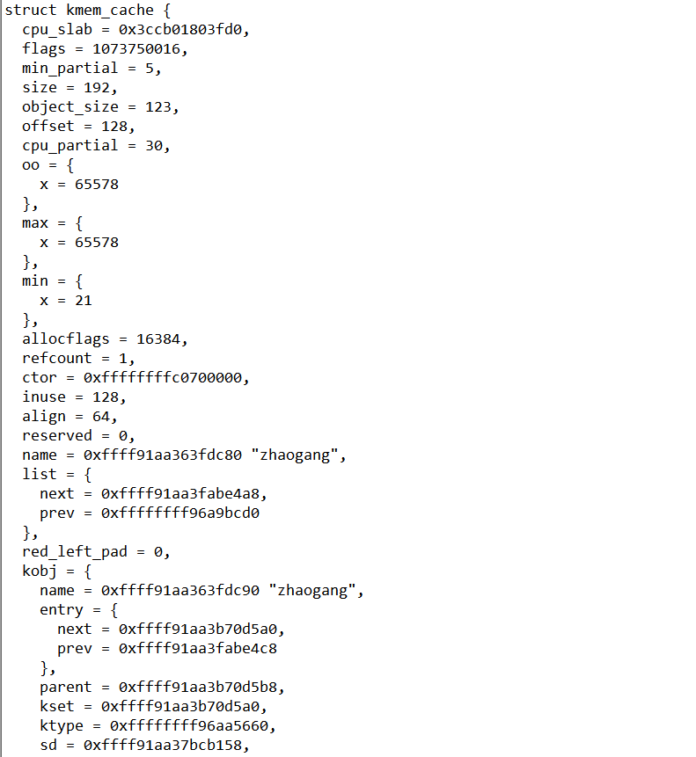
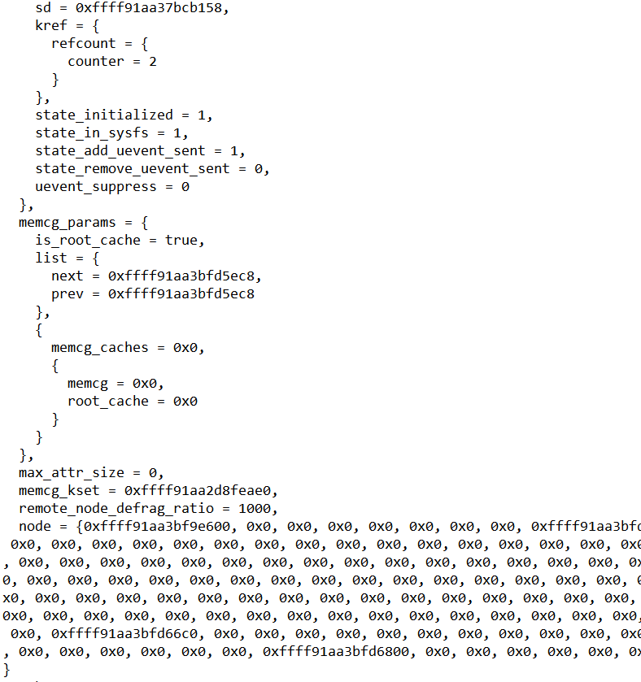
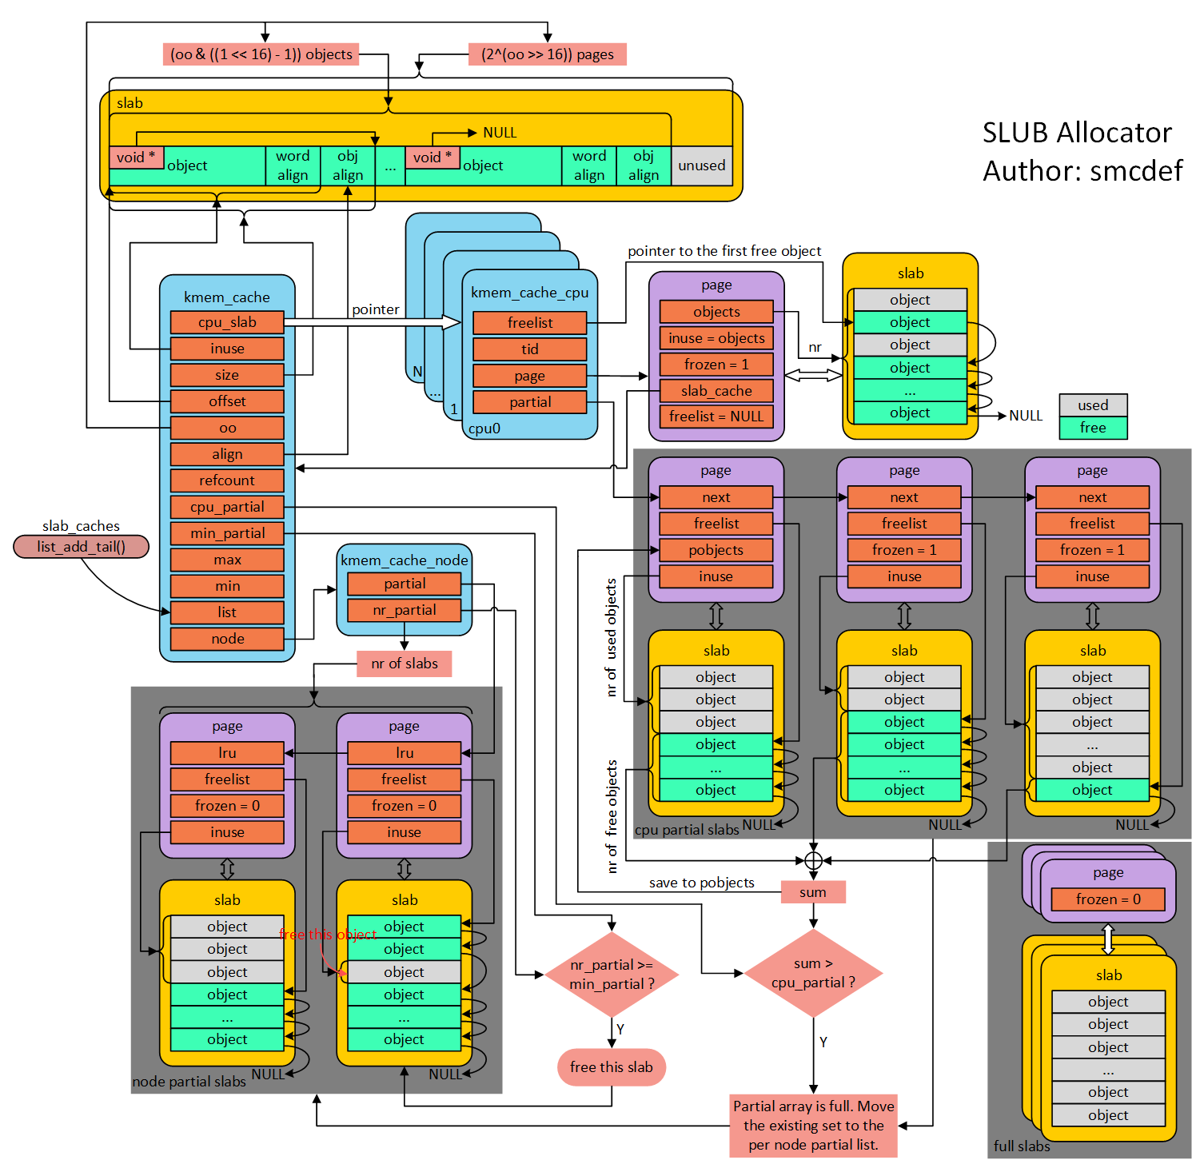

放置半满的slab

1(page) 0000000000101010()

【2】rq结构体关系图
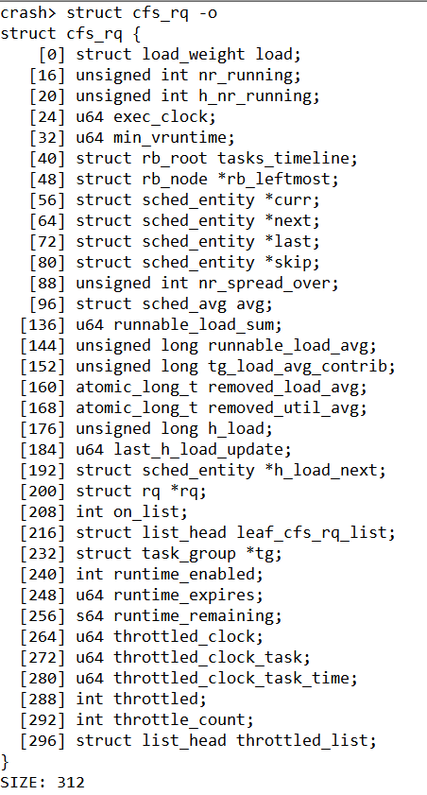
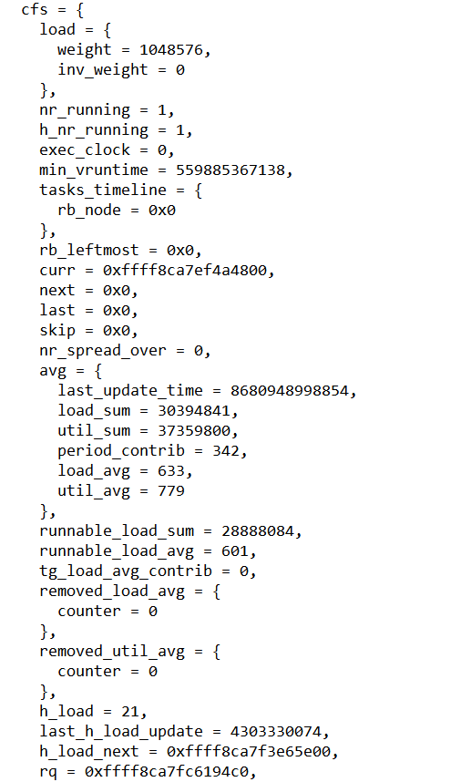
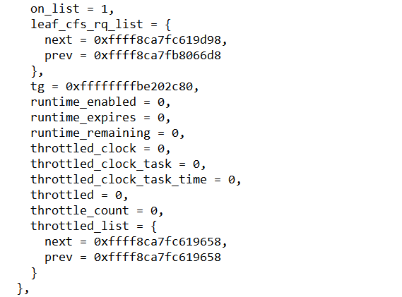
当前就绪队列的总权重
当前就绪队列的总进程数
实际时钟
指向当前进程的sched_entity(task_struct)
当前队列运行时间最小的虚拟时间
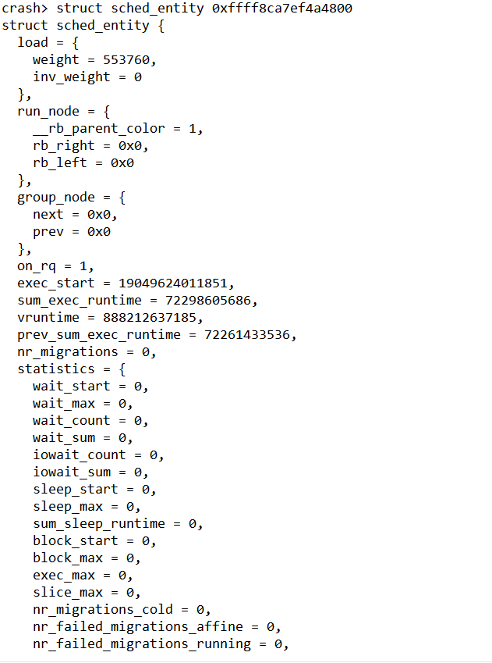
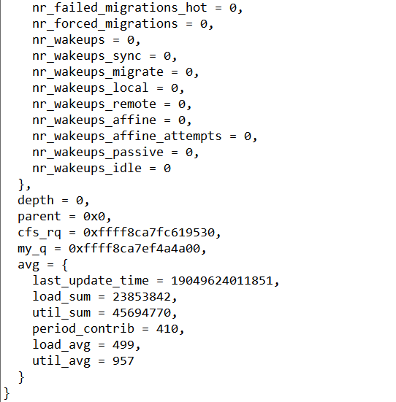
当前进程的权重
放置半满的slab
进程开始执行的时间

进程开始执行的时间

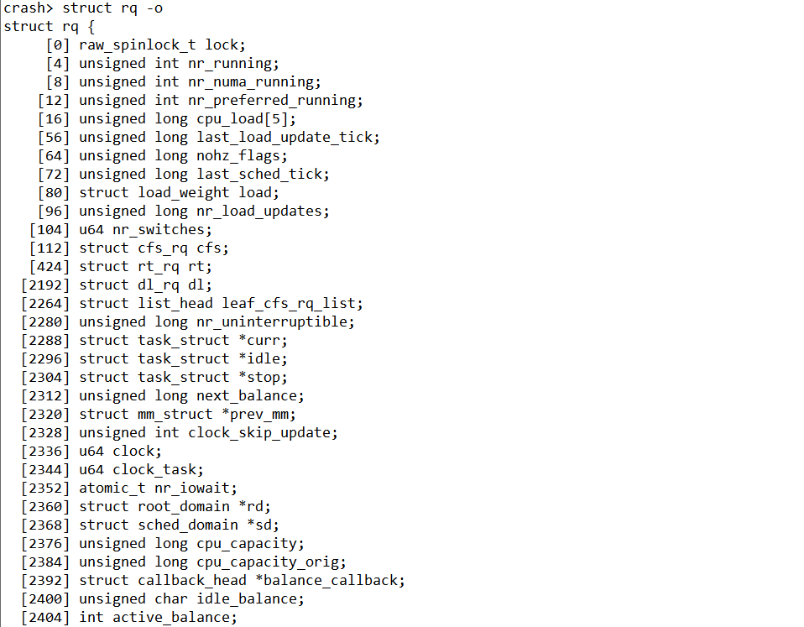
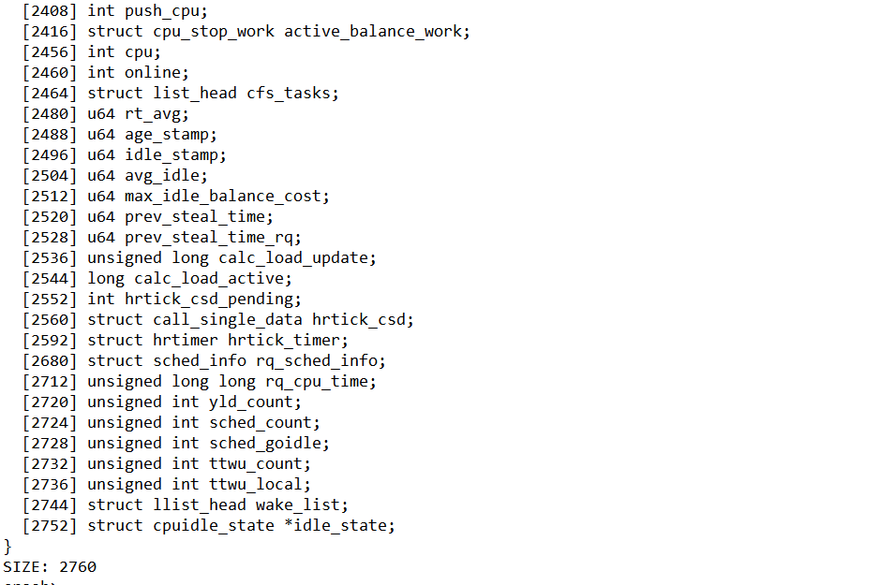
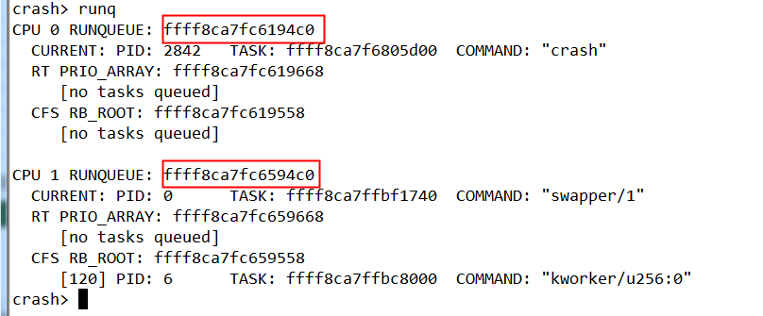
放置半满的slab

【3.1】task_struct
https://www.cnblogs.com/JohnABC/p/9084750.html

struct task_struct {
[0] struct thread_info thread_info;
[8] volatile long state;
[16] void *stack;
[24] atomic_t usage;
[28] unsigned int flags;
[32] unsigned int ptrace;
[40] struct llist_node wake_entry;
[48] int on_cpu;
[52] unsigned int cpu; | 在哪个cpu上工作
[56] unsigned int wakee_flips;
[64] unsigned long wakee_flip_decay_ts;
[72] struct task_struct *last_wakee;
[80] int wake_cpu;
[84] int on_rq;
[88] int prio; | 最终调度器使用的优先级（0-139） | prio=static_prio(非实时进程)
[92] int static_prio; | 静态不随时间改变（只能调用nice去修改）(100-139) | static_prio = MAX_RT_PRIO(100) + nice(-20~19) +20
[96] int normal_prio; |  | static_prio=normal_prio(非实时进程)
[100] unsigned int rt_priority; | 实时优先级（0-99）
[104] const struct sched_class *sched_class;
[128] struct sched_entity se; | 调度实体（见下文）
[576] struct sched_rt_entity rt;
[648] struct task_group *sched_task_group;
[656] struct sched_dl_entity dl;
[832] struct hlist_head preempt_notifiers;
[840] unsigned int btrace_seq;
[844] unsigned int policy; | 表示进程的调度策略
[848] int nr_cpus_allowed;
[856] cpumask_t cpus_allowed;
[1880] struct sched_info sched_info;
[1912] struct list_head tasks;
[1928] struct plist_node pushable_tasks;
[1968] struct rb_node pushable_dl_tasks;
[1992] struct mm_struct *mm; | 进程上下文/内核上下文 | 1) mm: 指向进程所拥有的内存描述符 2) active_mm: active_mm指向进程运行时所使用的内存描述符
[2000] struct mm_struct *active_mm; |  | 对于普通进程而言，这两个指针变量的值相同。但是，内核线程不拥有任何内存描述符，所以它们的mm成员总是为NULL。当内核线程得以运行时，它的active_mm成员被初始化为前一个运行进程的active_mm值
[2008] u32 vmacache_seqnum;
[2016] struct vm_area_struct *vmacache[4];
[2048] struct task_rss_stat rss_stat;
[2068] int exit_state;
[2072] int exit_code;
[2076] int exit_signal;
[2080] int pdeath_signal;
[2088] unsigned long jobctl;
[2096] unsigned int personality;
[2100] unsigned int sched_reset_on_fork : 1;
[2100] unsigned int sched_contributes_to_load : 1;
[2100] unsigned int sched_migrated : 1;
[2100] unsigned int sched_remote_wakeup : 1;
[2104] unsigned int in_execve : 1;
[2104] unsigned int in_iowait : 1;
[2104] unsigned int restore_sigmask : 1;
[2104] unsigned int memcg_may_oom : 1;
[2104] unsigned int memcg_kmem_skip_account : 1;
[2104] unsigned int no_cgroup_migration : 1;
[2112] unsigned long atomic_flags;
[2120] struct restart_block restart_block;
[2168] pid_t pid;
[2172] pid_t tgid;
[2176] unsigned long stack_canary;
[2184] struct task_struct *real_parent;
[2192] struct task_struct *parent;
[2200] struct list_head children;
[2216] struct list_head sibling;
[2232] struct task_struct *group_leader;
[2240] struct list_head ptraced;
[2256] struct list_head ptrace_entry;
[2272] struct pid_link pids[3];
[2344] struct list_head thread_group;
[2360] struct list_head thread_node;
[2376] struct completion *vfork_done;
[2384] int *set_child_tid;
[2392] int *clear_child_tid;
[2400] cputime_t utime;
[2408] cputime_t stime;
[2416] cputime_t utimescaled;
[2424] cputime_t stimescaled;
[2432] cputime_t gtime;
[2440] struct prev_cputime prev_cputime;
[2464] seqcount_t vtime_seqcount;
[2472] unsigned long long vtime_snap;
[2480] enum {VTIME_INACTIVE VTIME_USER VTIME_SYS} vtime_snap_whence;
[2484] atomic_t tick_dep_mask;
[2488] unsigned long nvcsw; | 自愿切换计数
[2496] unsigned long nivcsw; | 非自愿切换计数
[2504] u64 start_time;
[2512] u64 real_start_time;
[2520] unsigned long min_flt; | 缺页中断次数
[2528] unsigned long maj_flt;
[2536] struct task_cputime cputime_expires;
[2560] struct list_head cpu_timers[3];
[2608] const struct cred *ptracer_cred;
[2616] const struct cred *real_cred;
[2624] const struct cred *cred;
[2632] char comm[16];
[2648] struct nameidata *nameidata;
[2656] struct sysv_sem sysvsem;
[2664] struct sysv_shm sysvshm;
[2680] unsigned long last_switch_count;
[2688] struct fs_struct *fs;
[2696] struct files_struct *files;
[2704] struct nsproxy *nsproxy; | 命名空间
[2712] struct signal_struct *signal;
[2720] struct sighand_struct *sighand;
[2728] sigset_t blocked;
[2736] sigset_t real_blocked;
[2744] sigset_t saved_sigmask;
[2752] struct sigpending pending;
[2776] unsigned long sas_ss_sp;
[2784] size_t sas_ss_size;
[2792] unsigned int sas_ss_flags;
[2800] struct callback_head *task_works;
[2808] struct audit_context *audit_context;
[2816] kuid_t loginuid;
[2820] unsigned int sessionid;
[2824] struct seccomp seccomp;
[2840] u32 parent_exec_id;
[2844] u32 self_exec_id;
[2848] spinlock_t alloc_lock;
[2852] raw_spinlock_t pi_lock;
[2856] struct wake_q_node wake_q;
[2864] struct rb_root pi_waiters;
[2872] struct rb_node *pi_waiters_leftmost;
[2880] struct rt_mutex_waiter *pi_blocked_on;
[2888] void *journal_info;
[2896] struct bio_list *bio_list;
[2904] struct blk_plug *plug;
[2912] struct reclaim_state *reclaim_state;
[2920] struct backing_dev_info *backing_dev_info;
[2928] struct io_context *io_context;
[2936] unsigned long ptrace_message;
[2944] siginfo_t *last_siginfo;
[2952] struct task_io_accounting ioac;
[3008] u64 acct_rss_mem1;
[3016] u64 acct_vm_mem1;
[3024] cputime_t acct_timexpd;
[3032] nodemask_t mems_allowed;
[3160] seqcount_t mems_allowed_seq;
[3164] int cpuset_mem_spread_rotor;
[3168] int cpuset_slab_spread_rotor;
[3176] struct css_set *cgroups;
[3184] struct list_head cg_list;
[3200] struct robust_list_head *robust_list;
[3208] struct compat_robust_list_head *compat_robust_list;
[3216] struct list_head pi_state_list;
[3232] struct futex_pi_state *pi_state_cache;
[3240] struct perf_event_context *perf_event_ctxp[2];
[3256] struct mutex perf_event_mutex;
[3296] struct list_head perf_event_list;
[3312] struct mempolicy *mempolicy;
[3320] short il_next;
[3322] short pref_node_fork;
[3324] int numa_scan_seq;
[3328] unsigned int numa_scan_period;
[3332] unsigned int numa_scan_period_max;
[3336] int numa_preferred_nid;
[3344] unsigned long numa_migrate_retry;
[3352] u64 node_stamp;
[3360] u64 last_task_numa_placement;
[3368] u64 last_sum_exec_runtime;
[3376] struct callback_head numa_work;
[3392] struct list_head numa_entry;
[3408] struct numa_group *numa_group;
[3416] unsigned long *numa_faults;
[3424] unsigned long total_numa_faults;
[3432] unsigned long numa_faults_locality[3];
[3456] unsigned long numa_pages_migrated;
[3464] struct tlbflush_unmap_batch tlb_ubc;
[4496] struct callback_head rcu;
[4512] struct pipe_inode_info *splice_pipe;
[4520] struct page_frag task_frag;
[4536] struct task_delay_info *delays;
[4544] int nr_dirtied;
[4548] int nr_dirtied_pause;
[4552] unsigned long dirty_paused_when;
[4560] u64 timer_slack_ns;
[4568] u64 default_timer_slack_ns;
[4576] unsigned int kasan_depth;
[4580] int curr_ret_stack;
[4584] struct ftrace_ret_stack *ret_stack;
[4592] unsigned long long ftrace_timestamp;
[4600] atomic_t trace_overrun;
[4604] atomic_t tracing_graph_pause;
[4608] unsigned long trace;
[4616] unsigned long trace_recursion;
[4624] struct mem_cgroup *memcg_in_oom;
[4632] gfp_t memcg_oom_gfp_mask;
[4636] int memcg_oom_order;
[4640] unsigned int memcg_nr_pages_over_high;
[4648] struct uprobe_task *utask;
[4656] int pagefault_disabled;
[4664] struct task_struct *oom_reaper_list;
[4672] atomic_t stack_refcount;
[4736] struct thread_struct thread; | 处理器特有结构体-处理器上下文
}
SIZE: 9088

struct sched_entity {
[0] struct load_weight load; | 权重结构体-见下文
[16] struct rb_node run_node;
[40] struct list_head group_node;
[56] unsigned int on_rq; | 进程在那个CPU上就绪
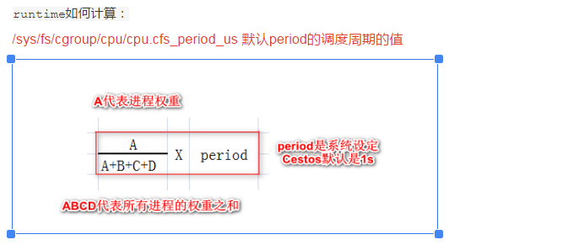
[64] u64 exec_start;
[72] u64 sum_exec_runtime;
[80] u64 vruntime; | 虚拟运行时间
[88] u64 prev_sum_exec_runtime;
[96] u64 nr_migrations;
[104] struct sched_statistics statistics;
[320] int depth;
[328] struct sched_entity *parent;
[336] struct cfs_rq *cfs_rq;
[344] struct cfs_rq *my_q;
[384] struct sched_avg avg; | CPU负载-见下文
}
SIZE: 448

struct load_weight {
[0] unsigned long weight; | 调度实体真实权重(scale_load(w))就是*1024
[8] u32 inv_weight; | 权重计算的中间值（查表得出）2^32/w
}

struct sched_avg {
[0] u64 last_update_time;
[8] u64 load_sum;
[16] u32 util_sum;
[20] u32 period_contrib;
[24] unsigned long load_avg;
[32] unsigned long util_avg;
}
SIZE: 40

【6.1】page
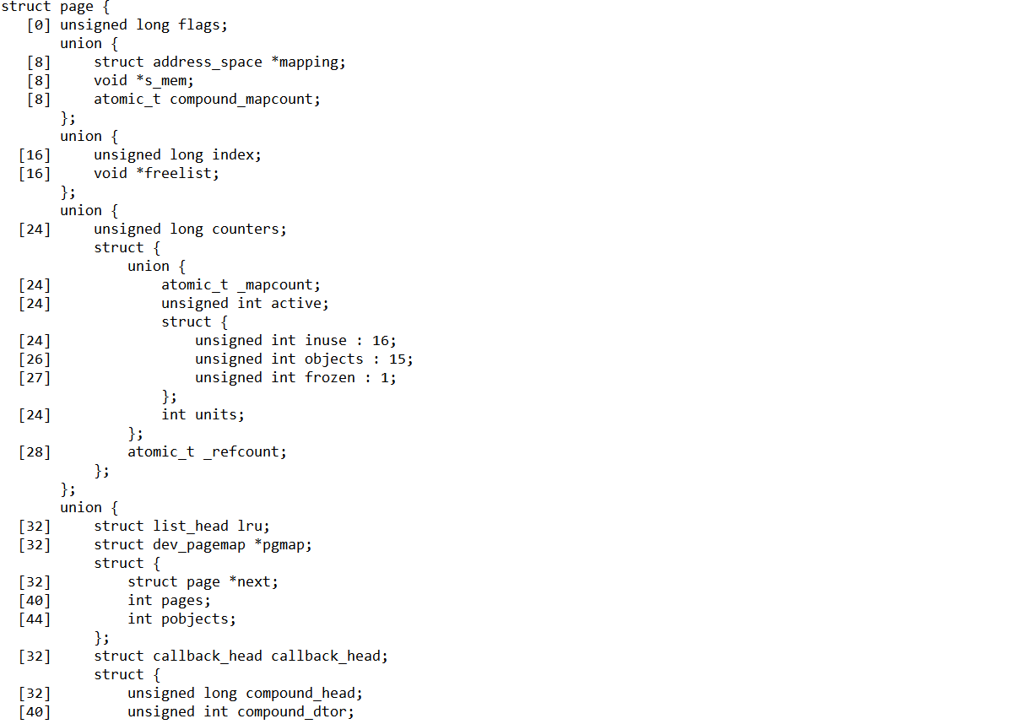
struct page {
[0] unsigned long flags
union {
[8] struct address_space *mapping
[8] void *s_mem
[8] atomic_t compound_mapcount
}
union {
[16] unsigned long index
[16] void *freelist
}
union {
[24] unsigned long counters
struct {
union {
[24] atomic_t _mapcount
[24] unsigned int active
struct {
[24] unsigned int inuse : 16
[26] unsigned int objects : 15
[27] unsigned int frozen : 1
}
[24] int units
}
[28] atomic_t _refcount
}
}
union {
[32] struct list_head lru
[32] struct dev_pagemap *pgmap
struct {
[32] struct page *next
[40] int pages
[44] int pobjects
}
[32] struct callback_head callback_head
struct {
[32] unsigned long compound_head
[40] unsigned int compound_dtor
[44] unsigned int compound_order
}
struct {
[32] unsigned long __pad
[40] pgtable_t pmd_huge_pte
}
}
union {
[48] unsigned long private
[48] spinlock_t ptl
[48] struct kmem_cache *slab_cache
}
[56] struct mem_cgroup *mem_cgroup
}

【7】rq
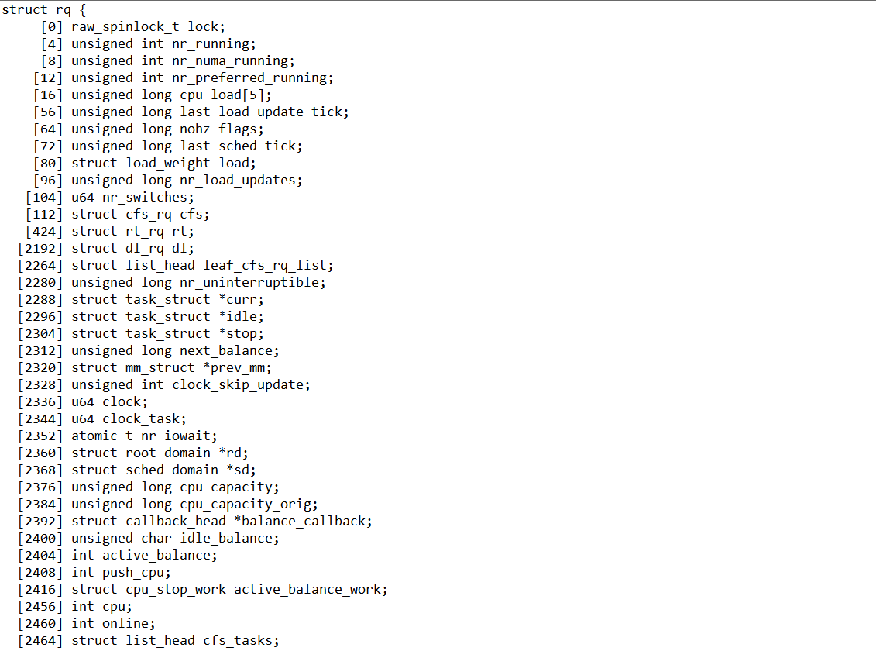
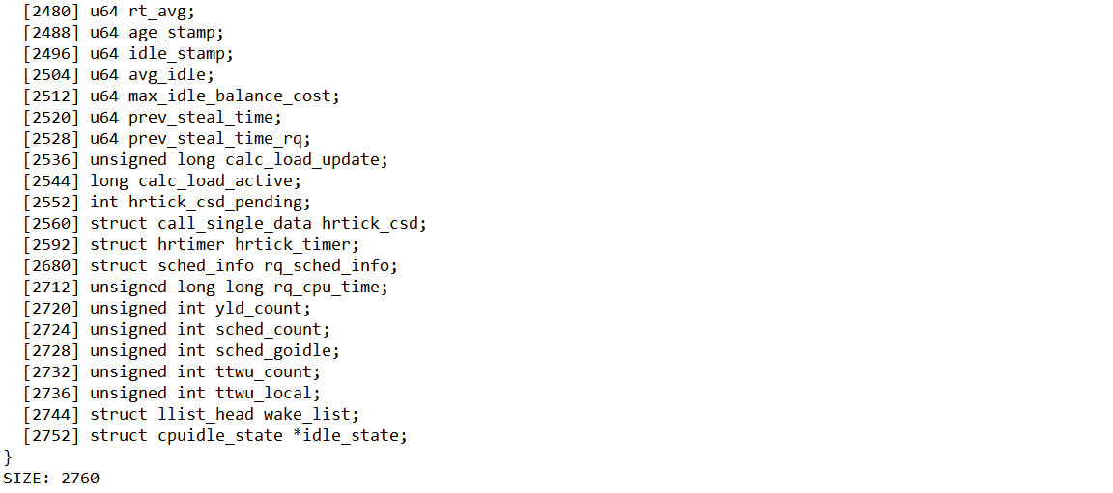

【8】zone
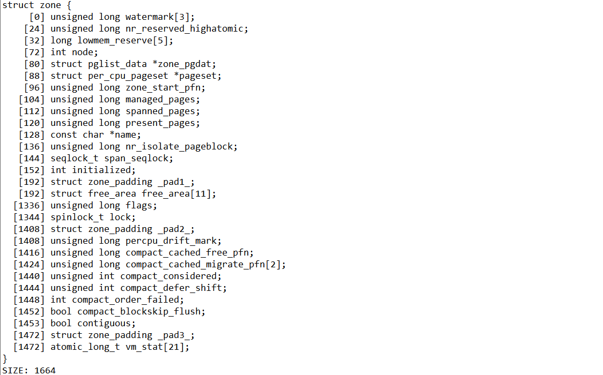

【9】kmem_cache
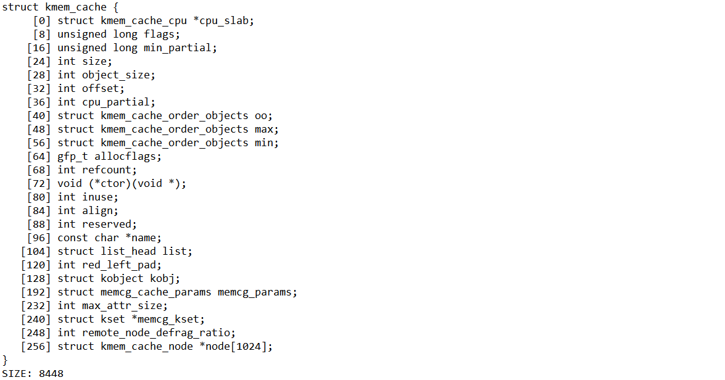

【11】file_operations
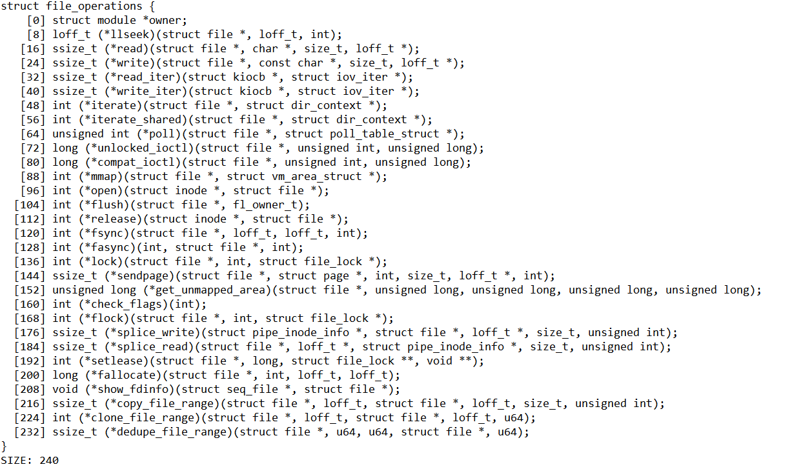
struct file_operations {
[0] struct module *owner;
[8] loff_t (*llseek)(struct file *, loff_t, int);
[16] ssize_t (*read)(struct file *, char *, size_t, loff_t *);
[24] ssize_t (*write)(struct file *, const char *, size_t, loff_t *);
[32] ssize_t (*read_iter)(struct kiocb *, struct iov_iter *);
[40] ssize_t (*write_iter)(struct kiocb *, struct iov_iter *);
[48] int (*iterate)(struct file *, struct dir_context *);
[56] int (*iterate_shared)(struct file *, struct dir_context *);
[64] unsigned int (*poll)(struct file *, struct poll_table_struct *);
[72] long (*unlocked_ioctl)(struct file *, unsigned int, unsigned long);
[80] long (*compat_ioctl)(struct file *, unsigned int, unsigned long);
[88] int (*mmap)(struct file *, struct vm_area_struct *);
[96] int (*open)(struct inode *, struct file *);
[104] int (*flush)(struct file *, fl_owner_t);
[112] int (*release)(struct inode *, struct file *);
[120] int (*fsync)(struct file *, loff_t, loff_t, int);
[128] int (*fasync)(int, struct file *, int);
[136] int (*lock)(struct file *, int, struct file_lock *);
[144] ssize_t (*sendpage)(struct file *, struct page *, int, size_t, loff_t *, int);
[152] unsigned long (*get_unmapped_area)(struct file *, unsigned long, unsigned long, unsigned long, unsigned long);
[160] int (*check_flags)(int);
[168] int (*flock)(struct file *, int, struct file_lock *);
[176] ssize_t (*splice_write)(struct pipe_inode_info *, struct file *, loff_t *, size_t, unsigned int);
[184] ssize_t (*splice_read)(struct file *, loff_t *, struct pipe_inode_info *, size_t, unsigned int);
[192] int (*setlease)(struct file *, long, struct file_lock **, void **);
[200] long (*fallocate)(struct file *, int, loff_t, loff_t);
[208] void (*show_fdinfo)(struct seq_file *, struct file *);
[216] ssize_t (*copy_file_range)(struct file *, loff_t, struct file *, loff_t, size_t, unsigned int);
[224] int (*clone_file_range)(struct file *, loff_t, struct file *, loff_t, u64);
[232] ssize_t (*dedupe_file_range)(struct file *, u64, u64, struct file *, u64);
}
SIZE: 240

