【1】slab结构体关系
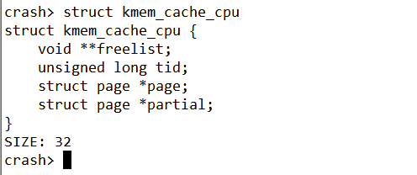
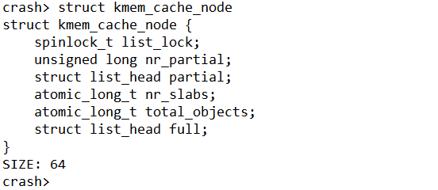
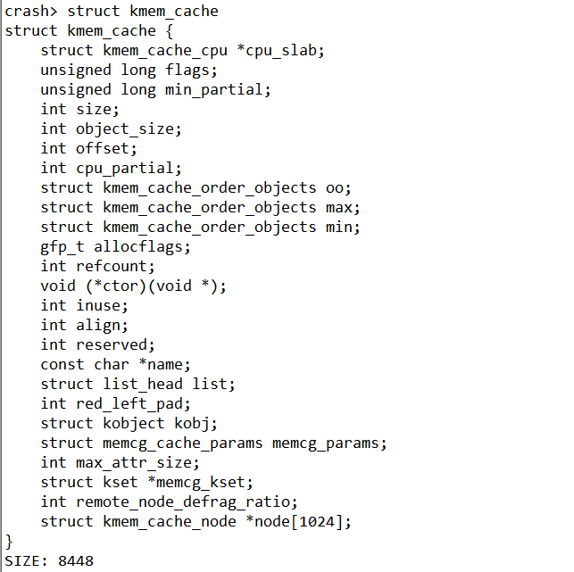
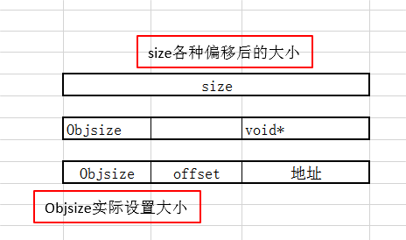
add:ffff9f0f3fabe080
cpu_slab = 0x389c41803ee0
node = {0xffff9f0f3baed340, 0x0,..}
kmem_cache_cpu主要是对外分配object(营业厅性质)
放置全满的slab
放置半满的slab
指向下一个空闲的对象
192 /prco/slabinfo信息
123 实际自己设置的
128
每一个CPU包含一个kmem_cache_cpu 数据结构
slab内存的page指针
本地slab链表，包含部分使用的object
slab节点中slab是数量
参考网址：http://www.wowotech.net/memory_management/426.html
参考网址：https://blog.csdn.net/lukuen/article/details/6935068
问题：为啥kmem_cache_cpu属于用户空间数据呢？

放置半满的slab

size各种偏移后的大小

Objsize实际设置大小

放置半满的slab

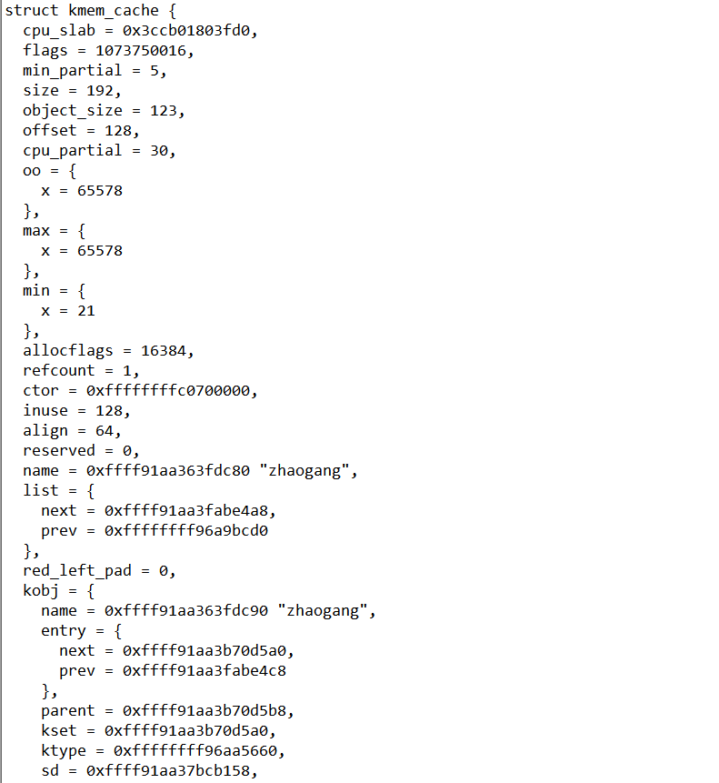
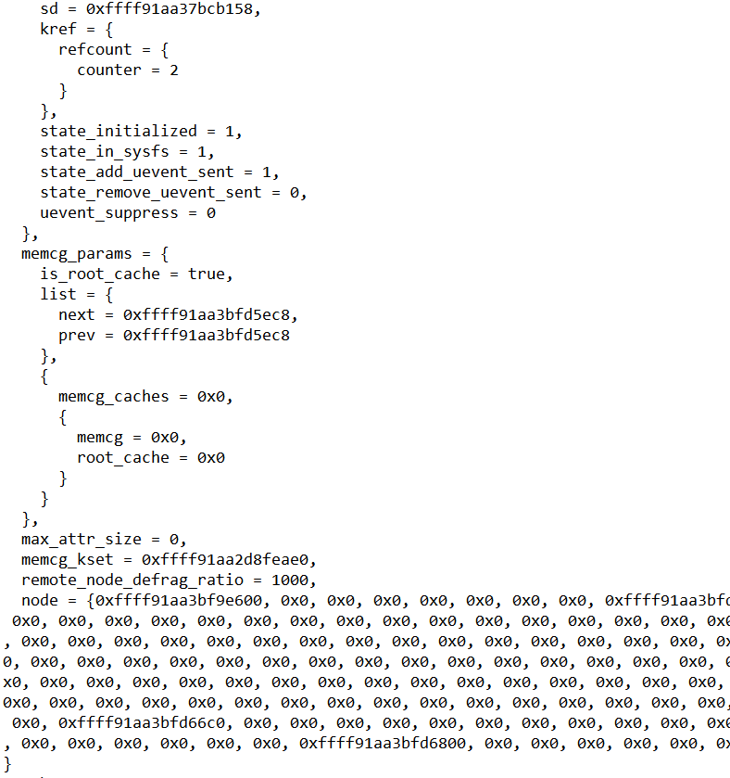
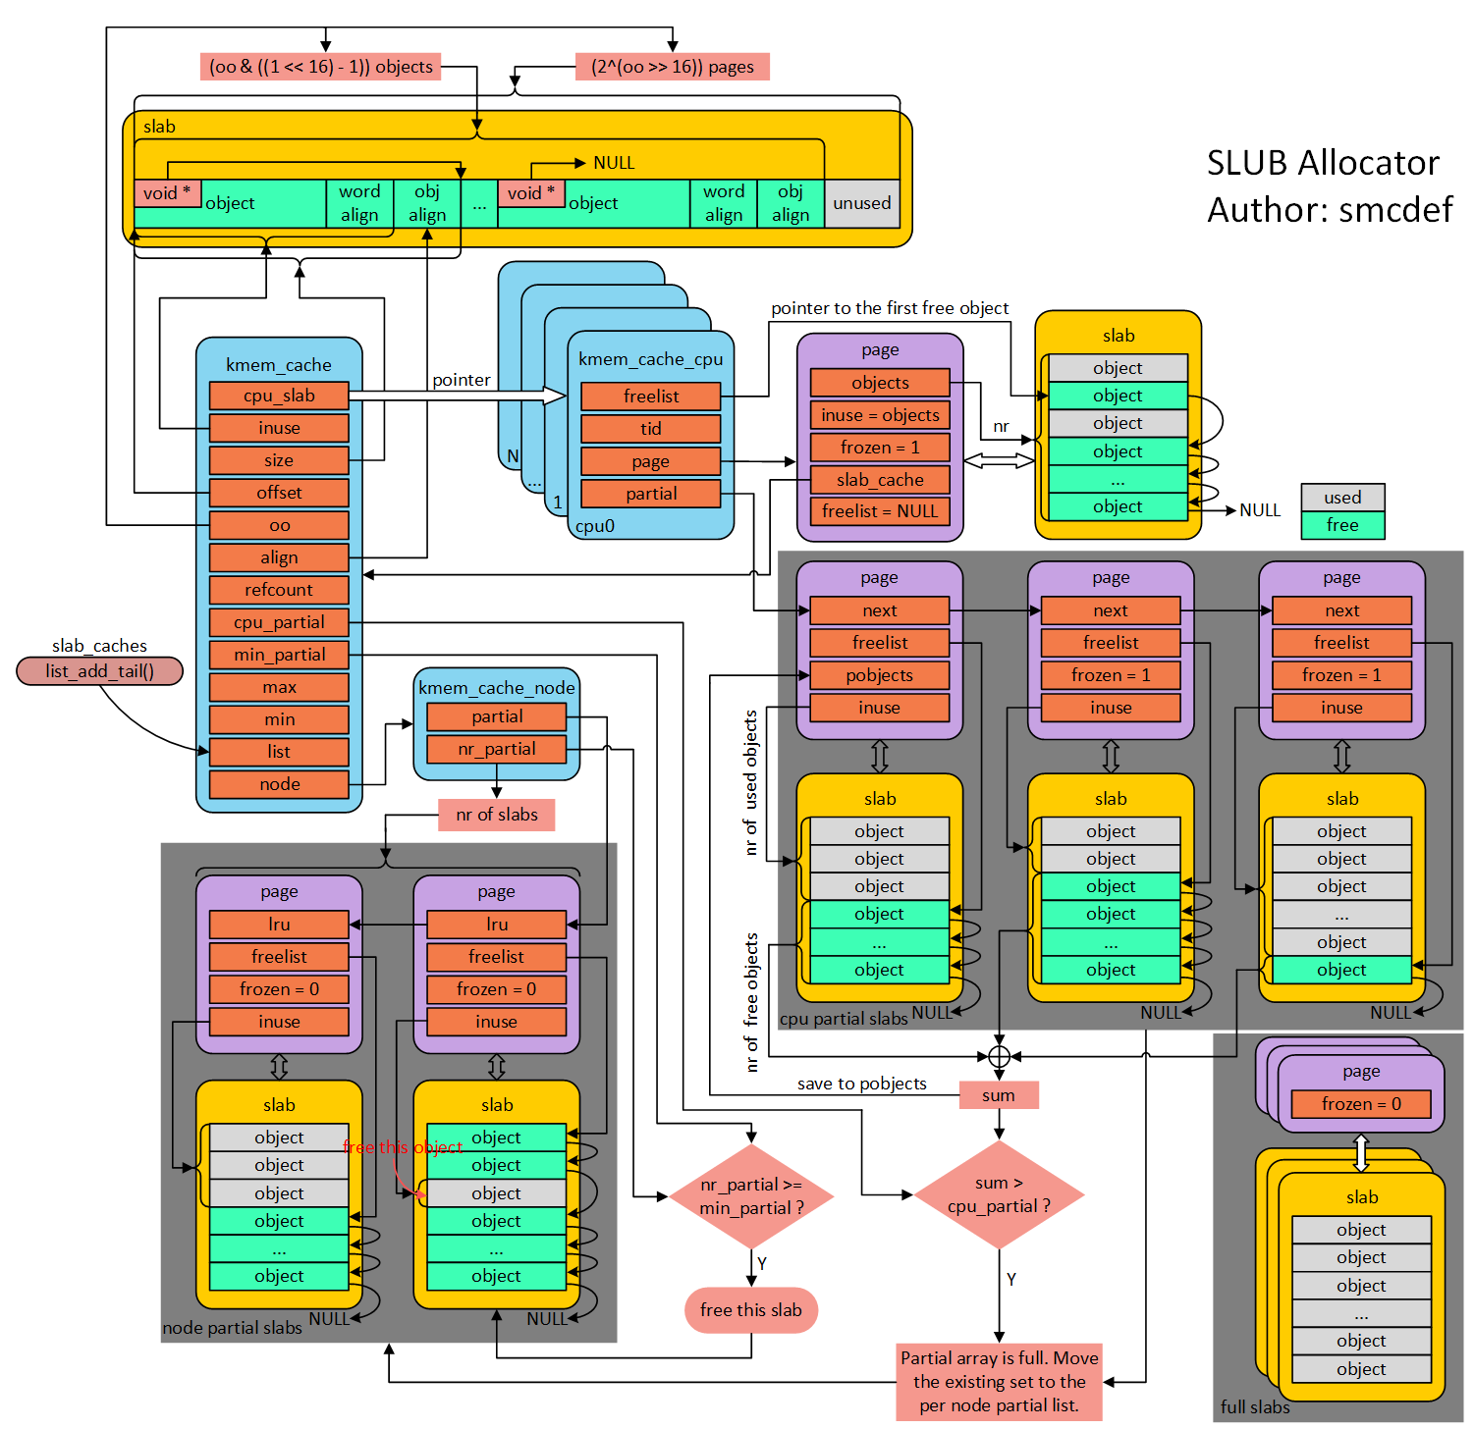

放置半满的slab

1(page) 0000000000101010()

【2】rq结构体关系图
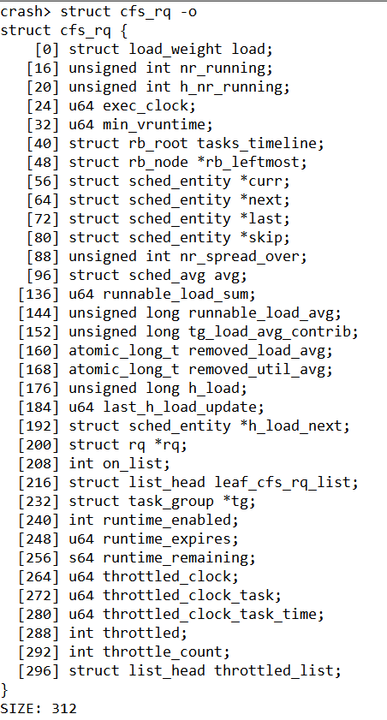
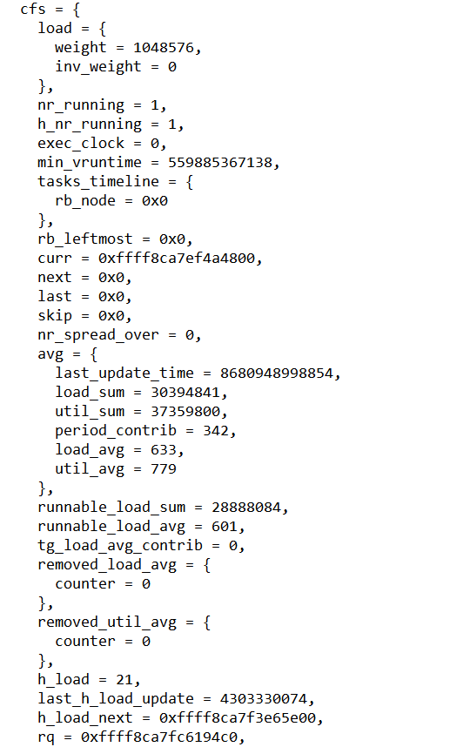
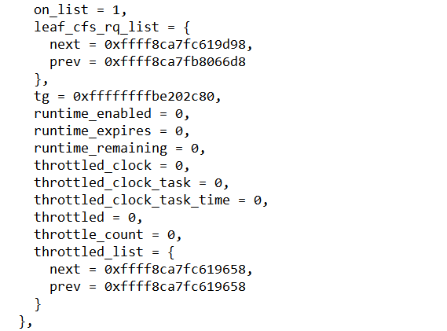
当前就绪队列的总权重
当前就绪队列的总进程数
实际时钟
指向当前进程的sched_entity(task_struct)
当前队列运行时间最小的虚拟时间
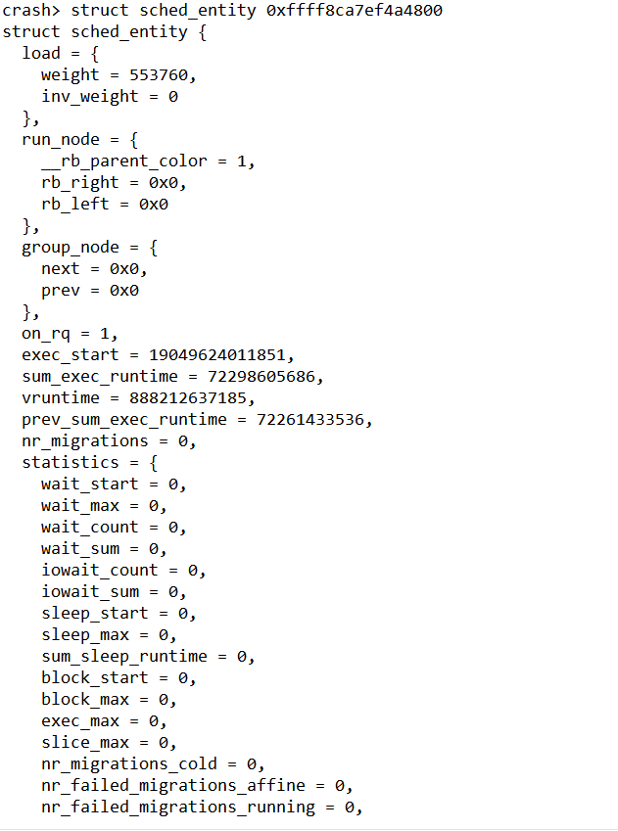
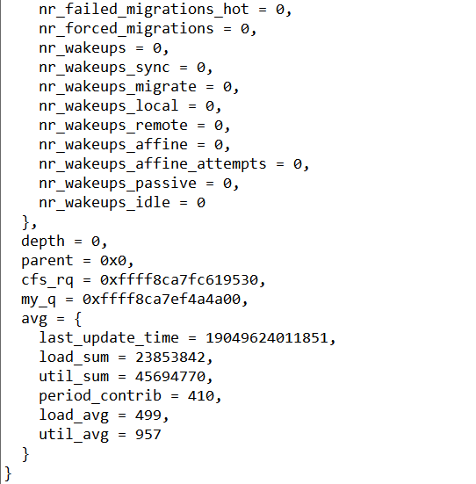
当前进程的权重
放置半满的slab
进程开始执行的时间

进程开始执行的时间

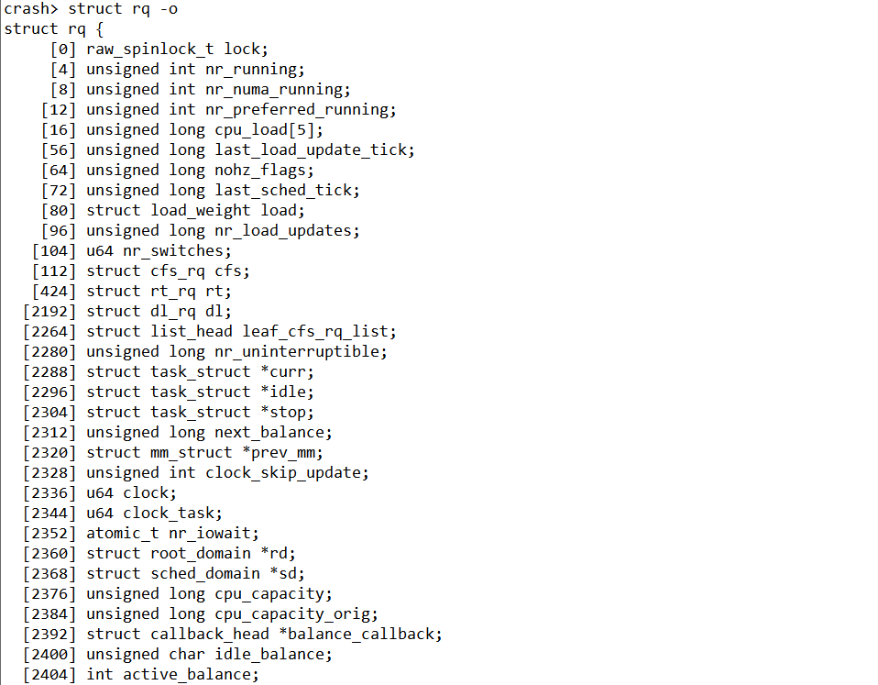
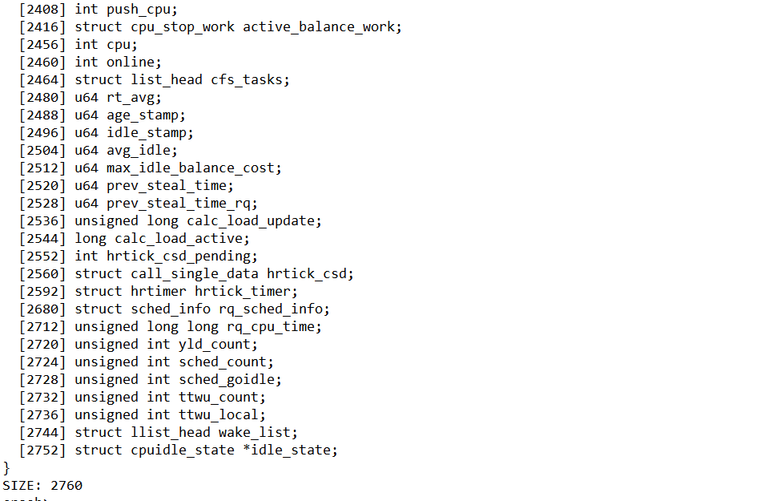
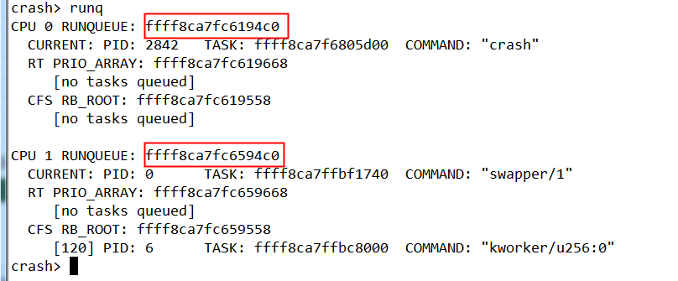
放置半满的slab

【3】task_struct
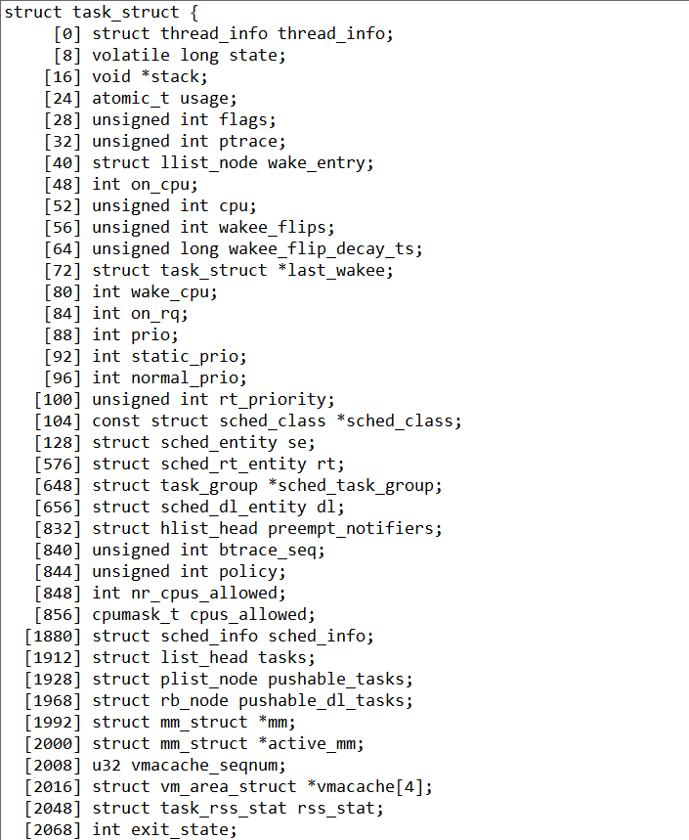
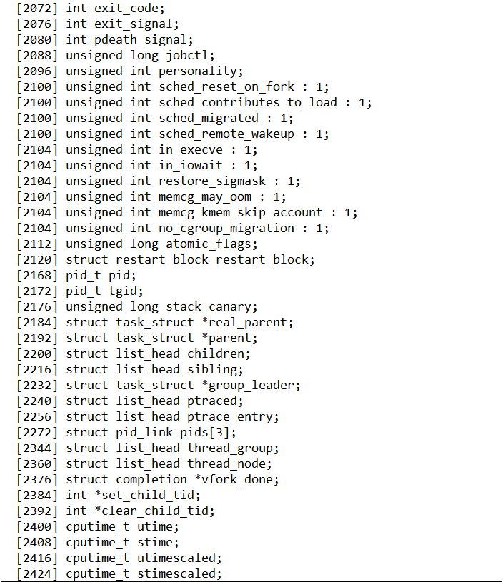
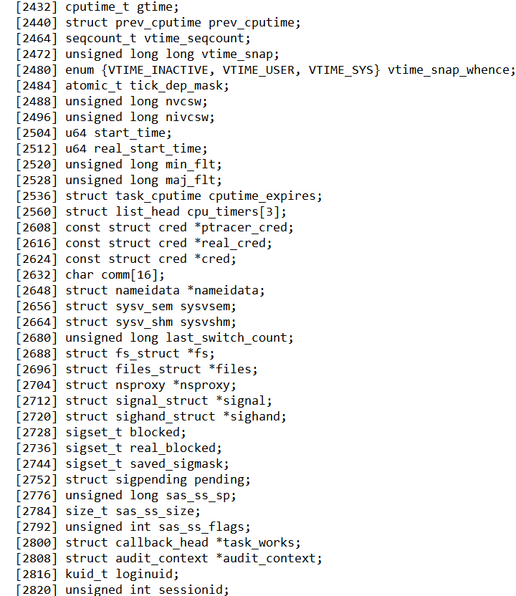
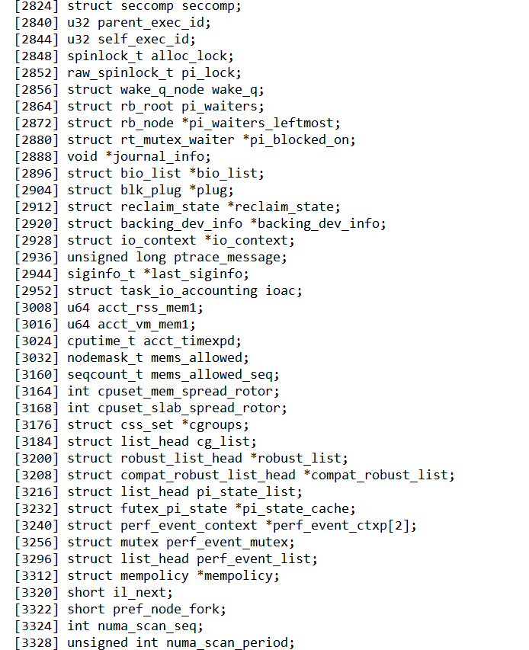
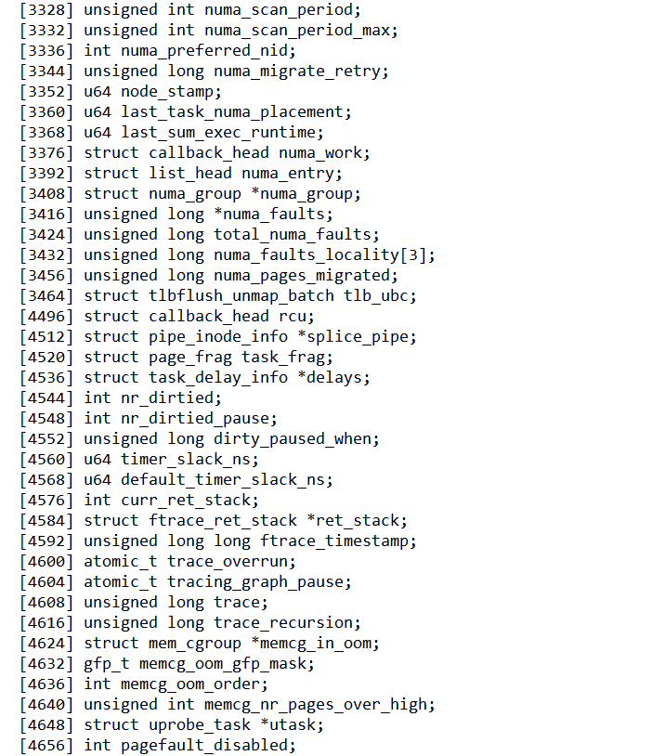

【4】mm_struct
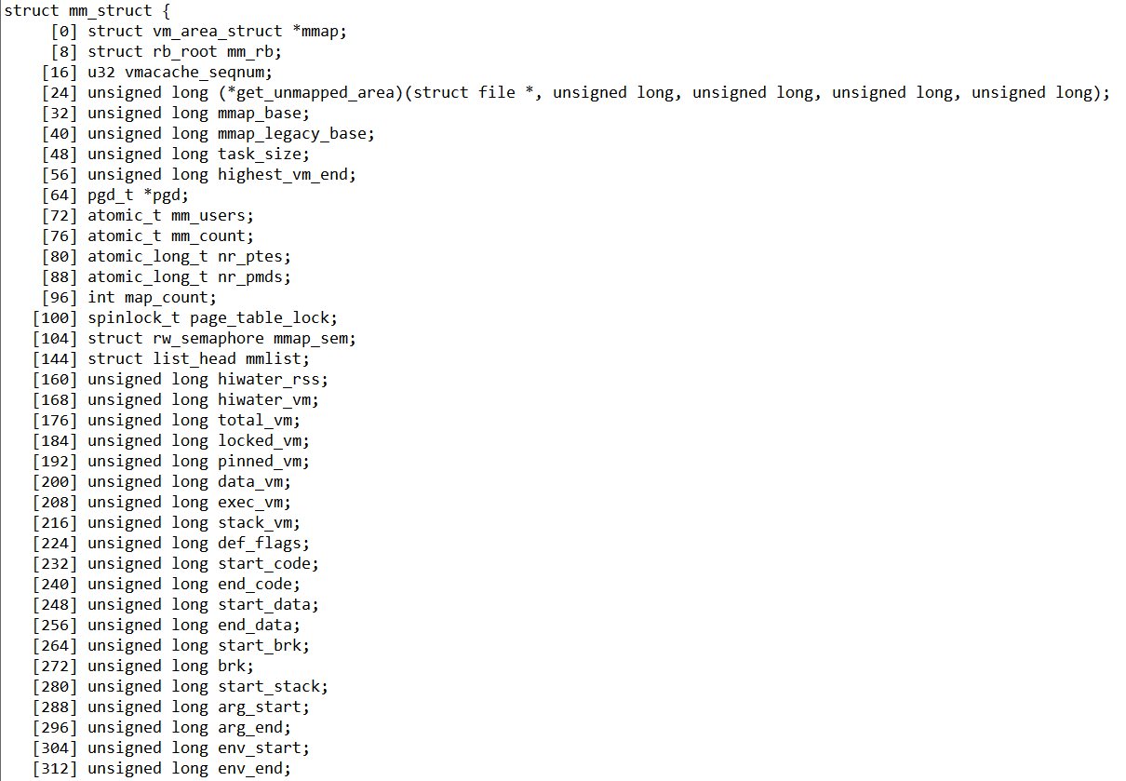
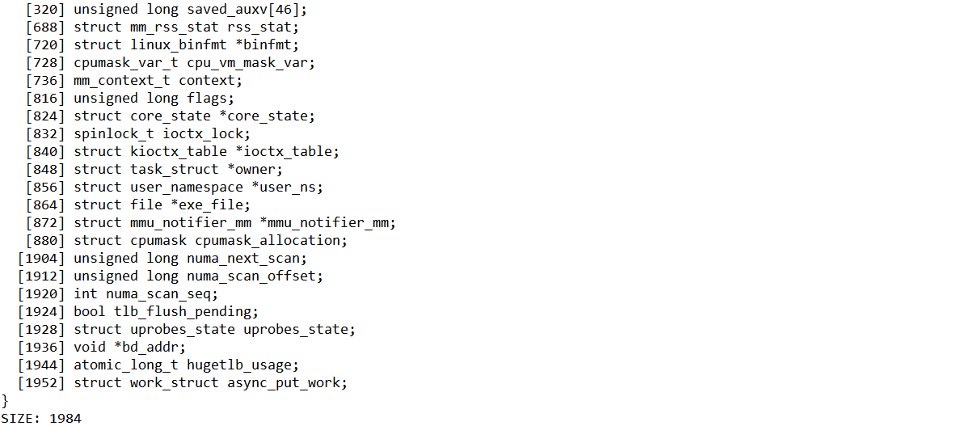

【5】vm_area_struct
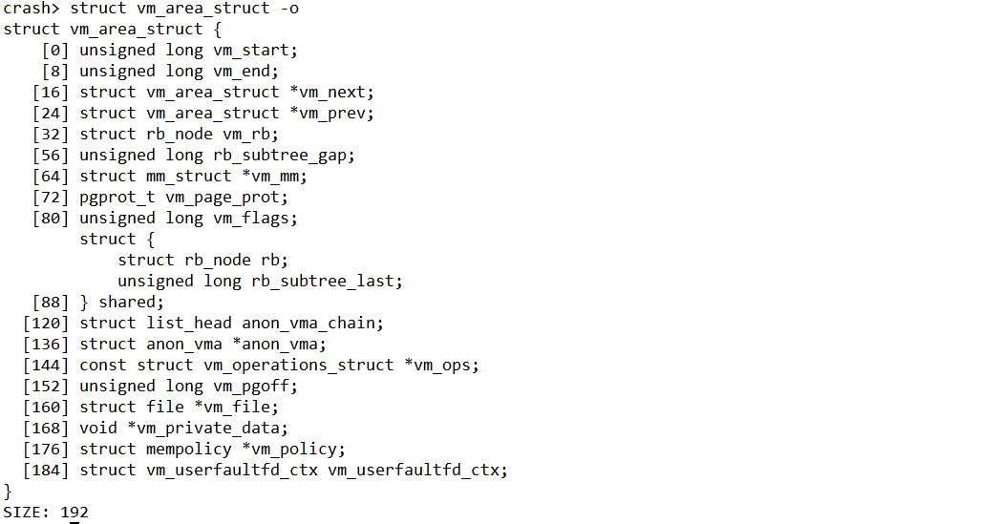

【6】page
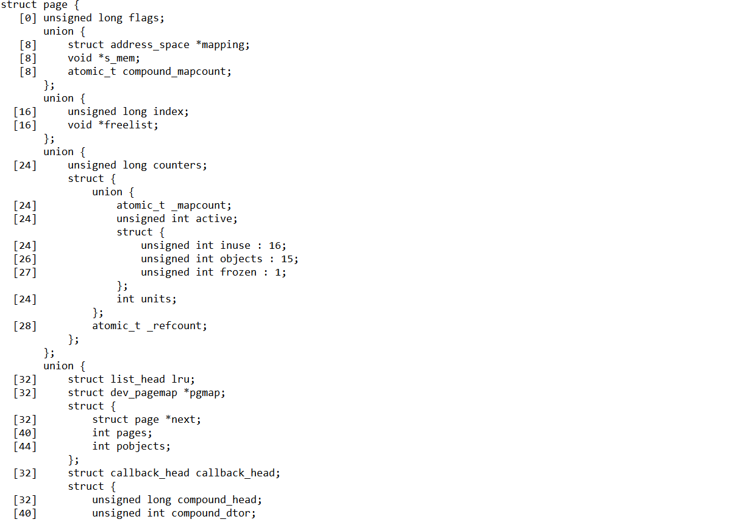

【7】rq
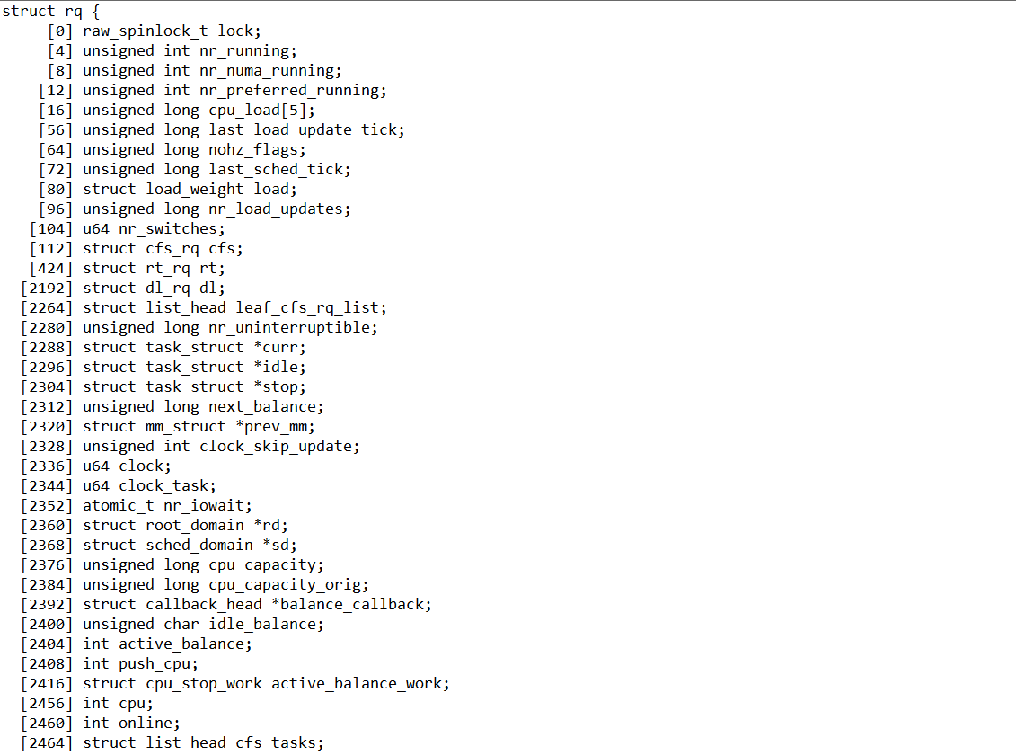
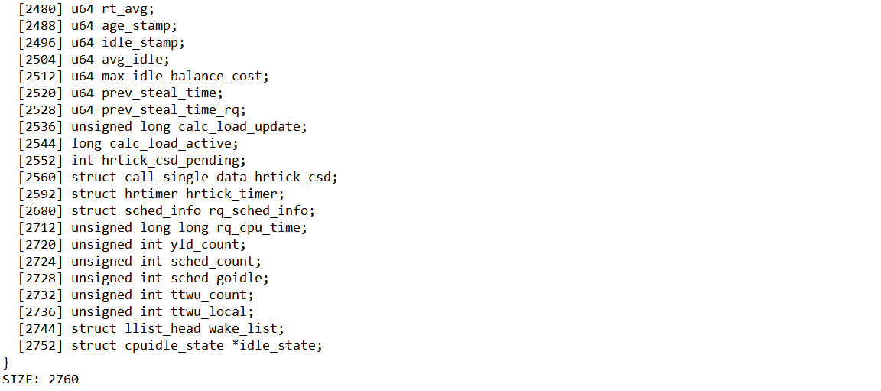

【8】zone
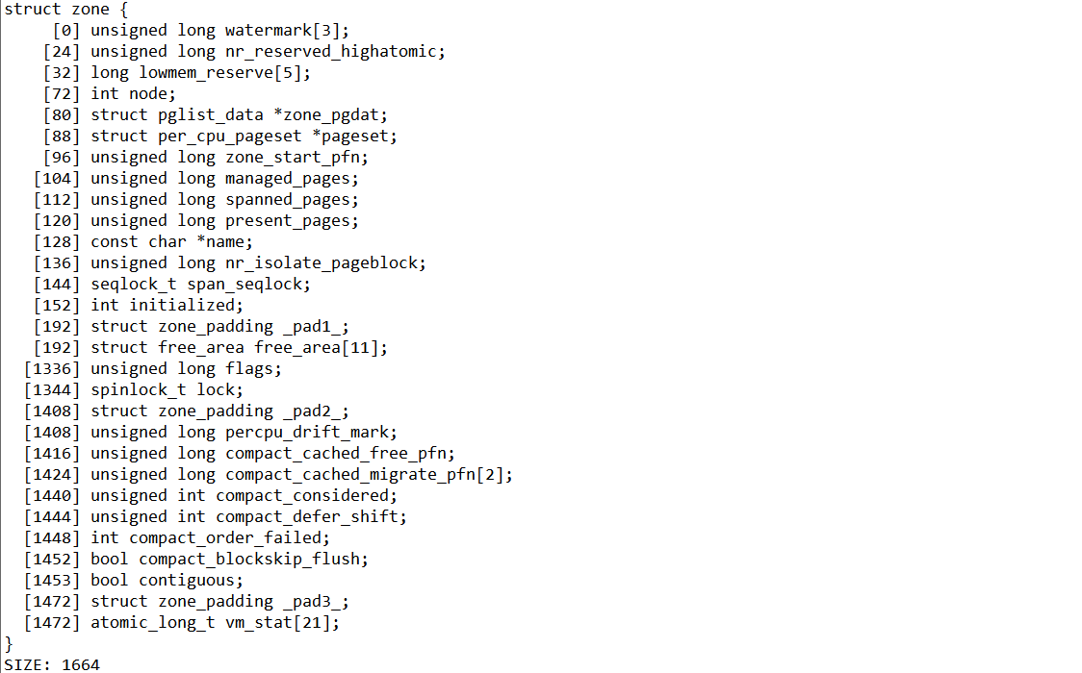

【9】kmem_cache
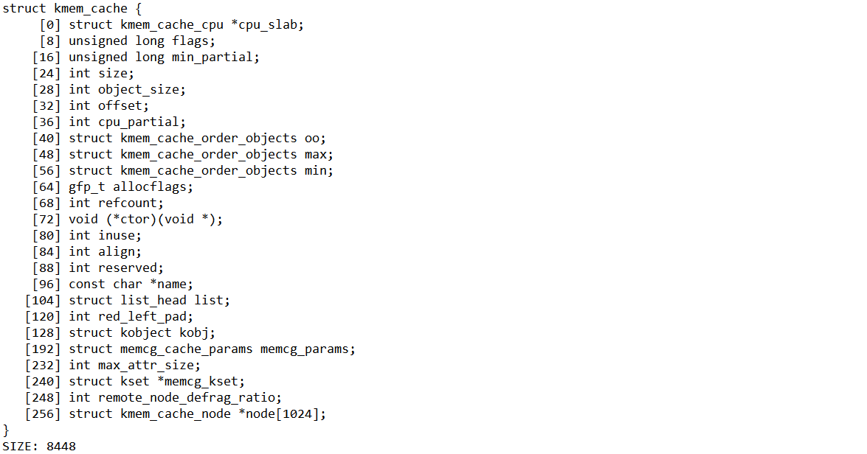

【11】file_operations
