Sheet1
struct kmem_cache ffff9f0f3fabe080 | cpu_slab = 0x389c41803ee0, ()
 | node = {0xffff9f0f3baed340, 0x0, 0x0,….}

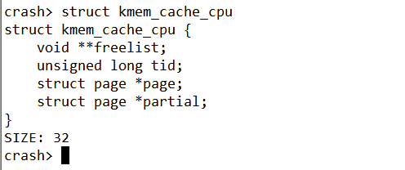
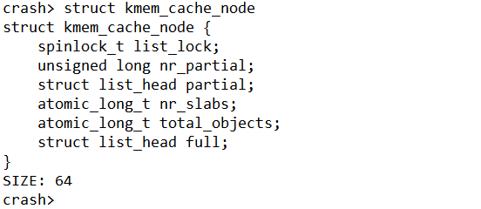
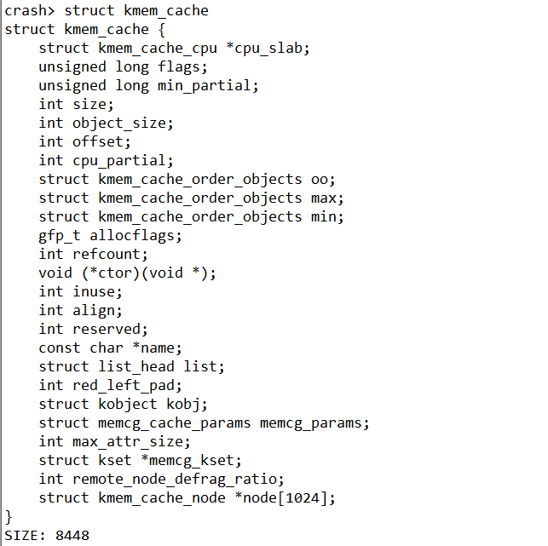
add:ffff9f0f3fabe080
cpu_slab = 0x389c41803ee0
node = {0xffff9f0f3baed340, 0x0,..}
kmem_cache_cpu主要是对外分配object(营业厅性质)
放置全满的slab
放置半满的slab
指向空闲的对象

放置半满的slab

